Raw data for Fig1 C&D
The raw numbers involved in Fig1 C&D. (pADPr) |  |  |  |  | Experiment 1 |  |  |  |  |  | Experiment 2 |  |  |  |  |  | Experiment 3
group | pADPr |  |  |  |  |  |  | ABT-888 |  |  |  |  |  | ABT-888 |  |  |  |  |  | ABT-888
 | 1 | 2 | 3 |  | SM 0 | SM 100μM | SM 1000μM | SM 0 | SM 100μM | SM 1000μM | SM 0 | SM 100μM | SM 1000μM | SM 0 | SM 100μM | SM 1000μM | SM 0 | SM 100μM | SM 1000μM | SM 0 | SM 100μM | SM 1000μM
SM 0μM | 42527.3 | 41782.2 | 58357.2
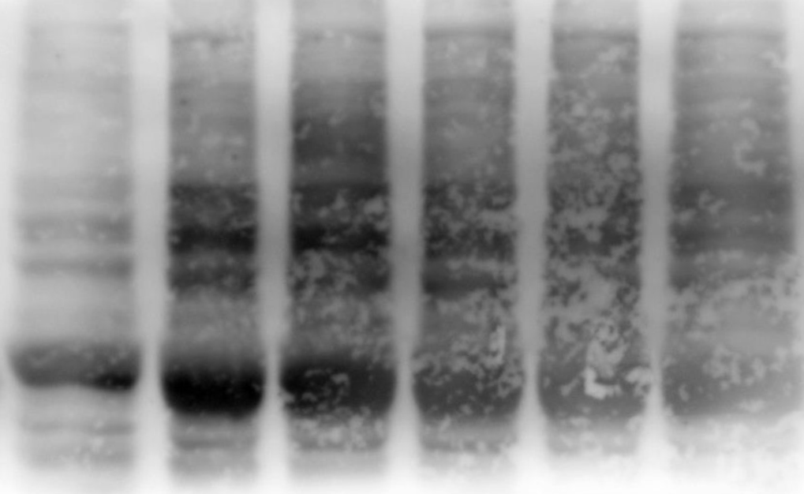
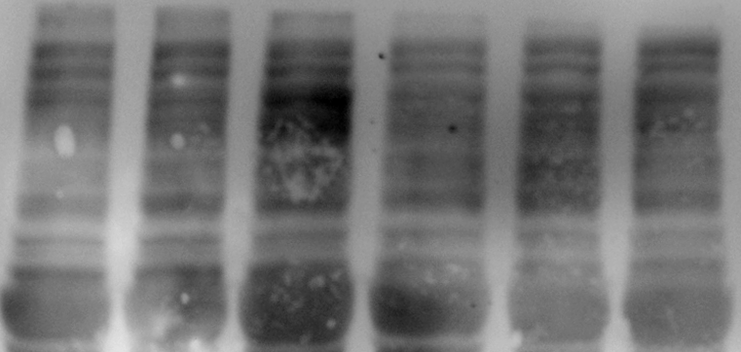

SM 100μM | 90750.9 | 68417.0 | 43338.0
SM 1000μM | 129101.0 | 117498.8 | 108428.7
SM 0μM + ABT-888 | 54875.5 | 43736.4 | 45682.7
SM 100μM + ABT-888 | 69453.7 | 59328.0 | 58329.0
SM 1000μM + ABT-888 | 74723.4 | 64738.6 | 57317.3

The raw numbers involved in Fig1 C&D. (GAPDH) |  |  |  | pADPr
group | GAPDH
 | 1 | 2 | 3
SM 0μM | 32002.4 | 25307.0 | 27631.4
SM 100μM | 30597.5 | 26254.3 | 21802.2
SM 1000μM | 28244.7 | 25638.2 | 25580.8
SM 0μM + ABT-888 | 31065.1 | 28659.7 | 28863.8 | GAPDH
SM 100μM + ABT-888 | 30605.8 | 26749.8 | 31763.4
SM 1000μM + ABT-888 | 33204.5 | 27073.6 | 29653.0

The raw numbers involved in Fig1 C&D. (Normalized pADPr)
group | Normalized pADPr
 | 1 | 2 | 3
SM 0μM | 1.3288794146 | 1.6510142306 | 2.111985663
SM 100μM | 2.9659561127 | 2.6059396156 | 1.9877867136
SM 1000μM | 4.5707996906 | 4.5829638385 | 4.2386719501
SM 0μM + ABT-888 | 1.7664678369 | 1.52605924 | 1.5826987438
SM 100μM + ABT-888 | 2.2692986297 | 2.2178857412 | 1.8363588281
SM 1000μM + ABT-888 | 2.2503997952 | 2.3912076709 | 1.9329342731

