HSP70
 |  |  |  |  |  |  |  |  |  |  |  |  |  |  |  |  |  | 1 replication |  |  |  |  |  |  |  |  | 2 replication |  |  |  |  |  |  |  |  |  |  | 4 replication
 |  | HSP70 |  |  |  |  |  |  |  |  |  |  |  |  |  |  |  | Data from the ImageJ package (v.1.41., Wayne Rasband, NIH, USA). |  |  |  |  |  |  |  |  | Data from the ImageJ package (v.1.41., Wayne Rasband, NIH, USA). |  |  |  |  |  |  |  |  |  |  | Data from the ImageJ package (v.1.41., Wayne Rasband, NIH, USA).
 |  |  |  |  |  |  |  |  |  |  |  |  |  |  |  |  |  |  |  |  |  |  | Numbers used for statistics |  |  |  |  |  |  |  |  |  | Numbers used for statistics |  |  |  |  |  |  |  |  |  | Numbers used for statistics
Control 7°C | 9°C | 11°C | 13°C | 15°C | 17°C | 19°C | 21°C | 23°C | 25°C | 27°C | 29°C | 31°C | 33°C |  | hsp | background | hsp-background |  | actin | background | actin-background | hsp/actin | hsp/actin/ internal control |  | hsp | background | hsp - background |  | actin | background | actin - background | hsp/actin | hsp/actin/ internal control |  | hsp | background | hsp - background |  | actin | background | actin - background | hsp/actin | hsp/actin/ internal control
Glk022s1 | Gl1022s1 | Gl2022s1 | Gl3022s1 | Gl4022s1 | Gl5022s1 | Gl6022s1 | Gl7022s1 | Gl8022s1 | Gl9022s1 | Gl10022s1 | Gl11022s1 | Gl12022s1 | Gl13022s1 |  | 0.027 | 0.027 | 0.000 | Internal control | 0.254 | 0.252 | 0.002 | 0.114 |  |  | 0.066 | 0.065 | 0.000 | Internal K | 0.045 | 0.044 | 0.000 | 0.540 |  |  | 0.053 | 0.053 | 0.000 | internal control | 0.341 | 0.338 | 0.003 | 0.110
Glk022s2 | Gl1022s2 | Gl2022s2 | Gl3022s2 | Gl4022s2 | Gl5022s2 | Gl6022s2 | Gl7022s2 | Gl8022s2 | Gl9022s2 | Gl10022s2 | Gl11022s2 | Gl12022s2 | Gl13022s2 | Glk022s1 | 0.042 | 0.042 | 0.001 | K | 0.353 | 0.346 | 0.007 | 0.106 | 0.924 | Glk022s2 | 0.056 | 0.056 | 0.000 | K | 0.574 | 0.573 | 0.002 | 0.061 | 0.113 | Glk022s4 |  |  |  | K
Glk022s3 | Gl1022s3 | Gl2022s3 | Gl3022s3 | Gl4022s3 | Gl5022s3 | Gl6022s3 | Gl7022s3 | Gl8022s3 | Gl9022s3 | Gl10022s3 | Gl11022s3 | Gl12022s3 | Gl13022s3 | Gl1022s1 | 0.046 | 0.045 | 0.000 | 9°C | 0.295 | 0.291 | 0.004 | 0.052 | 0.457 | Gl1022s2 | 0.046 | 0.046 | 0.000 | 9°C | 0.398 | 0.394 | 0.004 | 0.037 | 0.069 | Gl1022s4 | 0.058 | 0.057 | 0.000 | 9°C | 0.442 | 0.431 | 0.011 | 0.039 | 0.350
Glk022s4 | Gl1022s4 | Gl2022s4 | Gl3022s4 | Gl4022s4 | Gl5022s4 | Gl6022s4 | Gl7022s4 | Gl8022s4 | Gl9022s4 | Gl10022s4 | Gl11022s4 | Gl12022s4 | Gl13022s4 | Gl2022s1 | 0.045 | 0.045 | 0.000 | 11°C | 0.305 | 0.298 | 0.007 | 0.030 | 0.265 | Gl2022s2 | 0.067 | 0.067 | 0.000 | 11°C | 0.337 | 0.333 | 0.004 | 0.033 | 0.062 | Gl2022s4 | 0.052 | 0.052 | 0.000 | 11°C | 0.393 | 0.387 | 0.006 | 0.083 | 0.752
 | Gl1022s5 | Gl2022s5 | Gl3022s5 | Gl4022s5 | Gl5022s5 | Gl6022s5 | Gl7022s5 | Gl8022s5 | Gl9022s5 | Gl10022s5 | Gl11022s5 | Gl12022s5 | Gl13022s5 | Gl3022s1 | 0.027 | 0.027 | 0.000 | 13°C | 0.254 | 0.252 | 0.002 | 0.114 |  | Gl3022s2 | 0.053 | 0.053 | 0.000 | 13°C | 0.376 | 0.374 | 0.003 | 0.084 | 0.156 | Gl3022s4 | 0.039 | 0.039 | 0.000 | 13°C | 0.365 | 0.359 | 0.007 | 0.048 | 0.433
 |  |  |  |  |  |  |  |  |  |  |  |  |  | Gl4022s1 | 0.041 | 0.040 | 0.000 | 15°C | 0.259 | 0.255 | 0.004 | 0.042 | 0.367 | Gl4022s2 | 0.059 | 0.059 | 0.000 | 15°C | 0.331 | 0.327 | 0.004 | 0.049 | 0.091 | Gl4022s4 | 0.046 | 0.046 | 0.000 | 15°C | 0.430 | 0.420 | 0.010 | 0.036 | 0.328
0.924 | 0.457 | 0.265 |  | 0.367 | 0.220 | 0.488 | 0.222 | 0.207 | 0.331 | 0.317 | 0.316 | 0.276 | 0.252 | Gl5022s1 | 0.029 | 0.029 | 0.000 | 17°C | 0.294 | 0.289 | 0.005 | 0.025 | 0.220 | Gl5022s2 | 0.072 | 0.072 | 0.000 | 17°C | 0.346 | 0.342 | 0.004 | 0.055 | 0.102 | Gl5022s4 | 0.043 | 0.042 | 0.000 | 17°C | 0.363 | 0.353 | 0.010 | 0.048 | 0.438
0.113 | 0.069 | 0.062 | 0.156 | 0.091 | 0.102 | 0.156 | 0.125 | 0.048 | 0.149 | 0.052 | 0.101 | 0.241 | 0.190 | Gl6022s1 | 0.033 | 0.033 | 0.000 | 19°C | 0.300 | 0.295 | 0.005 | 0.056 | 0.488 | Gl6022s2 | 0.065 | 0.065 | 0.000 | 19°C | 0.368 | 0.363 | 0.005 | 0.084 | 0.156 | Gl6022s4 | 0.041 | 0.041 | 0.000 | 19°C | 0.360 | 0.352 | 0.008 | 0.032 | 0.289
0.294 | 0.178 | 0.115 | 0.218 | 0.129 | 0.153 | 0.343 | 0.083 | 0.101 | 0.079 | 0.124 | 0.067 | 0.098 | 0.109 | Gl7022s1 | 0.044 | 0.044 | 0.000 | 21°C | 0.328 | 0.320 | 0.008 | 0.025 | 0.222 | Gl7022s2 | 0.040 | 0.040 | 0.000 | 21°C | 0.343 | 0.339 | 0.004 | 0.067 | 0.125 | Gl7022s4 | 0.070 | 0.069 | 0.000 | 21°C | 0.478 | 0.466 | 0.011 | 0.032 | 0.291
0.303 | 0.350 | 0.752 | 0.433 | 0.328 | 0.438 | 0.289 | 0.291 | 0.692 | 0.452 | 0.471 | 0.378 | 0.203 | 0.729 | Gl8022s1 | 0.037 | 0.037 | 0.000 | 23°C | 0.372 | 0.361 | 0.011 | 0.024 | 0.207 | Gl8022s2 | 0.042 | 0.042 | 0.000 | 23°C | 0.320 | 0.316 | 0.004 | 0.026 | 0.048 | Gl8022s4 | 0.057 | 0.057 | 0.000 | 23°C | 0.431 | 0.426 | 0.005 | 0.076 | 0.692
 | 0.272 | 0.316 | 1.053 | 0.910 | 0.566 | 1.082 | 0.372 | 0.409 | 0.755 | 0.747 | 0.675 | 0.387 | 0.365 | Gl9022s1 | 0.034 | 0.034 | 0.000 | 25°C | 0.254 | 0.245 | 0.009 | 0.038 | 0.331 | Gl9022s2 | 0.055 | 0.055 | 0.000 | 25°C | 0.296 | 0.293 | 0.004 | 0.081 | 0.149 | Gl9022s4 | 0.056 | 0.055 | 0.000 | 25°C | 0.419 | 0.410 | 0.009 | 0.050 | 0.452
 |  |  |  |  |  |  |  |  |  |  |  |  |  | Gl10022s1 | 0.033 | 0.033 | 0.000 | 27°C | 0.313 | 0.303 | 0.010 | 0.036 | 0.317 | Gl10022s2 | 0.050 | 0.050 | 0.000 | 27°C | 0.371 | 0.365 | 0.005 | 0.028 | 0.052 | Gl10022s4 | 0.065 | 0.065 | 0.001 | 27°C | 0.488 | 0.477 | 0.010 | 0.052 | 0.471
 |  |  |  |  |  |  |  |  |  |  |  |  |  | Gl11022s1 | 0.030 | 0.029 | 0.000 | 29°C | 0.307 | 0.300 | 0.007 | 0.036 | 0.316 | Gl11022s2 | 0.033 | 0.033 | 0.000 | 29°C | 0.328 | 0.324 | 0.004 | 0.055 | 0.101 | Gl11022s4 | 0.057 | 0.057 | 0.000 | 29°C | 0.467 | 0.456 | 0.011 | 0.042 | 0.378
 |  |  |  |  |  |  |  |  |  |  |  |  |  | Gl12022s1 | 0.037 | 0.036 | 0.000 | 31°C | 0.283 | 0.274 | 0.009 | 0.032 | 0.276 | Gl12022s2 | 0.044 | 0.044 | 0.000 | 31°C | 0.329 | 0.325 | 0.003 | 0.130 | 0.241 | Gl12022s4 | 0.049 | 0.049 | 0.000 | 31°C | 0.415 | 0.401 | 0.014 | 0.022 | 0.203
 |  |  |  |  |  |  |  |  |  |  |  |  |  | Gl13022s1 | 0.048 | 0.047 | 0.000 | 33°C | 0.327 | 0.318 | 0.009 | 0.029 | 0.252 | Gl13022s2 | 0.041 | 0.041 | 0.000 | 33°C | 0.310 | 0.307 | 0.003 | 0.103 | 0.190 | Gl13022s4 | 0.050 | 0.049 | 0.001 | 33°C | 0.444 | 0.433 | 0.011 | 0.081 | 0.729
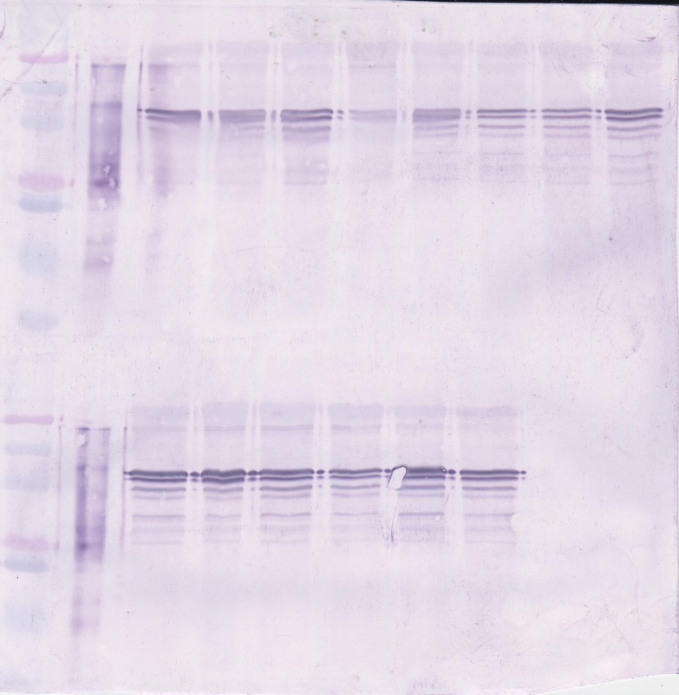
Positive
control
Glk022s1
Gl1022s1
Gl2022s1
Gl3022s1
Internal control
Glk4022s1
Gl6022s1
Gl7022s1
MW ladder
↓
Gl5022s1
HSP70
↓
 |  |  |  |  |  |  |  |  |  |  |  |  |  |  |  |  |  |  |  |  |  |  |  |  |  |  | 3 replication |  |  |  |  |  |  |  |  |  |  | 5 replication
 |  |  |  |  |  |  |  |  |  |  |  |  |  |  |  |  |  |  |  |  |  |  |  |  |  |  | Data from the ImageJ package (v.1.41., Wayne Rasband, NIH, USA). |  |  |  |  |  |  |  |  |  |  | Data from the ImageJ package (v.1.41., Wayne Rasband, NIH, USA).
 |  |  |  |  |  |  |  |  |  |  |  |  |  |  |  |  |  |  |  |  |  |  |  |  |  |  |  |  |  |  |  |  | Numbers used for statistics |  |  |  |  |  |  |  |  |  | Numbers used for statistics
 |  |  |  |  |  |  |  |  |  |  |  |  |  |  |  |  |  |  |  |  |  |  |  |  | hsp | background | hsp - background |  | actin | background | actin - background | hsp/actin | hsp/actin/ internal control |  | HSP | фон | hsp - фон |  | ACTIN | фон | actin - фон | hsp/actin | hsp/actin/ internal control
 |  |  |  |  |  |  |  |  |  |  |  |  |  |  |  |  |  |  |  |  |  |  |  |  | 0.066 | 0.065 | 0.000 | Internal K | 0.045 | 0.044 | 0.000 | 0.540 |  |  | 0.053 | 0.053 | 0.000 | intermal control | 0.341 | 0.338 | 0.003 | 0.110
 |  |  |  |  |  |  |  |  |  |  |  |  |  |  |  |  |  |  |  |  |  |  |  | Glk022s3 | 0.069 | 0.068 | 0.000 | K | 0.658 | 0.655 | 0.003 | 0.159 | 0.294 | Glk022s5 | 0.064 | 0.063 | 0.000 | K | 0.474 | 0.463 | 0.010 | 0.033 | 0.303
 |  |  |  |  |  |  |  |  |  |  |  |  |  |  |  |  |  |  |  |  |  |  |  | Gl1022s3 | 0.055 | 0.054 | 0.000 | 9°C | 0.422 | 0.419 | 0.003 | 0.096 | 0.178 | Gl1022s5 | 0.048 | 0.048 | 0.000 | 9°C | 0.419 | 0.410 | 0.009 | 0.030 | 0.272
 |  |  |  |  |  |  |  |  |  |  |  |  |  |  |  |  |  |  |  |  |  |  |  | Gl2022s3 | 0.059 | 0.058 | 0.000 | 11°C | 0.503 | 0.497 | 0.007 | 0.062 | 0.115 | Gl2022s5 | 0.051 | 0.051 | 0.000 | 11°C | 0.391 | 0.384 | 0.007 | 0.035 | 0.316
 |  |  |  |  |  |  |  |  |  |  |  |  |  |  |  |  |  |  |  |  |  |  |  | Gl3022s3 | 0.057 | 0.056 | 0.001 | 13°C | 0.460 | 0.455 | 0.004 | 0.118 | 0.218 | Gl3022s5 | 0.074 | 0.073 | 0.000 | 13°C | 0.371 | 0.368 | 0.003 | 0.116 | 1.053
 |  |  |  |  |  |  |  |  |  |  |  |  |  |  |  |  |  |  |  |  |  |  |  | Gl4022s3 | 0.057 | 0.056 | 0.000 | 15°C | 0.479 | 0.474 | 0.005 | 0.069 | 0.129 | Gl4022s5 | 0.068 | 0.068 | 0.000 | 15°C | 0.442 | 0.438 | 0.004 | 0.101 | 0.910
 |  |  |  |  |  |  |  |  |  |  |  |  |  |  |  |  |  |  |  |  |  |  |  | Gl5022s3 | 0.056 | 0.055 | 0.001 | 17°C | 0.528 | 0.521 | 0.006 | 0.083 | 0.153 | Gl5022s5 | 0.071 | 0.070 | 0.000 | 17°C | 0.398 | 0.393 | 0.006 | 0.063 | 0.566
 |  |  |  |  |  |  |  |  |  |  |  |  |  |  |  |  |  |  |  |  |  |  |  | Gl6022s3 | 0.055 | 0.055 | 0.001 | 19°C | 0.477 | 0.474 | 0.003 | 0.185 | 0.343 | Gl6022s5 | 0.062 | 0.062 | 0.000 | 19°C | 0.431 | 0.427 | 0.003 | 0.120 | 1.082
 |  |  |  |  |  |  |  |  |  |  |  |  |  |  |  |  |  |  |  |  |  |  |  | Gl7022s3 | 0.053 | 0.053 | 0.000 | 21°C | 0.447 | 0.440 | 0.006 | 0.045 | 0.083 | Gl7022s5 | 0.057 | 0.056 | 0.000 | 21°C | 0.435 | 0.427 | 0.007 | 0.041 | 0.372
 |  |  |  |  |  |  |  |  |  |  |  |  |  |  |  |  |  |  |  |  |  |  |  | Gl8022s3 | 0.066 | 0.066 | 0.000 | 23°C | 0.444 | 0.437 | 0.007 | 0.054 | 0.101 | Gl8022s5 | 0.058 | 0.058 | 0.001 | 23°C | 0.529 | 0.518 | 0.011 | 0.045 | 0.409
 |  |  |  |  |  |  |  |  |  |  |  |  |  |  |  |  |  |  |  |  |  |  |  | Gl9022s3 | 0.062 | 0.062 | 0.000 | 25°C | 0.357 | 0.351 | 0.006 | 0.043 | 0.079 | Gl9022s5 | 0.082 | 0.081 | 0.001 | 25°C | 0.469 | 0.461 | 0.008 | 0.083 | 0.755
 |  |  |  |  |  |  |  |  |  |  |  |  |  |  |  |  |  |  |  |  |  |  |  | Gl10022s3 | 0.073 | 0.072 | 0.000 | 27°C | 0.453 | 0.449 | 0.004 | 0.067 | 0.124 | Gl10022s5 | 0.069 | 0.068 | 0.000 | 27°C | 0.530 | 0.524 | 0.006 | 0.082 | 0.747
 |  |  |  |  |  |  |  |  |  |  |  |  |  |  |  |  |  |  |  |  |  |  |  | Gl11022s3 | 0.075 | 0.075 | 0.000 | 29°C | 0.566 | 0.559 | 0.006 | 0.036 | 0.067 | Gl11022s5 | 0.069 | 0.068 | 0.001 | 29°C | 0.521 | 0.513 | 0.008 | 0.075 | 0.675
 |  |  |  |  |  |  |  |  |  |  |  |  |  |  |  |  |  |  |  |  |  |  |  | Gl12022s3 | 0.078 | 0.078 | 0.000 | 31°C | 0.461 | 0.457 | 0.005 | 0.053 | 0.098 | Gl12022s5 | 0.067 | 0.067 | 0.000 | 31°C | 0.422 | 0.413 | 0.009 | 0.043 | 0.387
MW ladder
↓
Positive
control
Gl11022s1
Gl13022s1
 |  |  |  |  |  |  |  |  |  |  |  |  |  |  |  |  |  |  |  |  |  |  |  | Gl13022s3 | 0.065 | 0.064 | 0.000 | 33°C | 0.431 | 0.426 | 0.005 | 0.059 | 0.109 | Gl13022s5 | 0.042 | 0.042 | 0.000 | 33°C | 0.437 | 0.428 | 0.009 | 0.040 | 0.365
↓
Gl8022s1
Gl9022s1
Gl10022s1
Gl12022s1
HSP70
↓
Positive
control
Gl1022s2
Gl3022s2
Gl5022s2
↓
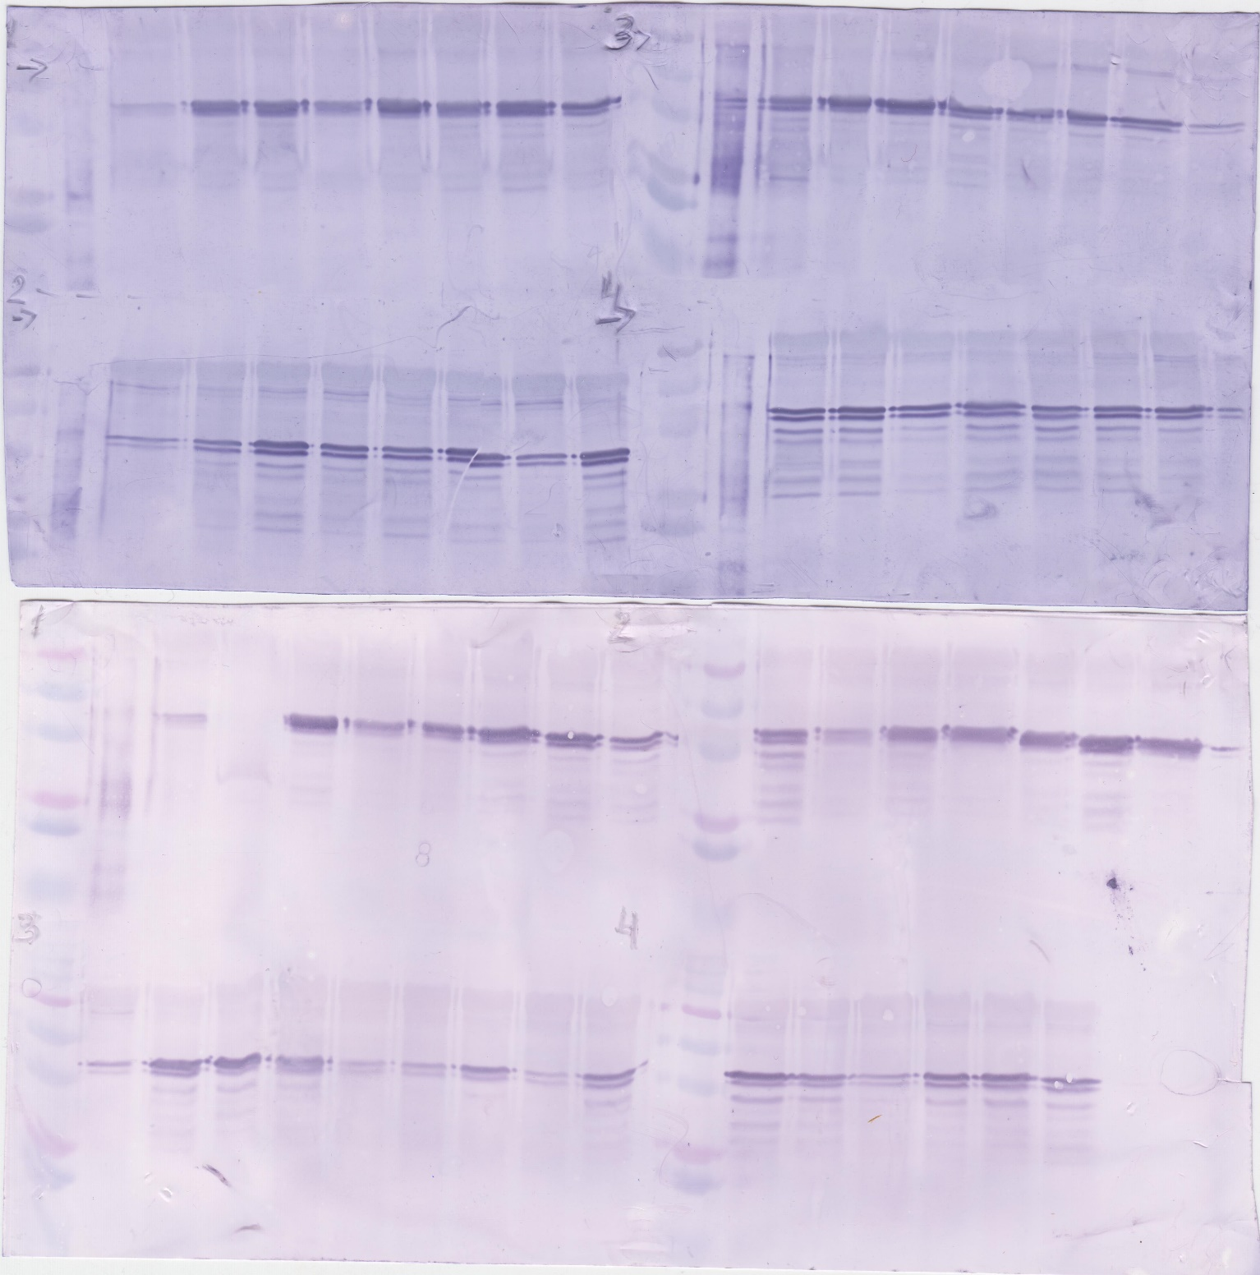
↓
MW ladder
Internal
control
Glk022s2
Gl2022s2
Gl4022s2
Gl6022s2
MW ladder
Positive
control
Glk022s3
Internal
control
Gl2022s3
Gl4022s3
Gl6022s3
MW ladder
Positive
control
Internal
control
Glk022s4
Gl1022s4
Gl2022s4
Gl3022s4
Gl5022s4
Gl6022s4
MW ladder
↓
HSP70
↓
HSP70
↓
Gl1022s3
Gl3022s3
Gl5022s3
Gl4022s4
Gl1022s5
Internal
control
Gl3022s5
Gl7022s5
Gl5022s5
↓
HSP70
Gl4022s5
Gl2022s5
Gl6022s5
HSP70
↓

↓
↓
Positive
control
Internal
control
Gl9022s3
Gl11022s3
Gl13022s3
↓
MW ladder
Positive
control
Internal
control
Gl7022s2
Gl9022s2
Gl11022s2
Gl13022s2
MW ladder
Gl7022s3
Gl8022s3
Gl10022s3
Gl12022s3
MW ladder
Positive
control
Internal
control
MW ladder
↓
Gl9022s5
Gl11022s5
↓
Gl8022s2
Gl10022s2
Gl12022s2
HSP70
↓
Gl8022s4
Gl7022s4
Gl9022s4
Gl11022s4
Gl10022s5
Gl8022s5
Gl12022s5
Gl13022s5
HSP70
↓
HSP70
Gl10022s4
Gl12022s4
Gl13022s4
↓
HSP70

