Sheet2
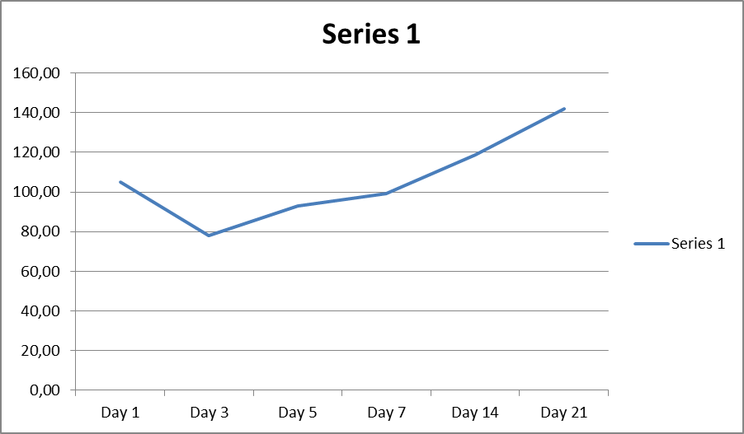
 |  | Read 1 | Read 2 | Read 3 | Read 4 | Read 5 | Average | Final Average |  | Average | Final Average | STDEV | STDEV |  |  | Average | Final average | STDEV | STDEV
Day 1 | control 1 | 0.426 | 0.433 | 0.432 | 0.429 | 0.431 | 0.4302 | 0.443 | control D1 | 0.2302 | 0.243 | 0.015900943368 | 0.015900943368 | Day 1 | Control | 0.23 | 0.24 | 0.02 | 0.02
 | control 2 | 0.454 | 0.462 | 0.463 | 0.465 | 0.46 | 0.4608 |  |  | 0.2608 |  |  |  |  |  | 0.26
 | control 3 | 0.429 | 0.441 | 0.44 | 0.441 | 0.439 | 0.438 |  |  | 0.238 |  |  |  |  |  | 0.24
 | 1 | 0.435 | 0.427 | 0.427 | 0.427 | 0.433 | 0.4298 | 0.35526666667 | Day 1 | 0.2298 | 0.25526666667 | 0.023745596083 | 0.023745596083 |  | Scaffold | 0.23 | 0.26 | 0.02 | 0.02
 | 2 | 0.376 | 0.375 | 0.375 | 0.378 | 0.38 | 0.3768 |  |  | 0.2768 |  |  |  |  |  | 0.28
 | 3 | 0.26 | 0.259 | 0.258 | 0.26 | 0.259 | 0.2592 |  |  | 0.2592 |  |  |  |  |  | 0.26
Day 3 | Control 1 | 0.45 | 0.453 | 0.454 |  |  | 0.45233333333 | 0.47955555556 | control D3 | 0.45233333333 | 0.47955555556 | 0.074021268215 | 0.074021268215 | Day 3 | Control | 0.45 | 0.48 | 0.07 | 0.07
 | control 2 | 0.419 | 0.423 | 0.427 |  |  | 0.423 |  |  | 0.423 |  |  |  |  |  | 0.42
 | control 3 | 0.561 | 0.564 | 0.565 |  |  | 0.56333333333 |  |  | 0.56333333333 |  |  |  |  |  | 0.56
 | 1 | 0.324 | 0.331 | 0.334 |  |  | 0.32966666667 | 0.37455555556 | Day 3 | 0.32966666667 | 0.37455555556 | 0.040587810613 | 0.040587810613 |  | Scaffold | 0.33 | 0.37 | 0.04 | 0.04
 | 2 | 0.397 | 0.41 | 0.419 |  |  | 0.40866666667 |  |  | 0.40866666667 |  |  |  |  |  | 0.41
 | 3 | 0.375 | 0.388 | 0.393 |  |  | 0.38533333333 |  |  | 0.38533333333 |  |  |  |  |  | 0.39
Day 5 | control 1 | 0.435 | 0.44 | 0.443 |  |  | 0.43933333333 | 0.43877777778 | control D5 | 0.43933333333 | 0.43877777778 | 0.041169478087 | 0.041169478087 | Day 5 | Control | 0.44 | 0.44 | 0.04 | 0.04
 | control 2 | 0.477 | 0.482 | 0.48 |  |  | 0.47966666667 |  |  | 0.47966666667 |  |  |  |  |  | 0.48
 | control 3 | 0.395 | 0.399 | 0.398 |  |  | 0.39733333333 |  |  | 0.39733333333 |  |  |  |  |  | 0.40
 | 1 | 0.4 | 0.406 | 0.41 |  |  | 0.40533333333 | 0.40711111111 | Day 5 | 0.40533333333 | 0.40711111111 | 0.0027954990279 | 0.0027954990279 |  | Scaffold | 0.41 | 0.41 | 0.00 | 0.00
 | 2 | 0.399 | 0.415 | 0.417 |  |  | 0.41033333333 |  |  | 0.41033333333 |  |  |  |  |  | 0.41
 | 3 | 0.394 | 0.411 | 0.412 |  |  | 0.40566666667 |  |  | 0.40566666667 |  |  |  |  |  | 0.41
Day 7 | control 1 | 0.22 | 0.219 | 0.22 | 0.22 |  | 0.21975 | 0.49133333333 | control D7 | 0.21975 | 0.49133333333 | 0.23925539875 | 0.23925539875 | Day 7 | Control | 0.22 | 0.49 | 0.24 | 0.24
 | control 2 | 0.58 | 0.588 | 0.585 | 0.58 |  | 0.58325 |  |  | 0.58325 |  |  |  |  |  | 0.58
 | control 3 | 0.676 | 0.666 | 0.666 | 0.676 |  | 0.671 |  |  | 0.671 |  |  |  |  |  | 0.67
 | 1 | 0.378 | 0.374 | 0.358 | 0.378 |  | 0.372 | 0.48725 | Day 7 | 0.372 | 0.48725 | 0.10157847951 | 0.10157847951 |  | Scaffold | 0.37 | 0.49 | 0.10 | 0.10
 | 2 | 0.524 | 0.527 | 0.529 | 0.524 |  | 0.526 |  |  | 0.526 |  |  |  |  |  | 0.53
 | 3 | 0.55 | 0.574 | 0.581 | 0.55 |  | 0.56375 |  |  | 0.56375 |  |  |  |  |  | 0.56
Day 14 | control 1 | 0.618 | 0.623 | 0.629 | 0.635 | 0.64 | 0.629 | 0.54553333333 | control D14 | 0.629 | 0.54553333333 | 0.088005984645 | 0.088005984645 | Day 14 | Control | 0.63 | 0.55 | 0.09 | 0.09
 | control 2 | 0.435 | 0.446 | 0.456 | 0.464 | 0.467 | 0.4536 |  |  | 0.4536 |  |  |  |  |  | 0.45
 | control 3 | 0.544 | 0.553 | 0.556 | 0.554 | 0.563 | 0.554 |  |  | 0.554 |  |  |  |  |  | 0.55
 | 1 | 0.612 | 0.634 | 0.635 | 0.636 | 0.639 | 0.6312 | 0.64866666667 | Day 14 | 0.6312 | 0.64866666667 | 0.040343194387 | 0.040343194387 |  | Scaffold | 0.63 | 0.65 | 0.04 | 0.04
 | 2 | 0.698 | 0.695 | 0.692 | 0.693 | 0.696 | 0.6948 |  |  | 0.6948 |  |  |  |  |  | 0.69
 | 3 | 0.609 | 0.621 | 0.62 | 0.624 | 0.626 | 0.62 |  |  | 0.62 |  |  |  |  |  | 0.62
 | Control | Scaffold
Day 1 | 0.24 | 0.26
Day 3 | 0.48 | 0.37
Day 5 | 0.44 | 0.41
Day 7 | 0.49 | 0.49
Day 14 | 0.55 | 0.65
Day 21 | 1.19 | 1.69
 |  |  |  |  |  |  |  |  |  |  |  |  |  | Day 21 | Control | 1.28 | 1.19 | 0.10 | 0.09
 |  |  |  |  |  |  |  |  |  |  |  |  |  |  |  | 1.20
 |  |  |  |  |  |  |  |  |  |  |  |  |  |  |  | 1.09
 |  |  |  |  |  |  |  |  |  |  |  |  |  |  | Scaffold | 1.61 | 1.69 | 0.36 | 0.49
 |  |  |  |  |  |  |  |  |  |  |  |  |  |  |  | 1.37
 |  |  |  |  |  |  |  |  |  |  |  |  |  |  |  | 2.08

 |  |  |  |  |  |  |  |  |  |  |  |  |  |  |  |  |  | Day 1 | Control D1 | 0.24 | 1.0504801097
 |  |  |  |  |  |  |  |  |  |  |  |  |  |  |  |  |  |  | scaffold D1 | 0.26
 |  |  |  |  |  |  |  |  |  |  |  |  |  |  |  |  |  | Day 3 | Control D3 | 0.48 | 0.78104726599
 |  |  |  |  |  |  |  |  |  |  |  |  |  |  |  |  |  |  | scaffold D3 | 0.37
 |  |  |  |  |  |  |  |  |  |  |  |  |  |  |  |  |  | Day 5 | Control D5 | 0.44 | 0.92782983034
 |  |  |  |  |  |  |  |  |  |  |  |  |  |  |  |  |  |  | scaffold D5 | 0.41
 |  |  |  |  |  |  |  |  |  |  |  |  |  |  |  |  |  | Day 7 | Control D7 | 0.49 | 0.99168928087
 |  |  |  |  |  |  |  |  |  |  |  |  |  |  |  |  |  |  | scaffold D7 | 0.49
 |  |  |  |  |  |  |  |  |  |  |  |  |  |  |  |  |  | Day 14 | Control D14 | 0.55 | 1.1890504705
 |  |  |  |  |  |  |  |  |  |  |  |  |  |  |  |  |  |  | scaffold D14 | 0.65
 |  |  |  |  |  |  |  |  |  |  |  |  |  |  |  |  |  | Day 21 | Control D21 | 1.19 | 1.4183959619
 |  |  |  |  |  |  |  |  |  |  |  |  |  |  |  |  |  |  | scaffold D21 | 1.69

