Neonatal acute
Actue toxic assay of 24 h in nenoate Daphnia magna

DBP(mg/L) | Total number | Mortality of each replicate （%） |  |  |  |  | Total mortality（%）
 |  | 1 | 2 | 3 | 4 | 5
0(Control) | 50 | 0 | 0 | 0 | 0 | 0 | 0
0(solvent control) | 50 | 0 | 0 | 0 | 0 | 0 | 0
1.00 | 50 | 10 | 0 | 10 | 0 | 0 | 4
2.00 | 50 | 20 | 10 | 20 | 30 | 20 | 20
3.00 | 50 | 40 | 40 | 30 | 40 | 50 | 40
4.00 | 50 | 50 | 60 | 50 | 70 | 70 | 60
5.00 | 50 | 60 | 70 | 70 | 70 | 80 | 70
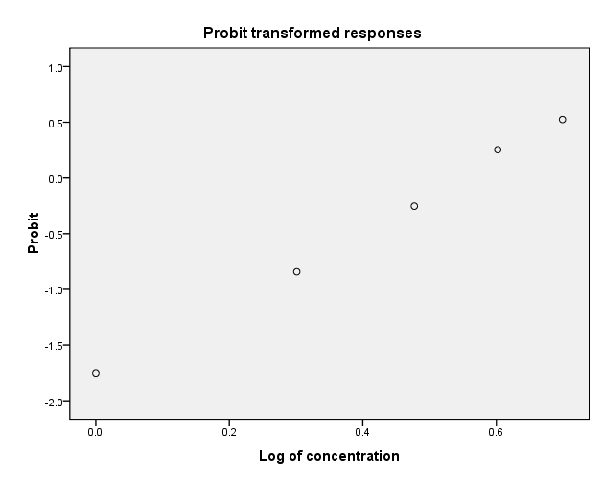

Goodness⁃of⁃fit test | y= -1.819 + 3.361x
 | x2=0.195
 | p=0.978
 | R2=0.998
LC50(24h) | 3.478
Confidence interval | 3.084-3.994

Actue toxic assay of 48 h in nenoate Daphnia magna

DBP(mg/L) | Total number | Mortality of each replicate （%） |  |  |  |  | Total mortality（%）
 |  | 1 | 2 | 3 | 4 | 5
 | 50 | 0 | 0 | 0 | 0 | 0 | 0
0(Control) | 50 | 0 | 0 | 0 | 0 | 0 | 0
0(solvent control) | 50 | 10 | 20 | 20 | 10 | 10 | 14
2.00 | 50 | 30 | 40 | 30 | 30 | 40 | 34
3.00 | 50 | 50 | 50 | 60 | 50 | 40 | 50
4.00 | 50 | 60 | 70 | 60 | 70 | 60 | 64
5.00 | 50 | 70 | 80 | 70 | 80 | 80 | 76
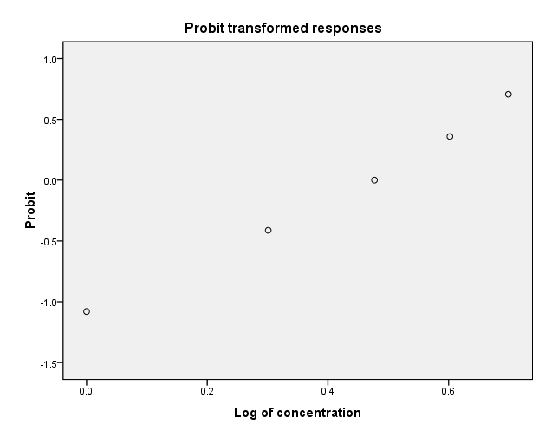

Goodness⁃of⁃fit test | y= -1.414 + 2.523x
 | x2=0.426
 | p=0.935
 | R2=0.992
LC50(48h) | 2.834
Confidence interval | 2.424-3.328

Adult acute
Actue toxic assey of 24 h in adult Daphnia magna

DBP(mg/L) | Total number | Mortality of each replicate （%） |  |  |  |  | Total mortality（%）
 |  | 1 | 2 | 3 | 4 | 5
0(Control) | 50 | 0 | 0 | 0 | 0 | 0 | 0
0(solvent control) | 50 | 0 | 0 | 0 | 0 | 0 | 0
1.00 | 50 | 10 | 0 | 0 | 0 | 0 | 2
2.00 | 50 | 10 | 10 | 10 | 10 | 10 | 10
3.00 | 50 | 20 | 30 | 30 | 20 | 20 | 24
4.00 | 50 | 40 | 40 | 30 | 40 | 30 | 36
5.00 | 50 | 50 | 60 | 50 | 60 | 50 | 54
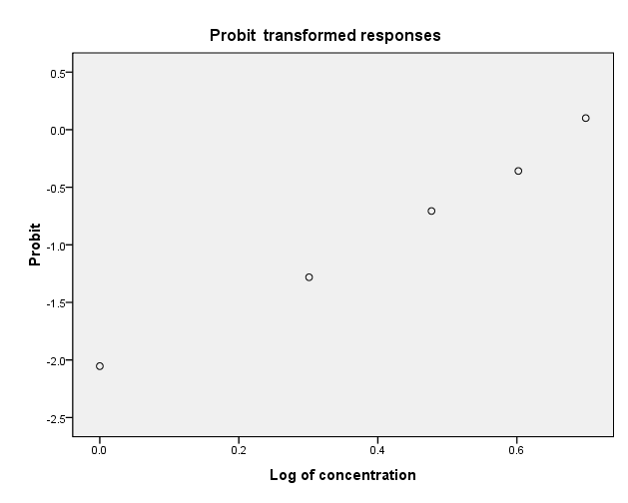

Goodness⁃of⁃fit test | y= -1.258 + 3.187x
 | x2=0.530
 | p=0.912
 | R2=0.991
LC50(24h) | 4.923
Confidence interval | 4.220-6.316

Actue toxic assey of 48 h in adult Daphnia magna

DBP(mg/L) | Total number | Mortality of each replicate （%） |  |  |  |  | Total mortality（%）
 |  | 1 | 2 | 3 | 4 | 5
0(Control) | 50 | 0 | 0 | 0 | 0 | 0 | 0
0(solvent control) | 50 | 0 | 0 | 0 | 0 | 0 | 0
1.00 | 50 | 10 | 20 | 10 | 10 | 10 | 12
2.00 | 50 | 20 | 30 | 20 | 20 | 30 | 24
3.00 | 50 | 30 | 40 | 30 | 40 | 40 | 36
4.00 | 50 | 30 | 50 | 40 | 50 | 50 | 44
5.00 | 50 | 60 | 50 | 60 | 70 | 60 | 60
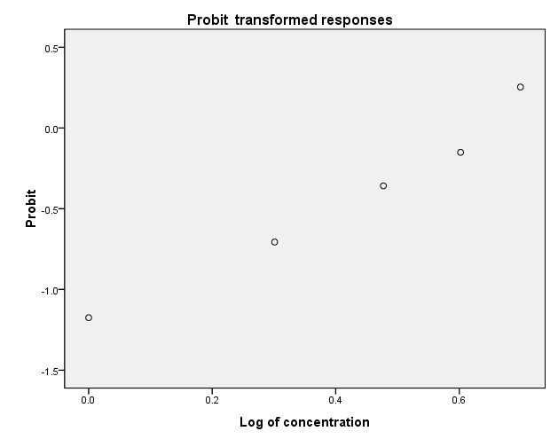

Goodness⁃of⁃fit test | y= -1.258+ 1.984x
 | x2=0.977
 | p=0.807
 | R2=0.972
LC50(48h) | 4.305
Confidence interval | 3.502-6.034

H202
Figure 1a DBP induced changes of H2O2 in neonate D. magna

DBP concentration（mg/L) | Time(h) | Replications H2O2 Data （nmol/mg） |  |  |  | Mean value | SD
Control | 0 | 4.18 | 4.73 | 5.54 | 5.21 | 4.91 | 0.59
 | 24 | 4.762 | 6.301 | 7.501 | 6.592 | 6.289 | 1.139
 | 48 | 7.381 | 8.592 | 6.518 | 6.338 | 7.207 | 1.029

0.5 | 0 | 4.18 | 4.73 | 5.54 | 5.21 | 4.91 | 0.59
 | 24 | 18.857 | 18.290 | 18.290 | 15.204 | 17.660 | 1.659
 | 48 | 15.827 | 17.584 | 18.191 | 18.240 | 17.460 | 1.129

2.0 | 0 | 4.18 | 4.73 | 5.54 | 5.21 | 4.91 | 0.59
 | 24 | 9.842 | 8.860 | 7.876 | 7.494 | 8.518 | 1.053
 | 48 | 20.381 | 20.561 | 19.533 | 18.732 | 19.802 | 0.842

Figure 1b DBP induced changes of H2O2 content in adult D. magna

DBP concentration（mg/L) | Time(h) | Replications H2O2 Data （nmol/mg） |  |  |  | Mean value | SD
Control | 0 | 6.38 | 6.54 | 6.31 | 6.97 | 6.55 | 0.29
 | 24 | 4.483 | 4.218 | 4.451 | 5.240 | 4.598 | 0.444
 | 48 | 5.777 | 5.412 | 5.081 | 5.738 | 5.502 | 0.325

0.5 | 0 | 6.38 | 6.54 | 6.31 | 6.97 | 6.55 | 0.29
 | 24 | 5.986 | 5.751 | 5.876 | 6.789 | 6.100 | 0.469
 | 48 | 7.210 | 7.101 | 8.501 | 8.007 | 7.705 | 0.667

2.0 | 0 | 6.38 | 6.54 | 6.31 | 6.97 | 6.55 | 0.29
 | 24 | 12.413 | 11.270 | 12.218 | 12.866 | 12.192 | 0.672
 | 48 | 11.542 | 11.637 | 12.114 | 11.725 | 11.755 | 0.251

MDA
Figure 2a DBP induced changes of MDA in neonate D. magna

DBP concentration（mg/L) | Time(h) | Replications MDA Data（nmol/mg） |  |  |  | Mean value | SD
Control | 0 | 7.68 | 7.58 | 7.48 | 6.37 | 7.28 | 0.61
 | 24 | 7.697 | 6.097 | 6.197 | 8.597 | 7.147 | 1.212
 | 48 | 2.069 | 3.010 | 3.259 | 2.259 | 2.649 | 0.575

0.5 | 0 | 7.68 | 7.58 | 7.48 | 6.37 | 7.28 | 0.61
 | 24 | 9.203 | 16.350 | 16.249 | 20.510 | 15.578 | 4.691
 | 48 | 5.594 | 8.175 | 14.747 | 14.955 | 10.868 | 4.720

2.0 | 0 | 7.68 | 7.58 | 7.48 | 6.37 | 7.28 | 0.61
 | 24 | 59.509 | 56.738 | 53.465 | 53.17 | 55.722 | 2.998
 | 48 | 66.705 | 60.693 | 69.124 | 69.881 | 66.601 | 4.165

Figure 2b DBP induced changes of MDA in adult D. magna

DBP concentration（mg/L) | Time(h) | Replications MDA Data（nmol/mg） |  |  |  | Mean value | SD
Control | 0 | 5.75 | 6.76 | 6.21 | 5.52 | 6.06 | 0.55
 | 24 | 3.408 | 3.815 | 4.506 | 3.418 | 3.787 | 0.515
 | 48 | 2.642 | 2.168 | 2.373 | 1.643 | 2.206 | 0.423

0.5 | 0 | 5.75 | 6.76 | 6.21 | 5.52 | 6.06 | 0.55
 | 24 | 4.931 | 5.522 | 4.980 | 4.498 | 4.983 | 0.420
 | 48 | 5.615 | 5.299 | 4.817 | 3.719 | 4.862 | 0.830

2.0 | 0 | 5.75 | 6.76 | 6.21 | 5.52 | 6.06 | 0.55
 | 24 | 9.862 | 8.345 | 7.169 | 8.428 | 8.451 | 1.102
 | 48 | 8.401 | 8.701 | 8.618 | 9.115 | 8.709 | 0.299

T-AOC
Figure 3a DBP induced changes of T-AOC in neonate D. magna

DBP concentration（mg/L) | Time(h) | Replications T-AOC Data（U/mg） |  |  |  | Mean value | SD
Control | 0 | 3.80 | 3.75 | 3.34 | 3.18 | 3.52 | 0.31
 | 24 | 3.860 | 3.575 | 3.543 | 3.607 | 3.646 | 0.145
 | 48 | 3.765 | 3.480 | 3.702 | 3.733 | 3.670 | 0.129

0.5 | 0 | 3.80 | 3.75 | 3.34 | 3.18 | 3.52 | 0.31
 | 24 | 0.096 | 0.125 | 0.112 | 0.087 | 0.105 | 0.017
 | 48 | 0.150 | 0.099 | 0.119 | 0.141 | 0.127 | 0.023

2.0 | 0 | 3.80 | 3.75 | 3.34 | 3.18 | 3.52 | 0.31
 | 24 | 0.134 | 0.125 | 0.087 | 0.099 | 0.111 | 0.022
 | 48 | 0.141 | 0.134 | 0.096 | 0.128 | 0.125 | 0.020

Figure 3b DBP induced changes of T-AOC in adult D. magna

DBP concentration（mg/L) | Time(h) | Replications T-AOC Data（U/mg） |  |  |  | Mean value | SD
Control | 0 | 0.77 | 0.88 | 0.75 | 0.75 | 0.79 | 0.06
 | 24 | 0.738 | 0.836 | 0.936 | 0.936 | 0.861 | 0.095
 | 48 | 0.788 | 0.729 | 0.951 | 0.879 | 0.837 | 0.098

0.5 | 0 | 0.77 | 0.88 | 0.75 | 0.75 | 0.79 | 0.06
 | 24 | 0.109 | 0.093 | 0.115 | 0.125 | 0.111 | 0.013
 | 48 | 0.144 | 0.141 | 0.138 | 0.131 | 0.138 | 0.005

2.0 | 0 | 0.77 | 0.88 | 0.75 | 0.75 | 0.79 | 0.06
 | 24 | 0.074 | 0.071 | 0.075 | 0.046 | 0.066 | 0.014
 | 48 | 0.061 | 0.106 | 0.134 | 0.093 | 0.099 | 0.030

SOD
Figure 4a DBP induced changes of SOD activity in neonate D. magna

DBP concentration（mg/L) | Time(h) | Replications SOD Data（U/mg） |  |  |  | Mean value | SD
Control | 0 | 9.291 | 9.655 | 9.864 | 9.673 | 9.62 | 0.24
 | 24 | 5.575 | 5.296 | 5.720 | 5.929 | 5.630 | 0.266
 | 48 | 6.997 | 6.029 | 6.065 | 5.839 | 6.233 | 0.519

0.5 | 0 | 9.291 | 9.655 | 9.864 | 9.673 | 9.62 | 0.24
 | 24 | 12.0 | 11.775 | 11.778 | 12.125 | 11.932 | 0.182
 | 48 | 4.282 | 4.017 | 4.486 | 4.412 | 4.299 | 0.206

2.0 | 0 | 9.291 | 9.655 | 9.864 | 9.673 | 9.62 | 0.24
 | 24 | 1.245 | 1.867 | 1.226 | 1.784 | 1.531 | 0.342
 | 48 | 4.593 | 3.671 | 3.394 | 4.426 | 4.021 | 0.579

Figure 4b DBP induced changes of SOD activity in adult D. magna

DBP concentration（mg/L) | Time(h) | Replications SOD Data（U/mg） |  |  |  | Mean value | SD
Control | 0 | 4.009 | 6.122 | 4.319 | 4.612 | 4.77 | 0.94
 | 24 | 8.064 | 8.895 | 7.358 | 7.955 | 8.068 | 0.633
 | 48 | 9.869 | 8.330 | 9.187 | 9.280 | 9.166 | 0.634

0.5 | 0 | 4.009 | 6.122 | 4.319 | 4.612 | 4.77 | 0.94
 | 24 | 13.247 | 13.548 | 13.221 | 13.094 | 13.278 | 0.192
 | 48 | 7.252 | 6.672 | 6.273 | 6.845 | 6.760 | 0.406

2.0 | 0 | 4.009 | 6.122 | 4.319 | 4.612 | 4.77 | 0.94
 | 24 | 3.777 | 3.494 | 3.690 | 3.834 | 3.699 | 0.149
 | 48 | 1.325 | 1.206 | 1.035 | 1.151 | 1.179 | 0.120

CAT
Figure 5a DBP induced changes of CAT activity in neonate D. magna

DBP concentration（mg/L) | Time(h) | Replications CAT Data（U/mg） |  |  |  | Mean value | SD
Control | 0 | 26.720 | 28.257 | 22.510 | 23.549 | 25.26 | 2.68
 | 24 | 34.000 | 34.277 | 35.484 | 35.235 | 34.749 | 0.721
 | 48 | 39.826 | 45.644 | 33.594 | 36.723 | 38.947 | 5.139

0.5 | 0 | 26.720 | 28.257 | 22.510 | 23.549 | 25.26 | 2.68
 | 24 | 29.000 | 26.421 | 27.522 | 25.734 | 27.169 | 1.426
 | 48 | 28.247 | 22.646 | 28.503 | 27.281 | 26.669 | 2.733

2.0 | 0 | 26.720 | 28.257 | 22.510 | 23.549 | 25.26 | 2.68
 | 24 | 24.584 | 20.908 | 21.400 | 21.081 | 21.993 | 1.739
 | 48 | 58.970 | 51.641 | 50.808 | 51.097 | 53.129 | 3.909

Figure 5b DBP induced changes of CAT activity in adult D. magna

DBP concentration（mg/L) | Time(h) | Replications CAT Data（U/mg） |  |  |  | Mean value | SD
Control | 0 | 26.751 | 33.026 | 27.301 | 32.806 | 29.97 | 3.41
 | 24 | 66.811 | 63.898 | 61.518 | 64.549 | 64.194 | 2.177
 | 48 | 61.102 | 65.128 | 66.215 | 68.655 | 65.275 | 3.149

0.5 | 0 | 26.751 | 33.026 | 27.301 | 32.806 | 29.97 | 3.41
 | 24 | 19.412 | 17.875 | 17.885 | 18.598 | 18.442 | 0.730
 | 48 | 20.653 | 12.842 | 19.816 | 18.598 | 17.977 | 3.526

2.0 | 0 | 26.751 | 33.026 | 27.301 | 32.806 | 29.97 | 3.41
 | 24 | 18.245 | 12.944 | 19.816 | 10.767 | 15.443 | 4.285
 | 48 | 1.304 | 7.304 | 6.754 | 2.668 | 4.508 | 2.973

GST
Figure 6a DBP induced changes of GST activity in neonate D. magna

DBP concentration（mg/L) | Time(h) | Replications GST Data（U/mg） |  |  |  | Mean value | SD
Control | 0 | 74.647 | 73.335 | 64.187 | 74.021 | 71.55 | 4.94
 | 24 | 98.590 | 94.864 | 90.512 | 92.336 | 94.075 | 3.499
 | 48 | 72.829 | 72.011 | 82.735 | 86.769 | 78.586 | 7.315

0.5 | 0 | 74.647 | 73.335 | 64.187 | 74.021 | 71.55 | 4.94
 | 24 | 110.206 | 120.326 | 110.419 | 121.758 | 115.677 | 6.223
 | 48 | 60.364 | 33.113 | 44.318 | 38.250 | 44.011 | 11.825

2.0 | 0 | 74.647 | 73.335 | 64.187 | 74.021 | 71.55 | 4.94
 | 24 | 8.759 | 12.431 | 31.078 | 20.940 | 18.302 | 9.929
 | 48 | 85.186 | 78.140 | 84.961 | 89.709 | 84.499 | 4.770

Figure 6b DBP induced changes of GST activity in adult D. magna

DBP concentration（mg/L) | Time(h) | Replications GST Data（U/mg） |  |  |  | Mean value | SD
Control | 0 | 97.159 | 95.953 | 95.168 | 93.810 | 95.52 | 1.41
 | 24 | 87.285 | 83.674 | 68.605 | 92.723 | 83.072 | 10.337
 | 48 | 105.244 | 103.510 | 97.723 | 84.364 | 97.710 | 9.461

0.5 | 0 | 97.159 | 95.953 | 95.168 | 93.810 | 95.52 | 1.41
 | 24 | 21.688 | 21.366 | 45.581 | 30.459 | 29.774 | 11.349
 | 48 | 25.684 | 25.323 | 28.205 | 37.380 | 29.148 | 5.636

2.0 | 0 | 97.159 | 95.953 | 95.168 | 93.810 | 95.52 | 1.41
 | 24 | 8.675 | 17.993 | 28.788 | 7.837 | 15.823 | 9.792
 | 48 | 59.150 | 30.084 | 56.208 | 58.269 | 50.928 | 13.951

