Fly Fishing
 | ECONOMIC DATA RAW FILES

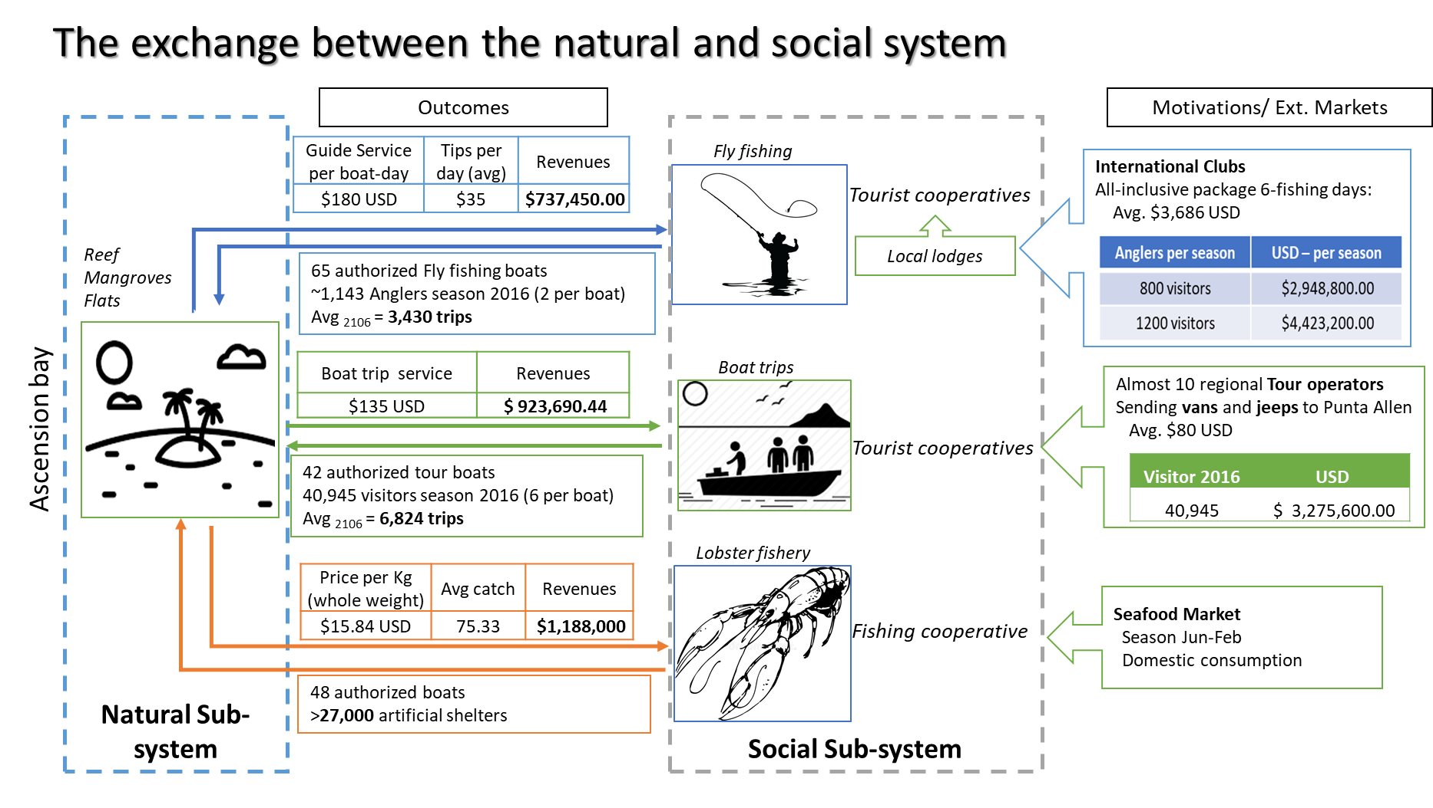
 | Trips |  |  |  |  | 2 | 1200
 | Total | Month | Fishing trips | %trips | Trips/6 days avg | Anglers/month | Average Angler
 | 350 | Ene | 350 | 0.0140 | 58.3333 | 116.6667 | 16.7930
 | 558 | Feb | 558 | 0.0563 | 93.0000 | 186.0000 | 67.5219
 | 611 | Mar | 611 | 0.0184 | 101.8333 | 203.6667 | 22.0408
 | 602 | Abr | 602 | 0.1020 | 100.3333 | 200.6667 | 122.4490
 | 398 | May | 398 | 0.1627 | 66.3333 | 132.6667 | 195.2187
 | 302 | Jun | 302 | 0.1781 | 50.3333 | 100.6667 | 213.7609
 | 200 | Jul | 200 | 0.1755 | 33.3333 | 66.6667 | 210.6122
 | 90 | Ago | 90 | 0.1160 | 15.0000 | 30.0000 | 139.2420
 | 15 | Sep | 15 | 0.0880 | 2.5000 | 5.0000 | 105.6560
 | 48 | Oct | 48 | 0.0583 | 8.0000 | 16.0000 | 69.9708
 | 193 | Nov | 193 | 0.0262 | 32.1667 | 64.3333 | 31.4869
 | 63 | Dic | 63 | 0.0044 | 10.5000 | 21.0000 | 5.2478
 | 3430 |  | 3430 |  | 571.66666667 | 1143.3333333 | 1200

 | Boat services | Price | 180 | usd

 |  |  |  | Ftrips * Prices+Tip
 | Fishing trips | Guide Service per boat | Tips (avg) | Income
 | 3430 | 180 | 35 | $737,450.00

 | Trips | 2016 |  |  | 2016 | 2014 | 2015 | 2016 | 2017
 | Lodge 1 | Lodge 2 | Lodge3 | Lodge 4 | Lodge 1 | Lodge 5 | Lodge 2 | Lodge4 | Lodge5
January | 86 | 15 | 2 | 6 | 160 |  | 36 | 34 | 11
February | 136 | 11 | 5 | 3 | 180 |  | 102 | 121
March | 126 | 46 |  | 1 | 300 |  | 69 | 69
April | 157 | 37 |  | 1 | 300 |  | 65 | 42
May | 150 | 40 |  |  | 150 |  | 38 | 20
June | 120 |  |  |  | 160 |  |  | 22
July | 40 |  |  |  | 160
August | 30 |  |  |  | 60
September | 5 |  |  |  | 0 | 10
October | 10 |  |  |  | 20 |  | 18
November | 26 |  |  | 4 | 0 |  | 101 | 62
December | 10 |  |  | 1 | 0 | 18 | 23 | 11

