human basic
Time point |  | t0 Monday |  |  |  |  |  |  |  | t1 |  |  |  |  |  |  |  | t2 |  |  |  |  |  |  |  | t3 |  |  |  |  |  |  |  | t4 |  |  |  |  |  |  |  | t5
Date
Time of cultivation [days]
Skin sample | Weight of punch [g] | Vol. Medium [mL] | Measur. Nr. | LDH activity [U/mL] | LDH activity [U/mL/gskin] | LDH activity [U/gskin] | Mean LDH activity [U/gskin] | SD [U/gskin] | RSD [%] | Vol. Medium [mL] | Measur. Nr. | LDH activity [U/mL] | LDH activity [U/mL/gskin] | LDH activity [U/gskin] | Mean LDH activity [U/gskin] | SD [U/gskin] | RSD [%] | Vol. Medium [mL] | Measur. Nr. | LDH activity [U/mL] | LDH activity [U/mL/gskin] | LDH activity [U/gskin] | Mean LDH activity [U/gskin] | SD [U/gskin] | RSD [%] | Vol. Medium [mL] | Measur. Nr. | LDH activity [U/mL] | LDH activity [U/mL/gskin] | LDH activity [U/gskin] | Mean LDH activity [U/gskin] | SD [U/gskin] | RSD [%] | Vol. Medium [mL] | Measur. Nr. | LDH activity [U/mL] | LDH activity [U/mL/gskin] | LDH activity [U/gskin] | Mean LDH activity [U/gskin] | SD [U/gskin] | RSD [%] | Vol. Medium [mL] | Measur. Nr. | LDH activity [U/mL] | LDH activity [U/mL/gskin] | LDH activity [U/gskin] | Mean LDH activity [U/gskin] | SD [U/gskin] | RSD [%]
S1 | 0.290 | 0.7 | 1 | 5.847 | 20.171 | 14.120 | 19.122 | 5.002 | 26.2 | 0.7 | 1 | 0.216 | 0.746 | 0.523 | 0.452 | 0.070 | 15.5 | 0.7 | 1 | 0.887 | 3.060 | 2.142 | 2.110 | 0.032 | 1.5 | 0.7 | 1 | 0.049 | 0.169 | 0.118 | 0.129 | 0.010 | 7.9 | 0.7 | 1 | 0.184 | 0.634 | 0.444 | 0.428 | 0.016 | 3.7 | 0.7 | 1 | 0.869 | 2.998 | 2.098 | 2.119 | 0.021 | 1.0
 |  |  | 2 | 9.991 | 34.464 | 24.125 |  |  |  |  | 2 | 0.158 | 0.546 | 0.382 |  |  |  |  | 2 | 0.861 | 2.970 | 2.079 |  |  |  |  | 2 | 0.057 | 0.198 | 0.139 |  |  |  |  | 2 | 0.171 | 0.588 | 0.412 |  |  |  |  | 2 | 0.886 | 3.058 | 2.141
S2 | 0.329 |  | 1 | 5.164 | 15.684 | 10.979 | 10.979 | 0.000 | 0.0 |  | 1 | 0.646 | 1.960 | 1.372 | 1.372 | 0.000 | 0.0 |  | 1 | 0.804 | 2.441 | 1.709 | 1.688 | 0.021 | 1.2 |  | 1 | 0.028 | 0.085 | 0.059 | 0.065 | 0.006 | 9.3 |  | 1 | 1.158 | 3.516 | 2.461 | 2.296 | 0.166 | 7.2 |  | 1 | 1.690 | 5.134 | 3.594 | 3.715 | 0.122 | 3.3
 |  |  | 2 |  | 0.000 | 0.000 |  |  |  |  | 2 |  | 0.000 | 0.000 |  |  |  |  | 2 | 0.784 | 2.381 | 1.667 |  |  |  |  | 2 | 0.034 | 0.102 | 0.071 |  |  |  |  | 2 | 1.002 | 3.043 | 2.130 |  |  |  |  | 2 | 1.805 | 5.481 | 3.837
S3 | 0.283 |  | 1 | 7.883 | 27.833 | 19.483 | 17.237 | 2.246 | 13.0 |  | 1 | 0.246 | 0.870 | 0.609 | 0.539 | 0.070 | 13.0 |  | 1 | 1.289 | 4.550 | 3.185 | 3.073 | 0.111 | 3.6 |  | 1 | 0.040 | 0.142 | 0.099 | 0.100 | 0.000 | 0.3 |  | 1 | 0.977 | 3.448 | 2.414 | 2.423 | 0.009 | 0.4 |  | 1 | 1.167 | 4.122 | 2.885 | 2.842 | 0.043 | 1.5
 |  |  | 2 | 6.066 | 21.416 | 14.991 |  |  |  |  | 2 | 0.190 | 0.669 | 0.468 |  |  |  |  | 2 | 1.198 | 4.231 | 2.962 |  |  |  |  | 2 | 0.040 | 0.143 | 0.100 |  |  |  |  | 2 | 0.984 | 3.474 | 2.432 |  |  |  |  | 2 | 1.133 | 3.999 | 2.799
S4 | 0.334 |  | 1 | 0.05 | 0.153 | 0.107 | 0.096 | 0.011 | 11.75 |  | 1 | 0.05 | 0.153 | 0.107 | 0.096 | 0.011 | 11.75 |  | 1 |  | 0.0 | 0.0 | 0.0 | 0.0 | #DIV/0! |  | 1 |  | 0.0 | 0.0 | 0.0 | 0.0 | #DIV/0! |  | 1 | 0.046 | 0.138 | 0.096 | 0.096 | 0.001 | 0.75 |  | 1 | 0.085 | 0.254 | 0.178 | 0.176 | 0.003 | 1.4
 |  |  | 2 | 0.04 | 0.121 | 0.084 |  |  |  |  | 2 | 0.04 | 0.121 | 0.084 |  |  |  |  | 2 |  | 0.0 | 0.0 |  |  |  |  | 2 |  | 0.0 | 0.0 |  |  |  |  | 2 | 0.045 | 0.135 | 0.095 |  |  |  |  | 2 | 0.083 | 0.247 | 0.173
Sum LDH activity [U/g skin] |  | 47.3 |  |  |  |  |  |  |  | 2.4 |  |  |  |  |  |  |  | 6.9 |  |  |  |  |  |  |  | 0.3 |  |  |  |  |  |  |  | 5.1 |  |  |  |  |  |  |  | 8.7
Mean LDH activity [U/gskin] |  | 15.8 |  |  |  |  |  |  |  | 0.8 |  |  |  |  |  |  |  | 2.3 |  |  |  |  |  |  |  | 0.1 |  |  |  |  |  |  |  | 1.7 |  |  |  |  |  |  |  | 2.9
SD [U/g skin] |  | 3.5 |  |  |  |  |  |  |  | 0.4 |  |  |  |  |  |  |  | 0.6 |  |  |  |  |  |  |  | 0.0 |  |  |  |  |  |  |  | 0.9 |  |  |  |  |  |  |  | 0.7
RSD [%] |  | 22.1 |  |  |  |  |  |  |  | 52.7 |  |  |  |  |  |  |  | 25.3 |  |  |  |  |  |  |  | 26.4 |  |  |  |  |  |  |  | 53.2 |  |  |  |  |  |  |  | 22.6

 |  | t6 |  |  |  |  |  |  |  | t7 |  |  |  |  |  |  |  | t8 |  |  |  |  |  |  |  | t9 |  |  |  |  |  |  |  | t10 |  |  |  |  |  |  |  | t11 |  |  |  |  |  |  |  | t12 |  |  |  |  |  |  |  | t13 |  |  |  |  |  |  |  | t14

 |  | Vol. Medium [mL] | Measur. Nr. | LDH activity [U/mL] | LDH activity [U/mL/gskin] | LDH activity [U/gskin] | Mean LDH activity [U/gskin] | SD [U/gskin] | RSD [%] | Vol. Medium [mL] | Measur. Nr. | LDH activity [U/mL] | LDH activity [U/mL/gskin] | LDH activity [U/gskin] | Mean LDH activity [U/gskin] | SD [U/gskin] | RSD [%] | Vol. Medium [mL] | Measur. Nr. | LDH activity [U/mL] | LDH activity [U/mL/gskin] | LDH activity [U/gskin] | Mean LDH activity [U/gskin] | SD [U/gskin] | RSD [%] | Vol. Medium [mL] | Measur. Nr. | LDH activity [U/mL] | LDH activity [U/mL/gskin] | LDH activity [U/gskin] | Mean LDH activity [U/gskin] | SD [U/gskin] | RSD [%] | Vol. Medium [mL] | Measur. Nr. | LDH activity [U/mL] | LDH activity [U/mL/gskin] | LDH activity [U/gskin] | Mean LDH activity [U/gskin] | SD [U/gskin] | RSD [%] | Vol. Medium [mL] | Measur. Nr. | LDH activity [U/mL] | LDH activity [U/mL/gskin] | LDH activity [U/gskin] | Mean LDH activity [U/gskin] | SD [U/gskin] | RSD [%] | Vol. Medium [mL] | Measur. Nr. | LDH activity [U/mL] | LDH activity [U/mL/gskin] | LDH activity [U/gskin] | Mean LDH activity [U/gskin] | SD [U/gskin] | RSD [%] | Vol. Medium [mL] | Measur. Nr. | LDH activity [U/mL] | LDH activity [U/mL/gskin] | LDH activity [U/gskin] | Mean LDH activity [U/gskin] | SD [U/gskin] | RSD [%] | Vol. Medium [mL] | Measur. Nr. | LDH activity [U/mL] | LDH activity [U/mL/gskin] | LDH activity [U/gskin] | Mean LDH activity [U/gskin] | SD [U/gskin] | RSD [%]
 |  | 0.7 | 1 | 0.824 | 2.843 | 1.990 | 1.630 | 0.360 | 22.1 | 0.7 | 1 | 0.189 | 0.653 | 0.457 | 0.467 | 0.010 | 2.2 | 0.7 | 1 | 0.072 | 0.248 | 0.174 | 0.169 | 0.005 | 2.7 | 0.7 | 1 | 0.038 | 0.133 | 0.093 | 0.091 | 0.001 | 1.5 | 0.7 | 1 | 0.033 | 0.114 | 0.080 | 0.079 | 0.000 | 0.4 | 0.7 | 1 | 0.055 | 0.188 | 0.132 | 0.138 | 0.007 | 4.8 | 0.7 | 1 | 0.057 | 0.196 | 0.137 | 0.139 | 0.002 | 1.590 | 0.7 | 1 | 0.048 | 0.166 | 0.116 | 0.112 | 0.005 | 4.182 | 0.7 | 1 | 0.029 | 0.101 | 0.071 | 0.068 | 0.003 | 4.3
 |  |  | 2 | 0.526 | 1.814 | 1.270 |  |  |  |  | 2 | 0.198 | 0.682 | 0.478 |  |  |  |  | 2 | 0.068 | 0.235 | 0.165 |  |  |  |  | 2 | 0.037 | 0.129 | 0.090 |  |  |  |  | 2 | 0.033 | 0.113 | 0.079 |  |  |  |  | 2 | 0.060 | 0.207 | 0.145 |  |  |  |  | 2 | 0.059 | 0.202 | 0.141 |  |  |  |  | 2 | 0.044 | 0.153 | 0.107 |  |  |  |  | 2 | 0.027 | 0.092 | 0.065
 |  |  | 1 | 0.690 | 2.095 | 1.466 | 1.503 | 0.037 | 2.5 |  | 1 | 0.292 | 0.886 | 0.620 | 0.610 | 0.010 | 1.6 |  | 1 | 0.071 | 0.216 | 0.151 | 0.156 | 0.005 | 2.9 |  | 1 | 0.052 | 0.159 | 0.111 | 0.110 | 0.001 | 0.7 |  | 1 | 0.049 | 0.148 | 0.103 | 0.103 | 0.000 | 0.4 |  | 1 | 0.069 | 0.210 | 0.147 | 0.144 | 0.003 | 1.9 |  | 1 | 0.057 | 0.172 | 0.120 | 0.120 | 0.000 | 0.126 |  | 1 | 0.035 | 0.105 | 0.074 | 0.079 | 0.005 | 6.466 |  | 1 | 0.035 | 0.106 | 0.074 | 0.078 | 0.003 | 4.5
 |  |  | 2 | 0.725 | 2.201 | 1.540 |  |  |  |  | 2 | 0.283 | 0.858 | 0.601 |  |  |  |  | 2 | 0.075 | 0.229 | 0.160 |  |  |  |  | 2 | 0.051 | 0.156 | 0.109 |  |  |  |  | 2 | 0.048 | 0.147 | 0.103 |  |  |  |  | 2 | 0.066 | 0.202 | 0.141 |  |  |  |  | 2 | 0.057 | 0.172 | 0.121 |  |  |  |  | 2 | 0.039 | 0.120 | 0.084 |  |  |  |  | 2 | 0.038 | 0.116 | 0.081
 |  |  | 1 | 0.453 | 1.598 | 1.119 | 1.113 | 0.006 | 0.6 |  | 1 | 0.073 | 0.259 | 0.182 | 0.212 | 0.030 | 14.3 |  | 1 | 0.042 | 0.147 | 0.103 | 0.088 | 0.015 | 17.6 |  | 1 | 0.018 | 0.062 | 0.044 | 0.055 | 0.012 | 20.9 |  | 1 | 0.044 | 0.155 | 0.109 | 0.111 | 0.003 | 2.6 |  | 1 | 0.065 | 0.228 | 0.160 | 0.153 | 0.007 | 4.5 |  | 1 | 0.052 | 0.184 | 0.129 | 0.134 | 0.005 | 3.469 |  | 1 | 0.047 | 0.166 | 0.116 | 0.114 | 0.002 | 1.328 |  | 1 | 0.039 | 0.139 | 0.097 | 0.101 | 0.003 | 3.2
 |  |  | 2 | 0.448 | 1.580 | 1.106 |  |  |  |  | 2 | 0.098 | 0.346 | 0.242 |  |  |  |  | 2 | 0.029 | 0.103 | 0.072 |  |  |  |  | 2 | 0.027 | 0.095 | 0.067 |  |  |  |  | 2 | 0.046 | 0.163 | 0.114 |  |  |  |  | 2 | 0.059 | 0.209 | 0.146 |  |  |  |  | 2 | 0.056 | 0.197 | 0.138 |  |  |  |  | 2 | 0.046 | 0.161 | 0.113 |  |  |  |  | 2 | 0.042 | 0.148 | 0.104
 |  |  | 1 | 0.072 | 0.215 | 0.150 | 0.148 | 0.002 | 1.32 |  | 1 | 0.026 | 0.077 | 0.054 | 0.056 | 0.002 | 3.14 |  | 1 | 0.019 | 0.056 | 0.039 | 0.038 | 0.001 | 2.54 |  | 1 | 0.042 | 0.125 | 0.087 | 0.086 | 0.001 | 0.95 |  | 1 | 0.037 | 0.110 | 0.077 | 0.078 | 0.001 | 1.21 |  | 1 | 0.039 | 0.117 | 0.082 | 0.083 | 0.000 | 0.5 |  | 1 | 0.036 | 0.109 | 0.076 | 0.075 | 0.001 | 1.488 |  | 1 | 0.039 | 0.116 | 0.081 | 0.081 | 0.000 | 0.109 |  | 1 | 0.036 | 0.108 | 0.076 | 0.080 | 0.004 | 5.2
 |  |  | 2 | 0.070 | 0.209 | 0.146 |  |  |  |  | 2 | 0.027 | 0.082 | 0.058 |  |  |  |  | 2 | 0.018 | 0.054 | 0.038 |  |  |  |  | 2 | 0.041 | 0.122 | 0.086 |  |  |  |  | 2 | 0.038 | 0.113 | 0.079 |  |  |  |  | 2 | 0.040 | 0.119 | 0.083 |  |  |  |  | 2 | 0.035 | 0.105 | 0.074 |  |  |  |  | 2 | 0.039 | 0.116 | 0.082 |  |  |  |  | 2 | 0.040 | 0.120 | 0.084
Sum LDH activity [U/g skin] |  | 4.2 |  |  |  |  |  |  |  | 1.3 |  |  |  |  |  |  |  | 0.4 |  |  |  |  |  |  |  | 0.3 |  |  |  |  |  |  |  | 0.3 |  |  |  |  |  |  |  | 0.4 |  |  |  |  |  |  |  | 0.4 |  |  |  |  |  |  |  | 0.3 |  |  |  |  |  |  |  | 0.2
Mean LDH activity [U/gskin] |  | 1.4 |  |  |  |  |  |  |  | 0.4 |  |  |  |  |  |  |  | 0.1 |  |  |  |  |  |  |  | 0.1 |  |  |  |  |  |  |  | 0.1 |  |  |  |  |  |  |  | 0.1 |  |  |  |  |  |  |  | 0.1 |  |  |  |  |  |  |  | 0.1 |  |  |  |  |  |  |  | 0.1
SD [U/g skin] |  | 0.2 |  |  |  |  |  |  |  | 0.2 |  |  |  |  |  |  |  | 0.0 |  |  |  |  |  |  |  | 0.0 |  |  |  |  |  |  |  | 0.0 |  |  |  |  |  |  |  | 0.0 |  |  |  |  |  |  |  | 0.0 |  |  |  |  |  |  |  | 0.0 |  |  |  |  |  |  |  | 0.0
RSD [%] |  | 15.6 |  |  |  |  |  |  |  | 38.3 |  |  |  |  |  |  |  | 25.9 |  |  |  |  |  |  |  | 26.7 |  |  |  |  |  |  |  | 13.9 |  |  |  |  |  |  |  | 4.1 |  |  |  |  |  |  |  | 6.0 |  |  |  |  |  |  |  | 16.0 |  |  |  |  |  |  |  | 16.8

 |  | empty field=value out of linear range |  |  |  |  |  |  |  |  |  |  |  |  |  | days | 0 | 1 | 2 | 3 | 4 | 5 | 6 | 7 | 8 | 9 | 10 | 11 | 12 | 13 | 14
 |  |  |  |  |  |  |  |  |  |  |  |  |  |  | LDH [U/gskin] | S1 | 19.1 | 0.5 | 2.1 | 0.1 | 0.4 | 2.1 | 1.6 | 0.5 | 0.2 | 0.1 | 0.1 | 0.0067031110209 | 0.0022130052128 | 0.11179227225 | 0.067624320238
 |  |  |  |  |  |  |  |  |  |  |  |  |  |  |  | S2 | 11.0 | 1.4 | 1.7 | 0.1 | 2.3 | 0.0 | 1.5 | 0.6 | 0.2 | 0.1 | 0.0 | 0.0027212542499 | 0.00015239773575 | 0.078664074875 | 0.077839536091
 |  |  |  |  |  |  |  |  |  |  |  |  |  |  |  | S3 | 17.2 | 0.5 | 3.1 | 0.1 | 2.4 | 3.7 | 1.1 | 0.2 | 0.1 | 0.1 | 0.1 | 0.0068486284046 | 0.0046331901343 | 0.11440361932 | 0.10064862612
 |  |  |  |  |  |  |  |  |  |  |  |  |  |  |  | S4 | 0.1 | 0.1 | 0.0 | 0.0 | 0.1 | 0.0 | 0.1 | 0.1 | 0.0 | 0.1 | 0.0 | 0.00037911918196 | 0.0011136023327 | 0.08141828749 | 0.079884361282
 |  |  |  |  |  |  |  |  |  |  |  |  |  |  |  | mean | 15.8 | 0.8 | 2.3 | 0.1 | 1.7 | 2.8 | 1.4 | 0.4 | 0.1 | 0.1 | 0.1 | 0.14513009048 | 0.13107230911 | 0.10161998882 | 0.082037494151
 |  |  |  |  |  |  |  |  |  |  |  |  |  |  |  | SD | 3.5 | 0.4 | 0.6 | 0.0 | 0.9 | 0.0 | 0.2 | 0.2 | 0.0 | 0.0 | 0.0 | 0.0059405707049 | 0.0078195155896 | 0.016267252833 | 0.013805031297
 |  |  |  |  |  |  |  |  |  |  |  |  |  |  |  | sum | 47.338105132 | 2.3632909563 | 6.8712203525 | 0.29331426003 | 5.1463131031 | 8.6768035121 | 4.2458972087 | 1.2897530613 | 0.41272184418 | 0.25679587432 | 0.293837191 | 0.43539027145 | 0.39321692734 | 0.30485996645 | 0.24611248245

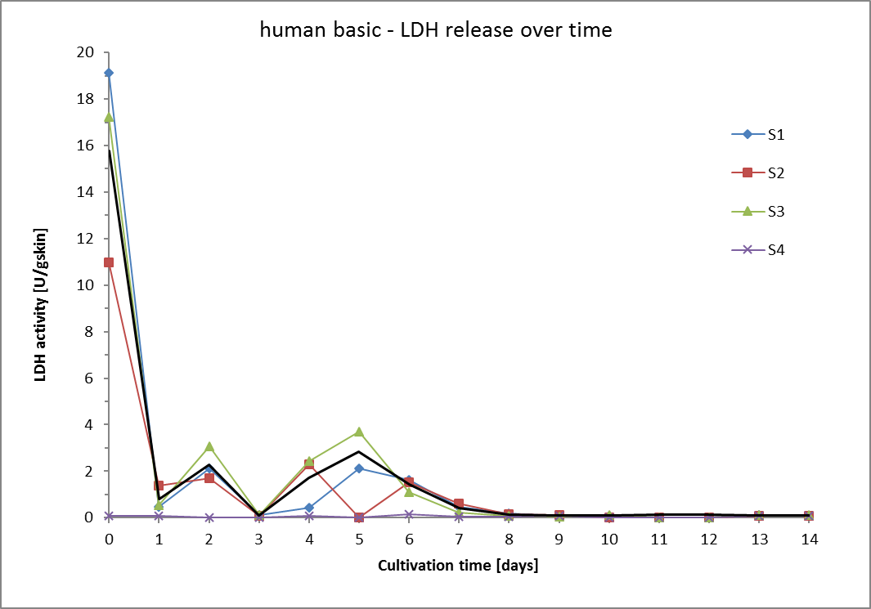

 |  | summe means | 0 | 1 | 2 | 3 | 4 | 5 | 6 | 7
 |  |  | 47.338105132 | 2.3632909563 | 6.8712203525 | 0.29331426003 | 5.1463131031 | 8.6768035121 | 4.2458972087 | 1.2897530613

 |  |  |  | 8 | 9 | 10 | 11 | 12 | 13 | 14
 |  |  |  | 0.41272184418 | 0.25679587432 | 0.293837191 | 0.43539027145 | 0.39321692734 | 0.30485996645 | 0.24611248245

 |  | Summe insg. | 78.568

human S1
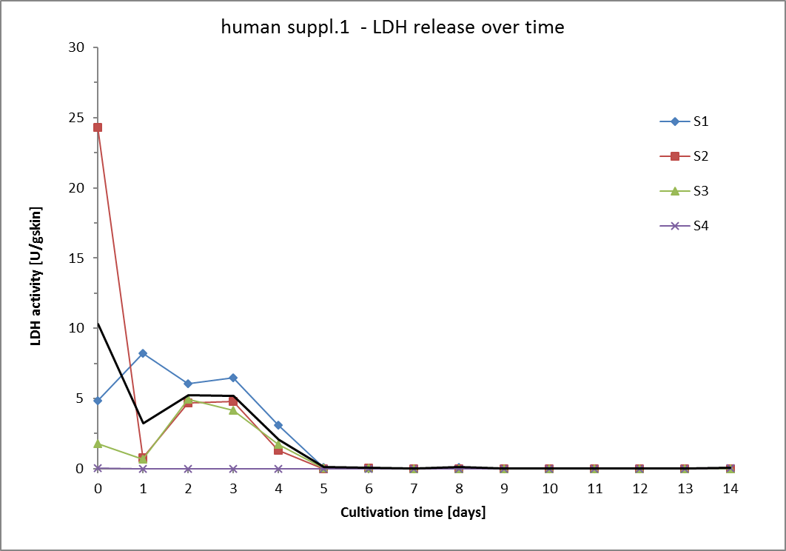
Time point |  | t0 Monday |  |  |  |  |  |  |  | t1 |  |  |  |  |  |  |  | t2 |  |  |  |  |  |  |  | t3 |  |  |  |  |  |  |  | t4 |  |  |  |  |  |  |  | t5
Date
Time of cultivation [days] |  | 0 |  |  |  |  |  |  |  | 1 |  |  |  |  |  |  |  | 2 |  |  |  |  |  |  |  | 3 |  |  |  |  |  |  |  | 4 |  |  |  |  |  |  |  | 7
Skin sample | Weight of punch [g] | Vol. Medium [mL] | Measur. Nr. | LDH activity [U/mL] | LDH activity [U/mL/gskin] | LDH activity [U/gskin] | Mean LDH activity [U/gskin] | SD [U/gskin] | RSD [%] | Vol. Medium [mL] | Measur. Nr. | LDH activity [U/mL] | LDH activity [U/mL/gskin] | LDH activity [U/gskin] | Mean LDH activity [U/gskin] | SD [U/gskin] | RSD [%] | Vol. Medium [mL] | Measur. Nr. | LDH activity [U/mL] | LDH activity [U/mL/gskin] | LDH activity [U/gskin] | Mean LDH activity [U/gskin] | SD [U/gskin] | RSD [%] | Vol. Medium [mL] | Measur. Nr. | LDH activity [U/mL] | LDH activity [U/mL/gskin] | LDH activity [U/gskin] | Mean LDH activity [U/gskin] | SD [U/gskin] | RSD [%] | Vol. Medium [mL] | Measur. Nr. | LDH activity [U/mL] | LDH activity [U/mL/gskin] | LDH activity [U/gskin] | Mean LDH activity [U/gskin] | SD [U/gskin] | RSD [%] | Vol. Medium [mL] | Measur. Nr. | LDH activity [U/mL] | LDH activity [U/mL/gskin] | LDH activity [U/gskin] | Mean LDH activity [U/gskin] | SD [U/gskin] | RSD [%]
S1 | 0.321 | 0.7 | 1 | 0.831 | 2.8 | 2.0 | 4.8 | 2.9 | 59.0 | 0.7 | 1 | 3.7 | 12.5 | 8.8 | 8.2 | 1 | 7.1 | 0.7 | 1 | 2.5 | 8.7 | 6.1 | 6.0 | 0.0 | 0.7 | 0.7 | 1 | 2.6 | 8.9 | 6.2 | 6.5 | 0.3 | 4.4 | 0.7 | 1 | 1.7 | 5.9 | 4.1 | 3.1 | 1.0 | 31.4 | 0.7 | 1 | 0.031 | 0.1 | 0.1 | 0.1 | 0.0 | 1.6
 |  |  | 2 | 3.221 | 11.0 | 7.7 |  |  |  |  | 2 | 3.2 | 10.9 | 7.6 |  |  |  |  | 2 | 2.5 | 8.6 | 6.0 |  |  |  |  | 2 | 2.8 | 9.7 | 6.8 |  |  |  |  | 2 | 0.9 | 3.1 | 2.1 |  |  |  |  | 2 | 0.030 | 0.1 | 0.1
S2 | 0.297 |  | 1 | 10.863 | 34.6 | 24.2 | 24.3 | 0.1 | 0.3 |  | 1 | 0.4 | 1.2 | 0.9 | 0.8 | 0.1 | 6.3 |  | 1 | 1.9 | 6.0 | 4.2 | 4.7 | 0.5 | 10.0 |  | 1 | 2.2 | 6.9 | 4.8 | 4.8 | 0.0 | 0.2 |  | 1 | 0.6 | 1.9 | 1.3 | 1.3 | 0.0 | 0.7 |  | 1 | 0.023 | 0.1 | 0.1 | 0.1 | 0.0 | 2.9
 |  |  | 2 | 10.936 | 34.8 | 24.4 |  |  |  |  | 2 | 0.3 | 1.1 | 0.8 |  |  |  |  | 2 | 2.3 | 7.4 | 5.2 |  |  |  |  | 2 | 2.2 | 6.9 | 4.8 |  |  |  |  | 2 | 0.6 | 1.9 | 1.3 |  |  |  |  | 2 | 0.025 | 0.1 | 0.1
S3 | 0.302 |  | 1 | 0.760 | 2.7 | 1.9 | 1.8 | 0.1 | 6.1 |  | 1 | 0.3 | 1.0 | 0.7 | 0.7 | 0.0 | 2.2 |  | 1 | 1.6 | 5.7 | 4.0 | 5.0 | 1.0 | 19.5 |  | 1 | 1.9 | 6.6 | 4.6 | 4.2 | 0.5 | 11.6 |  | 1 | 0.6 | 2.3 | 1.6 | 1.7 | 0.1 | 7.2 |  | 1 | 0.042 | 0.1 | 0.1 | 0.1 | 0.0 | 0.3
 |  |  | 2 | 0.672 | 2.4 | 1.7 |  |  |  |  | 2 | 0.3 | 0.9 | 0.6 |  |  |  |  | 2 | 2.4 | 8.5 | 5.9 |  |  |  |  | 2 | 1.5 | 5.3 | 3.7 |  |  |  |  | 2 | 0.7 | 2.6 | 1.8 |  |  |  |  | 2 | 0.042 | 0.1 | 0.1
S4 | 0.328 |  | 1 | 0.035 | 0.1 | 0.1 | 0.1 | 0.0 | 22.5 |  | 1 |  | 0.0 | 0.0 | 0.0 | 0.0 | #DIV/0! |  | 1 |  | 0.0 | 0.0 | 0.0 | 0.0 | #DIV/0! |  | 1 |  | 0.0 | 0.0 | 0.0 | 0.0 | #DIV/0! |  | 1 |  | 0.0 | 0.0 | 0.0 | 0.0 | #DIV/0! |  | 1 |  | 0.0 | 0.0 | 0.0 | 0.0 | #DIV/0!
 |  |  | 2 | 0.022 | 0.1 | 0.0 |  |  |  |  | 2 |  | 0.0 | 0.0 |  |  |  |  | 2 |  | 0.0 | 0.0 |  |  |  |  | 2 |  | 0.0 | 0.0 |  |  |  |  | 2 |  | 0.0 | 0.0 |  |  |  |  | 2 |  | 0.0 | 0.0
Sum LDH activity [U/g skin] |  | 30.9 |  |  |  |  |  |  |  | 9.7 |  |  |  |  |  |  |  | 15.7 |  |  |  |  |  |  |  | 15.5 |  |  |  |  |  |  |  | 6.2 |  |  |  |  |  |  |  | 0.2
Mean LDH activity [U/gskin] |  | 10.3 |  |  |  |  |  |  |  | 3.2 |  |  |  |  |  |  |  | 5.2 |  |  |  |  |  |  |  | 5.2 |  |  |  |  |  |  |  | 2.1 |  |  |  |  |  |  |  | 0.1
SD [U/g skin] |  | 10.0 |  |  |  |  |  |  |  | 3.5 |  |  |  |  |  |  |  | 0.6 |  |  |  |  |  |  |  | 1.0 |  |  |  |  |  |  |  | 0.8 |  |  |  |  |  |  |  | 0.0
RSD [%] |  | 96.8 |  |  |  |  |  |  |  | 109.2 |  |  |  |  |  |  |  | 11.1 |  |  |  |  |  |  |  | 19.1 |  |  |  |  |  |  |  | 37.4 |  |  |  |  |  |  |  | 26.8

 |  | t6 |  |  |  |  |  |  |  | t7 |  |  |  |  |  |  |  | t8 |  |  |  |  |  |  |  | t9 |  |  |  |  |  |  |  | t10 |  |  |  |  |  |  |  | t11 |  |  |  |  |  |  |  | t12 |  |  |  |  |  |  |  | t13 |  |  |  |  |  |  |  | t14

 |  | 8 |  |  |  |  |  |  |  | 9 |  |  |  |  |  |  |  | 10 |  |  |  |  |  |  |  | 11 |  |  |  |  |  |  |  | 14
 |  | Vol. Medium [mL] | Measur. Nr. | LDH activity [U/mL] | LDH activity [U/mL/gskin] | LDH activity [U/gskin] | Mean LDH activity [U/gskin] | SD [U/gskin] | RSD [%] | Vol. Medium [mL] | Measur. Nr. | LDH activity [U/mL] | LDH activity [U/mL/gskin] | LDH activity [U/gskin] | Mean LDH activity [U/gskin] | SD [U/gskin] | RSD [%] | Vol. Medium [mL] | Measur. Nr. | LDH activity [U/mL] | LDH activity [U/mL/gskin] | LDH activity [U/gskin] | Mean LDH activity [U/gskin] | SD [U/gskin] | RSD [%] | Vol. Medium [mL] | Measur. Nr. | LDH activity [U/mL] | LDH activity [U/mL/gskin] | LDH activity [U/gskin] | Mean LDH activity [U/gskin] | SD [U/gskin] | RSD [%] | Vol. Medium [mL] | Measur. Nr. | LDH activity [U/mL] | LDH activity [U/mL/gskin] | LDH activity [U/gskin] | Mean LDH activity [U/gskin] | SD [U/gskin] | RSD [%] | Vol. Medium [mL] | Measur. Nr. | LDH activity [U/mL] | LDH activity [U/mL/gskin] | LDH activity [U/gskin] | Mean LDH activity [U/gskin] | SD [U/gskin] | RSD [%] | Vol. Medium [mL] | Measur. Nr. | LDH activity [U/mL] | LDH activity [U/mL/gskin] | LDH activity [U/gskin] | Mean LDH activity [U/gskin] | SD [U/gskin] | RSD [%] | Vol. Medium [mL] | Measur. Nr. | LDH activity [U/mL] | LDH activity [U/mL/gskin] | LDH activity [U/gskin] | Mean LDH activity [U/gskin] | SD [U/gskin] | RSD [%] | Vol. Medium [mL] | Measur. Nr. | LDH activity [U/mL] | LDH activity [U/mL/gskin] | LDH activity [U/gskin] | Mean LDH activity [U/gskin] | SD [U/gskin] | RSD [%]
 |  | 0.7 | 1 | 0.0 | 0.1 | 0.1 | 0.1 | 0.0 | 0.4 | 0.7 | 1 |  | 0.0 | 0.0 | 0.0 | 0.0 | #DIV/0! | 0.7 | 1 | 0.049 | 0.2 | 0.1 | 0.1 | 0.0 | 0.0 | 0.7 | 1 |  | 0.0 | 0.0 | 0.0 | 0.0 | #DIV/0! | 0.7 | 1 |  | 0.0 | 0.0 | 0.0 | 0.0 | #DIV/0! | 0.7 | 1 |  | 0.0 | 0.0 | 0.0 | 0.0 | #DIV/0! | 0.7 | 1 |  | 0.0 | 0.0 | 0.0 | 0.0 | #DIV/0! | 0.7 | 1 |  | 0.0 | 0.0 | 0.0 | 0.0 | #DIV/0! | 0.7 | 1 |  | 0.0 | 0.0 | 0.0 | 0.0 | #DIV/0!
 |  |  | 2 | 0.0 | 0.1 | 0.1 |  |  |  |  | 2 |  | 0.0 | 0.0 |  |  |  |  | 2 |  | 0.0 | 0.0 |  |  |  |  | 2 |  | 0.0 | 0.0 |  |  |  |  | 2 |  | 0.0 | 0.0 |  |  |  |  | 2 |  | 0.0 | 0.0 |  |  |  |  | 2 |  | 0.0 | 0.0 |  |  |  |  | 2 |  | 0.0 | 0.0 |  |  |  |  | 2 |  | 0.0 | 0.0
 |  |  | 1 | 0.0 | 0.1 | 0.1 | 0.1 | 0.0 | 2.3 |  | 1 |  | 0.0 | 0.0 | 0.0 | 0.0 | #DIV/0! |  | 1 |  | 0.0 | 0.0 | 0.0 | 0.0 | #DIV/0! |  | 1 |  | 0.0 | 0.0 | 0.0 | 0.0 | #DIV/0! |  | 1 |  | 0.0 | 0.0 | 0.0 | 0.0 | #DIV/0! |  | 1 |  | 0.0 | 0.0 | 0.0 | 0.0 | #DIV/0! |  | 1 |  | 0.0 | 0.0 | 0.0 | 0.0 | #DIV/0! |  | 1 |  | 0.0 | 0.0 | 0.0 | 0.0 | #DIV/0! |  | 1 |  | 0.0 | 0.0 | 0.0 | 0.0 | #DIV/0!
 |  |  | 2 | 0.0 | 0.1 | 0.1 |  |  |  |  | 2 |  | 0.0 | 0.0 |  |  |  |  | 2 |  | 0.0 | 0.0 |  |  |  |  | 2 |  | 0.0 | 0.0 |  |  |  |  | 2 |  | 0.0 | 0.0 |  |  |  |  | 2 |  | 0.0 | 0.0 |  |  |  |  | 2 |  | 0.0 | 0.0 |  |  |  |  | 2 |  | 0.0 | 0.0 |  |  |  |  | 2 |  | 0.0 | 0.0
 |  |  | 1 | 0.0 | 0.1 | 0.1 | 0.1 | 0.0 | 3.0 |  | 1 |  | 0.0 | 0.0 | 0.0 | 0.0 | #DIV/0! |  | 1 |  | 0.0 | 0.0 | 0.0 | 0.0 | #DIV/0! |  | 1 |  | 0.0 | 0.0 | 0.0 | 0.0 | #DIV/0! |  | 1 |  | 0.0 | 0.0 | 0.0 | 0.0 | #DIV/0! |  | 1 |  | 0.0 | 0.0 | 0.0 | 0.0 | #DIV/0! |  | 1 |  | 0.0 | 0.0 | 0.0 | 0.0 | #DIV/0! |  | 1 |  | 0.0 | 0.0 | 0.0 | 0.0 | #DIV/0! |  | 1 |  | 0.0 | 0.0 | 0.0 | 0.0 | #DIV/0!
 |  |  | 2 | 0.0 | 0.1 | 0.1 |  |  |  |  | 2 |  | 0.0 | 0.0 |  |  |  |  | 2 |  | 0.0 | 0.0 |  |  |  |  | 2 |  | 0.0 | 0.0 |  |  |  |  | 2 |  | 0.0 | 0.0 |  |  |  |  | 2 |  | 0.0 | 0.0 |  |  |  |  | 2 |  | 0.0 | 0.0 |  |  |  |  | 2 |  | 0.0 | 0.0 |  |  |  |  | 2 |  | 0.0 | 0.0
 |  |  | 1 |  | 0.0 | 0.0 | 0.0 | 0.0 | #DIV/0! |  | 1 |  | 0.0 | 0.0 | 0.0 | 0.0 | #DIV/0! |  | 1 |  | 0.0 | 0.0 | 0.0 | 0.0 | #DIV/0! |  | 1 |  | 0.0 | 0.0 | 0.0 | 0.0 | #DIV/0! |  | 1 |  | 0.0 | 0.0 | 0.0 | 0.0 | #DIV/0! |  | 1 |  | 0.0 | 0.0 | 0.0 | 0.0 | #DIV/0! |  | 1 |  | 0.0 | 0.0 | 0.0 | 0.0 | #DIV/0! |  | 1 |  | 0.0 | 0.0 | 0.0 | 0.0 | #DIV/0! |  | 1 |  | 0.0000 | 0.0000 | 0.0469 | 0.0000 | 0.0
 |  |  | 2 |  | 0.0 | 0.0 |  |  |  |  | 2 |  | 0.0 | 0.0 |  |  |  |  | 2 |  | 0.0 | 0.0 |  |  |  |  | 2 |  | 0.0 | 0.0 |  |  |  |  | 2 |  | 0.0 | 0.0 |  |  |  |  | 2 |  | 0.0 | 0.0 |  |  |  |  | 2 |  | 0.0 | 0.0 |  |  |  |  | 2 |  | 0.0 | 0.0 |  |  |  |  | 2 | 0.0224 | 0.0670 | 0.0469
Sum LDH activity [U/g skin] |  | 0.2 |  |  |  |  |  |  |  | 0.0 |  |  |  |  |  |  |  | 0.1 |  |  |  |  |  |  |  | 0.0 |  |  |  |  |  |  |  | 0.0 |  |  |  |  |  |  |  | 0.0 |  |  |  |  |  |  |  | 0.0 |  |  |  |  |  |  |  | 0.0 |  |  |  |  |  |  |  | 0.0
Mean LDH activity [U/gskin] |  | 0.1 |  |  |  |  |  |  |  | 0.0 |  |  |  |  |  |  |  | 0.1 |  |  |  |  |  |  |  | 0.0 |  |  |  |  |  |  |  | 0.0 |  |  |  |  |  |  |  | 0.0 |  |  |  |  |  |  |  | 0.0 |  |  |  |  |  |  |  | 0.0 |  |  |  |  |  |  |  | 0.0
SD [U/g skin] |  | 0.0 |  |  |  |  |  |  |  | 0.0 |  |  |  |  |  |  |  | 0.0 |  |  |  |  |  |  |  | 0.0 |  |  |  |  |  |  |  | 0.0 |  |  |  |  |  |  |  | 0.0 |  |  |  |  |  |  |  | 0.0 |  |  |  |  |  |  |  | 0.0 |  |  |  |  |  |  |  | 0.0
RSD [%] |  | 5.0 |  |  |  |  |  |  |  | #DIV/0! |  |  |  |  |  |  |  | 0.0 |  |  |  |  |  |  |  | #DIV/0! |  |  |  |  |  |  |  | #DIV/0! |  |  |  |  |  |  |  | #DIV/0! |  |  |  |  |  |  |  | #DIV/0! |  |  |  |  |  |  |  | #DIV/0! |  |  |  |  |  |  |  | 0.0

 |  | empty field=value out of linear range |  |  |  |  |  |  |  |  |  |  |  |  | days | 0 | 1 | 2 | 3 | 4 | 5 | 6 | 7 | 8 | 9 | 10 | 11 | 12 | 13 | 14
 |  |  |  |  |  |  |  |  |  |  |  |  |  | LDH [U/gskin] | S1 | 4.8 | 8.2 | 6.0 | 6.5 | 3.1 | 0.1 | 0.1 | 0.0 | 0.1 | 0.0 | 0.0 | 0 | 0 | 0 | 0
 |  |  |  |  |  |  |  |  |  |  |  |  |  |  | S2 | 24.3 | 0.8 | 4.7 | 4.8 | 1.3 | 0.0 | 0.1 | 0.0 | 0.0 | 0.0 | 0.0 | 0 | 0 | 0 | 0
 |  |  |  |  |  |  |  |  |  |  |  |  |  |  | S3 | 1.8 | 0.7 | 5.0 | 4.2 | 1.7 | 0.1 | 0.1 | 0.0 | 0.0 | 0.0 | 0.0 | 0 | 0 | 0 | 0
 |  |  |  |  |  |  |  |  |  |  |  |  |  |  | S4 | 0.1 | 0.0 | 0.0 | 0.0 | 0.0 | 0.0 | 0.0 | 0.0 | 0.0 | 0.0 | 0.0 | 0 | 0 | 0 | 0.046913555707
 |  |  |  |  |  |  |  |  |  |  |  |  |  |  | mean | 10.3 | 3.2 | 5.2 | 5.2 | 2.1 | 0.1 | 0.1 | 0.0 | 0.1 | 0.0 | 0.0 | 0 | 0 | 0 | 0.046913555707
 |  |  |  |  |  |  |  |  |  |  |  |  |  |  | SD | 10.0 | 3.5 | 0.6 | 1.0 | 0.8 | 0.0 | 0.0 | 0.0 | 0.0 | 0.0 | 0.0 | 0 | 0 | 0 | 0
 |  |  |  |  |  |  |  |  |  |  |  |  |  |  | sum | 30.894255939 | 9.6658128244 | 15.701030862 | 15.484138798 | 6.1732832573 | 0.22977708649 | 0.17056278082 | 0 | 0.11740264869 | 0 | 0 | 0 | 0 | 0 | 0

human S2
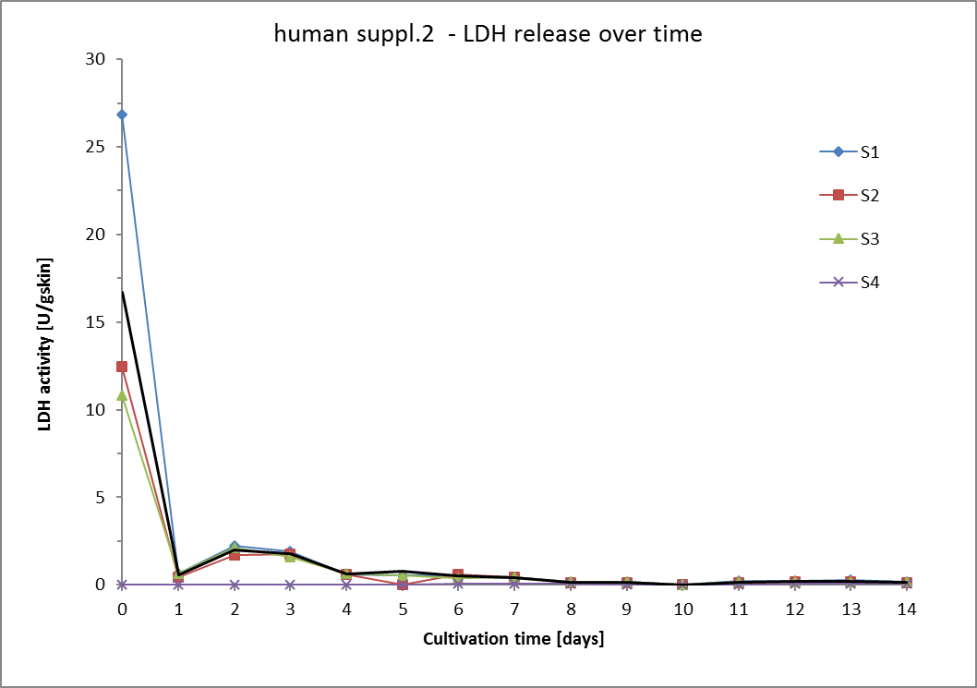
Time point |  | t0 |  |  |  |  |  |  |  | t1 |  |  |  |  |  |  |  | t2 |  |  |  |  |  |  |  | t3 |  |  |  |  |  |  |  | t4 |  |  |  |  |  |  |  | t5
Date
Time of cultivation [days] |  |  |  |  |  |  |  |  |  |  |  |  |  |  |  |  |  |  |  |  |  |  |  |  |  |  |  |  |  |  |  |  |  | 4 |  |  |  |  |  |  |  | 7
Skin sample | Weight of punch [g] | Vol. Medium [mL] | Measur. Nr. | LDH activity [U/mL] | LDH activity [U/mL/gskin] | LDH activity [U/gskin] | Mean LDH activity [U/gskin] | SD [U/gskin] | RSD [%] | Vol. Medium [mL] | Measur. Nr. | LDH activity [U/mL] | LDH activity [U/mL/gskin] | LDH activity [U/gskin] | Mean LDH activity [U/gskin] | SD [U/gskin] | RSD [%] | Vol. Medium [mL] | Measur. Nr. | LDH activity [U/mL] | LDH activity [U/mL/gskin] | LDH activity [U/gskin] | Mean LDH activity [U/gskin] | SD [U/gskin] | RSD [%] | Vol. Medium [mL] | Measur. Nr. | LDH activity [U/mL] | LDH activity [U/mL/gskin] | LDH activity [U/gskin] | Mean LDH activity [U/gskin] | SD [U/gskin] | RSD [%] | Vol. Medium [mL] | Measur. Nr. | LDH activity [U/mL] | LDH activity [U/mL/gskin] | LDH activity [U/gskin] | Mean LDH activity [U/gskin] | SD [U/gskin] | RSD [%] | Vol. Medium [mL] | Measur. Nr. | LDH activity [U/mL] | LDH activity [U/mL/gskin] | LDH activity [U/gskin] | Mean LDH activity [U/gskin] | SD [U/gskin] | RSD [%]
S1 | 0.290 | 0.7 | 1 | 13.015 | 44.895 | 31.426 | 26.863 | 4.564 | 17.0 | 0.7 | 1 | 0.223 | 0.771 | 0.540 | 0.656 | 0.116 | 17.7 | 0.7 | 1 | 0.852 | 2.940 | 2.058 | 2.217 | 0.159 | 7.2 | 0.7 | 1 | 0.802 | 2.766 | 1.936 | 1.935 | 0.001 | 0.1 | 0.7 | 1 | 0.247 | 0.853 | 0.597 | 0.601 | 0.004 | 0.6 | 0.7 | 1 | 0.216 | 0.745 | 0.522 | 0.534 | 0.012 | 2.3
 |  |  | 2 | 9.235 | 31.856 | 22.299 |  |  |  |  | 2 | 0.320 | 1.103 | 0.772 |  |  |  |  | 2 | 0.984 | 3.394 | 2.376 |  |  |  |  | 2 | 0.801 | 2.763 | 1.934 |  |  |  |  | 2 | 0.250 | 0.864 | 0.605 |  |  |  |  | 2 | 0.226 | 0.780 | 0.546
S2 | 0.331 |  | 1 | 5.731 | 17.406 | 12.184 | 12.478 | 0.294 | 2.4 |  | 1 | 0.195 | 0.592 | 0.414 | 0.455 | 0.041 | 9.0 |  | 1 | 0.806 | 2.447 | 1.713 | 1.699 | 0.013 | 0.8 |  | 1 | 0.818 | 2.483 | 1.738 | 1.758 | 0.020 | 1.1 |  | 1 | 0.271 | 0.823 | 0.576 | 0.567 | 0.009 | 1.6 |  | 1 | 0.247 | 0.751 | 0.525 | 0.522 | 0.004 | 0.7
 |  |  | 2 | 6.007 | 18.245 | 12.771 |  |  |  |  | 2 | 0.233 | 0.708 | 0.496 |  |  |  |  | 2 | 0.793 | 2.409 | 1.686 |  |  |  |  | 2 | 0.836 | 2.540 | 1.778 |  |  |  |  | 2 | 0.263 | 0.797 | 0.558 |  |  |  |  | 2 | 0.244 | 0.740 | 0.518
S3 | 0.326 |  | 1 | 4.815 | 17.002 | 11.901 | 10.805 | 1.096 | 10.1 |  | 1 | 0.224 | 0.792 | 0.554 | 0.629 | 0.075 | 11.9 |  | 1 | 0.864 | 3.052 | 2.137 | 2.098 | 0.038 | 1.8 |  | 1 | 0.646 | 2.280 | 1.596 | 1.616 | 0.020 | 1.2 |  | 1 | 0.264 | 0.934 | 0.654 | 0.656 | 0.002 | 0.4 |  | 1 | 0.321 | 1.133 | 0.793 | 0.764 | 0.029 | 3.8
 |  |  | 2 | 3.928 | 13.871 | 9.710 |  |  |  |  | 2 | 0.285 | 1.005 | 0.704 |  |  |  |  | 2 | 0.834 | 2.943 | 2.060 |  |  |  |  | 2 | 0.662 | 2.336 | 1.636 |  |  |  |  | 2 | 0.266 | 0.941 | 0.659 |  |  |  |  | 2 | 0.297 | 1.049 | 0.735
S4 | 0.282 |  | 1 | 0.026 | 0.1 | 0.1 | 0.0 | 0.0 | 100.0 |  | 1 |  | 0.0 | 0.0 | 0.0 | 0.0 | #DIV/0! |  | 1 |  | 0.0 | 0.0 | 0.0 | 0.0 | #DIV/0! |  | 1 |  | 0.0 | 0.0 | 0.0 | 0.0 | #DIV/0! |  | 1 |  | 0.0 | 0.0 | 0.0 | 0.0 | #DIV/0! |  | 1 | 0.019 | 0.057 | 0.040 | 0.040 | 0.000 | 0.7
 |  |  | 2 |  | 0.0 | 0.0 |  |  |  |  | 2 |  | 0.0 | 0.0 |  |  |  |  | 2 |  | 0.0 | 0.0 |  |  |  |  | 2 |  | 0.0 | 0.0 |  |  |  |  | 2 |  | 0.0 | 0.0 |  |  |  |  | 2 | 0.019 | 0.057 | 0.040
Sum LDH activity [U/g skin] |  | 50.1 |  |  |  |  |  |  |  | 1.7 |  |  |  |  |  |  |  | 6.0 |  |  |  |  |  |  |  | 5.3 |  |  |  |  |  |  |  | 1.8 |  |  |  |  |  |  |  | 1.8
Mean LDH activity [U/gskin] |  | 16.7 |  |  |  |  |  |  |  | 0.6 |  |  |  |  |  |  |  | 2.0 |  |  |  |  |  |  |  | 1.8 |  |  |  |  |  |  |  | 0.6 |  |  |  |  |  |  |  | 0.6
SD [U/g skin] |  | 7.2 |  |  |  |  |  |  |  | 0.1 |  |  |  |  |  |  |  | 0.2 |  |  |  |  |  |  |  | 0.1 |  |  |  |  |  |  |  | 0.0 |  |  |  |  |  |  |  | 0.1
RSD [%] |  | 43.1 |  |  |  |  |  |  |  | 15.4 |  |  |  |  |  |  |  | 11.0 |  |  |  |  |  |  |  | 7.4 |  |  |  |  |  |  |  | 6.0 |  |  |  |  |  |  |  | 18.4

 |  | t6 |  |  |  |  |  |  |  | t7 |  |  |  |  |  |  |  | t8 |  |  |  |  |  |  |  | t9 |  |  |  |  |  |  |  | t10 |  |  |  |  |  |  |  | t11 |  |  |  |  |  |  |  | t12 |  |  |  |  |  |  |  | t13 |  |  |  |  |  |  |  | t14

 |  | 8 |  |  |  |  |  |  |  | 9 |  |  |  |  |  |  |  | 10 |  |  |  |  |  |  |  | 11 |  |  |  |  |  |  |  | 14
 |  | Vol. Medium [mL] | Measur. Nr. | LDH activity [U/mL] | LDH activity [U/mL/gskin] | LDH activity [U/gskin] | Mean LDH activity [U/gskin] | SD [U/gskin] | RSD [%] | Vol. Medium [mL] | Measur. Nr. | LDH activity [U/mL] | LDH activity [U/mL/gskin] | LDH activity [U/gskin] | Mean LDH activity [U/gskin] | SD [U/gskin] | RSD [%] | Vol. Medium [mL] | Measur. Nr. | LDH activity [U/mL] | LDH activity [U/mL/gskin] | LDH activity [U/gskin] | Mean LDH activity [U/gskin] | SD [U/gskin] | RSD [%] | Vol. Medium [mL] | Measur. Nr. | LDH activity [U/mL] | LDH activity [U/mL/gskin] | LDH activity [U/gskin] | Mean LDH activity [U/gskin] | SD [U/gskin] | RSD [%] | Vol. Medium [mL] | Measur. Nr. | LDH activity [U/mL] | LDH activity [U/mL/gskin] | LDH activity [U/gskin] | Mean LDH activity [U/gskin] | SD [U/gskin] | RSD [%] | Vol. Medium [mL] | Measur. Nr. | LDH activity [U/mL] | LDH activity [U/mL/gskin] | LDH activity [U/gskin] | Mean LDH activity [U/gskin] | SD [U/gskin] | RSD [%] | Vol. Medium [mL] | Measur. Nr. | LDH activity [U/mL] | LDH activity [U/mL/gskin] | LDH activity [U/gskin] | Mean LDH activity [U/gskin] | SD [U/gskin] | RSD [%] | Vol. Medium [mL] | Measur. Nr. | LDH activity [U/mL] | LDH activity [U/mL/gskin] | LDH activity [U/gskin] | Mean LDH activity [U/gskin] | SD [U/gskin] | RSD [%] | Vol. Medium [mL] | Measur. Nr. | LDH activity [U/mL] | LDH activity [U/mL/gskin] | LDH activity [U/gskin] | Mean LDH activity [U/gskin] | SD [U/gskin] | RSD [%]
 |  | 0.7 | 1 | 0.208 | 0.717 | 0.502 | 0.518 | 0.016 | 3.1 | 0.7 | 1 | 0.182 | 0.626 | 0.438 | 0.426 | 0.013 | 3.0 | 0.7 | 1 | 0.049 | 0.168 | 0.118 | 0.157 | 0.039 | 25.1 | 0.7 | 1 | 0.070 | 0.243 | 0.170 | 0.171 | 0.001 | 0.8 | 0.7 | 1 | 0.073 | 0.253 | 0.177 | 0.177 | 0.000 | 0.1 | 0.7 | 1 | 0.084 | 0.291 | 0.204 | 0.205 | 0.001 | 0.5 | 0.7 | 1 | 0.098 | 0.338 | 0.237 | 0.236 | 0.001 | 0.3 | 0.7 | 1 | 0.111 | 0.383 | 0.268 | 0.258 | 0.009 | 3.7 | 0.7 | 1 | 0.076 | 0.262 | 0.184 | 0.183 | 0.001 | 0.3
 |  |  | 2 | 0.221 | 0.763 | 0.534 |  |  |  |  | 2 | 0.171 | 0.590 | 0.413 |  |  |  |  | 2 | 0.081 | 0.281 | 0.197 |  |  |  |  | 2 | 0.072 | 0.247 | 0.173 |  |  |  |  | 2 | 0.073 | 0.253 | 0.177 |  |  |  |  | 2 | 0.085 | 0.294 | 0.206 |  |  |  |  | 2 | 0.098 | 0.336 | 0.236 |  |  |  |  | 2 | 0.103 | 0.356 | 0.249 |  |  |  |  | 2 | 0.076 | 0.261 | 0.183
 |  |  | 1 | 0.268 | 0.815 | 0.570 | 0.590 | 0.020 | 3.3 |  | 1 | 0.201 | 0.611 | 0.428 | 0.424 | 0.004 | 0.9 |  | 1 | 0.061 | 0.186 | 0.130 | 0.134 | 0.004 | 3.2 |  | 1 | 0.060 | 0.181 | 0.127 | 0.128 | 0.001 | 0.8 |  | 1 | 0.057 | 0.173 | 0.121 | 0.125 | 0.004 | 3.5 |  | 1 | 0.064 | 0.195 | 0.136 | 0.135 | 0.001 | 0.5 |  | 1 | 0.086 | 0.260 | 0.182 | 0.185 | 0.003 | 1.5 |  | 1 | 0.086 | 0.262 | 0.183 | 0.185 | 0.002 | 1.0 |  | 1 | 0.064 | 0.194 | 0.135 | 0.135 | 0.001 | 0.7
 |  |  | 2 | 0.287 | 0.871 | 0.609 |  |  |  |  | 2 | 0.197 | 0.600 | 0.420 |  |  |  |  | 2 | 0.065 | 0.198 | 0.139 |  |  |  |  | 2 | 0.061 | 0.184 | 0.129 |  |  |  |  | 2 | 0.061 | 0.185 | 0.129 |  |  |  |  | 2 | 0.063 | 0.193 | 0.135 |  |  |  |  | 2 | 0.088 | 0.268 | 0.188 |  |  |  |  | 2 | 0.088 | 0.267 | 0.187 |  |  |  |  | 2 | 0.063 | 0.191 | 0.134
 |  |  | 1 | 0.153 | 0.539 | 0.377 | 0.386 | 0.009 | 2.4 |  | 1 | 0.182 | 0.641 | 0.449 | 0.436 | 0.013 | 3.0 |  | 1 | 0.076 | 0.270 | 0.189 | 0.187 | 0.002 | 1.0 |  | 1 | 0.071 | 0.249 | 0.174 | 0.177 | 0.002 | 1.4 |  | 1 | 0.062 | 0.218 | 0.153 | 0.155 | 0.002 | 1.6 |  | 1 | 0.059 | 0.209 | 0.147 | 0.145 | 0.001 | 0.9 |  | 1 | 0.070 | 0.249 | 0.174 | 0.176 | 0.002 | 0.9 |  | 1 | 0.059 | 0.210 | 0.147 | 0.154 | 0.007 | 4.4 |  | 1 | 0.060 | 0.210 | 0.147 | 0.149 | 0.002 | 1.3
 |  |  | 2 | 0.160 | 0.565 | 0.396 |  |  |  |  | 2 | 0.171 | 0.604 | 0.423 |  |  |  |  | 2 | 0.075 | 0.265 | 0.185 |  |  |  |  | 2 | 0.073 | 0.256 | 0.179 |  |  |  |  | 2 | 0.064 | 0.225 | 0.157 |  |  |  |  | 2 | 0.058 | 0.206 | 0.144 |  |  |  |  | 2 | 0.072 | 0.253 | 0.177 |  |  |  |  | 2 | 0.065 | 0.229 | 0.160 |  |  |  |  | 2 | 0.061 | 0.216 | 0.151
 |  |  | 1 | 0.019 | 0.1 | 0.0 | 0.0 | 0.0 | 1.6 |  | 1 | 0.018 | 0.1 | 0.0 | 0.0 | 0.0 | 5.9 |  | 1 | 0.018 | 0.054 | 0.038 | 0.038 | 0.000 | 0.6 |  | 1 |  | 0.0 | 0.0 | 0.0 | 0.0 | #DIV/0! |  | 1 |  | 0.0 | 0.0 | 0.0 | 0.0 | #DIV/0! |  | 1 |  | 0.0 | 0.0 | 0.0 | 0.0 | #DIV/0! |  | 1 | 0.021 | 0.063 | 0.044 | 0.042 | 0.001 | 3.5 |  | 1 | 0.022 | 0.067 | 0.047 | 0.051 | 0.004 | 8.6 |  | 1 | 0.043 | 0.130 | 0.091 | 0.087 | 0.004 | 4.3
 |  |  | 2 | 0.019 | 0.1 | 0.0 |  |  |  |  | 2 | 0.020 | 0.1 | 0.0 |  |  |  |  | 2 | 0.018 | 0.054 | 0.038 |  |  |  |  | 2 |  | 0.0 | 0.0 |  |  |  |  | 2 |  | 0.0 | 0.0 |  |  |  |  | 2 |  | 0.0 | 0.0 |  |  |  |  | 2 | 0.020 | 0.058 | 0.041 |  |  |  |  | 2 | 0.027 | 0.080 | 0.056 |  |  |  |  | 2 | 0.040 | 0.119 | 0.083
Sum LDH activity [U/g skin] |  | 1.5 |  |  |  |  |  |  |  | 1.3 |  |  |  |  |  |  |  | 0.5 |  |  |  |  |  |  |  | 0.5 |  |  |  |  |  |  |  | 0.5 |  |  |  |  |  |  |  | 0.5 |  |  |  |  |  |  |  | 0.6 |  |  |  |  |  |  |  | 0.6 |  |  |  |  |  |  |  | 0.5
Mean LDH activity [U/gskin] |  | 0.5 |  |  |  |  |  |  |  | 0.4 |  |  |  |  |  |  |  | 0.2 |  |  |  |  |  |  |  | 0.2 |  |  |  |  |  |  |  | 0.2 |  |  |  |  |  |  |  | 0.2 |  |  |  |  |  |  |  | 0.2 |  |  |  |  |  |  |  | 0.2 |  |  |  |  |  |  |  | 0.2
SD [U/g skin] |  | 0.1 |  |  |  |  |  |  |  | 0.0 |  |  |  |  |  |  |  | 0.0 |  |  |  |  |  |  |  | 0.0 |  |  |  |  |  |  |  | 0.0 |  |  |  |  |  |  |  | 0.0 |  |  |  |  |  |  |  | 0.0 |  |  |  |  |  |  |  | 0.0 |  |  |  |  |  |  |  | 0.0
RSD [%] |  | 16.9 |  |  |  |  |  |  |  | 1.2 |  |  |  |  |  |  |  | 13.6 |  |  |  |  |  |  |  | 13.8 |  |  |  |  |  |  |  | 14.0 |  |  |  |  |  |  |  | 19.0 |  |  |  |  |  |  |  | 13.4 |  |  |  |  |  |  |  | 22.0 |  |  |  |  |  |  |  | 13.1

 |  | empty field=value out of linear range |  |  |  |  |  |  |  |  |  |  |  |  |  | days | 0 | 1 | 2 | 3 | 4 | 5 | 6 | 7 | 8 | 9 | 10 | 11 | 12 | 13 | 14
 |  |  |  |  |  |  |  |  |  |  |  |  |  |  | LDH [U/gskin] | S1 | 26.9 | 0.7 | 2.2 | 1.9 | 0.6 | 0.5 | 0.5 | 0.4 | 0.2 | 0.2 | 0.0 | 0.20495054989 | 0.23617874631 | 0.25838237634 | 0.1831328116
 |  |  |  |  |  |  |  |  |  |  |  |  |  |  |  | S2 | 12.5 | 0.5 | 1.7 | 1.8 | 0.6 | 0.0 | 0.6 | 0.4 | 0.1 | 0.1 | 0.0 | 0.13549251986 | 0.18490897539 | 0.18528057855 | 0.13458570448
 |  |  |  |  |  |  |  |  |  |  |  |  |  |  |  | S3 | 10.8 | 0.6 | 2.1 | 1.6 | 0.7 | 0.5 | 0.4 | 0.4 | 0.2 | 0.2 | 0.0 | 0.14532987552 | 0.17570329706 | 0.1536346038 | 0.14922102215
 |  |  |  |  |  |  |  |  |  |  |  |  |  |  |  | S4 | 0.0 | 0.0 | 0.0 | 0.0 | 0.0 | 0.0 | 0.0 | 0.0 | 0.0 | 0.0 | 0.0 | 0 | 0.042364018286 | 0.051360326974 | 0.086998219712
 |  |  |  |  |  |  |  |  |  |  |  |  |  |  |  | mean | 16.7 | 0.6 | 2.0 | 1.8 | 0.6 | 0.8 | 0.5 | 0.4 | 0.2 | 0.2 | 0.0 | 0.16192431509 | 0.19893033959 | 0.19909918623 | 0.15564651274
 |  |  |  |  |  |  |  |  |  |  |  |  |  |  |  | SD | 7.2 | 0.1 | 0.2 | 0.1 | 0.0 | 0.0 | 0.1 | 0.0 | 0.0 | 0.0 | 0.0 | 0.030688065568 | 0.026605375154 | 0.043865243658 | 0.020333397804
 |  |  |  |  |  |  |  |  |  |  |  |  |  |  |  | sum | 50.145845601 | 1.7398271941 | 6.0147335542 | 5.3085618757 | 1.8241867577 | 1.8191237934 | 1.4943605394 | 1.2854334006 | 0.47897609524 | 0.4761956748 | 0.45715887498 | 0.48577294527 | 0.59679101876 | 0.59729755869 | 0.46693953822

porcine basic
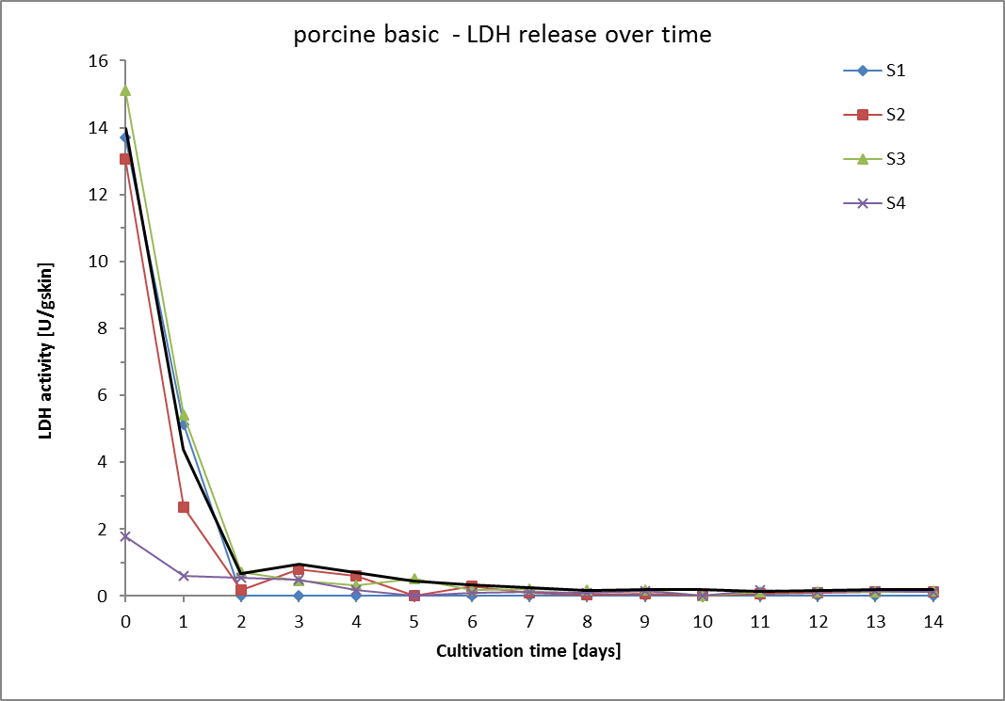
Time point |  | t0 |  |  |  |  |  |  |  | t1 |  |  |  |  |  |  |  | t2 |  |  |  |  |  |  |  | t3 |  |  |  |  |  |  |  | t4 |  |  |  |  |  |  |  | t5
Date
Time of cultivation [days] |  | 0 |  |  |  |  |  |  |  | 1 |  |  |  |  |  |  |  | 2 |  |  |  |  |  |  |  | 3 |  |  |  |  |  |  |  | 4 |  |  |  |  |  |  |  | 7
Skin sample | Weight of punch [g] | Vol. Medium [mL] | Measur. Nr. | LDH activity [U/mL] | LDH activity [U/mL/gskin] | LDH activity [U/gskin] | Mean LDH activity [U/gskin] | SD [U/gskin] | RSD [%] | Vol. Medium [mL] | Measur. Nr. | LDH activity [U/mL] | LDH activity [U/mL/gskin] | LDH activity [U/gskin] | Mean LDH activity [U/gskin] | SD [U/gskin] | RSD [%] | Vol. Medium [mL] | Measur. Nr. | LDH activity [U/mL] | LDH activity [U/mL/gskin] | LDH activity [U/gskin] | Mean LDH activity [U/gskin] | SD [U/gskin] | RSD [%] | Vol. Medium [mL] | Measur. Nr. | LDH activity [U/mL] | LDH activity [U/mL/gskin] | LDH activity [U/gskin] | Mean LDH activity [U/gskin] | SD [U/gskin] | RSD [%] | Vol. Medium [mL] | Measur. Nr. | LDH activity [U/mL] | LDH activity [U/mL/gskin] | LDH activity [U/gskin] | Mean LDH activity [U/gskin] | SD [U/gskin] | RSD [%] | Vol. Medium [mL] | Measur. Nr. | LDH activity [U/mL] | LDH activity [U/mL/gskin] | LDH activity [U/gskin] | Mean LDH activity [U/gskin] | SD [U/gskin] | RSD [%]
S1 | 0.322 | 0.7 | 1 | 5.175 | 17.9 | 12.5 | 13.7 | 1.2 | 8.9 | 0.7 | 1 | 2.214 | 7.6 | 5.3 | 5.1 | 0 | 4.0 | 0.7 | 1 |  | 0.0 | 0.0 | 0.0 | 0.0 | #DIV/0! | 0.7 | 1 |  | 0.0 | 0.0 | 0.0 | 0.0 | #DIV/0! | 0.7 | 1 |  | 0.0 | 0.0 | 0.0 | 0.0 | #DIV/0! | 0.7 | 1 |  | 0.0 | 0.0 | 0.0 | 0.0 | #DIV/0!
 |  |  | 2 | 6.184 | 21.3 | 14.9 |  |  |  |  | 2 | 2.043 | 7.0 | 4.9 |  |  |  |  | 2 |  | 0.0 | 0.0 |  |  |  |  | 2 |  | 0.0 | 0.0 |  |  |  |  | 2 |  | 0.0 | 0.0 |  |  |  |  | 2 |  | 0.0 | 0.0
S2 | 0.350 |  | 1 | 6.666 | 20.2 | 14.2 | 13.1 | 1.1 | 8.5 |  | 1 | 1.196 | 3.6 | 2.5 | 2.7 | 0.1 | 4.2 |  | 1 | 0.298 | 0.250 | 0.175 | 0.175 | 0.000 | 0.0 |  | 1 | 0.383 | 1.163 | 0.814 | 0.814 | 0.000 | 0.0 |  | 1 | 0.179 | 0.544 | 0.381 | 0.603 | 0.222 | 36.8 |  | 1 | 0.276 | 0.840 | 0.588 | 0.517 | 0.070 | 13.6
 |  |  | 2 | 5.618 | 17.1 | 11.9 |  |  |  |  | 2 | 1.302 | 4.0 | 2.8 |  |  |  |  | 2 | 0.298 | 0.250 | 0.175 |  |  |  |  | 2 |  | 0.000 | 0.000 |  |  |  |  | 2 | 0.388 | 1.179 | 0.825 |  |  |  |  | 2 | 0.210 | 0.639 | 0.447
S3 | 0.362 |  | 1 | 5.897 | 20.8 | 14.6 | 15.1 | 0.5 | 3.6 |  | 1 | 2.118 | 7.5 | 5.2 | 5.4 | 0.2 | 3.1 |  | 1 | 0.335 | 1.181 | 0.827 | 0.713 | 0.114 | 16.0 |  | 1 | 0.208 | 0.734 | 0.514 | 0.470 | 0.044 | 9.4 |  | 1 | 0.129 | 0.455 | 0.319 | 0.331 | 0.012 | 3.6 |  | 1 | 0.185 | 0.653 | 0.457 | 0.462 | 0.005 | 1.2
 |  |  | 2 | 6.332 | 22.4 | 15.7 |  |  |  |  | 2 | 2.254 | 8.0 | 5.6 |  |  |  |  | 2 | 0.242 | 0.855 | 0.598 |  |  |  |  | 2 | 0.172 | 0.609 | 0.426 |  |  |  |  | 2 | 0.139 | 0.489 | 0.342 |  |  |  |  | 2 | 0.189 | 0.668 | 0.468
S4 | 0.373 |  | 1 | 0.951 | 2.8 | 2.0 | 1.8 | 0.2 | 12.3 |  | 1 | 0.303 | 0.9 | 0.6 | 0.6 | 0.0 | 6.0 |  | 1 | 0.231 | 0.692 | 0.484 | 0.552 | 0.068 | 12.2 |  | 1 | 0.219 | 0.654 | 0.458 | 0.482 | 0.024 | 5.0 |  | 1 | 0.086 | 0.258 | 0.181 | 0.180 | 0.001 | 0.3 |  | 1 | 0.054 | 0.162 | 0.114 | 0.116 | 0.002 | 2.0
 |  |  | 2 | 0.742 | 2.2 | 1.6 |  |  |  |  | 2 | 0.268 | 0.8 | 0.6 |  |  |  |  | 2 | 0.296 | 0.885 | 0.619 |  |  |  |  | 2 | 0.242 | 0.723 | 0.506 |  |  |  |  | 2 | 0.086 | 0.257 | 0.180 |  |  |  |  | 2 | 0.056 | 0.169 | 0.118
Sum LDH activity [U/g skin] |  | 41.9 |  |  |  |  |  |  |  | 13.2 |  |  |  |  |  |  |  | 0.9 |  |  |  |  |  |  |  | 1.3 |  |  |  |  |  |  |  | 0.9 |  |  |  |  |  |  |  | 1.0
Mean LDH activity [U/gskin] |  | 14.0 |  |  |  |  |  |  |  | 4.4 |  |  |  |  |  |  |  | 0.7 |  |  |  |  |  |  |  | 1.0 |  |  |  |  |  |  |  | 0.7 |  |  |  |  |  |  |  | 0.7
SD [U/g skin] |  | 0.9 |  |  |  |  |  |  |  | 1.2 |  |  |  |  |  |  |  | 0.3 |  |  |  |  |  |  |  | 0.2 |  |  |  |  |  |  |  | 0.1 |  |  |  |  |  |  |  | 0.0
RSD [%] |  | 6.1 |  |  |  |  |  |  |  | 28.1 |  |  |  |  |  |  |  | 40.4 |  |  |  |  |  |  |  | 17.9 |  |  |  |  |  |  |  | 19.4 |  |  |  |  |  |  |  | 3.8

 |  | t6 |  |  |  |  |  |  |  | t7 |  |  |  |  |  |  |  | t8 |  |  |  |  |  |  |  | t9 |  |  |  |  |  |  |  | t10 |  |  |  |  |  |  |  | t11 |  |  |  |  |  |  |  | t12 |  |  |  |  |  |  |  | t13 |  |  |  |  |  |  |  | t14

 |  | 8 |  |  |  |  |  |  |  | 9 |  |  |  |  |  |  |  | 10 |  |  |  |  |  |  |  | 11 |  |  |  |  |  |  |  | 14
 |  | Vol. Medium [mL] | Measur. Nr. | LDH activity [U/mL] | LDH activity [U/mL/gskin] | LDH activity [U/gskin] | Mean LDH activity [U/gskin] | SD [U/gskin] | RSD [%] | Vol. Medium [mL] | Measur. Nr. | LDH activity [U/mL] | LDH activity [U/mL/gskin] | LDH activity [U/gskin] | Mean LDH activity [U/gskin] | SD [U/gskin] | RSD [%] | Vol. Medium [mL] | Measur. Nr. | LDH activity [U/mL] | LDH activity [U/mL/gskin] | LDH activity [U/gskin] | Mean LDH activity [U/gskin] | SD [U/gskin] | RSD [%] | Vol. Medium [mL] | Measur. Nr. | LDH activity [U/mL] | LDH activity [U/mL/gskin] | LDH activity [U/gskin] | Mean LDH activity [U/gskin] | SD [U/gskin] | RSD [%] | Vol. Medium [mL] | Measur. Nr. | LDH activity [U/mL] | LDH activity [U/mL/gskin] | LDH activity [U/gskin] | Mean LDH activity [U/gskin] | SD [U/gskin] | RSD [%] | Vol. Medium [mL] | Measur. Nr. | LDH activity [U/mL] | LDH activity [U/mL/gskin] | LDH activity [U/gskin] | Mean LDH activity [U/gskin] | SD [U/gskin] | RSD [%] | Vol. Medium [mL] | Measur. Nr. | LDH activity [U/mL] | LDH activity [U/mL/gskin] | LDH activity [U/gskin] | Mean LDH activity [U/gskin] | SD [U/gskin] | RSD [%] | Vol. Medium [mL] | Measur. Nr. | LDH activity [U/mL] | LDH activity [U/mL/gskin] | LDH activity [U/gskin] | Mean LDH activity [U/gskin] | SD [U/gskin] | RSD [%] | Vol. Medium [mL] | Measur. Nr. | LDH activity [U/mL] | LDH activity [U/mL/gskin] | LDH activity [U/gskin] | Mean LDH activity [U/gskin] | SD [U/gskin] | RSD [%]
 |  | 0.7 | 1 |  | 0.0 | 0.0 | 0.0 | 0.0 | #DIV/0! | 0.7 | 1 |  | 0.0 | 0.0 | 0.0 | 0.0 | #DIV/0! | 0.7 | 1 |  | 0.0 | 0.0 | 0.0 | 0.0 | #DIV/0! | 0.7 | 1 |  | 0.0 | 0.0 | 0.0 | 0.0 | #DIV/0! | 0.7 | 1 |  | 0.0 | 0.0 | 0.0 | 0.0 | #DIV/0! | 0.7 | 1 |  | 0.0 | 0.0 | 0.0 | 0.0 | #DIV/0! | 0.7 | 1 |  | 0.0 | 0.0 | 0.0 | 0.0 | #DIV/0! | 0.7 | 1 |  | 0.0 | 0.0 | 0.0 | 0.0 | #DIV/0! | 0.7 | 1 |  | 0.0 | 0.0 | 0.0 | 0.0 | #DIV/0!
 |  |  | 2 |  | 0.0 | 0.0 |  |  |  |  | 2 |  | 0.0 | 0.0 |  |  |  |  | 2 |  | 0.0 | 0.0 |  |  |  |  | 2 |  | 0.0 | 0.0 |  |  |  |  | 2 |  | 0.0 | 0.0 |  |  |  |  | 2 |  | 0.0 | 0.0 |  |  |  |  | 2 |  | 0.0 | 0.0 |  |  |  |  | 2 |  | 0.0 | 0.0 |  |  |  |  | 2 |  | 0.0 | 0.0
 |  |  | 1 | 0.138 | 0.419 | 0.293 | 0.292 | 0.001 | 0.3 |  | 1 | 0.054 | 0.163 | 0.114 | 0.110 | 0.003 | 3.1 |  | 1 | 0.023 | 0.070 | 0.049 | 0.046 | 0.003 | 6.4 |  | 1 | 0.032 | 0.098 | 0.068 | 0.070 | 0.002 | 2.3 |  | 1 | 0.053 | 0.162 | 0.113 | 0.115 | 0.001 | 1.0 |  | 1 | 0.036 | 0.108 | 0.076 | 0.073 | 0.003 | 4.1 |  | 1 | 0.040 | 0.122 | 0.085 | 0.087 | 0.002 | 1.8 |  | 1 | 0.061 | 0.186 | 0.130 | 0.128 | 0.002 | 1.5 |  | 1 | 0.050 | 0.152 | 0.106 | 0.113 | 0.007 | 6.2
 |  |  | 2 | 0.137 | 0.416 | 0.291 |  |  |  |  | 2 | 0.050 | 0.153 | 0.107 |  |  |  |  | 2 | 0.020 | 0.062 | 0.043 |  |  |  |  | 2 | 0.034 | 0.102 | 0.072 |  |  |  |  | 2 | 0.054 | 0.165 | 0.116 |  |  |  |  | 2 | 0.033 | 0.100 | 0.070 |  |  |  |  | 2 | 0.042 | 0.127 | 0.089 |  |  |  |  | 2 | 0.059 | 0.181 | 0.126 |  |  |  |  | 2 | 0.057 | 0.172 | 0.120
 |  |  | 1 | 0.068 | 0.241 | 0.169 | 0.172 | 0.003 | 1.7 |  | 1 | 0.090 | 0.317 | 0.222 | 0.220 | 0.002 | 0.7 |  | 1 | 0.070 | 0.248 | 0.173 | 0.173 | 0.000 | 0.0 |  | 1 | 0.070 | 0.248 | 0.173 | 0.180 | 0.007 | 3.6 |  | 1 | 0.060 | 0.210 | 0.147 | 0.147 | 0.001 | 0.4 |  | 1 | 0.050 | 0.178 | 0.125 | 0.126 | 0.001 | 1.2 |  | 1 | 0.047 | 0.166 | 0.116 | 0.120 | 0.004 | 3.1 |  | 1 | 0.050 | 0.175 | 0.122 | 0.124 | 0.001 | 1.0 |  | 1 | 0.068 | 0.241 | 0.169 | 0.163 | 0.005 | 3.3
 |  |  | 2 | 0.071 | 0.249 | 0.175 |  |  |  |  | 2 | 0.088 | 0.312 | 0.219 |  |  |  |  | 2 | 0.070 | 0.248 | 0.173 |  |  |  |  | 2 | 0.075 | 0.266 | 0.186 |  |  |  |  | 2 | 0.059 | 0.209 | 0.146 |  |  |  |  | 2 | 0.052 | 0.182 | 0.128 |  |  |  |  | 2 | 0.050 | 0.176 | 0.123 |  |  |  |  | 2 | 0.051 | 0.178 | 0.125 |  |  |  |  | 2 | 0.064 | 0.225 | 0.158
 |  |  | 1 | 0.042 | 0.127 | 0.089 | 0.089 | 0.001 | 0.7 |  | 1 | 0.053 | 0.157 | 0.110 | 0.113 | 0.002 | 2.0 |  | 1 | 0.048 | 0.142 | 0.100 | 0.101 | 0.001 | 1.2 |  | 1 | 0.079 | 0.237 | 0.166 | 0.160 | 0.007 | 4.1 |  | 1 | 0.078 | 0.233 | 0.163 | 0.169 | 0.006 | 3.4 |  | 1 | 0.087 | 0.259 | 0.181 | 0.177 | 0.004 | 2.4 |  | 1 | 0.064 | 0.191 | 0.134 | 0.136 | 0.002 | 1.3 |  | 1 | 0.078 | 0.233 | 0.163 | 0.167 | 0.004 | 2.3 |  | 1 | 0.056 | 0.166 | 0.116 | 0.125 | 0.009 | 6.9
 |  |  | 2 | 0.043 | 0.128 | 0.090 |  |  |  |  | 2 | 0.055 | 0.164 | 0.115 |  |  |  |  | 2 | 0.049 | 0.146 | 0.102 |  |  |  |  | 2 | 0.073 | 0.219 | 0.153 |  |  |  |  | 2 | 0.083 | 0.249 | 0.175 |  |  |  |  | 2 | 0.083 | 0.247 | 0.173 |  |  |  |  | 2 | 0.066 | 0.196 | 0.137 |  |  |  |  | 2 | 0.081 | 0.244 | 0.171 |  |  |  |  | 2 | 0.064 | 0.191 | 0.134
Sum LDH activity [U/g skin] |  | 0.5 |  |  |  |  |  |  |  | 0.3 |  |  |  |  |  |  |  | 0.2 |  |  |  |  |  |  |  | 0.2 |  |  |  |  |  |  |  | 0.3 |  |  |  |  |  |  |  | 0.2 |  |  |  |  |  |  |  | 0.2 |  |  |  |  |  |  |  | 0.3 |  |  |  |  |  |  |  | 0.3
Mean LDH activity [U/gskin] |  | 0.3 |  |  |  |  |  |  |  | 0.2 |  |  |  |  |  |  |  | 0.2 |  |  |  |  |  |  |  | 0.2 |  |  |  |  |  |  |  | 0.2 |  |  |  |  |  |  |  | 0.1 |  |  |  |  |  |  |  | 0.2 |  |  |  |  |  |  |  | 0.2 |  |  |  |  |  |  |  | 0.2
SD [U/g skin] |  | 0.1 |  |  |  |  |  |  |  | 0.1 |  |  |  |  |  |  |  | 0.1 |  |  |  |  |  |  |  | 0.1 |  |  |  |  |  |  |  | 0.0 |  |  |  |  |  |  |  | 0.0 |  |  |  |  |  |  |  | 0.0 |  |  |  |  |  |  |  | 0.0 |  |  |  |  |  |  |  | 0.0
RSD [%] |  | 17.3 |  |  |  |  |  |  |  | 22.1 |  |  |  |  |  |  |  | 38.5 |  |  |  |  |  |  |  | 29.3 |  |  |  |  |  |  |  | 8.2 |  |  |  |  |  |  |  | 17.9 |  |  |  |  |  |  |  | 10.6 |  |  |  |  |  |  |  | 1.2 |  |  |  |  |  |  |  | 12.0

 |  | empty field=value out of linear range |  |  |  |  |  |  |  |  |  |  |  |  | days | 0 | 1 | 2 | 3 | 4 | 5 | 6 | 7 | 8 | 9 | 10 | 11 | 12 | 13 | 14
 |  |  |  |  |  |  |  |  |  |  |  |  |  | LDH [U/gskin] | S1 | 13.7 | 5.1 | 0.0 | 0.0 | 0.0 | 0.0 | 0.0 | 0.0 | 0.0 | 0.0 | 0.0 | 0 | 0 | 0 | 0
 |  |  |  |  |  |  |  |  |  |  |  |  |  |  | S2 | 13.1 | 2.7 | 0.2 | 0.8 | 0.6 | 0.0 | 0.3 | 0.1 | 0.0 | 0.1 | 0.0 | 0.072824547305 | 0.086950032466 | 0.12836353509 | 0.11331157307
 |  |  |  |  |  |  |  |  |  |  |  |  |  |  | S3 | 15.1 | 5.4 | 0.7 | 0.5 | 0.3 | 0.5 | 0.2 | 0.2 | 0.2 | 0.2 | 0.0 | 0.12609661524 | 0.11974318834 | 0.12364131395 | 0.16324820348
 |  |  |  |  |  |  |  |  |  |  |  |  |  |  | S4 | 1.8 | 0.6 | 0.6 | 0.5 | 0.2 | 0.0 | 0.1 | 0.1 | 0.1 | 0.2 | 0.0 | 0.1771408454 | 0.13562236703 | 0.16678208779 | 0.12514079909
 |  |  |  |  |  |  |  |  |  |  |  |  |  |  | mean | 14.0 | 4.4 | 0.7 | 1.0 | 0.7 | 0.5 | 0.3 | 0.2 | 0.2 | 0.2 | 0.2 | 0.1 | 0.2 | 0.2 | 0.2
 |  |  |  |  |  |  |  |  |  |  |  |  |  |  | SD | 0.9 | 1.2 | 0.3 | 0.2 | 0.1 | 0.0 | 0.1 | 0.1 | 0.1 | 0.1 | 0.0 | 0.0 | 0.0 | 0.0 | 0.0
 |  |  |  |  |  |  |  |  |  |  |  |  |  |  | sum | 41.88484238 | 13.197505845 | 0.88753175269 | 1.2842865781 | 0.93345386967 | 0.9796838109 | 0.46397791218 | 0.33055347273 | 0.21964360466 | 0.24979759255 | 0.26129106179 | 0.19892116255 | 0.2066932208 | 0.25200484903 | 0.27655977656

porcine S2
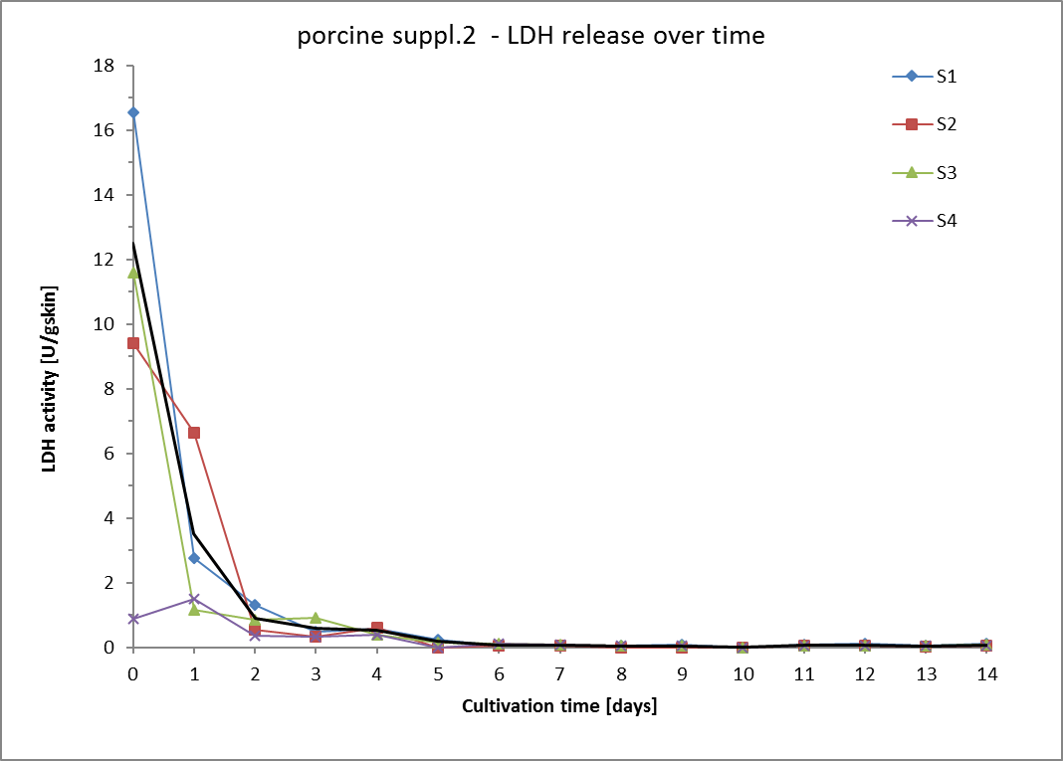
Time point |  | t0 Monday |  |  |  |  |  |  |  | t1 |  |  |  |  |  |  |  | t2 |  |  |  |  |  |  |  | t3 |  |  |  |  |  |  |  | t4 |  |  |  |  |  |  |  | t5
Date
Time of cultivation [days] |  | 0 |  |  |  |  |  |  |  | 1 |  |  |  |  |  |  |  | 2 |  |  |  |  |  |  |  | 3 |  |  |  |  |  |  |  | 4 |  |  |  |  |  |  |  | 7
Skin sample | Weight of punch [g] | Vol. Medium [mL] | Measur. Nr. | LDH activity [U/mL] | LDH activity [U/mL/gskin] | LDH activity [U/gskin] | Mean LDH activity [U/gskin] | SD [U/gskin] | RSD [%] | Vol. Medium [mL] | Measur. Nr. | LDH activity [U/mL] | LDH activity [U/mL/gskin] | LDH activity [U/gskin] | Mean LDH activity [U/gskin] | SD [U/gskin] | RSD [%] | Vol. Medium [mL] | Measur. Nr. | LDH activity [U/mL] | LDH activity [U/mL/gskin] | LDH activity [U/gskin] | Mean LDH activity [U/gskin] | SD [U/gskin] | RSD [%] | Vol. Medium [mL] | Measur. Nr. | LDH activity [U/mL] | LDH activity [U/mL/gskin] | LDH activity [U/gskin] | Mean LDH activity [U/gskin] | SD [U/gskin] | RSD [%] | Vol. Medium [mL] | Measur. Nr. | LDH activity [U/mL] | LDH activity [U/mL/gskin] | LDH activity [U/gskin] | Mean LDH activity [U/gskin] | SD [U/gskin] | RSD [%] | Vol. Medium [mL] | Measur. Nr. | LDH activity [U/mL] | LDH activity [U/mL/gskin] | LDH activity [U/gskin] | Mean LDH activity [U/gskin] | SD [U/gskin] | RSD [%]
S1 | 0.374 | 0.7 | 1 | 5.870 | 20.25 | 14.17 | 16.54 | 2.36 | 14.3 | 0.7 | 1 | 0.986 | 3.40 | 2.38 | 2.77 | 0.39 | 14.0 | 0.7 | 1 | 0.546 | 1.88 | 1.32 | 1.32 | 0.00 | 0.2 | 0.7 | 1 | 0.204 | 0.704 | 0.493 | 0.488 | 0.004 | 0.9 | 0.7 | 1 | 0.237 | 0.818 | 0.572 | 0.582 | 0.010 | 1.7 | 0.7 | 1 | 0.099 | 0.341 | 0.239 | 0.239 | 0.000 | 0.1
 |  |  | 2 | 7.826 | 27.00 | 18.90 |  |  |  |  | 2 | 1.306 | 4.51 | 3.15 |  |  |  |  | 2 | 0.547 | 1.89 | 1.32 |  |  |  |  | 2 | 0.200 | 0.691 | 0.484 |  |  |  |  | 2 | 0.245 | 0.845 | 0.592 |  |  |  |  | 2 | 0.099 | 0.341 | 0.238
S2 | 0.349 |  | 1 | 4.842 | 14.70 | 10.29 | 9.39 | 0.90 | 9.6 |  | 1 | 2.859 | 8.68 | 6.08 | 6.63 | 0.55 | 8.3 |  | 1 | 0.517 | 0.77 | 0.54 | 0.54 | 0.00 | 0.0 |  | 1 | 0.148 | 0.450 | 0.315 | 0.333 | 0.018 | 5.4 |  | 1 | 0.292 | 0.886 | 0.620 | 0.614 | 0.006 | 1.0 |  | 1 | 0.068 | 0.207 | 0.145 | 0.144 | 0.001 | 0.9
 |  |  | 2 | 3.992 | 12.12 | 8.49 |  |  |  |  | 2 | 3.375 | 10.25 | 7.18 |  |  |  |  | 2 | 0.541 | 0.77 | 0.54 |  |  |  |  | 2 | 0.165 | 0.501 | 0.351 |  |  |  |  | 2 | 0.286 | 0.868 | 0.608 |  |  |  |  | 2 | 0.067 | 0.203 | 0.142
S3 | 0.327 |  | 1 | 5.701 | 20.13 | 14.09 | 11.60 | 2.49 | 21.5 |  | 1 | 0.486 | 1.71 | 1.20 | 1.17 | 0.03 | 2.8 |  | 1 | 0.328 | 1.16 | 0.81 | 0.86 | 0.05 | 6.3 |  | 1 | 0.378 | 1.336 | 0.935 | 0.927 | 0.008 | 0.9 |  | 1 | 0.153 | 0.539 | 0.377 | 0.387 | 0.010 | 2.5 |  | 1 | 0.082 | 0.290 | 0.203 | 0.207 | 0.005 | 2.2
 |  |  | 2 | 3.683 | 13.00 | 9.10 |  |  |  |  | 2 | 0.459 | 1.62 | 1.13 |  |  |  |  | 2 | 0.372 | 1.31 | 0.92 |  |  |  |  | 2 | 0.372 | 1.312 | 0.918 |  |  |  |  | 2 | 0.160 | 0.567 | 0.397 |  |  |  |  | 2 | 0.086 | 0.303 | 0.212
S4 | 0.342 |  | 1 | 0.433 | 1.29 | 0.91 | 0.87 | 0.03 | 3.8 |  | 1 | 0.714 | 2.1 | 1.5 | 1.5 | 0.0 | 0.1 |  | 1 | 0.178 | 0.5 | 0.4 | 0.4 | 0.0 | 0.3 |  | 1 | 0.100 | 0.301 | 0.210 | 0.345 | 0.135 | 39.1 |  | 1 | 0.181 | 0.541 | 0.379 | 0.382 | 0.003 | 0.9 |  | 1 | 0.109 | 0.325 | 0.228 | 0.228 | 0.000 | 0.0
 |  |  | 2 | 0.401 | 1.20 | 0.84 |  |  |  |  | 2 | 0.712 | 2.1 | 1.5 |  |  |  |  | 2 | 0.179 | 0.5 | 0.4 |  |  |  |  | 2 | 0.229 | 0.686 | 0.481 |  |  |  |  | 2 | 0.184 | 0.551 | 0.386 |  |  |  |  | 2 | 0.109 | 0.325 | 0.227
Sum LDH activity [U/g skin] |  | 37.5 |  |  |  |  |  |  |  | 10.6 |  |  |  |  |  |  |  | 2.7 |  |  |  |  |  |  |  | 1.7 |  |  |  |  |  |  |  | 1.6 |  |  |  |  |  |  |  | 0.6
Mean LDH activity [U/gskin] |  | 12.5 |  |  |  |  |  |  |  | 3.5 |  |  |  |  |  |  |  | 0.9 |  |  |  |  |  |  |  | 0.6 |  |  |  |  |  |  |  | 0.5 |  |  |  |  |  |  |  | 0.2
SD [U/g skin] |  | 3.0 |  |  |  |  |  |  |  | 2.3 |  |  |  |  |  |  |  | 0.3 |  |  |  |  |  |  |  | 0.3 |  |  |  |  |  |  |  | 0.1 |  |  |  |  |  |  |  | 0.0
RSD [%] |  | 23.9 |  |  |  |  |  |  |  | 65.1 |  |  |  |  |  |  |  | 35.1 |  |  |  |  |  |  |  | 43.2 |  |  |  |  |  |  |  | 19.0 |  |  |  |  |  |  |  | 20.1

 |  | t6 |  |  |  |  |  |  |  | t7 |  |  |  |  |  |  |  | t8 |  |  |  |  |  |  |  | t9 |  |  |  |  |  |  |  | t10 |  |  |  |  |  |  |  | t11 |  |  |  |  |  |  |  | t12 |  |  |  |  |  |  |  | t13 |  |  |  |  |  |  |  | t14

 |  | 8 |  |  |  |  |  |  |  | 9 |  |  |  |  |  |  |  | 10 |  |  |  |  |  |  |  | 11 |  |  |  |  |  |  |  | 14
 |  | Vol. Medium [mL] | Measur. Nr. | LDH activity [U/mL] | LDH activity [U/mL/gskin] | LDH activity [U/gskin] | Mean LDH activity [U/gskin] | SD [U/gskin] | RSD [%] | Vol. Medium [mL] | Measur. Nr. | LDH activity [U/mL] | LDH activity [U/mL/gskin] | LDH activity [U/gskin] | Mean LDH activity [U/gskin] | SD [U/gskin] | RSD [%] | Vol. Medium [mL] | Measur. Nr. | LDH activity [U/mL] | LDH activity [U/mL/gskin] | LDH activity [U/gskin] | Mean LDH activity [U/gskin] | SD [U/gskin] | RSD [%] | Vol. Medium [mL] | Measur. Nr. | LDH activity [U/mL] | LDH activity [U/mL/gskin] | LDH activity [U/gskin] | Mean LDH activity [U/gskin] | SD [U/gskin] | RSD [%] | Vol. Medium [mL] | Measur. Nr. | LDH activity [U/mL] | LDH activity [U/mL/gskin] | LDH activity [U/gskin] | Mean LDH activity [U/gskin] | SD [U/gskin] | RSD [%] | Vol. Medium [mL] | Measur. Nr. | LDH activity [U/mL] | LDH activity [U/mL/gskin] | LDH activity [U/gskin] | Mean LDH activity [U/gskin] | SD [U/gskin] | RSD [%] | Vol. Medium [mL] | Measur. Nr. | LDH activity [U/mL] | LDH activity [U/mL/gskin] | LDH activity [U/gskin] | Mean LDH activity [U/gskin] | SD [U/gskin] | RSD [%] | Vol. Medium [mL] | Measur. Nr. | LDH activity [U/mL] | LDH activity [U/mL/gskin] | LDH activity [U/gskin] | Mean LDH activity [U/gskin] | SD [U/gskin] | RSD [%] | Vol. Medium [mL] | Measur. Nr. | LDH activity [U/mL] | LDH activity [U/mL/gskin] | LDH activity [U/gskin] | Mean LDH activity [U/gskin] | SD [U/gskin] | RSD [%]
 |  | 0.7 | 1 | 0.022 | 0.075 | 0.052 | 0.1 | 0.0 | 2.7 | 0.7 | 1 | 0.021 | 0.073 | 0.051 | 0.053 | 0.002 | 3.6 | 0.7 | 1 | 0.021 | 0.072 | 0.050 | 0.051 | 0.000 | 0.8 | 0.7 | 1 | 0.027 | 0.095 | 0.066 | 0.071 | 0.005 | 7.1 | 0.7 | 1 | 0.037 | 0.1 | 0.1 | 0.1 | 0.0 | 4.4 | 0.7 | 1 | 0.035 | 0.121 | 0.085 | 0.092 | 0.007 | 7.5 | 0.7 | 1 | 0.052 | 0.178 | 0.125 | 0.126 | 0.001 | 0.9 | 0.7 | 1 | 0.031 | 0.106 | 0.074 | 0.064 | 0.010 | 15.0 | 0.7 | 1 | 0.050 | 0.174 | 0.122 | 0.128 | 0.006 | 4.9
 |  |  | 2 | 0.023 | 0.079 | 0.055 |  |  |  |  | 2 | 0.023 | 0.078 | 0.055 |  |  |  |  | 2 | 0.021 | 0.073 | 0.051 |  |  |  |  | 2 | 0.032 | 0.109 | 0.076 |  |  |  |  | 2 | 0.040 | 0.1 | 0.1 |  |  |  |  | 2 | 0.041 | 0.141 | 0.099 |  |  |  |  | 2 | 0.053 | 0.182 | 0.127 |  |  |  |  | 2 | 0.023 | 0.078 | 0.055 |  |  |  |  | 2 | 0.056 | 0.192 | 0.134
 |  |  | 1 | 0.026 | 0.078 | 0.055 | 0.1 | 0.0 | 0.9 |  | 1 | 0.018 | 0.056 | 0.039 | 0.044 | 0.005 | 11.3 |  | 1 |  | 0.0 | 0.0 | 0.0 | 0.0 | #DIV/0! |  | 1 |  | 0 | 0 | 0.000 | 0.000 | #DIV/0! |  | 1 |  | 0.0 | 0.0 | 0.0 | 0.0 | #DIV/0! |  | 1 |  | 0.000 | 0.000 | 0.040 | 0.000 | 0.0 |  | 1 | 0.027 | 0.083 | 0.058 | 0.049 | 0.010 | 19.6 |  | 1 |  | 0.000 | 0 | 0.038 | 0.000 | 0.0 |  | 1 | 0.020 | 0.060 | 0.042 | 0.045 | 0.003 | 7.6
 |  |  | 2 | 0.026 | 0.080 | 0.056 |  |  |  |  | 2 | 0.023 | 0.070 | 0.049 |  |  |  |  | 2 |  | 0.0 | 0.0 |  |  |  |  | 2 |  | 0 | 0 |  |  |  |  | 2 |  | 0.0 | 0.0 |  |  |  |  | 2 | 0.019 | 0.057 | 0.040 |  |  |  |  | 2 | 0.018 | 0.056 | 0.039 |  |  |  |  | 2 | 0.018 | 0.054 | 0.038 |  |  |  |  | 2 | 0.023 | 0.070 | 0.049
 |  |  | 1 | 0.044 | 0.155 | 0.109 | 0.1 | 0.0 | 2.2 |  | 1 | 0.035 | 0.123 | 0.086 | 0.086 | 0.000 | 0.2 |  | 1 | 0.024 | 0.086 | 0.060 | 0.059 | 0.001 | 1.8 |  | 1 | 0.025 | 0.089 | 0.062 | 0.067 | 0.005 | 7.2 |  | 1 | 0.018 | 0.1 | 0.0 | 0.1 | 0.0 | 9.8 |  | 1 | 0.021 | 0.075 | 0.053 | 0.057 | 0.004 | 6.6 |  | 1 | 0.028 | 0.098 | 0.069 | 0.069 | 0.000 | 0.3 |  | 1 | 0.022 | 0.076 | 0.053 | 0.053 | 0.000 | 0.0 |  | 1 | 0.023 | 0.080 | 0.056 | 0.071 | 0.015 | 20.5
 |  |  | 2 | 0.046 | 0.162 | 0.114 |  |  |  |  | 2 | 0.035 | 0.122 | 0.086 |  |  |  |  | 2 | 0.023 | 0.083 | 0.058 |  |  |  |  | 2 | 0.029 | 0.102 | 0.072 |  |  |  |  | 2 | 0.022 | 0.1 | 0.1 |  |  |  |  | 2 | 0.024 | 0.086 | 0.060 |  |  |  |  | 2 | 0.028 | 0.099 | 0.069 |  |  |  |  | 2 | 0.022 | 0.076 | 0.053 |  |  |  |  | 2 | 0.034 | 0.122 | 0.085
 |  |  | 1 | 0.062 | 0.186 | 0.130 | 0.1 | 0.0 | 0.4 |  | 1 | 0.045 | 0.135 | 0.095 | 0.096 | 0.002 | 1.8 |  | 1 | 0.024 | 0.072 | 0.050 | 0.048 | 0.002 | 4.4 |  | 1 | 0.024 | 0.073 | 0.051 | 0.061 | 0.003 | 4.4 |  | 1 | 0.029 | 0.1 | 0.1 | 0.1 | 0.0 | 18.4 |  | 1 | 0.029 | 0.087 | 0.061 | 0.062 | 0.001 | 1.9 |  | 1 | 0.0 | 0.1 | 0.1 | 0.1 | 0.0 | 0.3 |  | 1 | 0.027 | 0.082 | 0.057 | 0.059 | 0.001 | 2.4 |  | 1 | 0.035 | 0.104 | 0.073 | 0.055 | 0.017 | 31.3
 |  |  | 2 | 0.063 | 0.187 | 0.131 |  |  |  |  | 2 | 0.047 | 0.140 | 0.098 |  |  |  |  | 2 | 0.022 | 0.066 | 0.046 |  |  |  |  | 2 | 0.027 | 0.080 | 0.056 |  |  |  |  | 2 | 0.042 | 0.1 | 0.1 |  |  |  |  | 2 | 0.030 | 0.091 | 0.064 |  |  |  |  | 2 | 0.0 | 0.1 | 0.1 |  |  |  |  | 2 | 0.029 | 0.086 | 0.060 |  |  |  |  | 2 | 0.018 | 0.054 | 0.038
Sum LDH activity [U/g skin] |  | 0.2 |  |  |  |  |  |  |  | 0.2 |  |  |  |  |  |  |  | 0.1 |  |  |  |  |  |  |  | 0.1 |  |  |  |  |  |  |  | 0.1 |  |  |  |  |  |  |  | 0.2 |  |  |  |  |  |  |  | 0.2 |  |  |  |  |  |  |  | 0.2 |  |  |  |  |  |  |  | 0.2
Mean LDH activity [U/gskin] |  | 0.1 |  |  |  |  |  |  |  | 0.1 |  |  |  |  |  |  |  | 0.0 |  |  |  |  |  |  |  | 0.0 |  |  |  |  |  |  |  | 0.0 |  |  |  |  |  |  |  | 0.06 |  |  |  |  |  |  |  | 0.08 |  |  |  |  |  |  |  | 0.05 |  |  |  |  |  |  |  | 0.08
SD [U/g skin] |  | 0.0 |  |  |  |  |  |  |  | 0.0 |  |  |  |  |  |  |  | 0.0 |  |  |  |  |  |  |  | 0.0 |  |  |  |  |  |  |  | 0.0 |  |  |  |  |  |  |  | 0.02 |  |  |  |  |  |  |  | 0.03 |  |  |  |  |  |  |  | 0.01 |  |  |  |  |  |  |  | 0.03
RSD [%] |  | 36.2 |  |  |  |  |  |  |  | 29.6 |  |  |  |  |  |  |  | 71.3 |  |  |  |  |  |  |  | 70.8 |  |  |  |  |  |  |  | 79.4 |  |  |  |  |  |  |  | 34.4 |  |  |  |  |  |  |  | 40.3 |  |  |  |  |  |  |  | 21.3 |  |  |  |  |  |  |  | 42.5

 |  | empty field=value out of linear range |  |  |  |  |  |  |  |  |  |  |  |  | days | 0 | 1 | 2 | 3 | 4 | 5 | 6 | 7 | 8 | 9 | 10 | 11 | 12 | 13 | 14
 |  |  |  |  |  |  |  |  |  |  |  |  |  | LDH [U/gskin] | S1 | 16.5 | 2.8 | 1.3 | 0.5 | 0.6 | 0.2 | 0.1 | 0.1 | 0.1 | 0.1 | 0.0 | 0.091871433162 | 0.12599826753 | 0.064486991516 | 0.12816582503
 |  |  |  |  |  |  |  |  |  |  |  |  |  |  | S2 | 9.4 | 6.6 | 0.5 | 0.3 | 0.6 | 0.0 | 0.1 | 0.0 | 0.0 | 0.0 | 0.0 | 0.039987221759 | 0.048717226273 | 0.037597396315 | 0.045423743815
 |  |  |  |  |  |  |  |  |  |  |  |  |  |  | S3 | 11.6 | 1.2 | 0.9 | 0.9 | 0.4 | 0.1 | 0.1 | 0.1 | 0.1 | 0.1 | 0.0 | 0.056579990644 | 0.068984296031 | 0.053312497715 | 0.070674802343
 |  |  |  |  |  |  |  |  |  |  |  |  |  |  | S4 | 0.9 | 1.5 | 0.4 | 0.3 | 0.4 | 0.0 | 0.1 | 0.1 | 0.0 | 0.1 | 0.0 | 0.06237411481 | 0.060830496283 | 0.058779570028 | 0.055342432815
 |  |  |  |  |  |  |  |  |  |  |  |  |  |  | mean | 12.5 | 3.5 | 0.9 | 0.6 | 0.5 | 0.2 | 0.1 | 0.1 | 0.0 | 0.0 | 0.0 | 0.062812881855 | 0.081233263277 | 0.051798961849 | 0.081421457062
 |  |  |  |  |  |  |  |  |  |  |  |  |  |  | SD | 3.0 | 2.3 | 0.3 | 0.3 | 0.1 | 0.0 | 0.0 | 0.0 | 0.0 | 0.0 | 0.0 | 0.021635303678 | 0.032717148748 | 0.011029677409 | 0.034623507829
 |  |  |  |  |  |  |  |  |  |  |  |  |  |  | sum | 37.523045236 | 10.562081611 | 2.7264416615 | 1.7478797149 | 1.5825389162 | 0.58950841986 | 0.22038257112 | 0.18251882735 | 0.10994815473 | 0.13816633555 | 0.14352395519 | 0.18843864557 | 0.24369978983 | 0.15539688555 | 0.24426437119

canine basic
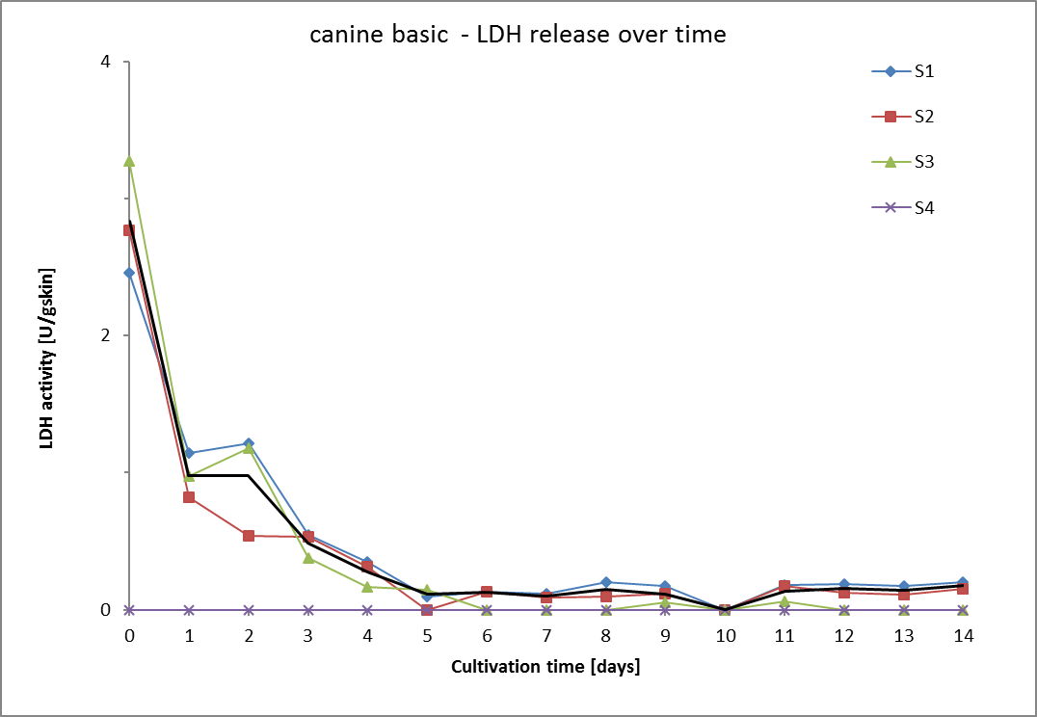
Time point |  | t0 Monday |  |  |  |  |  |  |  | t1 |  |  |  |  |  |  |  | t2 |  |  |  |  |  |  |  | t3 |  |  |  |  |  |  |  | t4 |  |  |  |  |  |  |  | t5
Date
Time of cultivation [days] |  | 0 |  |  |  |  |  |  |  | 1 |  |  |  |  |  |  |  | 2 |  |  |  |  |  |  |  | 3 |  |  |  |  |  |  |  | 4 |  |  |  |  |  |  |  | 7
Skin sample | Weight of punch [g] | Vol. Medium [mL] | Measur. Nr. | LDH activity [U/mL] | LDH activity [U/mL/gskin] | LDH activity [U/gskin] | Mean LDH activity [U/gskin] | SD [U/gskin] | RSD [%] | Vol. Medium [mL] | Measur. Nr. | LDH activity [U/mL] | LDH activity [U/mL/gskin] | LDH activity [U/gskin] | Mean LDH activity [U/gskin] | SD [U/gskin] | RSD [%] | Vol. Medium [mL] | Measur. Nr. | LDH activity [U/mL] | LDH activity [U/mL/gskin] | LDH activity [U/gskin] | Mean LDH activity [U/gskin] | SD [U/gskin] | RSD [%] | Vol. Medium [mL] | Measur. Nr. | LDH activity [U/mL] | LDH activity [U/mL/gskin] | LDH activity [U/gskin] | Mean LDH activity [U/gskin] | SD [U/gskin] | RSD [%] | Vol. Medium [mL] | Measur. Nr. | LDH activity [U/mL] | LDH activity [U/mL/gskin] | LDH activity [U/gskin] | Mean LDH activity [U/gskin] | SD [U/gskin] | RSD [%] | Vol. Medium [mL] | Measur. Nr. | LDH activity [U/mL] | LDH activity [U/mL/gskin] | LDH activity [U/gskin] | Mean LDH activity [U/gskin] | SD [U/gskin] | RSD [%]
S1 | 0.220 | 0.7 | 1 | 1.026 | 3.541 | 2.479 | 2.459 | 0.019 | 0.8 | 0.7 | 1 | 0.491 | 1.694 | 1.186 | 1.146 | 0 | 3.5 | 0.7 | 1 | 0.496 | 1.710 | 1.197 | 1.215 | 0.018 | 1.4 | 0.7 | 1 | 0.227 | 0.784 | 0.549 | 0.548 | 0.000 | 0.0 | 0.7 | 1 | 0.142 | 0.5 | 0.3 | 0.4 | 0.0 | 0.0 | 0.7 | 1 | 0.040 | 0.139 | 0.097 | 0.094 | 0.000 | 0.0
 |  |  | 2 | 1.010 | 3.485 | 2.440 |  |  |  |  | 2 | 0.458 | 1.580 | 1.106 |  |  |  |  | 2 | 0.510 | 1.760 | 1.232 |  |  |  |  | 2 | 0.227 | 0.783 | 0.548 |  |  |  |  | 2 | 0.146 | 0.5 | 0.4 |  |  |  |  | 2 | 0.039 | 0.135 | 0.094
S2 | 0.290 |  | 1 | 1.289 | 3.914 | 2.740 | 2.767 | 0.027 | 1.0 |  | 1 | 0.395 | 1.199 | 0.839 | 0.817 | 0.0 | 2.7 |  | 1 | 0.460 | 0.774 | 0.542 | 0.542 | 0.000 | 0.0 |  | 1 | 0.253 | 0.768 | 0.537 | 0.533 | 0.004 | 0.8 |  | 1 | 0.146 | 0.4 | 0.3 | 0.3 | 0.0 | 0.0 |  | 1 | 0.069 | 0.209 | 0.146 | 0.145 | 0.000 | 0.0
 |  |  | 2 | 1.314 | 3.991 | 2.794 |  |  |  |  | 2 | 0.374 | 1.137 | 0.796 |  |  |  |  | 2 | 0.479 | 0.774 | 0.542 |  |  |  |  | 2 | 0.249 | 0.755 | 0.529 |  |  |  |  | 2 | 0.148 | 0.4 | 0.3 |  |  |  |  | 2 | 0.068 | 0.207 | 0.145
S3 | 0.315 |  | 1 | 1.149 | 4.056 | 2.839 | 3.276 | 0.437 | 13.3 |  | 1 | 0.393 | 1.389 | 0.972 | 0.977 | 0.0 | 0.5 |  | 1 | 0.475 | 1.676 | 1.173 | 1.181 | 0.008 | 0.6 |  | 1 | 0.153 | 0.542 | 0.379 | 0.378 | 0.001 | 0.4 |  | 1 | 0.066 | 0.2 | 0.2 | 0.2 | 0.0 | 1.4 |  | 1 | 0.036 | 0.126 | 0.088 | 0.110 | 0.000 | 0.0
 |  |  | 2 | 1.503 | 5.305 | 3.714 |  |  |  |  | 2 | 0.397 | 1.402 | 0.982 |  |  |  |  | 2 | 0.481 | 1.698 | 1.188 |  |  |  |  | 2 | 0.152 | 0.538 | 0.376 |  |  |  |  | 2 | 0.067 | 0.2 | 0.2 |  |  |  |  | 2 | 0.045 | 0.157 | 0.110
S4 | 0.305 |  | 1 |  | 0.0 | 0.0 | 0.0 | 0.0 | #DIV/0! |  | 1 |  | 0.0 | 0.0 | 0.0 | 0.0 | #DIV/0! |  | 1 |  | 0.0 | 0.0 | 0.0 | 0.0 | #DIV/0! |  | 1 |  | 0.0 | 0.0 | 0.0 | 0.0 | #DIV/0! |  | 1 |  | 0.0 | 0.0 | 0.0 | 0.0 | #DIV/0! |  | 1 |  | 0.0 | 0.0 | 0.0 | 0.0 | #DIV/0!
 |  |  | 2 |  | 0.0 | 0.0 |  |  |  |  | 2 |  | 0.0 | 0.0 |  |  |  |  | 2 |  | 0.0 | 0.0 |  |  |  |  | 2 |  | 0.0 | 0.0 |  |  |  |  | 2 |  | 0.0 | 0.0 |  |  |  |  | 2 |  | 0.0 | 0.0
Sum LDH activity [U/g skin] |  | 8.5 |  |  |  |  |  |  |  | 2.9 |  |  |  |  |  |  |  | 2.9 |  |  |  |  |  |  |  | 1.5 |  |  |  |  |  |  |  | 0.8 |  |  |  |  |  |  |  | 0.3
Mean LDH activity [U/gskin] |  | 2.8 |  |  |  |  |  |  |  | 1.0 |  |  |  |  |  |  |  | 1.0 |  |  |  |  |  |  |  | 0.5 |  |  |  |  |  |  |  | 0.3 |  |  |  |  |  |  |  | 0.1
SD [U/g skin] |  | 0.3 |  |  |  |  |  |  |  | 0.1 |  |  |  |  |  |  |  | 0.3 |  |  |  |  |  |  |  | 0.1 |  |  |  |  |  |  |  | 0.1 |  |  |  |  |  |  |  | 0.0
RSD [%] |  | 11.9 |  |  |  |  |  |  |  | 13.7 |  |  |  |  |  |  |  | 31.6 |  |  |  |  |  |  |  | 15.8 |  |  |  |  |  |  |  | 29.3 |  |  |  |  |  |  |  | 18.2

 |  | t6 |  |  |  |  |  |  |  | t7 |  |  |  |  |  |  |  | t8 |  |  |  |  |  |  |  | t9 |  |  |  |  |  |  |  | t10 |  |  |  |  |  |  |  | t11 |  |  |  |  |  |  |  | t12 |  |  |  |  |  |  |  | t13 |  |  |  |  |  |  |  | t14

 |  | 8 |  |  |  |  |  |  |  | 9 |  |  |  |  |  |  |  | 10 |  |  |  |  |  |  |  | 11 |  |  |  |  |  |  |  | 14
 |  | Vol. Medium [mL] | Measur. Nr. | LDH activity [U/mL] | LDH activity [U/mL/gskin] | LDH activity [U/gskin] | Mean LDH activity [U/gskin] | SD [U/gskin] | RSD [%] | Vol. Medium [mL] | Measur. Nr. | LDH activity [U/mL] | LDH activity [U/mL/gskin] | LDH activity [U/gskin] | Mean LDH activity [U/gskin] | SD [U/gskin] | RSD [%] | Vol. Medium [mL] | Measur. Nr. | LDH activity [U/mL] | LDH activity [U/mL/gskin] | LDH activity [U/gskin] | Mean LDH activity [U/gskin] | SD [U/gskin] | RSD [%] | Vol. Medium [mL] | Measur. Nr. | LDH activity [U/mL] | LDH activity [U/mL/gskin] | LDH activity [U/gskin] | Mean LDH activity [U/gskin] | SD [U/gskin] | RSD [%] | Vol. Medium [mL] | Measur. Nr. | LDH activity [U/mL] | LDH activity [U/mL/gskin] | LDH activity [U/gskin] | Mean LDH activity [U/gskin] | SD [U/gskin] | RSD [%] | Vol. Medium [mL] | Measur. Nr. | LDH activity [U/mL] | LDH activity [U/mL/gskin] | LDH activity [U/gskin] | Mean LDH activity [U/gskin] | SD [U/gskin] | RSD [%] | Vol. Medium [mL] | Measur. Nr. | LDH activity [U/mL] | LDH activity [U/mL/gskin] | LDH activity [U/gskin] | Mean LDH activity [U/gskin] | SD [U/gskin] | RSD [%] | Vol. Medium [mL] | Measur. Nr. | LDH activity [U/mL] | LDH activity [U/mL/gskin] | LDH activity [U/gskin] | Mean LDH activity [U/gskin] | SD [U/gskin] | RSD [%] | Vol. Medium [mL] | Measur. Nr. | LDH activity [U/mL] | LDH activity [U/mL/gskin] | LDH activity [U/gskin] | Mean LDH activity [U/gskin] | SD [U/gskin] | RSD [%]
 |  | 0.7 | 1 | 0.056 | 0.193 | 0.135 | 0.128 | 0.007 | 5.5 | 0.7 | 1 | 0.047 | 0.162 | 0.113 | 0.114 | 0.001 | 0.9 | 0.7 | 1 | 0.086 | 0.296 | 0.207 | 0.202 | 0.005 | 2.67 | 0.7 | 1 | 0.079 | 0.3 | 0.2 | 0.174 | 0.018 | 10.3 | 0.7 | 1 | 0.067 | 0.231 | 0.162 | 0.158 | 0.003 | 2.2 | 0.7 | 1 | 0.074 | 0.254 | 0.178 | 0.178 | 0.000 | 0.1 | 0.7 | 1 | 0.08 | 0.26 | 0.18 | 0.18 | 0.00 | 0.6 | 0.7 | 1 | 0.078 | 0.268 | 0.187 | 0.171 | 0.016 | 9.37 | 0.7 | 1 | 0.085 | 0.294 | 0.206 | 0.203 | 0.002 | 1.13
 |  |  | 2 | 0.050 | 0.173 | 0.121 |  |  |  |  | 2 | 0.048 | 0.165 | 0.115 |  |  |  |  | 2 | 0.081 | 0.281 | 0.197 |  |  |  |  | 2 | 0.065 | 0.2 | 0.2 |  |  |  |  | 2 | 0.064 | 0.221 | 0.155 |  |  |  |  | 2 | 0.074 | 0.254 | 0.177 |  |  |  |  | 2 | 0.08 | 0.26 | 0.18 |  |  |  |  | 2 | 0.064 | 0.222 | 0.155 |  |  |  |  | 2 | 0.083 | 0.287 | 0.201
 |  |  | 1 | 0.060 | 0.183 | 0.128 | 0.128 | 0.000 | 0.0 |  | 1 | 0.037 | 0.113 | 0.079 | 0.086 | 0.007 | 7.8 |  | 1 | 0.043 | 0.131 | 0.092 | 0.096 | 0.004 | 4.29 |  | 1 | 0.055 | 0.2 | 0.1 | 0.116 | 0.000 | 0.1 |  | 1 | 0.057 | 0.174 | 0.122 | 0.122 | 0.000 | 0.1 |  | 1 | 0.084 | 0.256 | 0.179 | 0.174 | 0.005 | 2.8 |  | 1 | 0.06 | 0.17 | 0.12 | 0.12 | 0.00 | 1.6 |  | 1 | 0.052 | 0.157 | 0.110 | 0.113 | 0.003 | 2.80 |  | 1 | 0.070 | 0.212 | 0.148 | 0.149 | 0.001 | 0.59
 |  |  | 2 |  | 0.0 | 0.0 |  |  |  |  | 2 | 0.043 | 0.132 | 0.092 |  |  |  |  | 2 | 0.047 | 0.143 | 0.100 |  |  |  |  | 2 | 0.055 | 0.2 | 0.1 |  |  |  |  | 2 | 0.057 | 0.174 | 0.122 |  |  |  |  | 2 | 0.080 | 0.241 | 0.169 |  |  |  |  | 2 | 0.06 | 0.18 | 0.13 |  |  |  |  | 2 | 0.055 | 0.166 | 0.116 |  |  |  |  | 2 | 0.071 | 0.214 | 0.150
 |  |  | 1 |  | 0.0 | 0.0 | 0.0 | 0.0 | #DIV/0! |  | 1 |  | 0.0 | 0.0 | 0.0 | 0.0 | #DIV/0! |  | 1 |  | 0.0 | 0.0 | 0.0 | 0.0 | #DIV/0! |  | 1 | 0.021 | 0.1 | 0.1 | 0.055 | 0.002 | 3.2 |  | 1 | 0.020 | 0.069 | 0.049 | 0.047 | 0.002 | 3.4 |  | 1 | 0.025 | 0.088 | 0.061 | 0.061 | 0.000 | 0.0 |  | 1 |  | 0 | 0 | 0.0 | 0.0 | #DIV/0! |  | 1 |  | 0 | 0 | 0.0 | 0.0 | #DIV/0! |  | 1 |  | 0.0 | 0.0 | 0.0 | 0.0 | #DIV/0!
 |  |  | 2 |  | 0.0 | 0.0 |  |  |  |  | 2 |  | 0.0 | 0.0 |  |  |  |  | 2 |  | 0.0 | 0.0 |  |  |  |  | 2 | 0.023 | 0.1 | 0.1 |  |  |  |  | 2 | 0.018 | 0.065 | 0.045 |  |  |  |  | 2 |  | 0 | 0 |  |  |  |  | 2 |  | 0 | 0 |  |  |  |  | 2 |  | 0 | 0 |  |  |  |  | 2 |  | 0.0 | 0.0
 |  |  | 1 |  | 0.0 | 0.0 | 0.0 | 0.0 | #DIV/0! |  | 1 |  | 0.0 | 0.0 | 0.0 | 0.0 | #DIV/0! |  | 1 |  | 0.0 | 0.0 | 0.0 | 0.0 | #DIV/0! |  | 1 |  | 0.0 | 0.0 | 0.0 | 0.0 | #DIV/0! |  | 1 |  | 0 | 0 | 0.0 | 0.0 | #DIV/0! |  | 1 |  | 0 | 0 | 0.0 | 0.0 | #DIV/0! |  | 1 |  | 0 | 0 | 0.0 | 0.0 | #DIV/0! |  | 1 |  | 0 | 0 | 0.0 | 0.0 | #DIV/0! |  | 1 |  | 0.0 | 0.0 | 0.0 | 0.0 | #DIV/0!
 |  |  | 2 |  | 0.0 | 0.0 |  |  |  |  | 2 |  | 0.0 | 0.0 |  |  |  |  | 2 |  | 0.0 | 0.0 |  |  |  |  | 2 |  | 0.0 | 0.0 |  |  |  |  | 2 |  | 0 | 0 |  |  |  |  | 2 |  | 0 | 0 |  |  |  |  | 2 |  | 0 | 0 |  |  |  |  | 2 |  | 0 | 0 |  |  |  |  | 2 |  | 0.0 | 0.0
Sum LDH activity [U/g skin] |  | 0.3 |  |  |  |  |  |  |  | 0.2 |  |  |  |  |  |  |  | 0.3 |  |  |  |  |  |  |  | 0.3 |  |  |  |  |  |  |  | 0.3 |  |  |  |  |  |  |  | 0.4 |  |  |  |  |  |  |  | 0.3 |  |  |  |  |  |  |  | 0.3 |  |  |  |  |  |  |  | 0.4
Mean LDH activity [U/gskin] |  | 0.1 |  |  |  |  |  |  |  | 0.1 |  |  |  |  |  |  |  | 0.1 |  |  |  |  |  |  |  | 0.1 |  |  |  |  |  |  |  | 0.1 |  |  |  |  |  |  |  | 0.1 |  |  |  |  |  |  |  | 0.2 |  |  |  |  |  |  |  | 0.14 |  |  |  |  |  |  |  | 0.18
SD [U/g skin] |  | 0.0 |  |  |  |  |  |  |  | 0.0 |  |  |  |  |  |  |  | 0.1 |  |  |  |  |  |  |  | 0.0 |  |  |  |  |  |  |  | 0.0 |  |  |  |  |  |  |  | 0.1 |  |  |  |  |  |  |  | 0.0 |  |  |  |  |  |  |  | 0.03 |  |  |  |  |  |  |  | 0.03
RSD [%] |  | 0.2 |  |  |  |  |  |  |  | 14.2 |  |  |  |  |  |  |  | 35.7 |  |  |  |  |  |  |  | 42.3 |  |  |  |  |  |  |  | 42.5 |  |  |  |  |  |  |  | 39.2 |  |  |  |  |  |  |  | 19.4 |  |  |  |  |  |  |  | 20.6 |  |  |  |  |  |  |  | 15.3

 |  | empty field=value out of linear range |  |  |  |  |  |  |  |  |  |  |  |  | days | 0 | 1 | 2 | 3 | 4 | 5 | 6 | 7 | 8 | 9 | 10 | 11 | 12 | 13 | 14
 |  |  |  |  |  |  |  |  |  |  |  |  |  | LDH [U/gskin] | S1 | 2.5 | 1.1 | 1.2 | 0.5 | 0.4 | 0.1 | 0.1 | 0.1 | 0.2 | 0.2 | 0.0 | 0.17763968521 | 0.18350065898 | 0.17125912903 | 0.20326558945
 |  |  |  |  |  |  |  |  |  |  |  |  |  |  | S2 | 2.8 | 0.8 | 0.5 | 0.5 | 0.3 | 0.0 | 0.1 | 0.1 | 0.1 | 0.1 | 0.0 | 0.1739835446 | 0.12397016784 | 0.11276751518 | 0.14921612284
 |  |  |  |  |  |  |  |  |  |  |  |  |  |  | S3 | 3.3 | 1.0 | 1.2 | 0.4 | 0.2 | 0.1 | 0.0 | 0.0 | 0.0 | 0.1 | 0.0 | 0.061299252935 | 0 | 0 | 0
 |  |  |  |  |  |  |  |  |  |  |  |  |  |  | S4 | 0.0 | 0.0 | 0.0 | 0.0 | 0.0 | 0.0 | 0.0 | 0.0 | 0.0 | 0.0 | 0.0 | 0 | 0 | 0 | 0
 |  |  |  |  |  |  |  |  |  |  |  |  |  |  | mean | 2.8 | 1.0 | 1.0 | 0.5 | 0.3 | 0.1 | 0.1 | 0.1 | 0.1 | 0.1 | 0.0 | 0.13764082758 | 0.15373541341 | 0.14201332211 | 0.17624085615
 |  |  |  |  |  |  |  |  |  |  |  |  |  |  | SD | 0.3 | 0.1 | 0.3 | 0.1 | 0.1 | 0.0 | 0.0 | 0.0 | 0.1 | 0.0 | 0.0 | 0.054002276839 | 0.029765245569 | 0.029245806927 | 0.027024733304
 |  |  |  |  |  |  |  |  |  |  |  |  |  |  | sum | 8.5024655452 | 2.9404035188 | 2.9372517697 | 1.4589686952 | 0.83107560379 | 0.34946498435 | 0.25624494849 | 0.19997208354 | 0.29780482235 | 0.34498659574 | 0.32731882596 | 0.41292248275 | 0.30747082683 | 0.28402664421 | 0.35248171229

canine S1
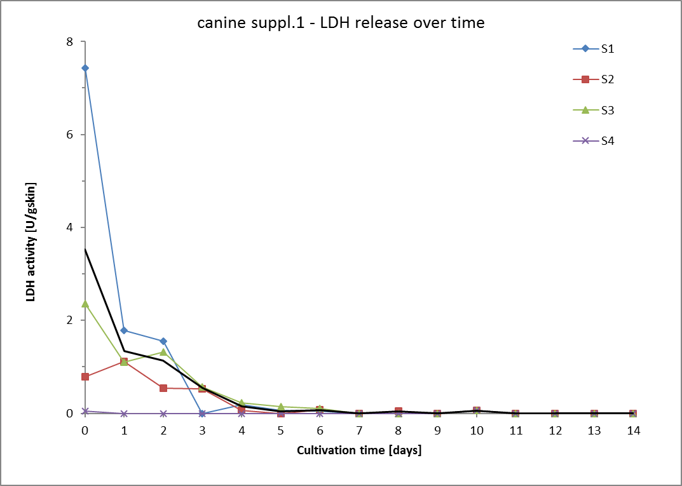
Time point |  | t0 Monday |  |  |  |  |  |  |  | t1 |  |  |  |  |  |  |  | t2 |  |  |  |  |  |  |  | t3 |  |  |  |  |  |  |  | t4 |  |  |  |  |  |  |  | t5
Date
Time of cultivation [days] |  | 0 |  |  |  |  |  |  |  | 1 |  |  |  |  |  |  |  | 2 |  |  |  |  |  |  |  | 3 |  |  |  |  |  |  |  | 4 |  |  |  |  |  |  |  | 7
Skin sample | Weight of punch [g] | Vol. Medium [mL] | Measur. Nr. | LDH activity [U/mL] | LDH activity [U/mL/gskin] | LDH activity [U/gskin] | Mean LDH activity [U/gskin] | SD [U/gskin] | RSD [%] | Vol. Medium [mL] | Measur. Nr. | LDH activity [U/mL] | LDH activity [U/mL/gskin] | LDH activity [U/gskin] | Mean LDH activity [U/gskin] | SD [U/gskin] | RSD [%] | Vol. Medium [mL] | Measur. Nr. | LDH activity [U/mL] | LDH activity [U/mL/gskin] | LDH activity [U/gskin] | Mean LDH activity [U/gskin] | SD [U/gskin] | RSD [%] | Vol. Medium [mL] | Measur. Nr. | LDH activity [U/mL] | LDH activity [U/mL/gskin] | LDH activity [U/gskin] | Mean LDH activity [U/gskin] | SD [U/gskin] | RSD [%] | Vol. Medium [mL] | Measur. Nr. | LDH activity [U/mL] | LDH activity [U/mL/gskin] | LDH activity [U/gskin] | Mean LDH activity [U/gskin] | SD [U/gskin] | RSD [%] | Vol. Medium [mL] | Measur. Nr. | LDH activity [U/mL] | LDH activity [U/mL/gskin] | LDH activity [U/gskin] | Mean LDH activity [U/gskin] | SD [U/gskin] | RSD [%]
S1 | 0.311 | 0.7 | 1 | 3.100 | 10.693 | 7.485 | 7.432 | 0.000 | 0.00 | 0.7 | 1 | 0.731 | 2.522 | 1.766 | 1.785 | 0.00 | 0.00 | 0.7 | 1 | 0.628 | 2.2 | 1.5 | 1.55 | 0.00 | 0.00 | 0.7 | 1 |  | 0 | 0 | 0.00 | 0.00 | #DIV/0! | 0.7 | 1 | 0.078 | 0.270 | 0.189 | 0.19 | 0.00 | 0.00 | 0.7 | 1 |  | 0 | 0 | 0.061 | 0.000 | 0.0
 |  |  | 2 | 3.078 | 10.617 | 7.432 |  |  |  |  | 2 | 0.747 | 2.576 | 1.803 |  |  |  |  | 2 | 0.655 | 2.3 | 1.6 |  |  |  |  | 2 |  | 0 | 0 |  |  |  |  | 2 | 0.077 | 0.266 | 0.186 |  |  |  |  | 2 | 0.025 | 0.087 | 0.061
S2 | 0.293 |  | 1 | 0.372 | 1.129 | 0.790 | 0.790 | 0.000 | 0.00 |  | 1 | 0.520 | 1.579 | 1.105 | 1.117 | 0.00 | 0.00 |  | 1 | 0.569 | 0.8 | 0.5 | 0.54 | 0.00 | 0.00 |  | 1 | 0.242 | 0.735 | 0.514 | 0.52 | 0.00 | 0.0 |  | 1 | 0.027 | 0.082 | 0.057 | 0.06 | 0.00 | 0.00 |  | 1 | 0.058 | 0 | 0.124 | 0.149 | 0.026 | 17.3
 |  |  | 2 | 0.988 | 3.000 | 2.100 |  |  |  |  | 2 | 0.531 | 1.613 | 1.129 |  |  |  |  | 2 | 0.558 | 0.8 | 0.5 |  |  |  |  | 2 | 0.251 | 0.764 | 0.534 |  |  |  |  | 2 | 0.027 | 0.082 | 0.057 |  |  |  |  | 2 | 0.082 | 0.250 | 0.175
S3 | 0.298 |  | 1 | 0.776 | 2.739 | 1.917 | 2.363 | 0.446 | 18.87 |  | 1 | 0.452 | 1.597 | 1.118 | 1.104 | 0.00 | 0.00 |  | 1 | 0.541 | 1.9 | 1.3 | 1.32 | 0.00 | 0.00 |  | 1 | 0.228 | 0.805 | 0.564 | 0.57 | 0.00 | 0.0 |  | 1 | 0.079 | 0.280 | 0.196 | 0.22 | 0.03 | 12.39 |  | 1 |  | 0 | 0 | 0.048 | 0.000 | 0.0
 |  |  | 2 | 1.136 | 4.012 | 2.809 |  |  |  |  | 2 | 0.441 | 1.557 | 1.090 |  |  |  |  | 2 | 0.524 | 1.9 | 1.3 |  |  |  |  | 2 | 0.237 | 0.835 | 0.585 |  |  |  |  | 2 | 0.102 | 0.359 | 0.252 |  |  |  |  | 2 | 0.019 | 0.068 | 0.048
S4 | 0.287 |  | 1 | 0.019 | 0.056 | 0.039 | 0.046 | 0.007 | 14.95 |  | 1 |  | 0.0 | 0.0 | 0.0 | 0.0 | #DIV/0! |  | 1 |  | 0 | 0 | 0.00 | 0.00 | #DIV/0! |  | 1 |  | 0 | 0 | 0.00 | 0.00 | #DIV/0! |  | 1 |  | 0 | 0 | 0.0 | 0.0 | #DIV/0! |  | 1 |  | 0 | 0 | 0.0 | 0.0 | #DIV/0!
 |  |  | 2 | 0.025 | 0.076 | 0.053 |  |  |  |  | 2 |  | 0.0 | 0.0 |  |  |  |  | 2 |  | 0 | 0 |  |  |  |  | 2 |  | 0 | 0 |  |  |  |  | 2 |  | 0 | 0 |  |  |  |  | 2 |  | 0 | 0
Sum LDH activity [U/g skin] |  | 10.6 |  |  |  |  |  |  |  | 4.0 |  |  |  |  |  |  |  | 3.4 |  |  |  |  |  |  |  | 1.1 |  |  |  |  |  |  |  | 0.5 |  |  |  |  |  |  |  | 0.3
Mean LDH activity [U/gskin] |  | 3.53 |  |  |  |  |  |  |  | 1.34 |  |  |  |  |  |  |  | 1.14 |  |  |  |  |  |  |  | 0.5 |  |  |  |  |  |  |  | 0.16 |  |  |  |  |  |  |  | 0.1
SD [U/g skin] |  | 2.83 |  |  |  |  |  |  |  | 0.32 |  |  |  |  |  |  |  | 0.43 |  |  |  |  |  |  |  | 0.0 |  |  |  |  |  |  |  | 0.07 |  |  |  |  |  |  |  | 0.0
RSD [%] |  | 80.3 |  |  |  |  |  |  |  | 23.8 |  |  |  |  |  |  |  | 37.9 |  |  |  |  |  |  |  | 4.5 |  |  |  |  |  |  |  | 45.7 |  |  |  |  |  |  |  | 52.5

 |  | t6 |  |  |  |  |  |  |  | t7 |  |  |  |  |  |  |  | t8 |  |  |  |  |  |  |  | t9 |  |  |  |  |  |  |  | t10 |  |  |  |  |  |  |  | t11 |  |  |  |  |  |  |  | t12 |  |  |  |  |  |  |  | t13 |  |  |  |  |  |  |  | t14

 |  | 8 |  |  |  |  |  |  |  | 9 |  |  |  |  |  |  |  | 10 |  |  |  |  |  |  |  | 11 |  |  |  |  |  |  |  | 14
 |  | Vol. Medium [mL] | Measur. Nr. | LDH activity [U/mL] | LDH activity [U/mL/gskin] | LDH activity [U/gskin] | Mean LDH activity [U/gskin] | SD [U/gskin] | RSD [%] | Vol. Medium [mL] | Measur. Nr. | LDH activity [U/mL] | LDH activity [U/mL/gskin] | LDH activity [U/gskin] | Mean LDH activity [U/gskin] | SD [U/gskin] | RSD [%] | Vol. Medium [mL] | Measur. Nr. | LDH activity [U/mL] | LDH activity [U/mL/gskin] | LDH activity [U/gskin] | Mean LDH activity [U/gskin] | SD [U/gskin] | RSD [%] | Vol. Medium [mL] | Measur. Nr. | LDH activity [U/mL] | LDH activity [U/mL/gskin] | LDH activity [U/gskin] | Mean LDH activity [U/gskin] | SD [U/gskin] | RSD [%] | Vol. Medium [mL] | Measur. Nr. | LDH activity [U/mL] | LDH activity [U/mL/gskin] | LDH activity [U/gskin] | Mean LDH activity [U/gskin] | SD [U/gskin] | RSD [%] | Vol. Medium [mL] | Measur. Nr. | LDH activity [U/mL] | LDH activity [U/mL/gskin] | LDH activity [U/gskin] | Mean LDH activity [U/gskin] | SD [U/gskin] | RSD [%] | Vol. Medium [mL] | Measur. Nr. | LDH activity [U/mL] | LDH activity [U/mL/gskin] | LDH activity [U/gskin] | Mean LDH activity [U/gskin] | SD [U/gskin] | RSD [%] | Vol. Medium [mL] | Measur. Nr. | LDH activity [U/mL] | LDH activity [U/mL/gskin] | LDH activity [U/gskin] | Mean LDH activity [U/gskin] | SD [U/gskin] | RSD [%] | Vol. Medium [mL] | Measur. Nr. | LDH activity [U/mL] | LDH activity [U/mL/gskin] | LDH activity [U/gskin] | Mean LDH activity [U/gskin] | SD [U/gskin] | RSD [%]
 |  | 0.7 | 1 |  | 0 | 0 | 0.045 | 0.000 | 0.0 | 0.7 | 1 |  | 0 | 0 | 0.0 | 0.0 | #DIV/0! | 0.7 | 1 |  | 0 | 0 | 0.0 | 0.0 | #DIV/0! | 0.7 | 1 |  | 0 | 0 | 0.0 | 0.0 | #DIV/0! | 0.7 | 1 |  | 0 | 0 | 0.0 | 0.0 | #DIV/0! | 0.7 | 1 |  | 0 | 0 | 0.0 | 0.0 | #DIV/0! | 0.7 | 1 |  | 0 | 0 | 0.0 | 0.0 | #DIV/0! | 0.7 | 1 |  | 0 | 0 | 0.0 | 0.0 | #DIV/0! | 0.7 | 1 |  | 0 | 0 | 0.0 | 0.0 | #DIV/0!
 |  |  | 2 | 0.018 | 0.064 | 0.045 |  |  |  |  | 2 |  | 0 | 0 |  |  |  |  | 2 |  | 0 | 0 |  |  |  |  | 2 |  | 0 | 0 |  |  |  |  | 2 |  | 0 | 0 |  |  |  |  | 2 |  | 0 | 0 |  |  |  |  | 2 |  | 0 | 0 |  |  |  |  | 2 |  | 0 | 0 |  |  |  |  | 2 |  | 0 | 0
 |  |  | 1 | 0.049 | 0.149 | 0.104 | 0.08 | 0.03 | 35.7 |  | 1 |  | 0 | 0 | 0.0 | 0.0 | #DIV/0! |  | 1 | 0.018 | 0.054 | 0.038 | 0.045 | 0.007 | 16.13 |  | 1 |  | 0 | 0 | 0.0 | 0.0 | #DIV/0! |  | 1 |  | 0 | 0 | 0.0 | 0.0 | #DIV/0! |  | 1 |  | 0 | 0 | 0.0 | 0.0 | #DIV/0! |  | 1 |  | 0 | 0 | 0.0 | 0.0 | #DIV/0! |  | 1 |  | 0 | 0 | 0.0 | 0.0 | #DIV/0! |  | 1 |  | 0 | 0 | 0.0 | 0.0 | #DIV/0!
 |  |  | 2 | 0.023 | 0.071 | 0.049 |  |  |  |  | 2 |  | 0 | 0 |  |  |  |  | 2 | 0.025 | 0.075 | 0.052 |  |  |  |  | 2 |  | 0 | 0 |  |  |  |  | 2 |  | 0 | 0 |  |  |  |  | 2 |  | 0 | 0 |  |  |  |  | 2 |  | 0 | 0 |  |  |  |  | 2 |  | 0 | 0 |  |  |  |  | 2 |  | 0 | 0
 |  |  | 1 |  | 0 | 0 | 0.10 | 0.00 | 0.0 |  | 1 |  | 0 | 0 | 0.0 | 0.0 | #DIV/0! |  | 1 |  | 0 | 0 | 0.0 | 0.0 | #DIV/0! |  | 1 |  | 0 | 0 | 0.0 | 0.0 | #DIV/0! |  | 1 |  | 0 | 0 | 0.0 | 0.0 | #DIV/0! |  | 1 |  | 0 | 0 | 0.0 | 0.0 | #DIV/0! |  | 1 |  | 0 | 0 | 0.0 | 0.0 | #DIV/0! |  | 1 |  | 0 | 0 | 0.0 | 0.0 | #DIV/0! |  | 1 |  | 0 | 0 | 0.0 | 0.0 | #DIV/0!
 |  |  | 2 | 0.041 | 0.146 | 0.102 |  |  |  |  | 2 |  | 0 | 0 |  |  |  |  | 2 |  | 0 | 0 |  |  |  |  | 2 |  | 0 | 0 |  |  |  |  | 2 |  | 0 | 0 |  |  |  |  | 2 |  | 0 | 0 |  |  |  |  | 2 |  | 0 | 0 |  |  |  |  | 2 |  | 0 | 0 |  |  |  |  | 2 |  | 0 | 0
 |  |  | 1 |  | 0 | 0 | 0.0 | 0.0 | #DIV/0! |  | 1 |  | 0 | 0 | 0.0 | 0.0 | #DIV/0! |  | 1 |  | 0 | 0 | 0.0 | 0.0 | #DIV/0! |  | 1 |  | 0 | 0 | 0.0 | 0.0 | #DIV/0! |  | 1 |  | 0 | 0 | 0.0 | 0.0 | #DIV/0! |  | 1 |  | 0 | 0 | 0.0 | 0.0 | #DIV/0! |  | 1 |  | 0 | 0 | 0.0 | 0.0 | #DIV/0! |  | 1 |  | 0 | 0 | 0.0 | 0.0 | #DIV/0! |  | 1 |  | 0 | 0 | 0.0 | 0.0 | #DIV/0!
 |  |  | 2 |  | 0 | 0 |  |  |  |  | 2 |  | 0 | 0 |  |  |  |  | 2 |  | 0 | 0 |  |  |  |  | 2 |  | 0 | 0 |  |  |  |  | 2 |  | 0 | 0 |  |  |  |  | 2 |  | 0 | 0 |  |  |  |  | 2 |  | 0 | 0 |  |  |  |  | 2 |  | 0 | 0 |  |  |  |  | 2 |  | 0 | 0
Sum LDH activity [U/g skin] |  | 0.2 |  |  |  |  |  |  |  | 0.0 |  |  |  |  |  |  |  | 0.0 |  |  |  |  |  |  |  | 0.0 |  |  |  |  |  |  |  | 0.0 |  |  |  |  |  |  |  | 0.0 |  |  |  |  |  |  |  | 0.0 |  |  |  |  |  |  |  | 0.0 |  |  |  |  |  |  |  | 0.0
Mean LDH activity [U/gskin] |  | 0.1 |  |  |  |  |  |  |  | 0.0 |  |  |  |  |  |  |  | 0.045 |  |  |  |  |  |  |  | 0.0 |  |  |  |  |  |  |  | 0.0 |  |  |  |  |  |  |  | 0.0 |  |  |  |  |  |  |  | 0.0 |  |  |  |  |  |  |  | 0.0 |  |  |  |  |  |  |  | 0.0
SD [U/g skin] |  | 0.0 |  |  |  |  |  |  |  | 0.0 |  |  |  |  |  |  |  | 0.00 |  |  |  |  |  |  |  | 0.0 |  |  |  |  |  |  |  | 0.0 |  |  |  |  |  |  |  | 0.0 |  |  |  |  |  |  |  | 0.0 |  |  |  |  |  |  |  | 0.0 |  |  |  |  |  |  |  | 0.0
RSD [%] |  | 31.6 |  |  |  |  |  |  |  | #DIV/0! |  |  |  |  |  |  |  | 0.0 |  |  |  |  |  |  |  | #DIV/0! |  |  |  |  |  |  |  | #DIV/0! |  |  |  |  |  |  |  | #DIV/0! |  |  |  |  |  |  |  | #DIV/0! |  |  |  |  |  |  |  | #DIV/0! |  |  |  |  |  |  |  | #DIV/0!

 |  | empty field=value out of linear range |  |  |  |  |  |  |  |  |  |  |  |  | days | 0 | 1 | 2 | 3 | 4 | 5 | 6 | 7 | 8 | 9 | 10 | 11 | 12 | 13 | 14
 |  |  |  |  |  |  |  |  |  |  |  |  |  | LDH [U/gskin] | S1 | 7.4 | 1.8 | 1.5 | 0.0 | 0.2 | 0.1 | 0.0 | 0.0 | 0.0 | 0.0 | 0.1 | 0 | 0 | 0 | 0
 |  |  |  |  |  |  |  |  |  |  |  |  |  |  | S2 | 0.8 | 1.1 | 0.5 | 0.5 | 0.1 | 0.0 | 0.1 | 0.0 | 0.0 | 0.0 | 0.1 | 0 | 0 | 0 | 0
 |  |  |  |  |  |  |  |  |  |  |  |  |  |  | S3 | 2.4 | 1.1 | 1.3 | 0.6 | 0.2 | 0.1 | 0.1 | 0.0 | 0.0 | 0.0 | 0.1 | 0 | 0 | 0 | 0
 |  |  |  |  |  |  |  |  |  |  |  |  |  |  | S4 | 0.0 | 0.0 | 0.0 | 0.0 | 0.0 | 0.0 | 0.0 | 0.0 | 0.0 | 0.0 | 0.1 | 0 | 0 | 0 | 0
 |  |  |  |  |  |  |  |  |  |  |  |  |  |  | mean | 3.5 | 1.3 | 1.1 | 0.5 | 0.2 | 0.0 | 0.1 | 0.0 | 0.0 | 0.0 | 0.1 | 0 | 0 | 0 | 0
 |  |  |  |  |  |  |  |  |  |  |  |  |  |  | SD | 2.8 | 0.3 | 0.4 | 0.0 | 0.1 | 0.0 | 0.0 | 0.0 | 0.0 | 0.0 | 0.1 | 0 | 0 | 0 | 0
 |  |  |  |  |  |  |  |  |  |  |  |  |  |  | sum | 10.585418406 | 4.005518494 | 3.4069254669 | 1.0986370079 | 0.46727856495 | 0.25797348468 | 0.22352006815 | 0 | 0.044976547285 | 0 | 0 | 0 | 0 | 0 | 0

Summary
 | human viabilität % | 70.973176319 | 69.524051355 | 65.310750018 | 65.130895305 | 61.975274212 | 56.654823701 | 54.05132047 | 53.260468479 | 53.007395311 | 52.849932977 | 52.669757612 | 52.402784598 | 52.161671473 | 52.099360033 | 52.049056206
 |  | 81.056231182 | 75.129339014 | 65.501766191 | 56.007187448 | 52.221847833 | 52.080952904 | 51.976367058 | 51.976367058 | 51.904377992 | 51.904377992 | 51.904377992 | 51.904377992 | 51.904377992 | 51.904377992 | 51.904377992
 |  | 69.251523386 | 68.184694516 | 64.496574557 | 61.24146561 | 60.122909064 | 59.007457031 | 58.091143634 | 57.302940377 | 57.009241366 | 56.717247255 | 56.436926148 | 56.139059438 | 55.773118562 | 55.406867085 | 55.120548661
 | schwein viabilität % | 66.447030906 | 55.874817174 | 55.163836214 | 54.135024228 | 53.387256132 | 52.60245431 | 52.23077244 | 51.965973772 | 51.79002241 | 51.589915392 | 51.380601224 | 51.221250126 | 51.055673014 | 50.853797814 | 50.632252236
 |  | 65.999674432 | 55.081841572 | 52.550533208 | 50.478308905 | 49.268076941 | 48.875441784 | 48.71209815 | 48.592470502 | 48.551522931 | 48.469323733 | 48.395966747 | 48.277048272 | 47.984315539 | 47.857174585 | 47.719176954
 |  | 69.941164736 | 61.480127814 | 59.29603907 | 57.895853448 | 56.628118479 | 56.155877051 | 55.97933372 | 55.83312215 | 55.745045251 | 55.634363426 | 55.519389737 | 55.368435939 | 55.173213728 | 55.048728912 | 54.853054429
 | hund viabilität % | 85.156051004 | 80.022575352 | 74.894602151 | 72.347475464 | 70.896549987 | 70.286439852 | 69.839077034 | 69.489957665 | 68.970037935 | 68.367746352 | 67.796299878 | 67.075403069 | 66.538608037 | 66.042742808 | 65.427365947
 |  | 81.519547468 | 74.526550918 | 68.578602338 | 66.660557317 | 65.844763457 | 65.39438289 | 65.004152495 | 65.004152495 | 64.925630616 | 64.925630616 | 64.925630616 | 64.925630616 | 64.925630616 | 64.925630616 | 64.925630616
 |  | 83.11767933 | 77.586297835 | 71.326660354 | 69.838834449 | 69.105149027 | 68.882253136 | 68.706670346 | 68.602510023 | 68.45824299 | 68.281950015 | 68.281950015 | 68.111525181 | 68.111525181 | 67.921284097 | 67.831608001

Human |  | 0 | 1 | 2 | 3 | 4 | 5 | 6 | 7 | 8 | 9 | 10 | 11 | 12 | 13 | 14
 | sum noncumulated | 47.338 | 2.363 | 6.871 | 0.293 | 5.146 | 8.677 | 4.246 | 1.290 | 0.413 | 0.257 | 0.294 | 0.435 | 0.393 | 0.305 | 0.246
 | release in % | 9.68 | 0.48 | 1.40 | 0.06 | 1.05 | 1.74 | 0.87 | 0.26 | 0.08 | 0.05 | 0.06 | 0.09 | 0.08 | 0.06 | 0.05
Nativ | mean | 15.779 | 0.788 | 2.290 | 0.098 | 1.715 | 2.842 | 1.415 | 0.430 | 0.138 | 0.086 | 0.098 | 0.145 | 0.131 | 0.102 | 0.082
 | kumulativ sum | 47.338 | 49.701 | 56.573 | 56.866 | 62.012 | 70.689 | 74.935 | 76.225 | 76.637 | 76.894 | 77.188 | 77.623 | 78.017 | 78.118 | 78.200
 | 163.084 | 29.03 | 30.48 | 34.69 | 34.87 | 38.02 | 43.35 | 45.95 | 46.74 | 46.99 | 47.15 | 47.33 | 47.60 | 47.84 | 47.90 | 47.95
 | SD | 3.5 | 0.4 | 0.6 | 0.0 | 0.9 | 0.0 | 0.2 | 0.2 | 0.0 | 0.0 | 0.0 | 0.0059405707049 | 0.0078195155896 | 0.016267252833 | 0.013805031297
 | sum noncumulated | 30.894 | 9.666 | 15.701 | 15.484 | 6.173 | 0.230 | 0.171 | 0.000 | 0.117 | 0.000 | 0.000 | 0.000 | 0.000 | 0.000 | 0.000
 | release in % | 6.1 | 2.0 | 3.2 | 3.1 | 1.3 | 0.1 | 0.0 | 0.0 | 0.1 | 0.0 | 0.0 | 0 | 0 | 0 | 0.028766498067
suppl.1 | mean | 9.944 | 3.236 | 5.181 | 5.109 | 2.047 | 0.103 | 0.056 | 0.000 | 0.119 | 0.000 | 0.000 | 0.000 | 0.000 | 0.000 | 0.047
 | kumulativ sum | 30.894 | 40.560 | 56.261 | 71.745 | 77.919 | 78.148 | 78.319 | 78.319 | 78.436 | 78.436 | 78.436 | 78.436 | 78.436 | 78.436 | 78.436
 | 163.084 | 18.94 | 24.87 | 34.50 | 43.99 | 47.78 | 47.92 | 48.02 | 48.02 | 48.10 | 48.10 | 48.10 | 48.10 | 48.10 | 48.10 | 48.10
 | SD | 9.9662398551 | 3.5170875121 | 0.58163716963 | 0.98470559501 | 0.76987053072 | 0 | 0.0028198934186 | 0 | 0 | 0 | 0 | 0 | 0 | 0 | 0
 | sum | 50.145845601 | 1.7398271941 | 6.0147335542 | 5.3085618757 | 1.8241867577 | 1.8191237934 | 1.4943605394 | 1.2854334006 | 0.47897609524 | 0.4761956748 | 0.45715887498 | 0.48577294527 | 0.59679101876 | 0.59729755869 | 0.46693953822
 | release in % | 10.249492205 | 0.35560962328 | 1.2293733197 | 1.0850363158 | 0.37285218205 | 0.46825791544 | 0.30543779881 | 0.2627344192 | 0.097899670362 | 0.097331370091 | 0 | 0.09928890332 | 0.12198029211 | 0.12208382566 | 0.095439474591
suppl.2 | mean | 16.715 | 0.580 | 2.005 | 1.770 | 0.608 | 0.764 | 0.498 | 0.428 | 0.160 | 0.159 | 0.000 | 0.162 | 0.199 | 0.199 | 0.156
 | kumulativ sum | 50.146 | 51.886 | 57.900 | 63.209 | 65.033 | 66.852 | 68.347 | 69.632 | 70.111 | 70.587 | 71.044 | 71.530 | 72.127 | 72.724 | 73.191
 | 163.084 | 30.75 | 31.82 | 35.50 | 38.76 | 39.88 | 40.99 | 41.91 | 42.70 | 42.99 | 43.28 | 43.56 | 43.86 | 44.23 | 44.59 | 44.88
 | SD | 7.2078016393 | 0.089028050501 | 0.22138232553 | 0.1305623762 | 0.03663427295 | 0 | 0.084254853895 | 0.005320163724 | 0.021661505226 | 0.02192067727 | 0 | 0.030688065568 | 0.026605375154 | 0.043865243658 | 0.020333397804
 | mean human | 14.146163327 | 1.534468864 | 3.1589074634 | 2.3253682039 | 1.4569700644 | 1.23633509 | 0.65655209695 | 0.2861318291 | 0.13858570613 | 0.081443505458 | 0.032648576778 | 0.10235146852 | 0.1100008829 | 0.10023972502 | 0.0948658542
 | mean hund kumul. | 42.792735557 | 47.382379216 | 56.911374138 | 63.940045783 | 68.321306822 | 71.89654162 | 73.866815129 | 74.725210617 | 75.061577479 | 75.305907996 | 75.556240018 | 75.863294423 | 76.193297072 | 76.426269588 | 76.609261932
 | mean hund % | 8.6741576901 | 0.94090705651 | 1.9369818397 | 1.4258714551 | 0.8933862699 | 0.75809710948 | 0.40258523028 | 0.1754505832 | 0.084978113201 | 0.049939605024 | 0.020019484914 | 0.062759969417 | 0.067450444495 | 0.061465088553 | 0.058169933408
 | mean hund % kumul. | 26.239689704 | 29.053971705 | 34.896969745 | 39.206817213 | 41.893322964 | 44.085588788 | 45.293722946 | 45.820074696 | 46.026328444 | 46.176147259 | 46.329646083 | 46.517925991 | 46.720277324 | 46.86313163 | 46.975339047
 | mean % viabilität | 73.760310296 | 70.946028295 | 65.103030255 | 60.793182787 | 58.106677036 | 55.914411212 | 54.706277054 | 54.179925304 | 53.973671556 | 53.823852741 | 53.670353917 | 53.482074009 | 53.279722676 | 53.13686837 | 53.024660953
 | SD |  |  |  |  |  |  |  |  |  |  |  |  | 0.034424890744
 | sum | 41.88484238 | 13.197505845 | 0.88753175269 | 1.2842865781 | 0.93345386967 | 0.9796838109 | 0.46397791218 | 0.33055347273 | 0.21964360466 | 0.24979759255 | 0.26129106179 | 0.19892116255 | 0.2066932208 | 0.25200484903 | 0.27655977656
Schwein | release in % | 11.215073058 | 3.5240712437 | 0.53323572042 | 0.77160898933 | 0.56082607204 | 0.37029361475 | 0.27876140264 | 0.19859900069 | 0.13196352177 | 0.1500802634 | 0.15698562575 | 0.11951332344 | 0.12418283421 | 0.15140639962 | 0.16615918388
Nativ | mean | 14.000 | 4.399 | 0.666 | 0.963 | 0.700 | 0.462 | 0.348 | 0.248 | 0.165 | 0.187 | 0.196 | 0.149 | 0.155 | 0.189 | 0.207
 | kumulativ sum | 41.885 | 55.082 | 55.970 | 57.254 | 58.188 | 59.167 | 59.631 | 59.962 | 60.181 | 60.431 | 60.693 | 60.891 | 61.098 | 61.350 | 61.627
 | 124.832 | 33.55 | 44.13 | 44.84 | 45.86 | 46.61 | 47.40 | 47.77 | 48.03 | 48.21 | 48.41 | 48.62 | 48.78 | 48.94 | 49.15 | 49.37
 | SD | 0.9 | 1.2374307043 | 0.26882926395 | 0.1720850738 | 0.13615555899 | 0 | 0.060350211061 | 0.054900130998 | 0.063492055138 | 0.054878582905 | 0.016023811818 | 0.02663603397 | 0.016396577936 | 0.0023611105703 | 0.024968315205
 | sum | 42.443286413 | 13.628949116 | 3.1598828572 | 2.5867990413 | 1.510756766 | 0.49013431881 | 0.2039051252 | 0.14933358506 | 0.051115672109 | 0.10261090291 | 0.091572992751 | 0.14844831062 | 0.36542412517 | 0.15871259601 | 0.17226520205
 | release in % | 11.295180723 | 3.63927762 | 0.84376945473 | 0.69074143418 | 0.40341065485 | 0.11382000107 | 0.054447878002 | 0.059813823804 | 0.040947571223 | 0.082199198048 | 0 | 0.059459237465 | 0.097577577644 | 0.063570477127 | 0.068998815227
...
Human |  | 0 | 1 | 2 | 3 | 4 | 5 | 6 | 7 | 8 | 9 | 10 | 11 | 12 | 13 | 14
 | mean hund % | 5.5785246887 | 1.9619837442 | 1.9261732512 | 0.85065923083 | 0.33337830649 | 0.091763609214 | 0.17644699899 | 0.092906669274 | 0.16091625917 | 0.10260402558 | 0.035485516895 | 0.099035738072 | 0.089465838797 | 0.10378210301 | 0.13245484217
 | mean hund % kumul. | 16.735574066 | 22.621525299 | 28.400045052 | 30.38437759 | 31.38451251 | 31.812308041 | 32.150033375 | 32.301126606 | 32.548696153 | 32.808224339 | 32.998706497 | 33.295813711 | 33.474745389 | 33.703447493 | 33.938465146
 | mean % viabilität | 83.264425934 | 77.378474701 | 71.599954948 | 69.61562241 | 68.61548749 | 68.187691959 | 67.849966625 | 67.698873394 | 67.451303847 | 67.191775661 | 67.001293503 | 66.704186289 | 66.525254611 | 66.296552507 | 66.061534854
 | SD | Positivkontrolle 100%: |  |  |  |  |  |  |  |  |  |  |  | 0.3
 |  | human: 163,1 U/g skin
 |  | Schwein: 124,8 U/g skin
 |  | Hund: 57,3 U/g skin

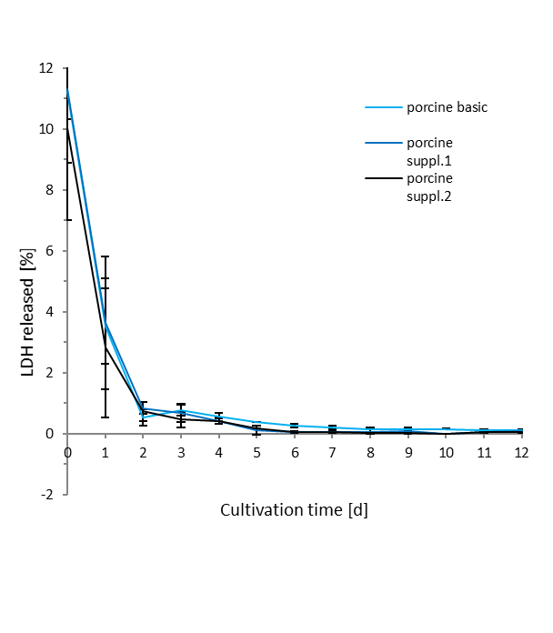
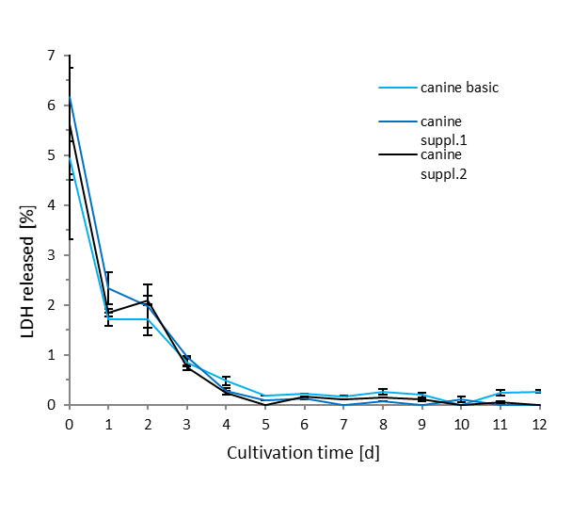
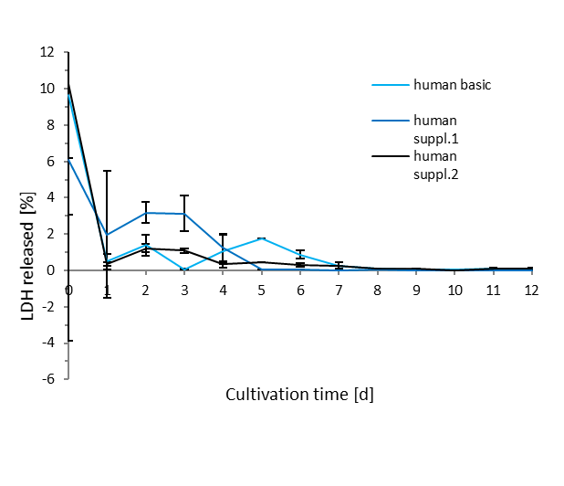

 | human LDH in % | porcine LDH in % | canine LDH in %
 | 46.720277324 | 48.59559924 | 33.474745389
 | human total LDH | porcine total LDH | canine total LDH
 | 76.193297072 | 60.662858443 | 19.173999411

cultivation day 14
cultivation day 14

 | human basic | human suppl.1 | human suppl.2 | canine basic | canine suppl.1 | canine suppl.2 | porcine basic | porcine suppl.1 | porcine suppl.2 | mean human | mean porcine | mean canine
 | 70.973176319 | 81.056231182 | 69.251523386 | 85.156051004 | 81.519547468 | 83.11767933 | 66.447030906 | 65.999674432 | 69.941164736 | 73.760310296 | 67.462623358 | 83.264425934
 | 69.524051355 | 75.129339014 | 68.184694516 | 80.022575352 | 74.526550918 | 77.586297835 | 55.874817174 | 55.081841572 | 61.480127814 | 70.946028295 | 57.478928853 | 77.378474701
 | 65.310750018 | 65.501766191 | 64.496574557 | 74.894602151 | 68.578602338 | 71.326660354 | 55.163836214 | 52.550533208 | 59.29603907 | 65.103030255 | 55.670136164 | 71.599954948
 | 65.130895305 | 56.007187448 | 61.24146561 | 72.347475464 | 66.660557317 | 69.838834449 | 54.135024228 | 50.478308905 | 57.895853448 | 60.793182787 | 54.16972886 | 69.61562241
 | 61.975274212 | 52.221847833 | 60.122909064 | 70.896549987 | 65.844763457 | 69.105149027 | 53.387256132 | 49.268076941 | 56.628118479 | 58.106677036 | 53.094483851 | 68.61548749
 | 56.654823701 | 52.080952904 | 59.007457031 | 70.286439852 | 65.39438289 | 68.882253136 | 52.60245431 | 48.875441784 | 56.155877051 | 55.914411212 | 52.544591048 | 68.187691959
 | 54.05132047 | 51.976367058 | 58.091143634 | 69.839077034 | 65.004152495 | 68.706670346 | 52.23077244 | 48.71209815 | 55.97933372 | 54.706277054 | 52.307401436 | 67.849966625
 | 53.260468479 | 51.976367058 | 57.302940377 | 69.489957665 | 65.004152495 | 68.602510023 | 51.965973772 | 48.592470502 | 55.83312215 | 54.179925304 | 52.130522141 | 67.698873394

 | human basic | human suppl.1 | human suppl.2 | porcine basic | porcine suppl.1 | porcine suppl.2 | canine basic | canine suppl.1 | canine suppl.2
human porcine canine | 52.161671473 | 51.904377992 | 55.773118562 | 51.055673014 | 47.984315539 | 55.173213728 | 65.427365947 | 64.925630616 | 67.831608001

human porcine canine

