Table 1
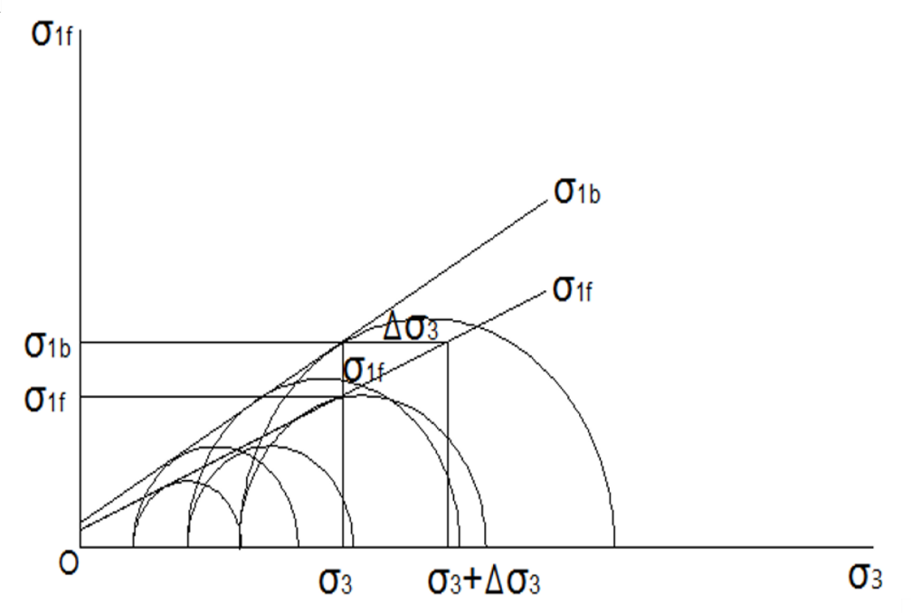
Table 1:
Shear strength indexes of soil-root composites.
Shear strength indexes
 | Root content (%) | CD |  | CU |  | UU
 |  | c/kPa | φ/(°) | c/kPa | φ/(°) | c/kPa | φ/(°)
Un-reinforced soil | 0.00% | 8.24 | 21.90 | 6.83 | 20.10 | 15.74 | 11.60
HR | 0.25% | 7.49 | 23.40 | 5.06 | 20.60 | 16.71 | 9.60
 | 0.50% | 14.10 | 25.30 | 11.41 | 21.08 | 14.03 | 11.40
 | 0.75% | 19.26 | 30.00 | 15.75 | 23.67 | 16.43 | 11.70
VR | 0.25% | 14.04 | 23.42 | 12.56 | 20.08 | 15.35 | 11.20
 | 0.50% | 21.69 | 24.42 | 20.73 | 22.00 | 13.27 | 11.40
 | 0.75% | 27.03 | 31.58 | 22.94 | 24.92 | 11.81 | 13.50
CR | 0.25% | 18.98 | 24.50 | 16.87 | 20.00 | 14.41 | 11.30
 | 0.50% | 23.27 | 28.42 | 22.47 | 22.92 | 14.34 | 12.00
 | 0.75% | 29.00 | 31.75 | 28.84 | 27.25 | 18.82 | 12.30

Notes:
CD denotes the consolidation drained condition; CU denotes the consolidation undrained condition; UU denotes the unconsolidated undrained condition; HR is horizontal root; VR is vertical root; CR is complex root.

