Tabelle1
Habitat | Microhabitat | Mh Short | Body length | Diameter Claw | Id LM Analysis | X LM1 | Y LM1 | X LM2 | Y LM2 | X LM3 | Y LM3 | X LM4 | Y LM4 | X LM5 | Y LM5 | X LM6
littoral | mix | mi | 346 | 29.6 | 149_agal_mi | 218.903628 | 206.026944 | 215.889936 | 203.835168 | 201.36942 | 229.862508 | 216.43788 | 207.122832 | 213.424188 | 207.122832 | 210.410496
littoral | mix | mi | 361 | 36.7 | 150_agal_mi | 305.752752 | 129.040812 | 307.122612 | 133.424364 | 342.191028 | 129.588756 | 309.314388 | 129.588756 | 312.32808 | 130.684644 | 315.0678
littoral | mix | mi | 345 | 34 | 151_agal_mi | 225.478956 | 161.917452 | 223.28718 | 158.081844 | 195.068064 | 176.163996 | 222.465264 | 162.191424 | 219.451572 | 162.191424 | 216.711852
littoral | mix | mi | 364 | 32 | 152_agal_mi | 244.930968 | 187.67082 | 246.5748 | 183.013296 | 214.794048 | 177.807828 | 242.739192 | 186.30096 | 240.821388 | 184.109184 | 239.451528
littoral | mix | mi | 368 | 33.9 | 153_agal_mi | 198.355728 | 141.917496 | 196.163952 | 146.027076 | 221.91732 | 165.479088 | 200.547504 | 144.109272 | 201.36942 | 146.848992 | 201.36942
littoral | mix | mi | 331 | 29.1 | 154_agal_mi | 150.136656 | 141.09558 | 146.027076 | 141.09558 | 161.64348 | 166.848948 | 150.6846 | 143.8353 | 149.31474 | 146.301048 | 148.218852 | 148.766796
littoral | mix | mi | 360 | 33.8 | 155_agal_mi | 173.424276 | 230.13648 | 169.314696 | 230.410452 | 170.410584 | 263.835036 | 172.328388 | 233.150172 | 170.958528 | 235.889892 | 168.766752 | 237.807696
littoral | mix | mi | 372 | 32.1 | 156_agal_mi | 218.903628 | 144.383244 | 214.794048 | 143.8353 | 214.794048 | 175.890024 | 218.355684 | 146.848992 | 216.43788 | 148.766796 | 214.246104 | 150.6846
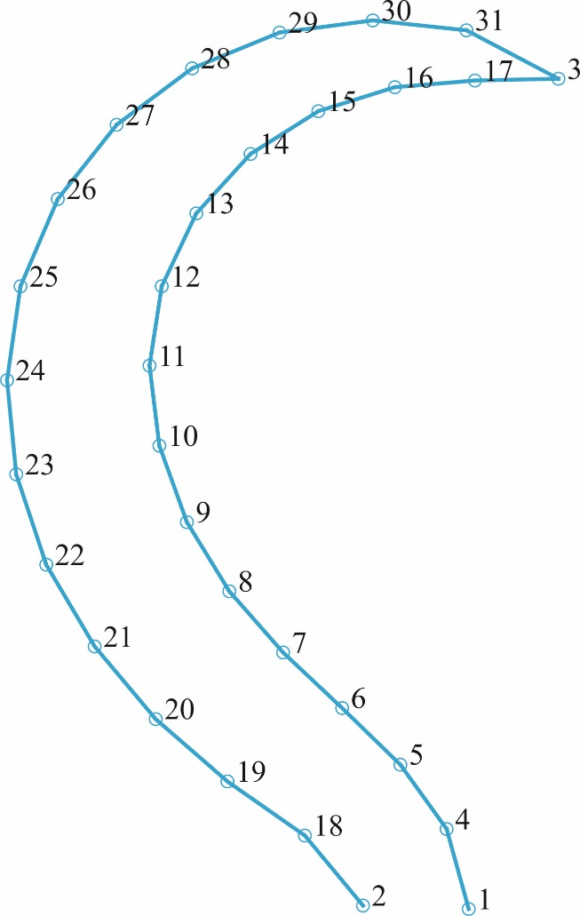
littoral | mix | mi | n.a. | 32.7 | 157_agal_mi | 197.807784 | 128.492868 | 195.616008 | 130.1367 | 223.013208 | 149.040768 | 199.99956 | 130.958616 | 200.821476 | 133.698336 | 201.095448 | 136.438056
littoral | rock | ro | 355 | 35.5 | 033_aine_ro | 238.84026 | 143.574032 | 235.871624 | 141.954776 | 242.8884 | 178.11816 | 238.300508 | 147.08242 | 236.411376 | 149.78118 | 233.982492 | 152.210064
littoral | rock | ro | 373 | 38.1 | 034_aine_ro | 265.075824 | 227.63117 | 261.30442 | 231.402574 | 298.749074 | 246.218804 | 268.03907 | 229.247486 | 269.924772 | 231.941346 | 271.002316 | 234.904592
littoral | rock | ro | 388 | 36.3 | 035_aine_ro | 216.85573 | 180.219234 | 210.659852 | 179.680462 | 219.010818 | 215.778186 | 215.778186 | 183.721252 | 213.892484 | 186.415112 | 211.737396 | 188.839586
littoral | rock | ro | 388 | 36.3 | 036_aine_ro | 162.97853 | 150.586774 | 156.782652 | 146.81537 | 135.501158 | 175.909058 | 159.476512 | 152.20309 | 155.974494 | 152.472476 | 152.472476 | 152.20309
littoral | rock | ro | 367 | 34.0 | 037_aine_ro | 301.451492 | 196.739604 | 297.133476 | 196.739604 | 310.087524 | 229.664476 | 301.181616 | 200.247992 | 299.292484 | 203.216628 | 297.133476 | 206.185264
littoral | rock | ro | 346 | 32.6 | 038_aine_ro | 229.664476 | 111.99854 | 227.775344 | 109.29978 | 199.978116 | 124.412836 | 226.69584 | 112.808168 | 223.727204 | 112.808168 | 221.028444 | 111.458788
31 Landmarks in analysis
Semilandmark curves (4-17; 18-31) have already been appended to landmarks and the resulting overlapping landmarks have already been deleted.
littoral | rock | ro | 370 | 32.2 | 039_aine_ro | 218.20266 | 135.231772 | 217.933274 | 139.272562 | 250.798366 | 137.38686 | 221.704678 | 136.309316 | 223.859766 | 138.73379 | 225.476082 | 141.697036
littoral | rock | ro | 387 | 29.2 | 040_aine_ro | 264.537052 | 272.07986 | 264.806438 | 276.659422 | 295.785828 | 268.847228 | 268.03907 | 272.888018 | 270.463544 | 275.043106 | 272.618632 | 277.736966
littoral | rock | ro | 373 | 34.0 | 041_aine_ro | 297.940916 | 87.011678 | 299.01846 | 90.24431 | 328.112148 | 71.117904 | 301.71232 | 86.472906 | 304.944952 | 87.55045 | 308.177584 | 88.89738
littoral | rock | ro | 367 | 34.0 | 042_aine_ro | 318.993432 | 253.143688 | 315.485044 | 256.652076 | 342.472644 | 280.940916 | 321.692192 | 256.112324 | 321.962068 | 259.620712 | 321.15244 | 263.1291
littoral | rock | ro | 390 | 35.9 | 043_aine_ro | 225.476082 | 158.129582 | 221.974064 | 155.435722 | 200.423184 | 183.451866 | 222.782222 | 159.745898 | 219.54959 | 160.823442 | 216.047572 | 160.554056
littoral | rock | ro | 399 | 35.9 | 044_aine_ro | 141.42765 | 219.54959 | 136.309316 | 219.54959 | 142.235808 | 254.030998 | 139.811334 | 222.782222 | 137.656246 | 225.476082 | 135.501158 | 228.169942
littoral | rock | ro | 372 | 35.9 | 045_aine_ro | 298.210302 | 185.87634 | 293.361354 | 185.87634 | 297.940916 | 221.435292 | 297.132758 | 189.647744 | 294.97767 | 191.802832 | 292.553196 | 193.95792
littoral | rock | ro | 372 | 35.9 | 046_aine_ro | 163.247916 | 165.941776 | 160.28467 | 163.517302 | 137.656246 | 189.647744 | 160.015284 | 168.096864 | 156.513266 | 168.096864 | 153.280634 | 167.558092
littoral | rock | ro | 387 | 29.2 | 047_aine_ro | 202.578272 | 165.403004 | 202.578272 | 160.823442 | 173.484584 | 166.749934 | 199.615026 | 164.32546 | 197.459938 | 161.900986 | 195.30485 | 159.207126
littoral | rock | ro | 372 | 36.6 | 048_aine_ro | 233.01889 | 145.46844 | 228.439328 | 147.892914 | 245.410646 | 178.872304 | 233.288276 | 148.970458 | 232.749504 | 152.20309 | 230.863802 | 155.435722
littoral | rock | ro | 399 | 35.5 | 081_aine_ro | 167.01932 | 143.852124 | 164.864232 | 145.46844 | 196.65178 | 162.170372 | 168.905022 | 146.81537 | 169.443794 | 150.317388 | 170.251952 | 153.55002
littoral | rock | ro | n.a. | 35.2 | 082_aine_ro | 140.33552 | 138.716264 | 137.097008 | 135.477752 | 111.99854 | 158.687088 | 137.097008 | 140.065644 | 133.858496 | 140.33552 | 130.350108 | 139.525892
littoral | rock | ro | 371 | 32.6 | 083_aine_ro | 224.93731 | 177.525374 | 220.89652 | 179.411076 | 249.720822 | 198.806868 | 226.553626 | 180.48862 | 226.553626 | 183.721252 | 226.823012 | 186.953884
littoral | rock | ro | 385 | 35.2 | 084_aine_ro | 136.578702 | 221.435292 | 131.190982 | 220.357748 | 124.995104 | 254.300384 | 134.154228 | 224.398538 | 131.190982 | 225.476082 | 127.95835 | 226.823012
littoral | rock | ro | n.a. | 33.7 | 085_aine_ro | 164.056074 | 119.607384 | 159.207126 | 118.260454 | 153.011248 | 151.394932 | 161.6316 | 122.301244 | 158.93774 | 123.91756 | 155.435722 | 125.26449
littoral | rock | ro | 389 | 35.5 | 086_aine_ro | 234.36582 | 247.565734 | 232.480118 | 242.4474 | 200.69257 | 256.186086 | 231.133188 | 247.565734 | 227.63117 | 246.48819 | 224.93731 | 244.333102
littoral | rock | ro | 371 | 33.7 | 087_aine_ro | 235.71275 | 185.606954 | 232.480118 | 188.5702 | 256.724858 | 211.46801 | 237.05968 | 189.378358 | 236.520908 | 192.880376 | 235.71275 | 196.113008
littoral | rock | ro | 381 | 33.7 | 088_aine_ro | 251.794308 | 235.601748 | 247.746168 | 237.49088 | 265.018232 | 266.097736 | 251.524432 | 239.649888 | 250.444928 | 242.8884 | 248.555796
littoral | rock | ro | 389 | 35.5 | 120_aine_ro | 234.904592 | 247.565734 | 232.210732 | 242.986172 | 200.961956 | 256.455472 | 231.402574 | 247.565734 | 227.900556 | 246.48819 | 224.667924
littoral | mix | mi | 302.7 | 25.4 | 187_aret_mi | 204.291822 | 129.957282 | 202.753866 | 131.751564 | 222.747294 | 148.66908 | 205.317126 | 132.00789 | 205.829778 | 134.57115 | 206.086104
littoral | mix | mi | 303 | 20.7 | 188_aret_mi | 204.291822 | 154.051926 | 201.984888 | 155.846208 | 217.8771 | 174.045354 | 205.317126 | 156.102534 | 205.573452 | 158.409468 | 205.317126
littoral | mix | mi | 286.1 | 20.2 | 189_aret_mi | 237.614202 | 231.462378 | 234.794616 | 233.000334 | 250.430502 | 252.224784 | 238.38318 | 233.512986 | 238.38318 | 236.076246 | 237.357876
littoral | mix | mi | 288.3 | 23.1 | 190_aret_mi | 217.8771 | 181.735134 | 214.801188 | 182.247786 | 227.873814 | 205.829778 | 218.646078 | 184.55472 | 218.389752 | 187.11798 | 216.851796
littoral | mix | mi | 304.1 | 20.5 | 191_aret_mi | 242.740722 | 131.495238 | 239.408484 | 130.72626 | 229.924422 | 153.539274 | 241.202766 | 133.545846 | 238.895832 | 134.827476 | 236.588898
littoral | mix | mi | 309.3 | 20.2 | 192_aret_mi | 150.207036 | 90.739404 | 148.156428 | 93.302664 | 168.662508 | 104.837334 | 151.488666 | 92.533686 | 152.001318 | 94.584294 | 152.001318
littoral | mix | mi | 305.1 | 23 | 193_aret_mi | 261.708846 | 161.229054 | 261.196194 | 164.561292 | 284.265534 | 170.713116 | 264.01578 | 162.76701 | 265.553736 | 164.561292 | 265.810062
littoral | mix | mi | 300.2 | 21.9 | 194_aret_mi | 203.522844 | 154.051926 | 204.291822 | 156.871512 | 228.899118 | 156.35886 | 206.598756 | 154.308252 | 208.393038 | 155.846208 | 209.418342
...

