Sheet1
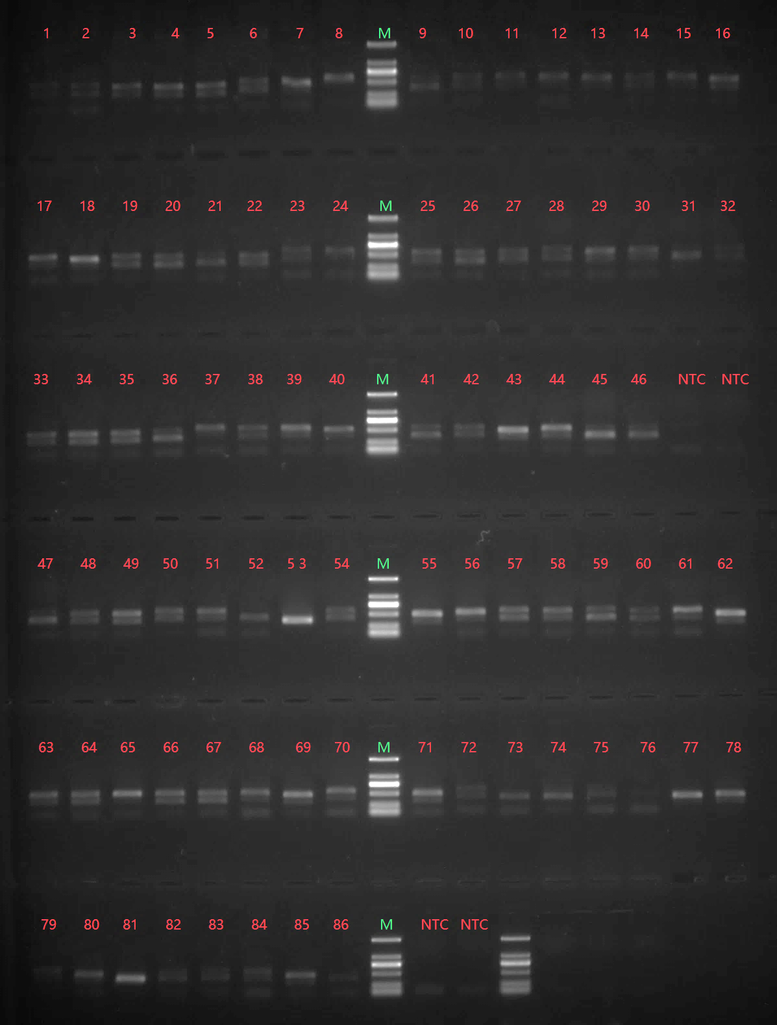
项目名称/Project name | 合同编号/Contract number | 文库类型/Library type | Sample ID | Sample Name | order number
青岛市口腔医院86个血液DNA样本16SV3-V4区MiseqPE300测序分析ZWY | AWGT19101811 | 16S V3-V4 | SD20191018218 | Q43 | 19 | A1a
青岛市口腔医院86个血液DNA样本16SV3-V4区MiseqPE300测序分析ZWY | AWGT19101811 | 16S V3-V4 | SD20191018219 | Q43B | 20 | A1b
青岛市口腔医院86个血液DNA样本16SV3-V4区MiseqPE300测序分析ZWY | AWGT19101811 | 16S V3-V4 | SD20191018220 | Q43c | 21 | A1c
青岛市口腔医院86个血液DNA样本16SV3-V4区MiseqPE300测序分析ZWY | AWGT19101811 | 16S V3-V4 | SD20191018221 | ZX | 22 | A2a
青岛市口腔医院86个血液DNA样本16SV3-V4区MiseqPE300测序分析ZWY | AWGT19101811 | 16S V3-V4 | SD20191018222 | Q40B | 23 | A2b
青岛市口腔医院86个血液DNA样本16SV3-V4区MiseqPE300测序分析ZWY | AWGT19101811 | 16S V3-V4 | SD20191018223 | Q40C | 24 | A2c
青岛市口腔医院86个血液DNA样本16SV3-V4区MiseqPE300测序分析ZWY | AWGT19101811 | 16S V3-V4 | SD20191018224 | Q57 | 25 | A3a
青岛市口腔医院86个血液DNA样本16SV3-V4区MiseqPE300测序分析ZWY | AWGT19101811 | 16S V3-V4 | SD20191018225 | Q57B | 26 | A3b
青岛市口腔医院86个血液DNA样本16SV3-V4区MiseqPE300测序分析ZWY | AWGT19101811 | 16S V3-V4 | SD20191018226 | Q57C | 27 | A3c
青岛市口腔医院86个血液DNA样本16SV3-V4区MiseqPE300测序分析ZWY | AWGT19101811 | 16S V3-V4 | SD20191018227 | Q61 | 28 | A4a
青岛市口腔医院86个血液DNA样本16SV3-V4区MiseqPE300测序分析ZWY | AWGT19101811 | 16S V3-V4 | SD20191018228 | Q61B | 29 | A4b
青岛市口腔医院86个血液DNA样本16SV3-V4区MiseqPE300测序分析ZWY | AWGT19101811 | 16S V3-V4 | SD20191018229 | Q61C | 30 | A4c
青岛市口腔医院86个血液DNA样本16SV3-V4区MiseqPE300测序分析ZWY | AWGT19101811 | 16S V3-V4 | SD20191018230 | Q55 | 31 | A5a
青岛市口腔医院86个血液DNA样本16SV3-V4区MiseqPE300测序分析ZWY | AWGT19101811 | 16S V3-V4 | SD20191018231 | Q55B | 32 | A5b
青岛市口腔医院86个血液DNA样本16SV3-V4区MiseqPE300测序分析ZWY | AWGT19101811 | 16S V3-V4 | SD20191018232 | Q55c | 33 | A5c
青岛市口腔医院86个血液DNA样本16SV3-V4区MiseqPE300测序分析ZWY | AWGT19101811 | 16S V3-V4 | SD20191018233 | Q69 | 34 | A6a
青岛市口腔医院86个血液DNA样本16SV3-V4区MiseqPE300测序分析ZWY | AWGT19101811 | 16S V3-V4 | SD20191018234 | Q69B | 35 | A6b
青岛市口腔医院86个血液DNA样本16SV3-V4区MiseqPE300测序分析ZWY | AWGT19101811 | 16S V3-V4 | SD20191018235 | Q25 | 36 | B1a
青岛市口腔医院86个血液DNA样本16SV3-V4区MiseqPE300测序分析ZWY | AWGT19101811 | 16S V3-V4 | SD20191018236 | Q25B | 37 | B1b
青岛市口腔医院86个血液DNA样本16SV3-V4区MiseqPE300测序分析ZWY | AWGT19101811 | 16S V3-V4 | SD20191018237 | Q25C | 38 | B1c
青岛市口腔医院86个血液DNA样本16SV3-V4区MiseqPE300测序分析ZWY | AWGT19101811 | 16S V3-V4 | SD20191018238 | Q28 | 39 | B2a
青岛市口腔医院86个血液DNA样本16SV3-V4区MiseqPE300测序分析ZWY | AWGT19101811 | 16S V3-V4 | SD20191018239 | Q28B | 40 | B2b
青岛市口腔医院86个血液DNA样本16SV3-V4区MiseqPE300测序分析ZWY | AWGT19101811 | 16S V3-V4 | SD20191018240 | Q28C | 41 | B2c
青岛市口腔医院86个血液DNA样本16SV3-V4区MiseqPE300测序分析ZWY | AWGT19101811 | 16S V3-V4 | SD20191018241 | JLH | 42 | B3a
青岛市口腔医院86个血液DNA样本16SV3-V4区MiseqPE300测序分析ZWY | AWGT19101811 | 16S V3-V4 | SD20191018242 | Q33B | 43 | B3b
青岛市口腔医院86个血液DNA样本16SV3-V4区MiseqPE300测序分析ZWY | AWGT19101811 | 16S V3-V4 | SD20191018243 | Q33C | 44 | B3c
青岛市口腔医院86个血液DNA样本16SV3-V4区MiseqPE300测序分析ZWY | AWGT19101811 | 16S V3-V4 | SD20191018244 | Q38 | 45 | B4a
青岛市口腔医院86个血液DNA样本16SV3-V4区MiseqPE300测序分析ZWY | AWGT19101811 | 16S V3-V4 | SD20191018245 | Q38B | 46 | B4b
青岛市口腔医院86个血液DNA样本16SV3-V4区MiseqPE300测序分析ZWY | AWGT19101811 | 16S V3-V4 |  | NTC | NTC
青岛市口腔医院86个血液DNA样本16SV3-V4区MiseqPE300测序分析ZWY | AWGT19101811 | 16S V3-V4 |  | NTC | NTC
青岛市口腔医院86个血液DNA样本16SV3-V4区MiseqPE300测序分析ZWY | AWGT19101811 | 16S V3-V4 | SD20191018246 | Q50 | 47 | B5a
青岛市口腔医院86个血液DNA样本16SV3-V4区MiseqPE300测序分析ZWY | AWGT19101811 | 16S V3-V4 | SD20191018247 | Q50B | 48 | B5b
青岛市口腔医院86个血液DNA样本16SV3-V4区MiseqPE300测序分析ZWY | AWGT19101811 | 16S V3-V4 | SD20191018248 | Q50C | 49 | B5c
青岛市口腔医院86个血液DNA样本16SV3-V4区MiseqPE300测序分析ZWY | AWGT19101811 | 16S V3-V4 | SD20191018249 | Q23 | 50 | C1a
青岛市口腔医院86个血液DNA样本16SV3-V4区MiseqPE300测序分析ZWY | AWGT19101811 | 16S V3-V4 | SD20191018250 | QL2 | 51 | C1b
青岛市口腔医院86个血液DNA样本16SV3-V4区MiseqPE300测序分析ZWY | AWGT19101811 | 16S V3-V4 | SD20191018251 | Q23C | 52 | C1c
青岛市口腔医院86个血液DNA样本16SV3-V4区MiseqPE300测序分析ZWY | AWGT19101811 | 16S V3-V4 | SD20191018252 | Q26 | 53 | C2a
青岛市口腔医院86个血液DNA样本16SV3-V4区MiseqPE300测序分析ZWY | AWGT19101811 | 16S V3-V4 | SD20191018253 | Q26B | 54 | C2b
青岛市口腔医院86个血液DNA样本16SV3-V4区MiseqPE300测序分析ZWY | AWGT19101811 | 16S V3-V4 | SD20191018254 | Q26C | 55 | C2c
青岛市口腔医院86个血液DNA样本16SV3-V4区MiseqPE300测序分析ZWY | AWGT19101811 | 16S V3-V4 | SD20191018255 | Q34 | 56 | C3a
青岛市口腔医院86个血液DNA样本16SV3-V4区MiseqPE300测序分析ZWY | AWGT19101811 | 16S V3-V4 | SD20191018256 | Q34B | 57 | C3b
青岛市口腔医院86个血液DNA样本16SV3-V4区MiseqPE300测序分析ZWY | AWGT19101811 | 16S V3-V4 | SD20191018257 | Q34C | 58 | C3c
青岛市口腔医院86个血液DNA样本16SV3-V4区MiseqPE300测序分析ZWY | AWGT19101811 | 16S V3-V4 | SD20191018258 | Q35 | 59 | C4a
青岛市口腔医院86个血液DNA样本16SV3-V4区MiseqPE300测序分析ZWY | AWGT19101811 | 16S V3-V4 | SD20191018259 | Q35B | 60 | C4b
青岛市口腔医院86个血液DNA样本16SV3-V4区MiseqPE300测序分析ZWY | AWGT19101811 | 16S V3-V4 | SD20191018260 | Q35C | 61 | C4c
青岛市口腔医院86个血液DNA样本16SV3-V4区MiseqPE300测序分析ZWY | AWGT19101811 | 16S V3-V4 | SD20191018261 | Q36 | 62 | C5a
青岛市口腔医院86个血液DNA样本16SV3-V4区MiseqPE300测序分析ZWY | AWGT19101811 | 16S V3-V4 | SD20191018262 | Q36B | 63 | C5b
青岛市口腔医院86个血液DNA样本16SV3-V4区MiseqPE300测序分析ZWY | AWGT19101811 | 16S V3-V4 | SD20191018263 | Q36C | 64 | C5c
青岛市口腔医院86个血液DNA样本16SV3-V4区MiseqPE300测序分析ZWY | AWGT19101811 | 16S V3-V4 | SD20191018264 | Q37 | 65 | C6a
青岛市口腔医院86个血液DNA样本16SV3-V4区MiseqPE300测序分析ZWY | AWGT19101811 | 16S V3-V4 | SD20191018265 | Q37B | 66 | C6b
青岛市口腔医院86个血液DNA样本16SV3-V4区MiseqPE300测序分析ZWY | AWGT19101811 | 16S V3-V4 | SD20191018266 | Q54 | 67 | A7a
青岛市口腔医院86个血液DNA样本16SV3-V4区MiseqPE300测序分析ZWY | AWGT19101811 | 16S V3-V4 | SD20191018267 | Q54B | 68 | A7b
青岛市口腔医院86个血液DNA样本16SV3-V4区MiseqPE300测序分析ZWY | AWGT19101811 | 16S V3-V4 | SD20191018268 | Q54C | 69 | A7c
青岛市口腔医院86个血液DNA样本16SV3-V4区MiseqPE300测序分析ZWY | AWGT19101811 | 16S V3-V4 | SD20191018269 | Q58 | 70 | C7a
青岛市口腔医院86个血液DNA样本16SV3-V4区MiseqPE300测序分析ZWY | AWGT19101811 | 16S V3-V4 | SD20191018270 | Q58B | 71 | C7b
青岛市口腔医院86个血液DNA样本16SV3-V4区MiseqPE300测序分析ZWY | AWGT19101811 | 16S V3-V4 | SD20191018271 | Q47 | 72 | A8a
青岛市口腔医院86个血液DNA样本16SV3-V4区MiseqPE300测序分析ZWY | AWGT19101811 | 16S V3-V4 | SD20191018272 | QB | 73 | A8b
青岛市口腔医院86个血液DNA样本16SV3-V4区MiseqPE300测序分析ZWY | AWGT19101811 | 16S V3-V4 | SD20191018273 | Q24 | 74 | B6a
青岛市口腔医院86个血液DNA样本16SV3-V4区MiseqPE300测序分析ZWY | AWGT19101811 | 16S V3-V4 | SD20191018274 | Q24B | 75 | B6b
青岛市口腔医院86个血液DNA样本16SV3-V4区MiseqPE300测序分析ZWY | AWGT19101811 | 16S V3-V4 | SD20191018275 | Q24C | 76 | B6c
青岛市口腔医院86个血液DNA样本16SV3-V4区MiseqPE300测序分析ZWY | AWGT19101811 | 16S V3-V4 | SD20191018276 | Q27 | 77 | B7a
青岛市口腔医院86个血液DNA样本16SV3-V4区MiseqPE300测序分析ZWY | AWGT19101811 | 16S V3-V4 | SD20191018277 | Q27B | 78 | B7b
青岛市口腔医院86个血液DNA样本16SV3-V4区MiseqPE300测序分析ZWY | AWGT19101811 | 16S V3-V4 | SD20191018278 | Q27C | 79 | B7c
青岛市口腔医院86个血液DNA样本16SV3-V4区MiseqPE300测序分析ZWY | AWGT19101811 | 16S V3-V4 | SD20191018279 | Q19 | 80 | C8a
青岛市口腔医院86个血液DNA样本16SV3-V4区MiseqPE300测序分析ZWY | AWGT19101811 | 16S V3-V4 | SD20191018280 | Q19B | 81 | C8b
青岛市口腔医院86个血液DNA样本16SV3-V4区MiseqPE300测序分析ZWY | AWGT19101811 | 16S V3-V4 | SD20191018281 | Q19C | 82 | C8c
青岛市口腔医院86个血液DNA样本16SV3-V4区MiseqPE300测序分析ZWY | AWGT19101811 | 16S V3-V4 | SD20191018282 | Q18B | 83 | C9b
青岛市口腔医院86个血液DNA样本16SV3-V4区MiseqPE300测序分析ZWY | AWGT19101811 | 16S V3-V4 | SD20191018283 | Q18C | 84 | C9c
青岛市口腔医院86个血液DNA样本16SV3-V4区MiseqPE300测序分析ZWY | AWGT19101811 | 16S V3-V4 | SD20191018284 | Q21 | 85 | C10a
青岛市口腔医院86个血液DNA样本16SV3-V4区MiseqPE300测序分析ZWY | AWGT19101811 | 16S V3-V4 | SD20191018285 | Q21B | 86 | C10b
青岛市口腔医院86个血液DNA样本16SV3-V4区MiseqPE300测序分析ZWY | AWGT19101811 | 16S V3-V4 |  | NTC | NTC
青岛市口腔医院86个血液DNA样本16SV3-V4区MiseqPE300测序分析ZWY | AWGT19101811 | 16S V3-V4 |  | NTC | NTC
 |  |  | SD20190916085 | Q65 |  | A9a
 |  |  | SD20190916086 | Q65B |  | A9b
 |  |  | SD20190916087 | Q18 |  | C9a
 |  |  | SD20190916088 | Q39 |  | B8a
 |  |  | SD20190916089 | Q39B |  | B8b

