GO_Analysis
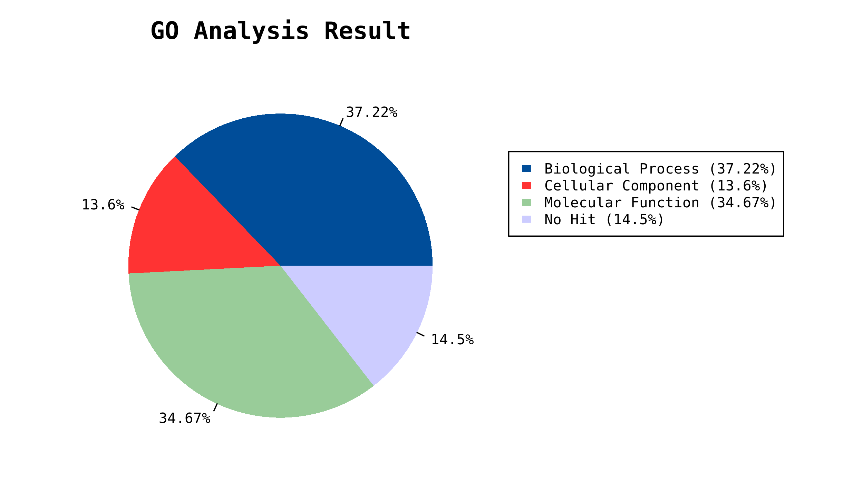
GO analysis result:
biological_process | 195.03531746 | Figure
cellular_component | 71.267857143 | Figure
molecular_function | 181.6968254 | Figure
No Hits | 76

biological_process | GO | Count | WeightedScore
 | GO:0008152 metabolic process | 112 | 37.429996429
 | GO:0009296 obsolete flagellum assembly | 2 | 1
 | GO:0009987 cellular process | 155 | 18.856668584
 | GO:0022610 biological adhesion | 1 | 0.083333333333
 | GO:0023052 signaling | 1 | 0.5
 | GO:0040011 locomotion | 33 | 10.125
 | GO:0045718 obsolete negative regulation of flagellum assembly | 1 | 0.5
 | GO:0050896 response to stimulus | 30 | 13.15828373
 | GO:0051179 localization | 89 | 42.282142857
 | GO:0051704 multi-organism process | 7 | 1.4833333333
 | GO:0065007 biological regulation | 54 | 20.988516865
 | GO:0071840 cellular component organization or biogenesis | 15 | 2.2574074074
 | GO:0098754 detoxification | 2 | 0.083333333333
 | Unclassified Unclassified | 129 | 46.287301587

cellular_component | GO | Count | WeightedScore
 | GO:0005576 extracellular region | 1 | 0.25
 | GO:0016020 membrane | 26 | 4.8333333333
 | GO:0031974 membrane-enclosed lumen | 1 | 0.0125
 | GO:0032991 protein-containing complex | 19 | 2.3609126984
 | GO:0043226 organelle | 6 | 1.0458333333
 | GO:0044421 extracellular region part | 1 | 0.020833333333
 | GO:0044422 organelle part | 24 | 4.1013888889
 | GO:0044425 membrane part | 24 | 5.4660714286
 | GO:0044464 cell part | 103 | 19.417460318
 | Unclassified Unclassified | 106 | 33.75952381

molecular_function | GO | Count | WeightedScore
 | GO:0003824 catalytic activity | 145 | 57.979365079
 | GO:0003840 obsolete gamma-glutamyltransferase activity | 1 | 0.5
 | GO:0004871 signal transducer activity | 27 | 11.416666667
 | GO:0005198 structural molecule activity | 29 | 11.5
 | GO:0005215 transporter activity | 73 | 28.046031746
 | GO:0005488 binding | 54 | 20.928571429
 | GO:0016209 antioxidant activity | 4 | 0.48333333333
 | GO:0016564 obsolete transcription repressor activity | 1 | 0.5
 | GO:0030508 obsolete thiol-disulfide exchange intermediate activity | 1 | 0.5
 | GO:0140104 molecular carrier activity | 1 | 0.25
 | GO:0140110 transcription regulator activity | 17 | 7.0833333333
 | Unclassified Unclassified | 123 | 42.50952381

