Fig. 1 2
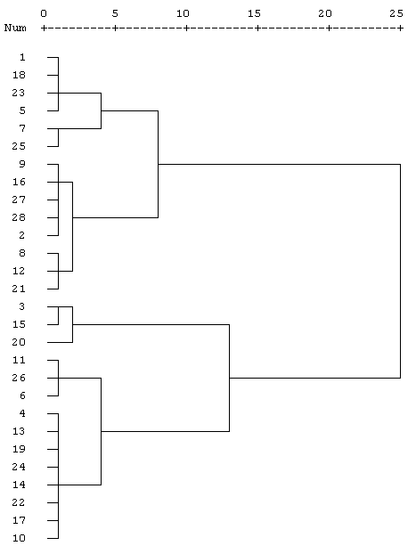
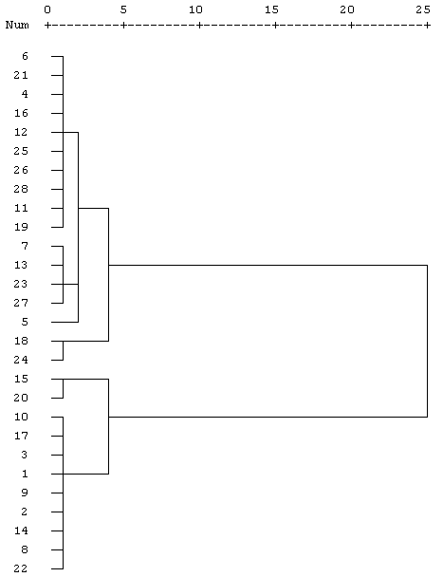
 | Cultivars | N21 | N210 | N21 | N210
1 | Gannong NO. 3 | 0.214 | 0.711 | 0.214 | 0.711
2 | Gannong NO. 4 | 0.384 | 0.769 | 0.384 | 0.769
3 | Gannong NO. 5 | 0.866 | 0.840 | 0.866 | 0.84
4 | Gannong NO. 7 | 0.593 | 0.267 | 0.593 | 0.267
5 | Gannong NO. 8 | 0.135 | 0.068 | 0.135 | 0.068
6 | Gannong NO. 9 | 0.711 | 0.286 | 0.711 | 0.286
7 | Longdong | 0.015 | 0.169 | 0.015 | 0.169
8 | Xinjiangdaye | 0.296 | 0.773 | 0.296 | 0.773
9 | Xinmu NO. 1 | 0.438 | 0.714 | 0.438 | 0.714
10 | Longmu 806 | 0.510 | 0.814 | 0.510 | 0.814
11 | Longmu 801 | 0.754 | 0.346 | 0.754 | 0.346
12 | Gongnong NO. 1 | 0.281 | 0.247 | 0.281 | 0.247
Very efficient
Efficient
Anti-efficient
Inefficient
13 | Gongnong NO. 3 | 0.604 | 0.166 | 0.604 | 0.166
14 | Zhaodong | 0.558 | 0.766 | 0.558 | 0.766
15 | LW6010 | 0.910 | 0.967 | 0.910 | 0.967
16 | Reindeer | 0.426 | 0.276 | 0.426 | 0.276
17 | Crown | 0.535 | 0.798 | 0.535 | 0.798
18 | Goldqueen | 0.214 | 0.468 | 0.214 | 0.468
19 | Giant 551 | 0.617 | 0.339 | 0.617 | 0.339
20 | Giant 601 | 0.998 | 0.980 | 0.998 | 0.980
21 | Giant 6 | 0.331 | 0.285 | 0.331 | 0.285
22 | Giant 2 | 0.548 | 0.747 | 0.548 | 0.747
23 | Sadie 7 | 0.179 | 0.183 | 0.179 | 0.183
24 | Sadie 10 | 0.579 | 0.420 | 0.579 | 0.420
25 | Tourists | 0.033 | 0.255 | 0.033 | 0.255
26 | Elite | 0.770 | 0.326 | 0.770 | 0.326
27 | Weston | 0.399 | 0.216 | 0.399 | 0.216
28 | Algonquin | 0.400 | 0.329 | 0.400 | 0.329

Fig. 3
A
C
B
 |  | N210 |  |  |  |  | N21
shoot dry weight |  | Ⅰ | Ⅱ | Ⅲ | Ⅳ | Ⅴ | Ⅰ | Ⅱ | Ⅲ | Ⅳ | Ⅴ | 0.0030550504633 | 0.0011547005384 | 0.011060440015 | 0.016502525059 | 0.020550750189 | 0.004 | 0.0041633319989 | 0.0089628864398 | 0.019502136635 | 0.020808652047
 | LW6010 | 0.125 | 0.541 | 0.801 | 1.018 | 1.217 | 0.058 | 0.349 | 0.501 | 0.790 | 0.882 | 0.0047258156263 | 0.0068068592856 | 0.020984120981 | 0.015874507866 | 0.028919428302 | 0.0026457513111 | 0.0030550504633 | 0.0026457513111 | 0.018 | 0.011590225767
 | Gannong NO.3 | 0.127 | 0.481 | 0.780 | 0.979 | 1.194 | 0.029 | 0.330 | 0.432 | 0.615 | 0.663 | 0.0025166114784 | 0.0075498344353 | 0.02761038452 | 0.01126942767 | 0.0068068592856 | 0.0040414518843 | 0.011718930554 | 0.019 | 0.0026457513111 | 0.014502873279
 | Gannong NO.7 | 0.088 | 0.384 | 0.556 | 0.768 | 0.898 | 0.052 | 0.340 | 0.484 | 0.769 | 0.835 | 0.0037859388972 | 0.011930353445 | 0.019857828011 | 0.0085049005481 | 0.010148891565 | 0.0015275252317 | 0.0035118845843 | 0.0040414518843 | 0.011372481406 | 0.0035118845843
 | Longdong | 0.083 | 0.371 | 0.545 | 0.755 | 0.866 | 0.029 | 0.324 | 0.410 | 0.590 | 0.641
 |  | 0.0031 | 0.0012 | 0.0111 | 0.0165 | 0.0206 | 0.0040 | 0.0042 | 0.0090 | 0.0195 | 0.0208
 |  | 0.0047 | 0.0068 | 0.0210 | 0.0159 | 0.0289 | 0.0026 | 0.0031 | 0.0026 | 0.0180 | 0.0116
 |  | 0.0025 | 0.0075 | 0.0276 | 0.0113 | 0.0068 | 0.0040 | 0.0117 | 0.0190 | 0.0026 | 0.0145
 |  | 0.0038 | 0.0119 | 0.0199 | 0.0085 | 0.0101 | 0.0015 | 0.0035 | 0.0040 | 0.0114 | 0.0035
 |  | a | a | a | a | a | a | a | a | a | a
 |  | a | a | a | b | a | b | bc | b | b | c
 |  | b | b | b | c | b | a | ab | a | a | b
 |  | b | b | b | c | b | b | c | c | b | c

 |  | N210 |  |  |  |  | N21
total root length |  | Ⅰ | Ⅱ | Ⅲ | Ⅳ | Ⅴ | Ⅰ | Ⅱ | Ⅲ | Ⅳ | Ⅴ
 | LW6010 | 67.3 | 163.0 | 340.8 | 445.6 | 467.9 | 87.0 | 188.6 | 338.2 | 372.5 | 440.8
 | Gannong NO.7 | 66.7 | 156.3 | 335.2 | 372.0 | 450.1 | 79.7 | 165.8 | 287.2 | 326.0 | 401.7
 | Gannong NO.7 | 60.0 | 154.4 | 326.0 | 360.9 | 429.4 | 86.4 | 167.8 | 320.4 | 343.7 | 401.8
 | Longdong | 58.8 | 152.9 | 315.7 | 346.7 | 403.2 | 79.4 | 165.1 | 282.5 | 324.6 | 388.5
 |  | 0.1798 | 0.7030 | 0.6076 | 3.1333 | 1.8277 | 0.2700 | 0.6097 | 2.3644 | 0.3777 | 2.7691
 |  | 0.2229 | 0.4723 | 1.2482 | 2.3818 | 1.9070 | 0.4796 | 0.2984 | 1.3404 | 0.8664 | 1.2924
 |  | 0.1447 | 0.2114 | 0.9303 | 0.7369 | 1.8418 | 0.4246 | 0.3849 | 0.5783 | 1.5338 | 1.9675
 |  | 0.1055 | 0.2968 | 1.3282 | 2.2226 | 1.9668 | 0.0997 | 0.6818 | 1.7688 | 1.7302 | 0.9627
 |  | a | a | a | a | a | a | a | a | a | a
 |  | a | ab | a | b | ab | b | b | b | b | b
 |  | b | b | ab | b | bc | a | b | a | ab | b
 |  | b | b | b | b | c | b | b | b | b | b

 |  | N210 |  |  |  |  | N21
whole plant nitrogen accumulation |  | Ⅰ | Ⅱ | Ⅲ | Ⅳ | Ⅴ | Ⅰ | Ⅱ | Ⅲ | Ⅳ | Ⅴ
 | LW6010 | 4.01 | 16.69 | 30.45 | 37.87 | 41.72 | 1.55 | 12.14 | 17.94 | 28.89 | 32.72
 | Gannong NO.3 | 4.11 | 15.88 | 28.64 | 35.73 | 41.38 | 1.09 | 11.67 | 16.44 | 23.83 | 26.49
 | Gannong NO.7 | 3.17 | 16.19 | 24.47 | 31.06 | 33.18 | 1.57 | 11.96 | 17.50 | 27.47 | 31.73
 | Longdong | 2.95 | 16.12 | 25.88 | 30.47 | 33.15 | 1.26 | 12.14 | 15.78 | 22.68 | 25.86
 |  | 0.0379 | 0.4271 | 1.1471 | 1.0106 | 1.8293 | 0.0757 | 0.5557 | 0.4727 | 0.7814 | 2.0469
 |  | 0.1825 | 0.0755 | 0.3509 | 1.1037 | 1.6757 | 0.0400 | 0.1450 | 0.2554 | 0.4500 | 0.4252
 |  | 0.1528 | 0.0416 | 1.0352 | 0.0351 | 0.7251 | 0.0265 | 0.3051 | 0.8997 | 0.6189 | 1.2513
 |  | 0.0700 | 0.2641 | 0.5331 | 1.0393 | 0.6174 | 0.0115 | 0.1422 | 0.5251 | 0.6519 | 0.6183
 |  | a | a | a | a | a | a | a | a | a | a
 |  | a | b | b | b | a | c | a | bc | b | b
 |  | b | b | c | c | b | a | a | ab | a | a
 |  | b | b | c | c | b | b | a | c | b | b

Fig. 4
 | NRT |  |  |  | SD
 | Stem-leaf |  | Root |  | Stem-leaf |  | Root
 | N210 | N21 | N210 | N21 | N210 | N21 | N210 | N21
LW6010 | 211.09 | 208.61 | 280.80 | 229.43 | 7.18 | 6.41 | 1.72 | 8.33
Gannong NO.3 | 151.06 | 137.51 | 275.58 | 178.20 | 16.06 | 0.63 | 18.29 | 3.92
Gannong NO.7 | 144.69 | 149.12 | 155.96 | 146.47 | 1.33 | 7.59 | 5.38 | 7.99
Longdong | 78.45 | 88.16 | 181.24 | 97.01 | 7.43 | 11.84 | 16.67 | 0.39
 | a | a | a | a
 | b | b | a | b
 | b | b | b | c
 | c | c | b | d

 | ATM |  |  |  | SD
 | Stem-leaf |  | Root |  | Stem-leaf |  | Root
 | N210 | N21 | N210 | N21 | N210 | N21 | N210 | N21
LW6010 | 8.12 | 5.36 | 8.55 | 7.23 | 0.33 | 0.14 | 0.69 | 0.62
Gannong NO.3 | 3.05 | 2.68 | 5.10 | 4.60 | 0.03 | 0.06 | 0.02 | 0.21
Gannong NO.7 | 3.03 | 3.53 | 5.91 | 4.87 | 0.06 | 0.10 | 0.08 | 0.26
Longdong | 2.35 | 2.20 | 3.91 | 3.54 | 0.14 | 0.03 | 0.05 | 0.05
 | a | a | a | a
 | b | c | b | bc
 | b | b | b | b
 | c | d | c | c

