fig2A
 |  | Control | NEDD4L
0h | cell viability | 0.37 | 0.35
 |  | 0.34 | 0.3
 |  | 0.3 | 0.37
 | Mean | 0.33666666667 | 0.34
 | SD | 0.035118845843 | 0.036055512755

 |  | Control | NEDD4L
24h | cell viability | 0.38 | 0.42
 |  | 0.4 | 0.36
 |  | 0.43 | 0.39
 | Mean | 0.40333333333 | 0.39
 | SD | 0.025166114784 | 0.03

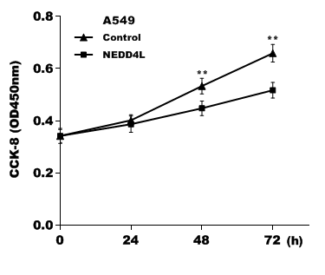
 |  | Control | NEDD4L
48h | cell viability | 0.51 | 0.43
 |  | 0.54 | 0.48
 |  | 0.56 | 0.43
 | Mean | 0.53666666667 | 0.44666666667
 | SD | 0.025166114784 | 0.028867513459

 |  | Control | NEDD4L
72h | cell viability | 0.67 | 0.49
 |  | 0.69 | 0.55
 |  | 0.63 | 0.52
 | Mean | 0.66333333333 | 0.52
 | SD | 0.030550504633 | 0.03

fig2C
 |  | N.C | siNEDD4Ls
0h | cell viability | 0.22 | 0.2
 |  | 0.25 | 0.24
 |  | 0.22 | 0.24
 | Mean | 0.23 | 0.22666666667
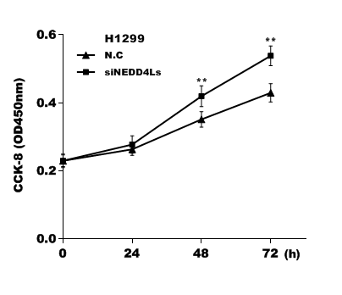
 | SD | 0.017320508076 | 0.023094010768

 |  | N.C | siNEDD4Ls
24h | cell viability | 0.26 | 0.24
 |  | 0.24 | 0.29
 |  | 0.27 | 0.3
 | Mean | 0.25666666667 | 0.27666666667
 | SD | 0.015275252317 | 0.032145502537

 |  | N.C | siNEDD4Ls
48h | cell viability | 0.36 | 0.44
 |  | 0.35 | 0.42
 |  | 0.32 | 0.39
 | Mean | 0.34333333333 | 0.41666666667
 | SD | 0.020816659995 | 0.025166114784

 |  | N.C | siNEDD4Ls
72h | cell viability | 0.42 | 0.56
 |  | 0.47 | 0.56
 |  | 0.41 | 0.51
 | Mean | 0.43333333333 | 0.54333333333
 | SD | 0.032145502537 | 0.028867513459

fig2F
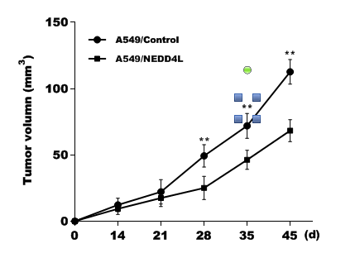
 |  | A549/Control | A549/NEDD4L
0d | cell viability | 0 | 0
 |  | 0 | 0
 |  | 0 | 0
 | Mean | 0 | 0
 | SD | 0 | 0

 |  | A549/Control | A549/NEDD4L
14d | cell viability | 13.95 | 13.95
 |  | 6.60 | 5.39
 |  | 16.31 | 8.70
 | Mean | 12.286666667 | 9.3466666667
 | SD | 5.0641912813 | 4.3164839086

 |  | A549/Control | A549/NEDD4L
21d | cell viability | 32.32 | 24.99
 |  | 14.61 | 14.00
 |  | 19.56 | 13.56
 | Mean | 22.163333333 | 17.516666667
 | SD | 9.1375069539 | 6.4758345666

 |  | A549/Control | A549/NEDD4L
28d | cell viability | 58.98 | 34.74
 |  | 43.22 | 23.00
 |  | 45.78 | 17.66
 | Mean | 49.326666667 | 25.133333333
 | SD | 8.4574543057 | 8.7375587742

 |  | A549/Control | A549/NEDD4L
35d | cell viability | 81.42 | 54.61
 |  | 62.74 | 42.00
 |  | 71.52 | 42.08
 | Mean | 71.893333333 | 46.23
 | SD | 9.3455943275 | 7.2574031168

 |  | A549/Control | A549/NEDD4L
45d | cell viability | 122.52 | 77.63
 |  | 104.19 | 62.12
 |  | 111.11 | 65.22
 | Mean | 112.60666667 | 68.323333333
 | SD | 9.2561997241 | 8.2074986039

