fig5A
 |  | N.C | siNEDD4Ls | siNEDD4Ls+RO4929097
0h | cell viability | 0.19 | 0.23 | 0.21
 |  | 0.21 | 0.21 | 0.21
 |  | 0.24 | 0.19 | 0.22
 | Mean | 0.21333333333 | 0.21 | 0.21333333333
 | SD | 0.025166114784 | 0.02 | 0.0057735026919

 |  | N.C | siNEDD4Ls | siNEDD4Ls+RO4929097
24h | cell viability | 0.22 | 0.23 | 0.23
 |  | 0.26 | 0.27 | 0.26
 |  | 0.22 | 0.24 | 0.23
 | Mean | 0.23333333333 | 0.24666666667 | 0.24
 | SD | 0.023094010768 | 0.020816659995 | 0.017320508076

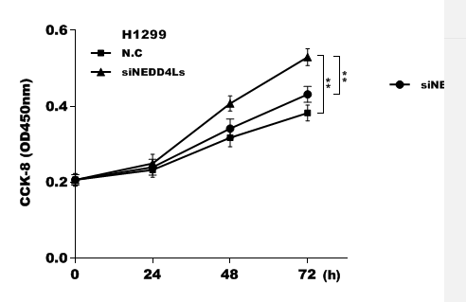
 |  | N.C | siNEDD4Ls | siNEDD4Ls+RO4929097
48h | cell viability | 0.34 | 0.41 | 0.34
 |  | 0.31 | 0.42 | 0.36
 |  | 0.31 | 0.39 | 0.31
 | Mean | 0.32 | 0.40666666667 | 0.33666666667
 | SD | 0.017320508076 | 0.015275252317 | 0.025166114784

 |  | N.C | siNEDD4Ls | siNEDD4Ls+RO4929097
72h | cell viability | 0.36 | 0.51 | 0.45
 |  | 0.39 | 0.54 | 0.44
 |  | 0.39 | 0.54 | 0.41
 | Mean | 0.38 | 0.53 | 0.43333333333
 | SD | 0.017320508076 | 0.017320508076 | 0.020816659995

fig5B
 |  | N.C | siNEDD4Ls | siNEDD4Ls+RO4929097
0h | cell viability | 0.26 | 0.26 | 0.31
 |  | 0.3 | 0.28 | 0.28
 |  | 0.29 | 0.29 | 0.26
 | Mean | 0.28333333333 | 0.27666666667 | 0.28333333333
 | SD | 0.020816659995 | 0.015275252317 | 0.025166114784

 |  | N.C | siNEDD4Ls | siNEDD4Ls+RO4929097
24h | cell viability | 0.35 | 0.36 | 0.31
 |  | 0.29 | 0.31 | 0.31
 |  | 0.3 | 0.36 | 0.35
 | Mean | 0.31333333333 | 0.34333333333 | 0.32333333333
 | SD | 0.032145502537 | 0.028867513459 | 0.023094010768

 |  | N.C | siNEDD4Ls | siNEDD4Ls+RO4929097
48h | cell viability | 0.41 | 0.45 | 0.4
 |  | 0.35 | 0.42 | 0.43
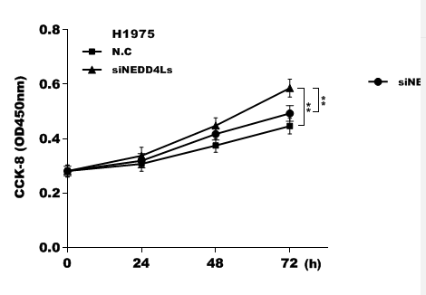
 |  | 0.37 | 0.48 | 0.43
 | Mean | 0.37666666667 | 0.45 | 0.42
 | SD | 0.030550504633 | 0.03 | 0.017320508076

 |  | N.C | siNEDD4Ls | siNEDD4Ls+RO4929097
72h | cell viability | 0.44 | 0.55 | 0.49
 |  | 0.48 | 0.61 | 0.46
 |  | 0.43 | 0.6 | 0.52
 | Mean | 0.45 | 0.58666666667 | 0.49
 | SD | 0.026457513111 | 0.032145502537 | 0.03

