SupportingfigS1ab
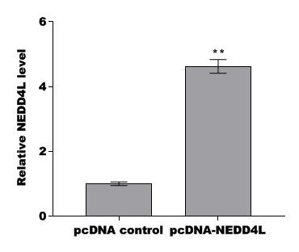
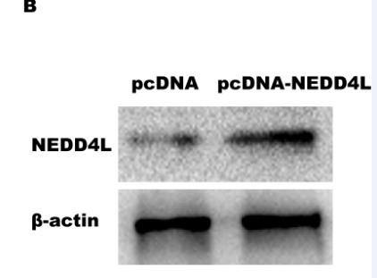
 | pcDNA control | pcDNA-NEDD4L
NEDD4L | 0.13 | 0.65
 | 0.11 | 0.49
 | 0.11 | 0.49
β-actin | 0.85 | 0.86
 | 0.84 | 0.84
 | 0.81 | 0.82

SupportingfigS1cd
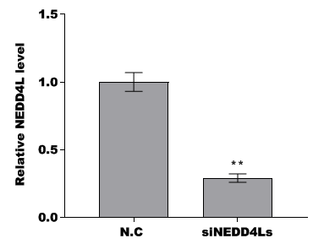
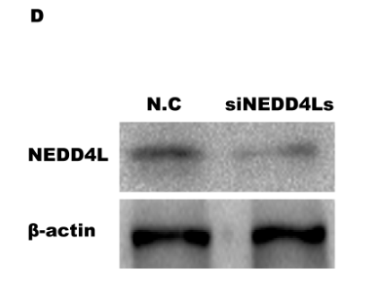
 | N.C | siNEDD4Ls
NEDD4L | 0.38 | 0.1
 | 0.36 | 0.1
 | 0.35 | 0.13
β-actin | 0.79 | 0.77
 | 0.78 | 0.79
 | 0.76 | 0.81

 | 0.48101265823 | 0.12987012987
 | 0.46153846154 | 0.12658227848
 | 0.46052631579 | 0.16049382716

