Sheet8
 |  |  | Gene expression analysis in T. aestivum, H. vulgare, R. sativu and E. Sativa plants treated with 25% aqueous extract of A. saligna leaves, after 6 days of treatment (DAT)

 |  |  |  |  |  | GENE 2 |  |  |  | GENE 3
 |  | GENE 1
 |  | CYP72A gene |  |  |  | CYP81A gene |  |  |  | GST gene

 | wheat | Barley | Raphanus sativus | Eruca Sativa | wheat | Barley | Raphanus sativus | Eruca Sativa | wheat | Barley | Raphanus sativus | Eruca Sativa

Control (C) | 1.25 | 1.38 | 1.24 | 1.54 | 1.52 | 1.62 | 1.2 | 1.53 | 1.42 | 1.72 | 1.14 | 1.75
25% A. saligna leaves | 3.76 | 2.84 | 2.28 | 5.24 | 3.18 | 2.64 | 2.13 | 3.82 | 3.22 | 2.49 | 1.98 | 3.4
β-Actin (Referebce) | 1.05 | 1.1 | 0.98 | 0.98 | 1.012 | 0.97 | 1.1 | 1.13 | 0.97 | 1.21 | 1.11 | 0.98

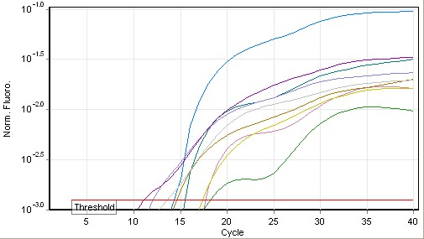
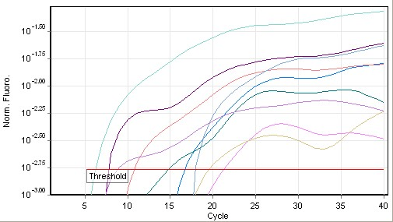
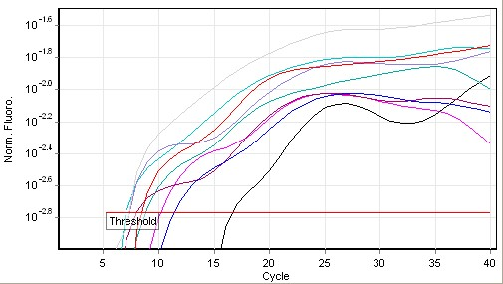

 |  |  |  |  |  |  |  |  | CYP81A gene |  |  |  | GST gene
 |  | CYP72A gene

