Eggs infectivity
 |  | Infectivity on eggs (Figure 2)

R: Independent experiment
 |  |  |  |  |  |  |  |  |  |  |  |  |  |  |  |  |  |  | ANOVA & TUKEY
 | R1 | STRAIN | EGGS (N) | INFECTED | % |  | INFECTIVITY (%)
 |  | Control | 20 | 0 | 0.0 | STRAIN | R1 | R2 | R3 | AVERAGE | S.D. | ARC SIN transformation
 |  | Ma002 | 20 | 5 | 25.0 | Control | 15 | 20 | 15 | 16.7 | 2.9
 |  | Ma003 | 20 | 8 | 40.0 | Ma002 | 25 | 10 | 15 | 16.7 | 7.6 | Treatment | Repetition | dead mites | % mortality | proportion | square root | arcsen
 |  | Ma014 | 20 | 17 | 85.0 | Ma003 | 40 | 15 | 5 | 20.0 | 18.0 | control | 1 | 0 | 0 | 0 | 0 | 0
 |  | Ma034 | 20 | 19 | 95.0 | Ma014 | 85 | 65 | 65 | 71.7 | 11.5 | control | 2 | 0 | 0 | 0 | 0 | 0
 |  | Bb016 | 20 | 4 | 20.0 | Ma034 | 95.0 | 70 | 80 | 81.7 | 12.6 | control | 3 | 0 | 0 | 0 | 0 | 0
 |  | Bb017 | 20 | 4 | 20.0 | Bb016 | 20.0 | 0 | 25 | 15.0 | 13.2 | Ma02 | 1 | 5 | 25 | 0.25 | 0.5 | 0.5235987756
 |  |  |  |  |  | Bb017 | 20 | 0 | 15 | 11.7 | 10.4 | Ma02 | 2 | 2 | 10 | 0.1 | 0.31622776602 | 0.3217505544
 |  |  |  |  |  |  |  |  |  |  |  | Ma02 | 3 | 3 | 15 | 0.15 | 0.38729833462 | 0.39769941509
 | R2 | STRAIN | EGGS (N) | INFECTED | % |  |  |  |  |  |  | Ma03 | 1 | 8 | 40 | 0.4 | 0.63245553203 | 0.684719203
 |  | Control | 20 | 0 | 0 |  |  |  |  |  |  | Ma03 | 2 | 3 | 15 | 0.15 | 0.38729833462 | 0.39769941509
b
 |  | Ma002 | 20 | 2 | 10 |  |  |  |  |  |  | Ma03 | 3 | 1 | 5 | 0.05 | 0.22360679775 | 0.2255134059
 |  | Ma003 | 20 | 3 | 15 |  |  |  |  |  |  | Ma14 | 1 | 17 | 85 | 0.85 | 0.92195444573 | 1.1730969117
b
 |  | Ma014 | 20 | 13 | 65 |  |  |  |  |  |  | Ma14 | 2 | 13 | 65 | 0.65 | 0.80622577483 | 0.93774449041
 |  | Ma034 | 20 | 14 | 70 |  |  |  |  |  |  | Ma14 | 3 | 17 | 85 | 0.85 | 0.92195444573 | 1.1730969117
 |  | Bb016 | 20 | 0 | 0 |  |  |  |  |  |  | Ma34 | 1 | 19 | 95 | 0.95 | 0.97467943448 | 1.3452829209
 |  | Bb017 | 20 | 0 | 0 |  |  |  |  |  |  | Ma34 | 2 | 14 | 70 | 0.7 | 0.83666002653 | 0.99115658643
 |  |  |  |  |  |  |  |  |  |  |  | Ma34 | 3 | 16 | 80 | 0.8 | 0.894427191 | 1.1071487178
 |  |  |  |  |  |  |  |  |  |  |  | Bb16 | 1 | 4 | 20 | 0.2 | 0.4472135955 | 0.463647609
 | R3 | STRAIN | EGGS (N) | INFECTED | % |  |  |  |  |  |  | Bb16 | 2 | 0 | 0 | 0 | 0 | 0
 |  | Control | 20 | 0 | 0 |  |  |  |  |  |  | Bb16 | 3 | 5 | 25 | 0.25 | 0.5 | 0.5235987756
a
 |  | Ma002 | 20 | 3 | 15 |  |  |  |  |  |  | Bb17 | 1 | 4 | 20 | 0.2 | 0.4472135955 | 0.463647609
 |  | Ma003 | 20 | 1 | 5 |  |  |  |  |  |  | Bb17 | 2 | 0 | 0 | 0 | 0 | 0
a
 |  | Ma014 | 20 | 13 | 65 |  |  |  |  |  |  | Bb17 | 3 | 3 | 15 | 0.15 | 0.38729833462 | 0.39769941509
a
a
 |  | Ma034 | 20 | 16 | 80
a
a
 |  | Bb016 | 20 | 5 | 25
 |  | Bb017 | 20 | 3 | 15

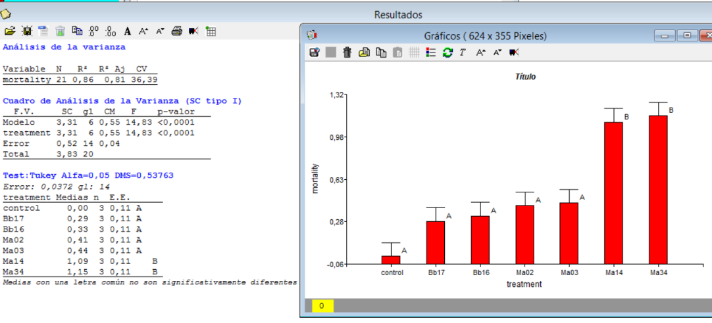

 |  |  |  |  |  |  |  |  |  | F=14.83 p=0.0001

