METARHIZIUM
 |  | Values of mortality in screening assay (Metarhzium) (Figure 2)
 |  |  |  |  |  |  |  |  |  |  |  |  |  |  |  |  |  |  |  |  |  |  |  |  |  |  |  |  |  |  |  | ARC SIN transformation |  |  |  |  |  |  |  | ANOVA & Tukey analysis
conidia/mL: | 1.0E+08
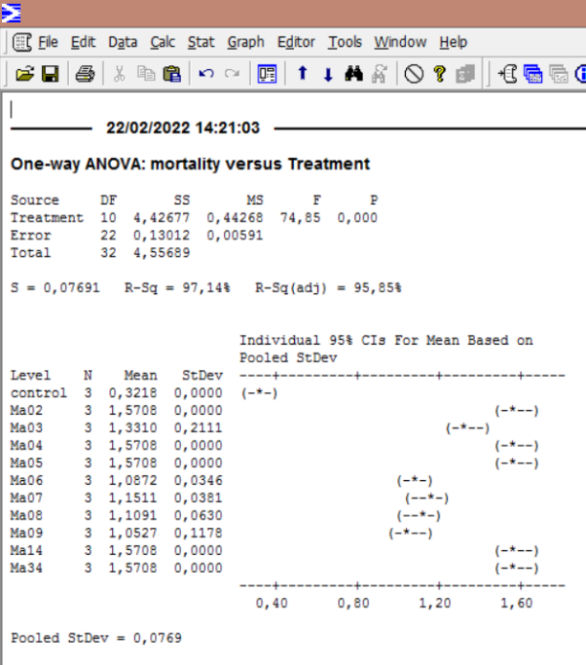
 |  |  |  | cumulative mortality |  | (number of dead adut females) |  |  |  |  |  |  |  |  |  |  |  |  |  |  |  |  |  |  |  |  |  |  |  |  |  |  |  | dead mites
*
d
*
d
*
d
*
d
R: Independent experiments | R1 | Day | Control | Ma002 | Ma003 | Ma004 | Ma005 | Ma006 | Ma007 | Ma008 | Ma009 | Ma014 | Ma034 |  |  |  |  |  |  |  |  |  |  |  |  |  |  |  |  |  |  | Treatment | Repetition |  | % mortality | proportion | square root | arcsen
 |  | 3 | 1 | 5 | 3 | 5 | 8 | 3 | 8 | 0 | 0 | 6 | 10 |  |  |  |  |  |  |  |  |  |  |  |  |  |  |  |  |  |  | control | 1 | 2 | 10 | 0.1 | 0.31622776602 | 0.3217505544
 |  | 4 | 1 | 18 | 5 | 14 | 15 | 12 | 10 | 11 | 0 | 18 | 16 |  |  |  |  |  |  |  |  |  |  |  |  |  |  |  |  |  |  | control | 2 | 2 | 10 | 0.1 | 0.31622776602 | 0.3217505544
bc
*
bc
b
 |  | 5 | 2 | 20 | 10 | 20 | 18 | 14 | 15 | 15 | 9 | 20 | 20 |  |  |  |  |  |  |  |  |  |  |  |  |  |  |  |  |  |  | control | 3 | 2 | 10 | 0.1 | 0.31622776602 | 0.3217505544
b
 |  | 6 | 2 | 20 | 17 | 20 | 20 | 15 | 17 | 16 | 15 | 20 | 20 |  |  |  |  |  |  |  |  |  |  |  |  |  |  |  |  |  |  | Ma02 | 1 | 20 | 100 | 1 | 1 | 1.5707963268
 |  | Mortality(%) | 10 | 100 | 85 | 100 | 100 | 75 | 85 | 80 | 75 | 100 | 100 |  |  |  |  |  |  |  |  |  |  |  |  |  |  |  |  |  |  | Ma02 | 2 | 20 | 100 | 1 | 1 | 1.5707963268
 |  |  |  |  |  |  |  |  |  |  |  |  |  |  |  |  |  |  |  |  |  |  |  |  |  |  |  |  |  |  |  | Ma02 | 3 | 20 | 100 | 1 | 1 | 1.5707963268
 | R2 | Day | Control | Ma002 | Ma003 | Ma004 | Ma005 | Ma006 | Ma007 | Ma008 | Ma009 | Ma014 | Ma034 |  |  |  |  |  |  |  |  |  |  |  |  |  |  |  |  |  |  | Ma03 | 1 | 17 | 85 | 0.85 | 0.92195444573 | 1.1730969117
 |  | 3 | 0 | 9 | 4 | 12 | 7 | 4 | 5 | 5 | 2 | 5 | 9 |  |  |  |  |  |  |  |  |  |  |  |  |  |  |  |  |  |  | Ma03 | 2 | 20 | 100 | 1 | 1 | 1.5707963268
 |  | 4 | 1 | 16 | 14 | 20 | 18 | 12 | 10 | 8 | 9 | 12 | 19 |  |  |  |  |  |  |  |  |  |  |  |  |  |  |  |  |  |  | Ma03 | 3 | 18 | 90 | 0.9 | 0.94868329805 | 1.2490457724
 |  | 5 | 1 | 20 | 18 | 20 | 20 | 14 | 16 | 12 | 15 | 16 | 19 |  |  |  |  |  |  |  |  |  |  |  |  |  |  |  |  |  |  | Ma04 | 1 | 20 | 100 | 1 | 1 | 1.5707963268
 |  | 6 | 2 | 20 | 20 | 20 | 20 | 16 | 16 | 15 | 17 | 20 | 20 |  |  |  |  |  |  |  |  |  |  |  |  |  |  |  |  |  |  | Ma04 | 2 | 20 | 100 | 1 | 1 | 1.5707963268
 |  | Mortality(%) | 10 | 100 | 100 | 100 | 100 | 80 | 80 | 75 | 85 | 100 | 100 |  |  |  |  |  |  |  |  |  |  |  |  |  |  |  |  |  |  | Ma04 | 3 | 20 | 100 | 1 | 1 | 1.5707963268
 |  |  |  |  |  |  |  |  |  |  |  |  |  |  |  |  |  |  |  |  |  |  |  |  |  |  |  |  |  |  |  | Ma05 | 1 | 20 | 100 | 1 | 1 | 1.5707963268
 | R3 | Day | Control | Ma002 | Ma003 | Ma004 | Ma005 | Ma006 | Ma007 | Ma008 | Ma009 | Ma014 | Ma034 |  |  |  |  |  |  |  |  |  |  |  |  |  |  |  |  |  |  | Ma05 | 2 | 20 | 100 | 1 | 1 | 1.5707963268
 |  | 3 | 1 | 10 | 3 | 4 | 8 | 4 | 6 | 3 | 2 | 7 | 5 |  |  |  |  |  |  |  |  |  |  |  |  |  |  |  |  |  |  | Ma05 | 3 | 20 | 100 | 1 | 1 | 1.5707963268
 |  | 4 | 2 | 17 | 10 | 10 | 18 | 10 | 12 | 8 | 6 | 11 | 11 |  |  |  |  |  |  |  |  |  |  |  |  |  |  |  |  |  |  | Ma06 | 1 | 15 | 75 | 0.75 | 0.86602540378 | 1.0471975512
 |  | 5 | 2 | 20 | 12 | 14 | 18 | 14 | 16 | 15 | 12 | 14 | 19 |  |  |  |  |  |  |  |  |  |  |  |  |  |  |  |  |  |  | Ma06 | 2 | 16 | 80 | 0.8 | 0.894427191 | 1.1071487178
 |  | 6 | 2 | 20 | 18 | 20 | 20 | 16 | 17 | 17 | 13 | 20 | 20 |  |  |  |  |  |  |  |  |  |  |  |  |  |  |  |  |  |  | Ma06 | 3 | 16 | 80 | 0.8 | 0.894427191 | 1.1071487178
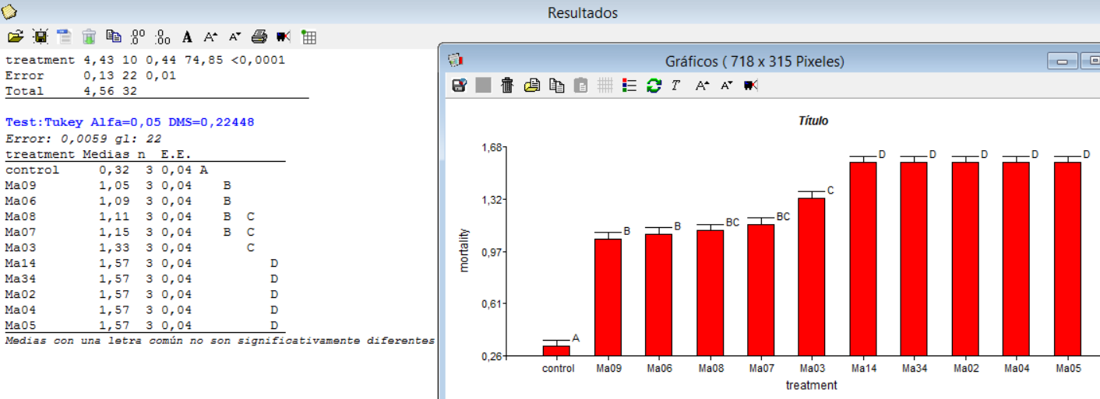
 |  | Mortality(%) | 10 | 100 | 90 | 100 | 100 | 80 | 85 | 85 | 65 | 100 | 100 |  |  |  |  |  |  |  |  |  |  |  |  |  |  |  |  |  |  | Ma07 | 1 | 17 | 85 | 0.85 | 0.92195444573 | 1.1730969117
 |  |  |  |  |  |  |  |  |  |  |  |  |  |  |  |  |  |  |  |  |  |  |  |  |  |  |  |  |  |  |  | Ma07 | 2 | 16 | 80 | 0.8 | 0.894427191 | 1.1071487178
 |  |  |  |  |  |  |  |  |  |  |  |  |  |  |  |  |  |  |  |  |  |  |  |  |  |  |  |  |  |  |  | Ma07 | 3 | 17 | 85 | 0.85 | 0.92195444573 | 1.1730969117
 |  |  | MORTALITY (%) |  |  |  |  |  |  |  |  |  |  |  |  |  |  |  |  |  |  |  |  |  |  |  |  |  |  |  |  | Ma08 | 1 | 16 | 80 | 0.8 | 0.894427191 | 1.1071487178
 |  |  | Control | Ma002 | Ma003 | Ma004 | Ma005 | Ma006 | Ma007 | Ma008 | Ma009 | Ma014 | Ma034 |  |  |  |  |  |  |  |  |  |  |  |  |  |  |  |  |  |  | Ma08 | 2 | 15 | 75 | 0.75 | 0.86602540378 | 1.0471975512
 |  | R1 | 10 | 100 | 85 | 100 | 100 | 75 | 85 | 80 | 75 | 100 | 100 |  |  |  |  | F = 74.85 p < 0.0001 |  |  |  |  |  |  |  |  |  |  |  |  |  | Ma08 | 3 | 17 | 85 | 0.85 | 0.92195444573 | 1.1730969117
 |  | R2 | 10 | 100 | 100 | 100 | 100 | 80 | 80 | 75 | 85 | 100 | 100 |  |  |  |  |  |  |  |  |  |  |  |  |  |  |  |  |  |  | Ma09 | 1 | 15 | 75 | 0.75 | 0.86602540378 | 1.0471975512
 |  | R3 | 10 | 100 | 90 | 100 | 100 | 80 | 85 | 85 | 65 | 100 | 100 |  |  |  |  |  |  |  |  |  |  |  |  |  |  |  |  |  |  | Ma09 | 2 | 17 | 85 | 0.85 | 0.92195444573 | 1.1730969117
 |  | Average | 10.0 | 100.0 | 91.7 | 100.0 | 100.0 | 78.3 | 83.3 | 80.0 | 75.0 | 100.0 | 100.0 |  |  |  |  |  |  |  |  |  |  |  |  |  |  |  |  |  |  | Ma09 | 3 | 13 | 65 | 0.65 | 0.80622577483 | 0.93774449041
 |  | standard deviation | 0 | 0 | 7.6376261583 | 0 | 0 | 2.8867513459 | 2.8867513459 | 5 | 10 | 0 | 0 |  |  |  |  |  |  |  |  |  |  |  |  |  |  |  |  |  |  | Ma14 | 1 | 20 | 100 | 1 | 1 | 1.5707963268
 |  |  |  |  |  |  |  |  |  |  |  |  |  |  |  |  |  |  |  |  |  |  |  |  |  |  |  |  |  |  |  | Ma14 | 2 | 20 | 100 | 1 | 1 | 1.5707963268
 |  |  |  |  |  |  |  |  |  |  |  |  |  |  |  |  |  |  |  |  |  |  |  |  |  |  |  |  |  |  |  | Ma14 | 3 | 20 | 100 | 1 | 1 | 1.5707963268
 |  |  |  |  |  |  |  |  |  |  |  |  |  |  |  |  |  |  |  |  |  |  |  |  |  |  |  |  |  |  |  | Ma34 | 1 | 20 | 100 | 1 | 1 | 1.5707963268
 |  |  |  |  |  |  |  |  |  |  |  |  |  |  |  |  |  |  |  |  |  |  |  |  |  |  |  |  |  |  |  | Ma34 | 2 | 20 | 100 | 1 | 1 | 1.5707963268
 |  |  |  |  |  |  |  |  |  |  |  |  |  |  |  |  |  |  |  |  |  |  |  |  |  |  |  |  |  |  |  | Ma34 | 3 | 20 | 100 | 1 | 1 | 1.5707963268

 | LT50 from screening assay data (Table 2)
 | Rearranged raw data |  |  | (number of dead adut females)
 |  |  |  | Ma002 |  |  | Ma003 |  |  | Ma004 |  |  | Ma005 |  |  | Ma006 |  |  | Ma007 |  |  | Ma008 |  |  | Ma009 |  |  | Ma014 |  |  | Ma034 |  |  | Control
 |  |  | Day | R1 | R2 | R3 | R1 | R2 | R3 | R1 | R2 | R3 | R1 | R2 | R3 | R1 | R2 | R3 | R1 | R2 | R3 | R1 | R2 | R3 | R1 | R2 | R3 | R1 | R2 | R3 | R1 | R2 | R3 | R1 | R2 | R3
 |  |  | 3 | 5 | 9 | 10 | 3 | 4 | 3 | 5 | 12 | 4 | 8 | 7 | 8 | 3 | 4 | 4 | 8 | 5 | 6 | 0 | 5 | 3 | 0 | 2 | 2 | 6 | 5 | 7 | 10 | 9 | 5 | 1 | 0 | 1
 |  |  | 4 | 18 | 16 | 17 | 5 | 14 | 10 | 14 | 20 | 10 | 15 | 18 | 18 | 12 | 12 | 10 | 10 | 10 | 12 | 11 | 8 | 8 | 0 | 9 | 6 | 18 | 12 | 11 | 16 | 19 | 11 | 1 | 1 | 2
 |  |  | 5 | 20 | 20 | 20 | 10 | 18 | 12 | 20 | 20 | 14 | 18 | 20 | 18 | 14 | 14 | 14 | 15 | 16 | 16 | 15 | 12 | 15 | 9 | 15 | 12 | 20 | 16 | 14 | 20 | 19 | 19 | 2 | 1 | 2
 |  |  | 6 | 20 | 20 | 20 | 12 | 20 | 18 | 20 | 20 | 16 | 20 | 20 | 20 | 15 | 16 | 16 | 17 | 16 | 17 | 16 | 15 | 17 | 15 | 17 | 13 | 20 | 20 | 20 | 20 | 20 | 20 | 2 | 2 | 2

 | Corrected mortality
 |  |  |  | Ma002 |  |  | Ma003 |  |  | Ma004 |  |  | Ma005 |  |  | Ma006 |  |  | Ma007 |  |  | Ma008 |  |  | Ma009 |  |  | Ma014 |  |  | Ma034 |  |  | Control
 |  |  | Day | R1 | R2 | R3 | R1 | R2 | R3 | R1 | R2 | R3 | R1 | R2 | R3 | R1 | R2 | R3 | R1 | R2 | R3 | R1 | R2 | R3 | R1 | R2 | R3 | R1 | R2 | R3 | R1 | R2 | R3 | R1 | R2 | R3
 |  |  | 3 | 3.3 | 7.8 | 8.9 | 1.1 | 2.2 | 1.1 | 3.3 | 11.1 | 2.2 | 6.7 | 5.6 | 6.7 | 1.1 | 2.2 | 2.2 | 6.7 | 3.3 | 4.4 | 0.0 | 3.3 | 1.1 | 0.0 | 0.0 | 0.0 | 4.4 | 3.3 | 5.6 | 8.9 | 7.8 | 3.3 | 0.0 | 0.0 | 0.0
 |  |  | 4 | 17.8 | 15.6 | 16.7 | 3.3 | 13.3 | 8.9 | 13.3 | 20.0 | 8.9 | 14.4 | 17.8 | 17.8 | 11.1 | 11.1 | 8.9 | 8.9 | 8.9 | 11.1 | 10.0 | 6.7 | 6.7 | 0.0 | 7.8 | 4.4 | 17.8 | 11.1 | 10.0 | 15.6 | 18.9 | 10.0 | 0.0 | 0.0 | 0.0
 |  |  | 5 | 20.0 | 20.0 | 20.0 | 8.9 | 17.8 | 11.1 | 20.0 | 20.0 | 13.3 | 17.8 | 20.0 | 17.8 | 13.3 | 13.3 | 13.3 | 14.4 | 15.6 | 15.6 | 14.4 | 11.1 | 14.4 | 7.8 | 14.4 | 11.1 | 20.0 | 15.6 | 13.3 | 20.0 | 18.9 | 18.9 | 0.0 | 0.0 | 0.0
 |  |  | 6 | 20.0 | 20.0 | 20.0 | 11.1 | 20.0 | 17.8 | 20.0 | 20.0 | 20.0 | 20.0 | 20.0 | 20.0 | 14.4 | 15.6 | 15.6 | 16.7 | 15.6 | 16.7 | 15.6 | 14.4 | 16.7 | 14.4 | 16.7 | 12.2 | 20.0 | 20.0 | 20.0 | 20.0 | 20.0 | 20.0 | 0.0 | 0.0 | 0.0

Results of LT50. |  |  |  |  |  |  |  |  | Bold data (AVERAGES) where included in Table 2.
 |  | Ma002 |  |  |  |  | Ma003 |  |  |  | Ma004 |  |  |  | Ma005 |  |  |  | Ma006 |  |  |  | Ma007 |  |  |  | Ma008 |  |  |  | Ma009 |  |  |  | Ma014 |  |  |  | Ma034
 |  | PROBIT | R1 | R2 | R3 | PROMEDIO | R1 | R2 | R3 | PROMEDIO | R1 | R2 | R3 | PROMEDIO | R1 | R2 | R3 | PROMEDIO | R1 | R2 | R3 | PROMEDIO | R1 | R2 | R3 | PROMEDIO | R1 | R2 | R3 | PROMEDIO | R1 | R2 | R3 | PROMEDIO | R1 | R2 | R3 | PROMEDIO | R1 | R2 | R3 | PROMEDIO
 |  | TL50 | 3.41 | 3.21 | 3.11 | 3.24 | 5.56 | 3.79 | 4.45 | 4.60 | 3.63 | 2.90 | 4.39 | 3.64 | 3.39 | 3.26 | 3.22 | 3.29 | 4.47 | 4.27 | 4.39 | 4.38 | 3.85 | 4.15 | 3.91 | 3.97 | 4.43 | 4.74 | 4.46 | 4.54 | 5.40 | 4.49 | 5.21 | 5.03 | 3.36 | 3.89 | 3.84 | 3.69 | 3.14 | 3.11 | 3.81 | 3.35
 |  | S.E. | 0.12 | 0.18 | 0.20 | 0.16 | 0.50 | 0.15 | 0.21 | 0.29 | 0.14 | 0.21 | 0.26 | 0.20 | 0.22 | 0.14 | 0.22 | 0.19 | 0.29 | 0.26 | 0.26 | 0.27 | 0.38 | 0.25 | 0.26 | 0.29 | 0.21 | 0.39 | 0.21 | 0.27 | 0.19 | 0.19 | 0.31 | 0.23 | 0.12 | 0.18 | 0.25 | 0.18 | 0.20 | 0.21 | 0.16 | 0.19
 |  | UPPER | 3.64 | 3.50 | 3.40 | 3.51 | 7.05 | 4.07 | 4.89 | 5.34 | 3.90 | 3.20 | 4.91 | 4.00 | 3.74 | 3.50 | 3.55 | 3.60 | 5.07 | 4.79 | 4.91 | 4.92 | 4.45 | 4.63 | 4.36 | 4.48 | 4.85 | 5.69 | 4.88 | 5.14 | 5.84 | 4.87 | 5.97 | 5.56 | 3.60 | 4.22 | 4.27 | 4.03 | 3.44 | 3.40 | 4.10 | 3.65
 |  | LOWER | 3.19 | 2.80 | 2.66 | 2.88 | 4.94 | 3.48 | 4.05 | 4.16 | 3.35 | 2.42 | 3.91 | 3.23 | 2.91 | 2.98 | 2.72 | 2.87 | 3.95 | 3.77 | 3.91 | 3.88 | 3.03 | 3.66 | 3.38 | 3.36 | 4.03 | 4.14 | 4.07 | 4.08 | 5.07 | 4.12 | 4.75 | 4.65 | 3.12 | 3.52 | 3.30 | 3.31 | 2.67 | 2.63 | 3.49 | 2.93
 |  | x2 | 0.02 | 0.86 | 0.51 | 0.46 | 0.60 | 0.54 | 2.51 | 1.21 | 1.20 | 1.29 | 0.51 | 1.00 | 0.61 | 0.07 | 3.09 | 1.26 | 4.71 | 1.96 | 0.51 | 2.39 | 0.86 | 1.49 | 0.61 | 0.99 | 4.43 | 0.00 | 0.25 | 1.56 | 1.56 | 2.05 | 2.26 | 1.96 | 0.03 | 1.24 | 4.65 | 1.98 | 1.06 | 2.72 | 1.63 | 1.80
 |  | m | 1.27 | 1.04 | 1.04 | 1.12 | 0.80 | 1.09 | 0.93 | 0.95 | 1.15 | 1.07 | 0.83 | 1.04 | 0.92 | 1.17 | 0.95 | 1.03 | 0.79 | 0.81 | 0.83 | 0.81 | 0.67 | 0.83 | 0.82 | 0.78 | 0.93 | 0.72 | 0.95 | 0.88 | 1.17 | 0.99 | 0.90 | 1.03 | 1.24 | 0.99 | 0.82 | 1.05 | 1.01 | 1.02 | 1.08 | 1.03
 |  | S.E.(m) | 0.60 | 0.41 | 0.44 | 0.48 | 0.22 | 0.35 | 0.22 | 0.27 | 0.43 | 0.40 | 0.18 | 0.35 | 0.26 | 0.54 | 0.31 | 0.39 | 0.16 | 0.17 | 0.18 | 0.17 | 0.13 | 0.17 | 0.17 | 0.16 | 0.22 | 0.15 | 0.24 | 0.20 | 0.53 | 0.27 | 0.26 | 0.37 | 0.57 | 0.26 | 0.17 | 0.37 | 0.39 | 0.41 | 0.34 | 0.38
 |  | b | -4.98 | -0.52 | -0.39 | -1.96 | 0.32 | -2.04 | -0.48 | -0.73 | -2.86 | -0.41 | 0.62 | -0.88 | 0.57 | -2.65 | 0.45 | -0.54 | 0.98 | 0.90 | 0.62 | 0.83 | 2.23 | 0.82 | 1.13 | 1.39 | -0.52 | 1.49 | -0.78 | 0.06 | -5.75 | -1.44 | -0.71 | -2.63 | -4.08 | -0.75 | 1.13 | -1.23 | -0.05 | -0.12 | -1.93 | -0.70

BEAUVERIA
 |  | Values of mortality in screening assay (Beauveria) (Figure 2) |  |  |  |  |  |  |  |  |  |  |  |  |  |  |  |  |  |  |  |  |  |  |  |  |  | ARC SIN transformation |  |  |  |  |  |  | ANOVA & Tukey analysis
conidia/mL: | 1.0E+08
 |  |  |  |  |  | cumulative mortality |  | (number of dead adut females)
R: Independent experiments | R1 | Day | Control | Bb005 | Bb014 | Bb015 | Bb016 | Bb017 | Bb018 | Bb019 | Bb020 | Bb021 | Bb022 | Bb023 |  |  |  |  |  |  |  |  |  |  |  |  |  |  |  | dead mites
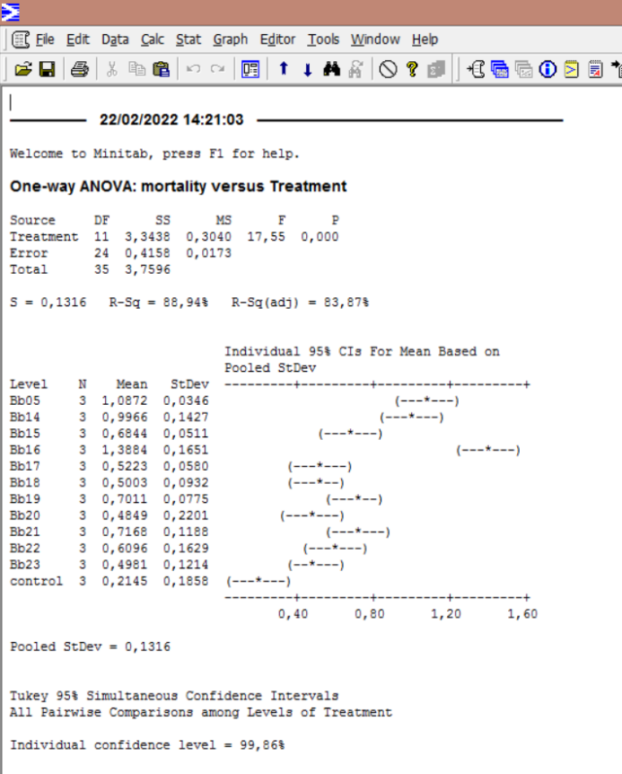
 |  | 3 | 0 | 1 | 2 | 0 | 5 | 0 | 0 | 0 | 0 | 0 | 0 | 0 |  |  |  |  |  |  |  |  |  |  |  |  |  | Treatment | Repetition |  | % mortality (reordered) | proportion | square root | arcsen
 |  | 4 | 0 | 6 | 7 | 2 | 12 | 1 | 0 | 2 | 2 | 3 | 3 | 4 |  |  |  |  |  |  |  |  |  |  |  |  |  | control | 1 | 0 | 0 | 0 | 0 | 0
 |  | 5 | 0 | 12 | 9 | 7 | 16 | 2 | 2 | 5 | 2 | 9 | 4 | 4 |  |  |  |  |  |  |  |  |  |  |  |  |  | control | 2 | 2 | 10 | 0.1 | 0.31622776602 | 0.3217505544
 |  | 6 | 0 | 15 | 11 | 9 | 19 | 4 | 3 | 7 | 9 | 10 | 10 | 4 |  |  |  |  |  |  |  |  |  |  |  |  |  | control | 3 | 2 | 10 | 0.1 | 0.31622776602 | 0.3217505544
 |  | Mortality(%) | 0 | 75 | 55 | 45 | 95 | 20 | 15 | 35 | 45 | 50 | 50 | 20 |  |  |  |  |  |  |  |  |  |  |  |  |  | Bb05 | 1 | 15 | 75 | 0.75 | 0.86602540378 | 1.0471975512
 | R2 | Day | Control | Bb005 | Bb014 | Bb015 | Bb016 | Bb017 | Bb018 | Bb019 | Bb020 | Bb021 | Bb022 | Bb023 |  |  |  |  |  |  |  |  |  |  |  |  |  | Bb05 | 2 | 16 | 80 | 0.8 | 0.894427191 | 1.1071487178
 |  | 3 | 0 | 2 | 0 | 0 | 4 | 0 | 0 | 0 | 0 | 0 | 0 | 0 |  |  |  |  |  |  |  |  |  |  |  |  |  | Bb05 | 3 | 16 | 80 | 0.8 | 0.894427191 | 1.1071487178
 |  | 4 | 0 | 7 | 8 | 2 | 14 | 3 | 3 | 4 | 2 | 3 | 3 | 4 |  |  |  |  |  |  |  |  |  |  |  |  |  | Bb14 | 1 | 11 | 55 | 0.55 | 0.74161984871 | 0.83548187398
 |  | 5 | 1 | 13 | 13 | 4 | 18 | 4 | 5 | 7 | 2 | 9 | 4 | 5 |  |  |  |  |  |  |  |  |  |  |  |  |  | Bb14 | 2 | 16 | 80 | 0.8 | 0.894427191 | 1.1071487178
 |  | 6 | 2 | 16 | 16 | 8 | 20 | 5 | 5 | 10 | 3 | 10 | 4 | 7 |  |  |  |  |  |  |  |  |  |  |  |  |  | Bb14 | 3 | 15 | 75 | 0.75 | 0.86602540378 | 1.0471975512
 |  | Mortality(%) | 10 | 80 | 80 | 40 | 100 | 25 | 25 | 50 | 15 | 50 | 20 | 35 |  |  |  |  |  |  |  |  |  |  |  |  |  | Bb15 | 1 | 9 | 45 | 0.45 | 0.67082039325 | 0.73531445282
 | R3 | Day | Control | Bb005 | Bb014 | Bb015 | Bb016 | Bb017 | Bb018 | Bb019 | Bb020 | Bb021 | Bb022 | Bb023 |  |  |  |  |  |  |  |  |  |  |  |  |  | Bb15 | 2 | 8 | 40 | 0.4 | 0.63245553203 | 0.684719203
 |  | 3 | 0 | 1 | 1 | 0 | 4 | 0 | 2 | 1 | 0 | 0 | 1 | 1 |  |  |  |  |  |  |  |  |  |  |  |  |  | Bb15 | 3 | 7 | 35 | 0.35 | 0.59160797831 | 0.63305183639
 |  | 4 | 0 | 6 | 5 | 2 | 9 | 3 | 2 | 2 | 0 | 2 | 4 | 2 |  |  |  |  |  |  |  |  |  |  |  |  |  | Bb16 | 1 | 19 | 95 | 0.95 | 0.97467943448 | 1.3452829209
 |  | 5 | 2 | 10 | 12 | 6 | 13 | 4 | 2 | 4 | 2 | 6 | 4 | 2 |  |  |  |  |  |  |  |  |  |  |  |  |  | Bb16 | 2 | 20 | 100 | 1 | 1 | 1.5707963268
 |  | 6 | 2 | 16 | 15 | 7 | 18 | 6 | 6 | 8 | 2 | 6 | 6 | 3 |  |  |  |  |  |  |  |  |  |  |  |  |  | Bb16 | 3 | 18 | 90 | 0.9 | 0.94868329805 | 1.2490457724
 |  | Mortality(%) | 10 | 80 | 75 | 35 | 90 | 30 | 30 | 40 | 10 | 30 | 30 | 15 |  |  |  |  |  |  |  |  |  |  |  |  |  | Bb17 | 1 | 4 | 20 | 0.2 | 0.4472135955 | 0.463647609
 |  |  |  |  |  |  |  |  |  |  |  |  |  |  |  |  |  |  |  |  |  |  |  |  |  |  |  | Bb17 | 2 | 5 | 25 | 0.25 | 0.5 | 0.5235987756
 |  |  |  |  |  |  |  |  |  |  |  |  |  |  |  |  |  |  |  |  |  |  |  |  |  |  |  | Bb17 | 3 | 6 | 30 | 0.3 | 0.54772255751 | 0.57963974036
 |  |  |  |  |  |  |  |  |  |  |  |  |  |  |  |  |  |  |  |  |  |  |  |  |  |  |  | Bb18 | 1 | 3 | 15 | 0.15 | 0.38729833462 | 0.39769941509
 |  |  |  |  | Mortality(%) |  |  |  |  |  |  |  |  |  |  |  |  |  |  | F = 17.55 p < 0.0001 |  |  |  |  |  |  |  | Bb18 | 2 | 5 | 25 | 0.25 | 0.5 | 0.5235987756
 |  |  | Control | Bb005 | Bb014 | Bb015 | Bb016 | Bb017 | Bb018 | Bb019 | Bb020 | Bb021 | Bb022 | Bb023 |  |  |  |  |  |  |  |  |  |  |  |  |  | Bb18 | 3 | 6 | 30 | 0.3 | 0.54772255751 | 0.57963974036
 |  | R1 | 0 | 75 | 55 | 45 | 95 | 20 | 15 | 35 | 45 | 50 | 50 | 20 |  |  |  |  |  |  |  |  |  |  |  |  |  | Bb19 | 1 | 7 | 35 | 0.35 | 0.59160797831 | 0.63305183639
 |  | R2 | 10 | 80 | 80 | 40 | 100 | 25 | 25 | 50 | 15 | 50 | 20 | 35 |  |  |  |  |  |  |  |  |  |  |  |  |  | Bb19 | 2 | 10 | 50 | 0.5 | 0.70710678119 | 0.7853981634
 |  | R3 | 10 | 80 | 75 | 35 | 90 | 30 | 30 | 40 | 10 | 30 | 30 | 15 |  |  |  |  |  |  |  |  |  |  |  |  |  | Bb19 | 3 | 8 | 40 | 0.4 | 0.63245553203 | 0.684719203
 |  | Average | 6.7 | 78.3 | 70.0 | 40.0 | 95.0 | 25.0 | 23.3 | 41.7 | 23.3 | 43.3 | 33.3 | 23.3 |  |  |  |  |  |  |  |  |  |  |  |  |  | Bb20 | 1 | 9 | 45 | 0.45 | 0.67082039325 | 0.73531445282
 |  | standard deviation | 5.8 | 2.9 | 13.2 | 5.0 | 5.0 | 5.0 | 7.6 | 7.6 | 18.9 | 11.5 | 15.3 | 10.4 |  |  |  |  |  |  |  |  |  |  |  |  |  | Bb20 | 2 | 3 | 15 | 0.15 | 0.38729833462 | 0.39769941509
 |  |  |  |  |  |  |  |  |  |  |  |  |  |  |  |  |  |  |  |  |  |  |  |  |  |  |  | Bb20 | 3 | 2 | 10 | 0.1 | 0.31622776602 | 0.3217505544
 |  |  |  |  |  |  |  |  |  |  |  |  |  |  |  |  |  |  |  |  |  |  |  |  |  |  |  | Bb21 | 1 | 10 | 50 | 0.5 | 0.70710678119 | 0.7853981634
 |  |  |  |  |  |  |  |  |  |  |  |  |  |  |  |  |  |  |  |  |  |  |  |  |  |  |  | Bb21 | 2 | 10 | 50 | 0.5 | 0.70710678119 | 0.7853981634
 |  | LT50 from screening assay data (Table 2) |  |  |  |  |  |  |  |  |  |  |  |  |  |  |  |  |  |  |  |  |  |  |  |  |  | Bb21 | 3 | 6 | 30 | 0.3 | 0.54772255751 | 0.57963974036
 |  |  |  |  |  |  |  |  |  |  |  |  |  |  |  |  |  |  |  |  |  |  |  |  |  |  |  | Bb22 | 1 | 10 | 50 | 0.5 | 0.70710678119 | 0.7853981634
 |  |  |  | corrected mortality |  |  |  |  |  |  |  |  |  |  |  |  |  |  |  |  |  |  |  |  |  |  |  | Bb22 | 2 | 4 | 20 | 0.2 | 0.4472135955 | 0.463647609
 |  |  |  | Bb005 |  |  | Bb014 |  |  | Bb015 |  |  | Bb016 |  |  | Bb019 |  |  | Bb021 |  |  |  |  |  |  |  |  | Bb22 | 3 | 6 | 30 | 0.3 | 0.54772255751 | 0.57963974036
 |  |  | día | R1 | R2 | R3 | R1 | R2 | R3 | R1 | R2 | R3 | R1 | R2 | R3 | R1 | R2 | R3 | R1 | R2 | R3 |  |  |  |  |  |  | Bb23 | 1 | 4 | 20 | 0.2 | 0.4472135955 | 0.463647609
 |  |  | 3 | 1 | 2 | 0 | 2 | 0 | 0 | 0 | 0 | 0 | 5 | 2.2 | 2.2 | 0 | 0 | 0 | 0 | 0 | 0 |  |  |  |  |  |  | Bb23 | 2 | 7 | 35 | 0.35 | 0.59160797831 | 0.63305183639
 |  |  | 4 | 6 | 5.6 | 4.4 | 7 | 6.7 | 3.3 | 2 | 0 | 0 | 12 | 13.3 | 7.8 | 2 | 2.2 | 0 | 3 | 1.1 | 0 |  |  |  |  |  |  | Bb23 | 3 | 3 | 15 | 0.15 | 0.38729833462 | 0.39769941509
 |  |  | 5 | 12 | 12.2 | 8.9 | 9 | 12.2 | 11.1 | 7 | 2.2 | 4.4 | 16 | 17.8 | 12.2 | 5 | 5.6 | 2.2 | 9 | 7.8 | 4.4
 |  |  | 6 | 15 | 15.6 | 15.6 | 11 | 15.6 | 14.4 | 9 | 6.7 | 11.1 | 19 | 20.0 | 17.8 | 7 | 8.9 | 6.7 | 10 | 8.9 | 4.4

 | Results of LT50. |  |  |  |  |  |  |  |  | Bold data (AVERAGES) where included in Table 2.
 |  |  |  | Bb005 |  |  |  | Bb014 |  |  |  | Bb015 |  |  |  | Bb016 |  |  |  | Bb019 |  |  |  | Bb021
 |  | PROBIT |  | R1 | R2 | R3 | AVERAGE | R1 | R2 | R3 | AVERAGE | R1 | R2 | R3 | AVERAGE | R1 | R2 | R3 | AVERAGE | R1 | R2 | R3 | AVERAGE | R1 | R2 | R3 | AVERAGE
 |  | TL50 |  | 4.7533 | 4.6231 | 5.0150 | 4.7971 | 5.3837 | 4.6941 | 5.0958 | 5.0578 | 5.5693 | 6.3996 | 5.8336 | 5.9342 | 3.7190 | 3.7860 | 4.3851 | 3.9634 | 6.6675 | 6.0750 | 6.3996 | 6.3807 | 5.6352 | 5.8792 | 7.3683 | 6.2942
 |  | S.E. |  | 0.2562 | 0.2582 | 0.2172 | 0.2439 | 0.7489 | 0.2145 | 0.2357 | 0.3997 | 0.3341 | 0.8500 | 0.2872 | 0.4904 | 0.2317 | 0.1534 | 0.2223 | 0.2025 | 1.2727 | 0.6390 | 0.8500 | 0.9206 | 0.4467 | 0.4792 | 3.4204 | 1.4488
 |  | UPPER |  | 5.3215 | 5.1828 | 5.4921 | 5.3321 | 7.9364 | 5.1452 | 5.6321 | 6.2379 | 6.4602 | 9.8385 | 6.6255 | 7.6414 | 4.1122 | 4.0737 | 4.8320 | 4.3393 | 11.9951 | 8.1655 | 9.8385 | 9.9997 | 6.9168 | 7.3216 | 35.6376 | 16.6253
 |  | LOWER |  | 4.3084 | 4.1642 | 4.6348 | 4.3691 | 4.6084 | 4.3016 | 4.6984 | 4.5361 | 5.1074 | 5.8541 | 5.4631 | 5.4749 | 3.2216 | 3.4756 | 3.9616 | 3.5529 | 5.7013 | 5.4106 | 5.8541 | 5.6553 | 5.0710 | 5.3212 | 6.1315 | 5.5079
 |  | x2 |  | 0.28255 | 0.10122 | 0.69045 | 0.3581 | 0.67254 | 1.74129 | 1.12932 | 1.1811 | 0.20252 | 0.15609 | 0.36321 | 0.2406 | 0.17274 | 0.53681 | 0.8254 | 0.5117 | 0.63899 | 0.48562 | 0.15609 | 0.4269 | 1.84058 | 2.40328 | 2.57136 | 2.2717
 |  | m |  | 0.8814 | 0.8569 | 1.0134 | 0.9228 | 0.6392 | 0.9600 | 0.9900 | 0.8893 | 0.9674 | 1.1070 | 1.1567 | 1.0842 | 0.8646 | 1.0856 | 0.8997 | 0.9612 | 0.7987 | 0.8724 | 1.1070 | 0.9467 | 0.8643 | 0.9255 | 0.8605 | 0.8845
 |  | S.E. (m) |  | 0.2129 | 0.1936 | 0.3345 | 0.2516 | 0.1501 | 0.2579 | 0.3228 | 0.2493 | 0.3632 | 0.6843 | 0.6119 | 0.5734 | 0.1935 | 0.3504 | 0.2043 | 0.2555 | 0.3211 | 0.3324 | 0.6843 | 0.4809 | 0.2766 | 0.3627 | 0.4825 | 0.3822
 |  | b |  | -0.1522 | 0.2175 | -2.2223 | -0.7190 | 1.8145 | -1.1246 | -1.9105 | -0.4069 | -1.9188 | -5.3134 | -5.9868 | -4.4063 | 0.8236 | -2.0414 | -0.0956 | -0.4378 | -0.1829 | -0.8403 | -5.3134 | -2.1122 | -0.4940 | -1.4806 | -1.2915 | -1.0887

LECANICILIUM
...
 |  |  |  | Lsp.005 | Lsp.006 | Lsp.007 | Lsp.008 | Lsp.009
 |  |  |  | 1 | 0 | 0 | 0 | 1
 |  |  |  | 1 | 2 | 0 | 0 | 2
 |  |  |  | 3 | 7 | 1 | 1 | 2
 |  |  |  | 4 | 7 | 1 | 2 | 4
 |  |  |  | 20 | 35 | 5 | 10 | 20

Control | 11.7
Lsp.001 | 30.0
Lsp.002 | 33.3
Lsp.003 | 20.0
Lsp.004 | 16.7
Lsp.005 | 15.0
Lsp.006 | 30.0
Lsp.007 | 3.3
Lsp.008 | 8.3
Lsp.009 | 35.0
 |  |  |  | Lsp.005 | Lsp.006 | Lsp.007 | Lsp.008 | Lsp.009
 |  |  |  | 1 | 1 | 0 | 0 | 1
 |  |  |  | 2 | 1 | 0 | 1 | 2
 |  |  |  | 2 | 2 | 0 | 2 | 4
 |  |  |  | 2 | 3 | 0 | 2 | 5
 |  |  |  | 10 | 15 | 0 | 10 | 25

 |  |  |  | Lsp.005 | Lsp.006 | Lsp.007 | Lsp.008 | Lsp.009
 |  |  |  | 1 | 5 | 0 | 0 | 5
 |  |  |  | 1 | 5 | 0 | 0 | 5
 |  |  |  | 2 | 8 | 1 | 1 | 11
 |  |  |  | 3 | 8 | 1 | 1 | 12
 |  |  |  | 15 | 40 | 5 | 5 | 60

 |  |  |  | Lsp.005 | Lsp.006 | Lsp.007 | Lsp.008 | Lsp.009
 |  |  |  | 20 | 35 | 5 | 10 | 20
15 | 20 | 10 | 5 | 10 | 15 | 0 | 10 | 25
35 | 35 | 35 | 40 | 15 | 40 | 5 | 5 | 60
30.0 | 33.3 | 20.0 | 16.7 | 15.0 | 30.0 | 3.3 | 8.3 | 35.0
13.23 | 12.58 | 13.23 | 20.21 | 5.00 | 13.23 | 2.89 | 2.89 | 21.79 | F = 2.90 p < 0.023

 |  |  |  |  |  | ANOVA & Tukey analysis
...
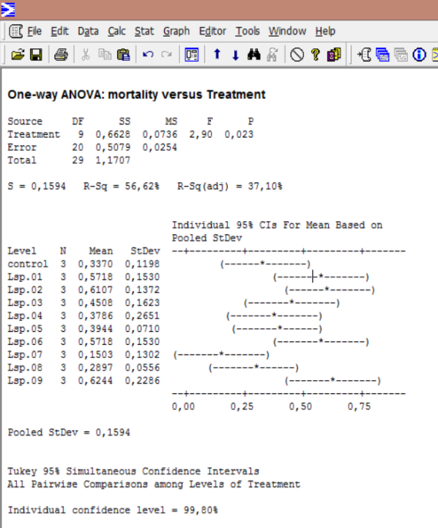
% mortality | proportion | square root | arcsen
10 | 0.1 | 0.31622776602 | 0.3217505544
5 | 0.05 | 0.22360679775 | 0.2255134059
20 | 0.2 | 0.4472135955 | 0.463647609
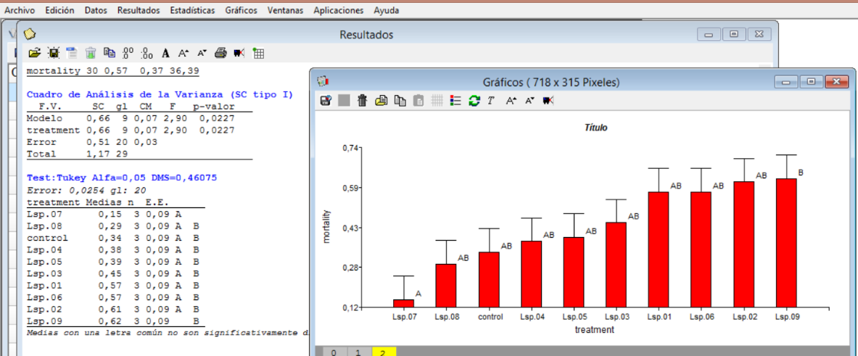
40 | 0.4 | 0.63245553203 | 0.684719203
15 | 0.15 | 0.38729833462 | 0.39769941509
35 | 0.35 | 0.59160797831 | 0.63305183639
45 | 0.45 | 0.67082039325 | 0.73531445282
20 | 0.2 | 0.4472135955 | 0.463647609
35 | 0.35 | 0.59160797831 | 0.63305183639
15 | 0.15 | 0.38729833462 | 0.39769941509
10 | 0.1 | 0.31622776602 | 0.3217505544
35 | 0.35 | 0.59160797831 | 0.63305183639
5 | 0.05 | 0.22360679775 | 0.2255134059
5 | 0.05 | 0.22360679775 | 0.2255134059
40 | 0.4 | 0.63245553203 | 0.684719203
20 | 0.2 | 0.4472135955 | 0.463647609
10 | 0.1 | 0.31622776602 | 0.3217505544
15 | 0.15 | 0.38729833462 | 0.39769941509
35 | 0.35 | 0.59160797831 | 0.63305183639
15 | 0.15 | 0.38729833462 | 0.39769941509
40 | 0.4 | 0.63245553203 | 0.684719203
5 | 0.05 | 0.22360679775 | 0.2255134059
0 | 0 | 0 | 0
5 | 0.05 | 0.22360679775 | 0.2255134059
10 | 0.1 | 0.31622776602 | 0.3217505544
10 | 0.1 | 0.31622776602 | 0.3217505544
5 | 0.05 | 0.22360679775 | 0.2255134059
20 | 0.2 | 0.4472135955 | 0.463647609
25 | 0.25 | 0.5 | 0.5235987756
60 | 0.6 | 0.77459666924 | 0.88607712379

