A ELISA
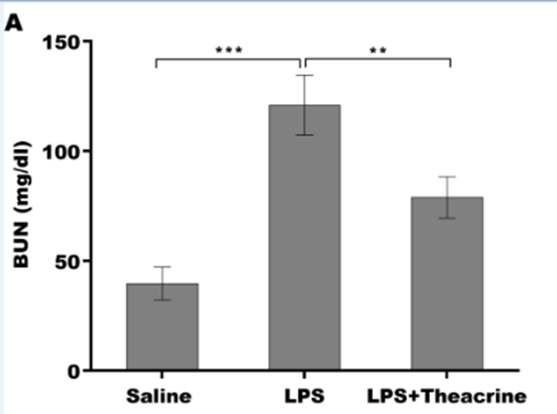
The standard curve
x | BUN |  | OD | OD
0.109 | 0 |  | 0.106 | 0.112
0.113 | 3.1 |  | 0.118 | 0.108
0.229 | 6.2 |  | 0.231 | 0.227
0.321 | 12.5 |  | 0.328 | 0.314
0.532 | 25 |  | 0.541 | 0.523
0.956 | 50 |  | 0.959 | 0.953
1.896 | 100 |  | 1.899 | 1.893
3.779 | 200 |  | 3.782 | 3.776

OD
0.106 | 0.112 | 0.931 | 0.858 | 1.482 | 1.576
0.118 | 0.108 | 0.661 | 0.789
0.231 | 0.227 | 0.839 | 0.772
0.328 | 0.314 | 2.017 | 2.124
0.541 | 0.523 | 2.405 | 2.515
0.959 | 0.953 | 2.486 | 2.39
1.899 | 1.893 | 1.722 | 1.544
3.782 | 3.776 | 1.387 | 1.598

Explain
Negative control | Negative control | Saline1 | Saline1 | LPS+Theacrine-3 | LPS+Theacrine-3
Positive control 3.1pg/ml | Positive control 3.1pg/ml | Saline2 | Saline2
Positive control 6.2pg/ml | Positive control 6.2pg/ml | Saline3 | Saline3
Positive control 12.5pg/ml | Positive control 12.5pg/ml | LPS-1 | LPS-1
Positive control 25pg/ml | Positive control 25pg/ml | LPS-2 | LPS-2
Positive control 50pg/ml | Positive control 50pg/ml | LPS-3 | LPS-3
Positive control 100pg/ml | Positive control 100pg/ml | LPS+Theacrine-1 | LPS+Theacrine-1
Positive control 200pg/ml | Positive control 200pg/ml | LPS+Theacrine-2 | LPS+Theacrine-2

B ELISA
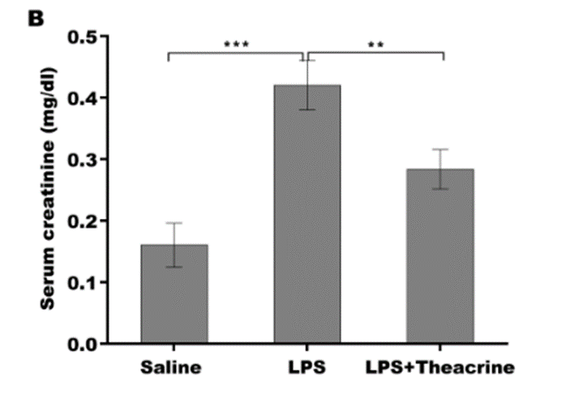
The standard curve
x | Serum creatinine |  | OD | OD
0.106 | 0 |  | 0.107 | 0.105
0.136 | 0.03 |  | 0.14 | 0.132
0.201 | 0.06 |  | 0.203 | 0.199
0.269 | 0.12 |  | 0.273 | 0.265
0.511 | 0.25 |  | 0.517 | 0.505
1.005 | 0.5 |  | 1.009 | 1.001
1.889 | 1 |  | 1.903 | 1.875
3.568 | 2 |  | 3.602 | 3.534

OD
0.107 | 0.105 | 0.427 | 0.357 | 0.567 | 0.689
0.14 | 0.132 | 0.304 | 2.055
0.203 | 0.199 | 0.392 | 2.002
0.273 | 0.265 | 0.759 | 1.022
0.517 | 0.505 | 0.899 | 1.897
1.009 | 1.001 | 0.829 | 0.672
1.903 | 1.875 | 0.549 | 0.286
3.602 | 3.534 | 0.654 | 1.932

Explain
Negative control | Negative control | Saline1 | Saline1 | LPS+Theacrine-3 | LPS+Theacrine-3
Positive control 0.03pg/ml | Positive control 0.03pg/ml | Saline2 | Saline2
Positive control 0.06pg/ml | Positive control 0.06pg/ml | Saline3 | Saline3
Positive control 0.12pg/ml | Positive control 0.12pg/ml | LPS-1 | LPS-1
Positive control 0.25pg/ml | Positive control 0.25pg/ml | LPS-2 | LPS-2
Positive control 0.5pg/ml | Positive control 0.5pg/ml | LPS-3 | LPS-3
Positive control 1pg/ml | Positive control 1pg/ml | LPS+Theacrine-1 | LPS+Theacrine-1
Positive control 2pg/ml | Positive control 2pg/ml | LPS+Theacrine-2 | LPS+Theacrine-2

