fig3A
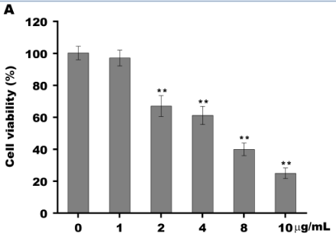
 | 0 | 1 | 2 | 4 | 8 | 10
 | 100 | 101.5 | 74.2 | 65.3 | 42.8 | 21.3
 | 96.3 | 91.7 | 61.4 | 54.7 | 35.5 | 26.1
 | 104.7 | 98.3 | 65.6 | 63.6 | 41.7 | 27.6
Mean | 100.33333333 | 97.166666667 | 67.066666667 | 61.2 | 40 | 25
SD | 4.209908946 | 4.9973326218 | 6.524824391 | 5.692978131 | 3.9357337308 | 3.2908965344

fig3B
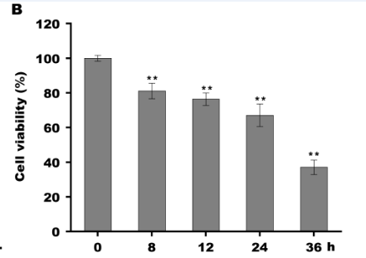
 | 0 | 8 | 12 | 24 | 36
 | 100 | 81.3 | 76.5 | 74.2 | 33.9
 | 98.3 | 76.5 | 79.9 | 61.4 | 35.5
 | 101.7 | 85.5 | 72.8 | 65.6 | 41.7
Mean | 100 | 81.1 | 76.4 | 67.066666667 | 37.033333333
SD | 1.7 | 4.5033320997 | 3.5510561809 | 6.524824391 | 4.1198705481

fig3C
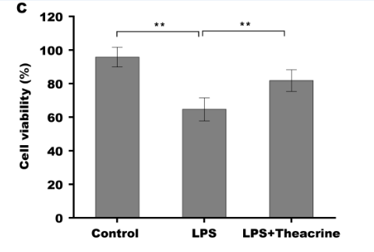
 | Control | LPS | LPS+Theacrine
 | 100 | 71 | 76.5
 | 98.3 | 57.3 | 79.9
 | 89 | 65.6 | 89
Mean | 95.766666667 | 64.633333333 | 81.8
SD | 5.9214300075 | 6.9009661159 | 6.4629714528

fig3E
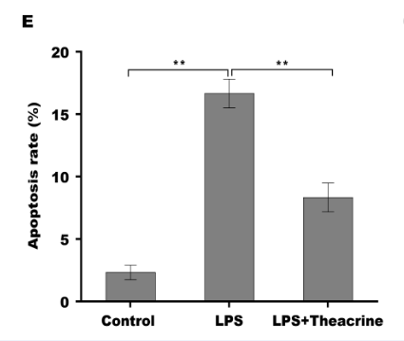
 | Control | LPS | LPS+Theacrine
 | 2 | 18 | 7
 | 3 | 16 | 9
 | 2 | 16 | 9
Mean | 2.3333333333 | 16.666666667 | 8.3333333333
SD | 0.57735026919 | 1.1547005384 | 1.1547005384

