fig6A
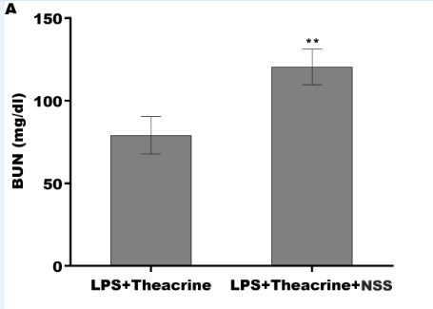
The standard curve
x | BUN |  | OD | OD
0.123 | 0 |  | 0.119 | 0.127
0.216 | 3.1 |  | 0.219 | 0.213
0.319 | 6.2 |  | 0.315 | 0.323
0.412 | 12.5 |  | 0.417 | 0.407
0.673 | 25 |  | 0.682 | 0.664
1.133 | 50 |  | 1.142 | 1.124
2.113 | 100 |  | 2.123 | 2.103
3.886 | 200 |  | 3.889 | 3.883

OD
0.119 | 0.127 | 1.905 | 1.86
0.219 | 0.213 | 1.521 | 1.592
0.315 | 0.323 | 1.557 | 1.868
0.417 | 0.407 | 2.215 | 2.244
0.682 | 0.664 | 2.481 | 2.172
1.142 | 1.124 | 2.61 | 2.417
2.123 | 2.103
3.889 | 3.883

Explain
Negative control | Negative control | LPS+Theacrine1 | LPS+Theacrine1
Positive control 3.1pg/ml | Positive control 3.1pg/ml | LPS+Theacrine2 | LPS+Theacrine2
Positive control 6.2pg/ml | Positive control 6.2pg/ml | LPS+Theacrine3 | LPS+Theacrine3
Positive control 12.5pg/ml | Positive control 12.5pg/ml | LPS+Theacrine+SCC1 | LPS+Theacrine+SCC1
Positive control 25pg/ml | Positive control 25pg/ml | LPS+Theacrine+SCC2 | LPS+Theacrine+SCC2
Positive control 50pg/ml | Positive control 50pg/ml | LPS+Theacrine+SCC3 | LPS+Theacrine+SCC3
Positive control 100pg/ml | Positive control 100pg/ml
Positive control 200pg/ml | Positive control 200pg/ml

fig6B
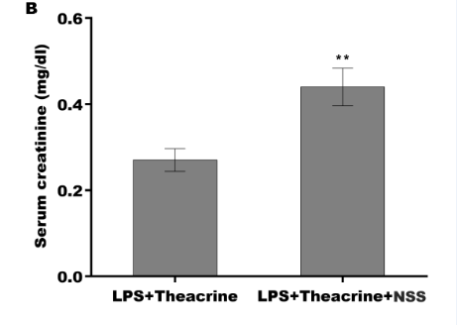
The standard curve
x | Serum creatinine |  | OD | OD
0.106 | 0 |  | 0.108 | 0.104
0.233 | 0.01 |  | 0.236 | 0.23
0.331 | 0.03 |  | 0.338 | 0.324
0.498 | 0.06 |  | 0.503 | 0.493
0.668 | 0.125 |  | 0.671 | 0.665
1.135 | 0.25 |  | 1.138 | 1.132
2.036 | 0.5 |  | 2.039 | 2.033
3.706 | 1 |  | 3.712 | 3.7

OD
0.108 | 0.104 | 1.065 | 1.242
0.236 | 0.23 | 1.242 | 2.162
0.338 | 0.324 | 1.207 | 1.454
0.503 | 0.493 | 1.596 | 1.666
0.671 | 0.665 | 1.843 | 2.056
1.138 | 1.132 | 1.879 | 1.56
2.039 | 2.033
3.712 | 3.7

Explain
Negative control | Negative control | LPS+Theacrine1 | LPS+Theacrine1
Positive control 0.01pg/ml | Positive control 0.01pg/ml | LPS+Theacrine2 | LPS+Theacrine2
Positive control 0.03pg/ml | Positive control 0.03pg/ml | LPS+Theacrine3 | LPS+Theacrine3
Positive control 0.06pg/ml | Positive control 0.06pg/ml | LPS+Theacrine+SCC1 | LPS+Theacrine+SCC1
Positive control 0.125pg/ml | Positive control 0.125pg/ml | LPS+Theacrine+SCC2 | LPS+Theacrine+SCC2
Positive control 0.25pg/ml | Positive control 0.25pg/ml | LPS+Theacrine+SCC3 | LPS+Theacrine+SCC3
Positive control 0.5pg/ml | Positive control 0.5pg/ml
Positive control 1pg/ml | Positive control 1pg/ml

