fig3b
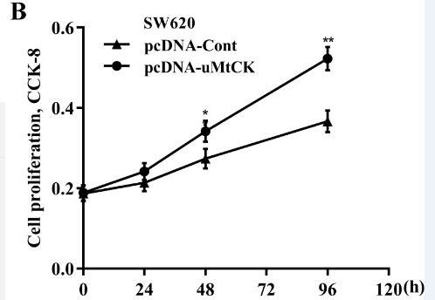
pcDNA-Cont |  | 0h | 24h | 48h | 96h
 | cell viability | 0.17 | 0.18 | 0.25 | 0.34
 |  | 0.21 | 0.22 | 0.29 | 0.39
 |  | 0.19 | 0.22 | 0.27 | 0.38

 | Mean | 0.19 | 0.20666666667 | 0.27 | 0.37
 | SD | 0.02 | 0.023094010768 | 0.02 | 0.026457513111

pcDNA-uMtCK |  | 0h | 24h | 48h | 96h
 | cell viability | 0.21 | 0.22 | 0.31 | 0.56
 |  | 0.17 | 0.23 | 0.33 | 0.51
 |  | 0.2 | 0.26 | 0.37 | 0.53

 | Mean | 0.19333333333 | 0.23666666667 | 0.33666666667 | 0.53333333333
 | SD | 0.020816659995 | 0.020816659995 | 0.030550504633 | 0.025166114784

fig3d
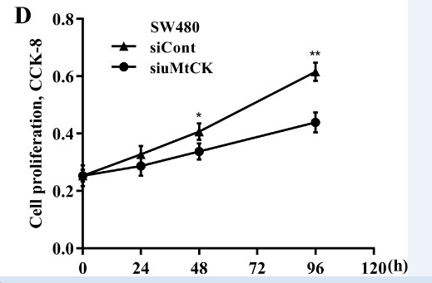
siCont |  | 0h | 24h | 48h | 96h
 | cell viability | 0.23 | 0.3 | 0.39 | 0.64
 |  | 0.27 | 0.33 | 0.45 | 0.58
 |  | 0.25 | 0.36 | 0.39 | 0.63

 | Mean | 0.25 | 0.33 | 0.41 | 0.61666666667
 | SD | 0.02 | 0.03 | 0.034641016151 | 0.032145502537

siuMtCK |  | 0h | 24h | 48h | 96h
 | cell viability | 0.24 | 0.32 | 0.38 | 0.4
 |  | 0.29 | 0.26 | 0.32 | 0.48
 |  | 0.21 | 0.29 | 0.32 | 0.44

 | Mean | 0.24666666667 | 0.29 | 0.34 | 0.44
 | SD | 0.040414518843 | 0.03 | 0.034641016151 | 0.04

