fig4b
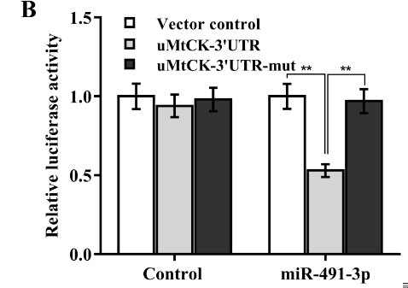
Control |  | Vector control | uMtCK-3'UTR | uMtCK-3'UTR-mut
 | cell viability | 1.04 | 0.91 | 0.92
 |  | 0.91 | 1.03 | 1.07
 |  | 1.05 | 0.9 | 0.96

 | Mean | 1 | 0.94666666667 | 0.98333333333
 | SD | 0.078102496759 | 0.072341781381 | 0.077674534652

miR-491-3p |  | Vector control | uMtCK-3'UTR | uMtCK-3'UTR-mut
 | cell viability | 1.08 | 0.5 | 0.9
 |  | 0.92 | 0.52 | 1.06
 |  | 1 | 0.58 | 0.94

 | Mean | 1 | 0.53333333333 | 0.96666666667
 | SD | 0.08 | 0.041633319989 | 0.083266639979

fig4cd-SW480
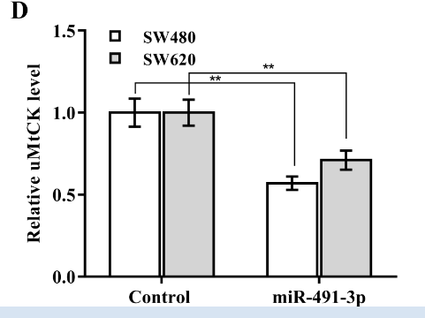
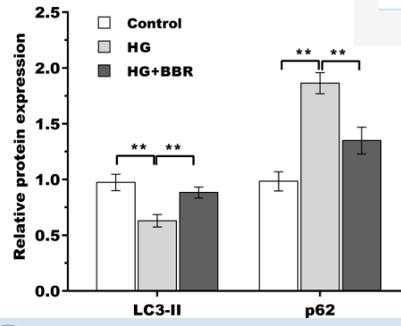
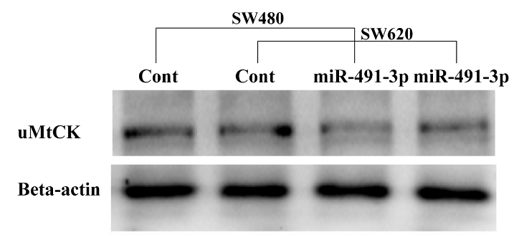
 | Control | miR-491-3p
uMtCK | 0.36 | 0.17
 | 0.38 | 0.2
 | 0.35 | 0.23
β-actin读值 | 0.86 | 0.81
 | 0.85 | 0.82
 | 0.84 | 0.83

 | 0.41860465116 | 0.20987654321
 | 0.44705882353 | 0.24390243902
 | 0.41666666667 | 0.27710843373

