Figure 3
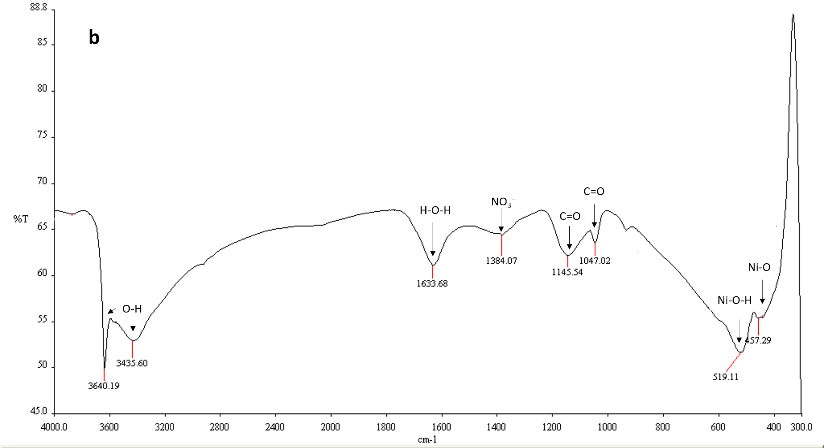
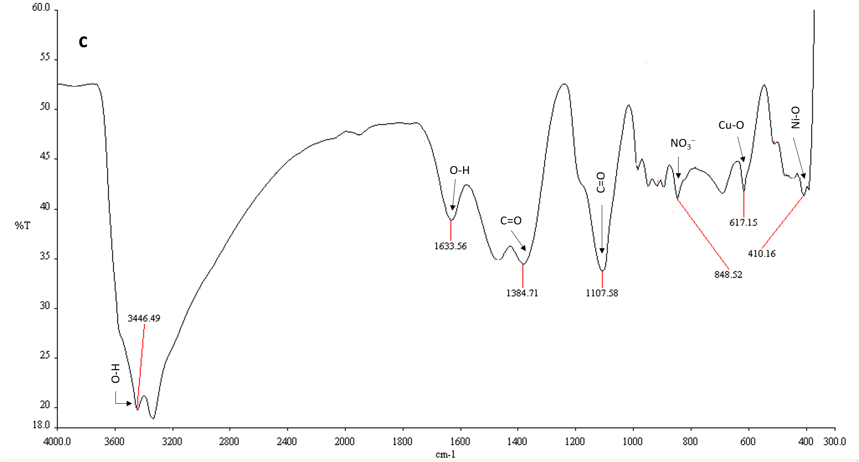
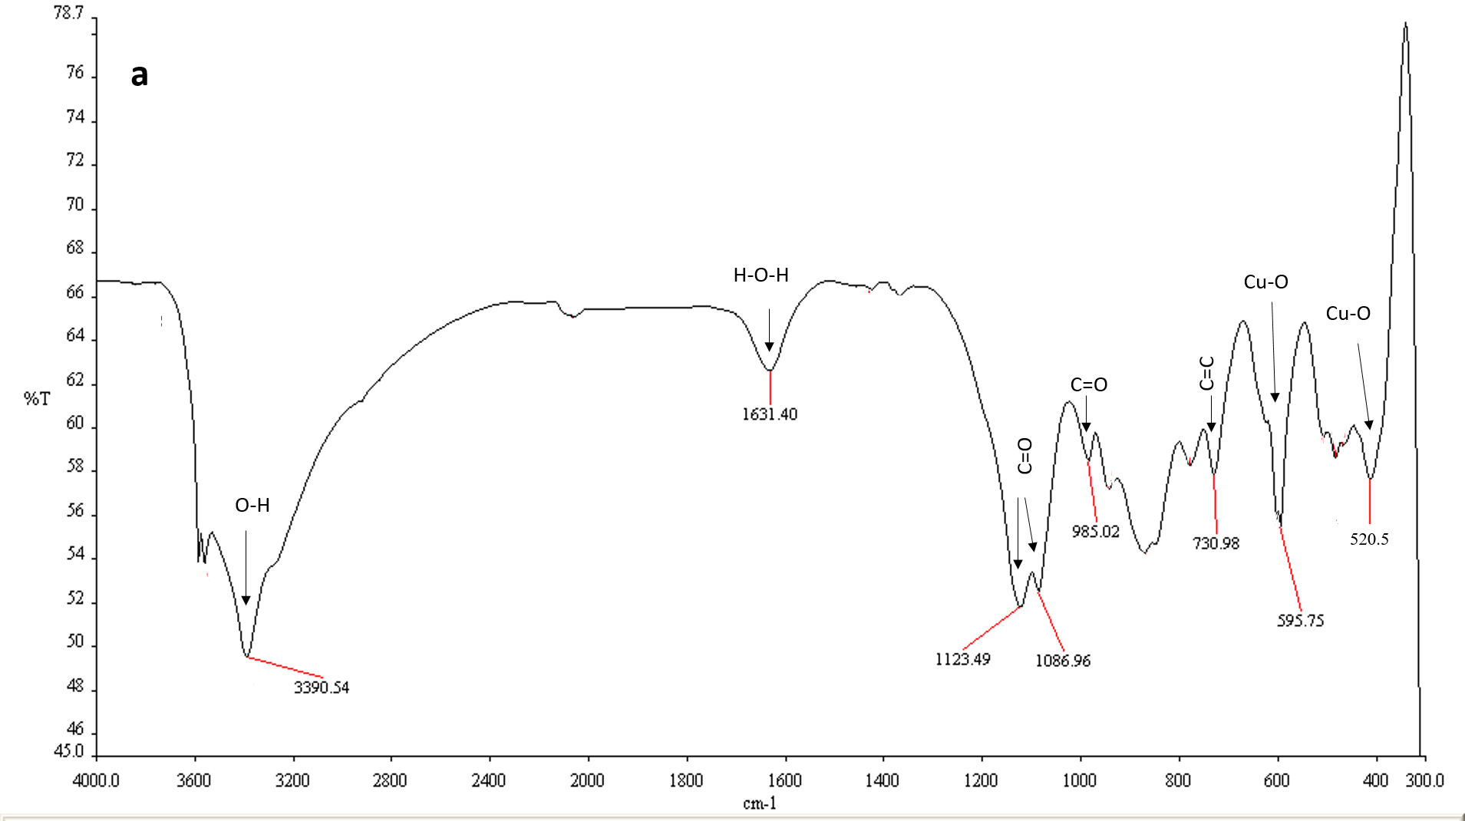
Figure 3
CuO | NiO | NiO/CuO

Figure 4
Figure 4
Effect of dose concentration
RR-2
(a)
dose conc. effect (60 mg/L dye conc, pH (7.5), time 2h)

 | NiO-NPs | CuO-NPs | NiO/CuO-NPs
0.02 | 33.64 | 13.13 | 39.36
0.04 | 47.91 | 19.73 | 56.75
0.06 | 65.42 | 30.93 | 72.94
0.08 | 89.43 | 44.38 | 89.47
0.1 | 90.00 | 49.32 | 92.00

 | 1.53 | 1.85 | 0.10
 | 2.02 | 1.18 | 0.18
 | 1.53 | 3.13 | 0.08
 | 2.51 | 0.94 | 0.22
 | 5.51 | 0.60 | 0.03
RB-5
(b)
 | NiO | CuO | NiO/CuO
0.02 | 22.02 | 7.5 | 69.02
0.04 | 58.77 | 11.91 | 87.02
0.06 | 71.21 | 21.38 | 88.04
0.08 | 77.92 | 29.6 | 91.98
0.1 | 82.47 | 34.39 | 92.82

 | 2.90 | 1.08 | 0.46
 | 1.65 | 0.32 | 0.41
 | 0.37 | 0.20 | 0.65
 | 0.43 | 0.44 | 2.03
 | 0.99 | 0.36 | 0.70

OII
 | NiO | CuO | NiO/CuO
0.02 | 18.00 | 15.00 | 76.23
0.04 | 24.00 | 18.00 | 92.08
0.06 | 56.88 | 21.00 | 94.09
0.08 | 71.66 | 35.00 | 95.13
0.1 | 83.72 | 44.00 | 96.22

 | 1.25 | 0.46 | 5.81
 | 2.84 | 0.41 | 0.89
 | 1.98 | 0.64 | 0.59
 | 2.55 | 2.03 | 0.59
 | 2.32 | 0.70 | 0.42

Figure 5
Figure 5
Effect of dye concentration
 | RB-5 |  |  | RR-2 |  |  | OII
 | NiO | CuO | NiO/CuO | NiO | CuO | NiO/CuO | NiO | CuO | NiO/CuO
20 | 99.49 | 71.78 | 100.00 | 86.13 | 18.38 | 86.81 | 92.00 | 51.08 | 87.40
40 | 58.35 | 39.29 | 92.23 | 60.46 | 35.00 | 93.40 | 84.76 | 47.77 | 91.93
60 | 71.21 | 21.38 | 88.04 | 65.42 | 30.93 | 72.94 | 56.88 | 21.00 | 94.09
80 | 70.45 | 51.38 | 80.56 | 57.94 | 32.00 | 72.35 | 43.21 | 25.84 | 91.55
100 | 41.58 | 41.58 | 85.73 | 45.90 | 42.00 | 78.08 | 73.47 | 52.37 | 87.98

RB-5
dye conc. effect (0.06g/10ml dose, pH (7.5), time 2h)

 | NiO | CuO | NiO/CuO
20 | 99.49 | 71.78 | 100.00
40 | 58.35 | 39.29 | 92.23
60 | 71.21 | 21.38 | 88.04
80 | 70.45 | 51.38 | 80.56
100 | 41.58 | 41.58 | 85.73

S.E | 0.51 | 0.08 | 0.00
 | 1.08 | 1.17 | 1.35
 | 0.37 | 0.20 | 0.65
 | 4.80 | 0.72 | 0.17
 | 0.37 | 0.37 | 0.04

RR-2
RR-2
 | NiO | CuO | NiO/CuO
20 | 86.13 | 42.00 | 86.81
40 | 60.46 | 35.00 | 93.40
60 | 65.42 | 32.00 | 72.94
80 | 57.94 | 30.00 | 72.35
100 | 45.90 | 18.00 | 78.08

 | 4.21 | 8.80 | 0.19
 | 1.32 | 1.17 | 0.03
 | 1.53 | 3.13 | 0.08
 | 1.87 | 0.60 | 0.06
 | 3.40 | 5.52 | 0.42

OII

OII
 | NiO | CuO | NiO/CuO
20 | 92.00 | 51.08 | 87.40
40 | 84.76 | 47.77 | 91.93
60 | 56.88 | 21.00 | 94.09
80 | 43.21 | 25.84 | 91.55
100 | 73.47 | 52.37 | 80.50

 | 0.35 | 0.96 | 0.53
 | 2.97 | 2.28 | 0.18
 | 1.98 | 0.64 | 0.59
 | 4.37 | 0.61 | 0.38
 | 3.87 | 0.37 | 0.04

Figure 6 & Table 2
Figure 6/Table 2
Reactive Red | NiO |  |  |  |  | CuO |  |  |  |  | NiO/CuO
C0 | Ce | ln Ce | qe | Ce/qe | lnqe | Ce | ln Ce | qe | Ce/qe | lnqe | Ce | ln Ce | qe | Ce/qe | lnqe
Langmuir (Reactive red )
 | NiO |  | CuO |  | NiO/CuO
6.03 | 1.0650574036 | 26.123324397 | 11.295208655 | 10.788203753 | 2.2158590308
7.97 | 0.91908514319 | 36.1 | 9.0627615063 | 18.983020554 | 2.7768530219
10.439678284 | 0.90048562399 | 37.61 | 5.3234253362 | 27.705093834 | 3.1787142418
11.324396783 | 0.62522202487 | 43.013404826 | 3.352277476 | 29.662198391 | 1.9700854701
Freundlich (Reactive red)
 | NiO |  | CuO |  | NiO/CuO
1.7967470107 | 1.7337183129 | 3.2628285703 | 0.83844994731 | 2.3784532921 | 0
2.0756844928 | 2.1600610061 | 3.5862928653 | 1.3821189897 | 2.9435449246 | 1.5828131395
2.3456137663 | 2.4504348453 | 3.6272699725 | 1.9551530161 | 3.3216162892 | 1.9222266446
2.4269594057 | 2.8966078583 | 3.7615118072 | 2.5518718488 | 3.3898734537 | 2.1651395007
 |  |  |  |  | 2.7117965261
40 | 6.03 | 1.80 | 5.66 | 1.07 | 1.73 | 26.12 | 3.26 | 2.31 | 11.30 | 0.84 | 10.79 | 2.38 | 4.87 | 2.22 | 1.58
60 | 7.97 | 2.08 | 8.67 | 0.92 | 2.16 | 36.10 | 3.59 | 3.98 | 9.06 | 1.38 | 18.98 | 2.94 | 6.84 | 2.78 | 1.92
80 | 10.44 | 2.35 | 11.59 | 0.90 | 2.45 | 37.61 | 3.63 | 7.07 | 5.32 | 1.96 | 27.71 | 3.32 | 8.72 | 3.18 | 2.17
120 | 11.32 | 2.43 | 18.11 | 0.63 | 2.90 | 43.01 | 3.76 | 12.83 | 3.35 | 2.55 | 29.66 | 3.39 | 15.06 | 1.97 | 2.71

Orange 11 | NiO |  |  |  |  | CuO |  |  |  |  | NiO/CuO
C0 | Ce | ln Ce | qe | Ce/qe | lnqe | Ce | ln Ce | qe | Ce/qe | lnqe | Ce | ln Ce | qe | Ce/qe | lnqe
40 | 7.13 | 1.96 | 5.48 | 1.30 | 1.70 | 15.52 | 2.74 | 4.08 | 3.80 | 1.41 | 0.82 | -0.20 | 6.53 | 0.13 | 1.88
60 | 9.41 | 2.24 | 8.43 | 1.12 | 2.13 | 16.62 | 2.81 | 7.23 | 2.30 | 1.98 | 4.61 | 1.53 | 9.23 | 0.50 | 2.22
80 | 27.96 | 3.33 | 8.67 | 3.22 | 2.16 | 29.05 | 3.37 | 8.49 | 3.42 | 2.14 | 26.72 | 3.29 | 8.88 | 3.01 | 2.18
120 | 28.31 | 3.34 | 15.28 | 1.85 | 2.73 | 30.57 | 3.42 | 14.90 | 2.05 | 2.70 | 32.61 | 3.48 | 14.56 | 2.24 | 2.68

Freundich (Orange II )
 | NiO |  | CuO |  | NiO/CuO
1.9640176397 | 1.7008645922 | 2.7421295148 | 1.4060969884 | -0.19845093872 | 1.8764069433
2.2415889551 | 2.13202868 | 2.8106067894 | 1.9782390362 | 1.528227857 | 2.2226396028
3.3307749174 | 2.1602531844 | 3.3688983944 | 2.1391537547 | 3.2854471622 | 2.1837840975
3.3432150991 | 2.7266538528 | 3.4200537912 | 2.7016848806 | 3.4846926792 | 2.6785938915
Langmuir (Orange II )
 | NiO |  | CuO |  | NiO/CuO
7.1279069767 | 1.3010258224 | 15.52 | 3.8039215686 | 0.82 | 0.12557427259
9.4082687339 | 1.1157873232 | 16.62 | 2.2987551867 | 4.61 | 0.49936811699
27.96 | 3.2236740968 | 29.046511628 | 3.4203560018 | 26.720930233 | 3.0091663029
28.31 | 1.8525466245 | 30.571059432 | 2.0510849779 | 32.612403101 | 2.2391555043
 |  |  |  |  |  |  |  |  |  |  | Freundlich
 | Reactive red | Langmuir
 |  | adsorbent | slope | Qmax | intercept | KL | R^2 |  |  |  | adsorbent | slope | n | intercept | Kf | R^2
 |  | NiO | 0.0665 | 15.04 | 1.472 | 0.045 | 0.76 |  |  |  | NiO | 1.65 | 0.60 | 1.26 | 3.5 | 0.93
 |  | CuO | 0.4711 | 2.12 | 24.083 | 0.020 | 0.86 |  |  |  | CuO | 3.25 | 0.31 | 9.99 | 21807.3 | 0.87
 |  | NiO/CuO | 0.0097 | 103.09 | 2.3239 | 0.004 | 0.024 |  |  |  | NiO/CuO | 2.06 | 0.49 | 4.76 | 116.7 | 0.96
 | Orange II | Langmuir
 |  | adsorbent | slope | Qmax | intercept | KL | R^2 |  |  |  | adsorbent | slope | n | intercept | Kf | R^2
 |  | NiO | 0.0653 | 15.31 | 0.6838 | 0.095 | 0.62 |  |  |  | NiO | 0.46 | 2.19 | 0.94 | 2.6 | 0.61
 |  | CuO | 0.0326 | 30.67 | 3.64 | 0.009 | 0.093 |  |  |  | CuO | 1.26 | 0.80 | 1.82 | 6.2 | 0.71
 |  | NiO/CuO | 0.0809 | 12.36 | 0.159 | 0.509 | 0.86 |  |  |  | NiO/CuO | 0.16 | 6.41 | 1.93 | 6.9 | 0.66

 |  | Langmuir |  |  |  |  |  | Freundlich
 | Parameters | adsorbent | slope | Qmax | intercept | KL | R^2 | slope | n | intercept | Kf | R^2
 | Reactive red | NiO | 0.0665 | 15.04 | 1.472 | 0.045 | 0.76 | 1.65 | 0.60 | 1.26 | 3.5 | 0.93
 |  | CuO | 0.4711 | 2.12 | 24.083 | 0.020 | 0.86 | 3.25 | 0.31 | 9.99 | 21807.3 | 0.87
 |  | NiO/CuO | 0.0097 | 103.09 | 2.3239 | 0.004 | 0.024 | 2.06 | 0.49 | 4.76 | 116.7 | 0.96
 | Orange II
 |  | NiO | 0.0653 | 15.31 | 0.6838 | 0.095 | 0.62 | 0.46 | 2.19 | 0.94 | 2.6 | 0.61
 |  | CuO | 0.0326 | 30.67 | 3.64 | 0.009 | 0.093 | 1.26 | 0.80 | 1.82 | 6.2 | 0.71
 |  | NiO/CuO | 0.0809 | 12.36 | 0.159 | 0.509 | 0.86 | 0.16 | 6.41 | 1.93 | 6.9 | 0.66

Figure 7 & Table 3
Orange II PFO
 | NiO | CuO | NiO/CuO
15 | 0.28897322822 | 0.38208157227 | -0.35692106749
30 | -0.8474414251 | -0.17716690621 | -1.7524890654
60 | -1.9139125046 | -1.046996049 | -2.0136118648
Reactive red PSO
 | NiO | CuO" | NiO/CuO
15 | 1.8346267352 | 4.7779675491 | 2.7653907408
30 | 3.3807781396 | 9.2023026316 | 4.8304475035
60 | 6.6708617606 | 16.076302977 | 8.7768530219
120 | 13.178056201 | 23.831045906 | 16.490237013
Figure 7/Table 3
Nio
 | Reactive red |  |  |  |  |  | CuO |  | Reactive red |  |  |  | NiO/CuO
t (min) | Ce (ppm) | qt | ln(qe-qt) | t/qt |  |  | t (min) | Ce (ppm) | qt | ln(qe-qt) | t/qt |  | t (min) | Ce (ppm) | qt | ln(qe-qt) | t/qt
15 | 10.94 | 8.18 | -0.07 | 1.83 |  |  | 15 | 41.16 | 3.14 | 0.64 | 4.78 |  | 15 | 27.45 | 5.42 | 0.62 | 2.77
30 | 6.76 | 8.87 | -1.46 | 3.38 |  |  | 30 | 40.44 | 3.26 | 0.57 | 9.20 |  | 30 | 22.74 | 6.21 | 0.06 | 4.83
60 | 6.03 | 8.99 | -2.19 | 6.67 |  |  | 60 | 37.61 | 3.73 | 0.26 | 16.08 |  | 60 | 18.98 | 6.84 | -0.82 | 8.78
120 | 5.36 | 9.11 |  | 13.18 |  |  | 120 | 29.79 | 5.04 |  | 23.83 |  | 120 | 16.34 | 7.28 |  | 16.49

Nio |  |  |  |  |  |  | CuO |  | Reactive red |  |  |  | NiO/CuO
 | Orange II |  |  |  |  |  | t (min) | Ce (ppm) | qt | ln(qe-qt) | t/qt |  | t (min) | Ce (ppm) | qt | ln(qe-qt) | t/qt
t (min) | Ce (ppm) | qt | ln(qe-qt) | t/qt |  |  | 15 | 22.21 | 6.30 | 0.38 | 2.38 |  | 15 | 4.35 | 9.27 | -0.36 | 1.62
15 | 16.53 | 7.24 | 0.29 | 2.07 |  |  | 30 | 18.44 | 6.93 | -0.18 | 4.33 |  | 30 | 1.19 | 9.80 | -1.75 | 3.06
30 | 11.09 | 8.15 | -0.85 | 3.68 |  |  | 60 | 15.52 | 7.41 | -1.05 | 8.09 |  | 60 | 0.95 | 9.84 | -2.01 | 6.10
60 | 9.41 | 8.43 | -1.91 | 7.12 |  |  | 120 | 13.41 | 7.76 |  | 15.46 |  | 120 | 0.15 | 9.97 |  | 12.03
120 | 8.52 | 8.58 |  | 13.99

Orange II PSO
 | NiO | CuO | NiO/CuO
15 | 2.0705644562 | 2.3812942262 | 1.6172544285
30 | 3.680553721 | 4.331012186 | 3.060767169
60 | 7.1157873232 | 8.0934123388 | 6.0967551364
120 | 13.986898577 | 15.455100116 | 12.030308918
Reactive red PFO
 | NiO | CuO | NiO/CuO
15 | -0.072573895905 | 0.63976651401 | 0.61672218875
30 | -1.4595090773 | 0.57402276308 | 0.064315082415
60 | -2.191876971 | 0.26485880181 | -0.81900563022
 | PFO |  |  |  |  |  |  | PSO
 | adsorbent | slope | k1 | intercept | qe.cal | R^2 |  | adsorbent | slope | qe.cal | intercept | k2 | R^2
Reactive red-2 | NiO | 0.044 | 0.101 | 0.294 | 1.34 | 0.87 |  | NiO | 0.108 | 9.23 | 0.173 | 0.068 | 1.000
 | CuO | 0.009 | 0.020 | 0.794 | 2.21 | 0.97 |  | CuO | 0.176 | 5.67 | 3.550 | 0.009 | 0.970
 | NiO/CuO | 0.0316 | 0.073 | 1.0584 | 2.88 | 0.99 |  | NiO/CuO | 0.1304 | 7.67 | 0.88 | 0.019 | 0.990

Orange II | adsorbent | slope | k1 | intercept | qe.cal | R^2 |  | adsorbent | slope | qe.cal | intercept | k2 | R^2
 | NiO | 0.047 | 0.108 | 0.822 | 2.28 | 0.95 |  | NiO | 0.114 | 8.79 | 0.311 | 0.042 | 0.999
 | CuO | 0.031 | 0.072 | 0.817 | 2.26 | 0.99 |  | CuO | 0.124 | 8.06 | 0.577 | 0.027 | 0.999
 | NiO/CuO | 0.0328 | 0.076 | 0.226 | 1.25 | 0.71 |  | NiO/CuO | 0.099 | 10.10 | 0.1122 | 0.087 | 0.999

 | PFO |  |  |  |  |  |  | PSO
 | adsorbent | slope | k1 | intercept | qe.cal | R^2 |  | slope | qe.cal | intercept | k2 | R^2
Reactive red-2 | NiO | 0.044 | 0.101 | 0.294 | 1.34 | 0.87 |  | 0.108 | 9.23 | 0.173 | 0.068 | 1.000
 | CuO | 0.009 | 0.020 | 0.794 | 2.21 | 0.97 |  | 0.176 | 5.67 | 3.550 | 0.009 | 0.970
 | NiO/CuO | 0.0316 | 0.073 | 1.0584 | 2.88 | 0.99 |  | 0.1304 | 7.67 | 0.88 | 0.019 | 0.990

Orange II | adsorbent | slope | k1 | intercept | qe.cal | R^2 |  | slope | qe.cal | intercept | k2 | R^2
 | NiO | 0.047 | 0.108 | 0.822 | 2.28 | 0.95 |  | 0.114 | 8.79 | 0.311 | 0.042 | 0.999
 | CuO | 0.031 | 0.072 | 0.817 | 2.26 | 0.99 |  | 0.124 | 8.06 | 0.577 | 0.027 | 0.999
 | NiO/CuO | 0.0328 | 0.076 | 0.226 | 1.25 | 0.71 |  | 0.099 | 10.10 | 0.1122 | 0.087 | 0.999

