RTPCR
RTPCR
20160909 |  | cDNA合成 |  |  | MIX
BIO-RAD |  |  |  |  | 40 |  | 25℃ 5min
iScript cDNA Synthesis Kit |  | 5XReactionMix |  | 4 | 160 |  | 42℃ 30min
 |  | ReveerseTrams |  | 1 | 40 |  | 85℃ 5min
 |  | Template |  | 4 |  |  | 4℃ ∞
 |  | NucleasefreeH2O |  | 11 | 440
36検体 |  |  |  | 20 | 8800
 |  |  |  | mix | 16ul

 |  | 1 | 2 | 3 | 4 | 5 | 6 | 7 | 8 | 9 | 10 | 11 | 12
SsoFast EvaGreen Supermix With Low ROX | A | 1-1 | 〃 | 3-1 | 〃 | 5-1 | 〃 | 1-1 | 〃 | 3-1 | 〃 | 5-1 | 〃
 | B | 1-2 | 〃 | 3-2 | 〃 | 5-2 | 〃 | 1-2 | 〃 | 3-2 | 〃 | 5-2 | 〃
 | C | 1-3 | 〃 | 3-3 | 〃 | 5-3 | 〃 | 1-3 | 〃 | 3-3 | 〃 | 5-3 | 〃
 | D | 2-1 | 〃 | 4-1 | 〃 | 6-1 | 〃 | 2-1 | 〃 | 4-1 | 〃 | 6-1 | 〃
CAM | E | 2-2 | 〃 | 4-2 | 〃 | 6-2 | 〃 | 2-2 | 〃 | 4-2 | 〃 | 6-2 | 〃
Solithromycin(SOLI) | F | 2-3 | 〃 | 4-3 | 〃 | 6-3 | 〃 | 2-3 | 〃 | 4-3 | 〃 | 6-3 | 〃
 | G | 1000 | 100 | 10 | 1 | 0.1 | 0
20160914 | H | 〃 | 〃 | 〃 | 〃 | 〃 | 〃
20160916 |  | STD |  | X40
20160920
 |  |  |  |  |  |  | 90 |  |  |  |  |  |  | 90
 |  | ｔｋGAPDH | 60 |  | Eva | 10 | 900 |  | MUC5AC | 60 |  | Eva | 10 | 900 |  | primer 50uM 0.2ul
 |  |  |  |  | FWD | 0.2 | 18 |  | ANO1 |  |  | FWD | 0.2 | 18 |  | primer 100uM 0.1ul
 |  |  |  |  | REV | 0.2 | 18 |  | CLCA1 |  |  | REV | 0.2 | 18
 |  |  |  |  | Tem | 4 |  |  | FOXA2(3'側） |  |  | Tem | 4
 |  |  |  |  | DW | 5.6 | 504 |  | SPDF |  |  | DW | 5.6 | 504
 |  |  |  |  | ROX |  |  |  | FOXA2(5'側） |  |  | ROX
 |  |  |  |  |  | 20 |  |  |  |  |  |  | 20
 |  |  |  |  |  | 16 | 1440 |  |  |  |  |  | 16 | 1440

 |  | 1 | 2 | 3 | 4 | 5 | 6 | 7 | 8 | 9 | 10 | 11 | 12
 | A | 1-1 | 〃 | 3-1 | 〃 | 5-1 | 〃 | 1-1 | 〃 | 3-1 | 〃 | 5-1 | 〃 |  |  | 95℃ 30sec |  | X1
 | B | 1-2 | 〃 | 3-2 | 〃 | 5-2 | 〃 | 1-2 | 〃 | 3-2 | 〃 | 5-2 | 〃 |  |  | 95℃ 5ｓec
 | C | 1-3 | 〃 | 3-3 | 〃 | 5-3 | 〃 | 1-3 | 〃 | 3-3 | 〃 | 5-3 | 〃 |  |  | 60℃ 30sec |  | X40
 | D | 2-1 | 〃 | 4-1 | 〃 | 6-1 | 〃 | 2-1 | 〃 | 4-1 | 〃 | 6-1 | 〃
 | E | 2-2 | 〃 | 4-2 | 〃 | 6-2 | 〃 | 2-2 | 〃 | 4-2 | 〃 | 6-2 | 〃 |  |  | 95℃ 15sec
 | F | 2-3 | 〃 | 4-3 | 〃 | 6-3 | 〃 | 2-3 | 〃 | 4-3 | 〃 | 6-3 | 〃 |  |  | 60℃ 30sec
 | G | 1000 | 100 | 10 | 1 | 0.1 | 0 |  |  |  |  |  |  |  |  | 95℃ 15sec |  | X1
 | H | 〃 | 〃 | 〃 | 〃 | 〃 | 〃
 |  | STD |  | X10
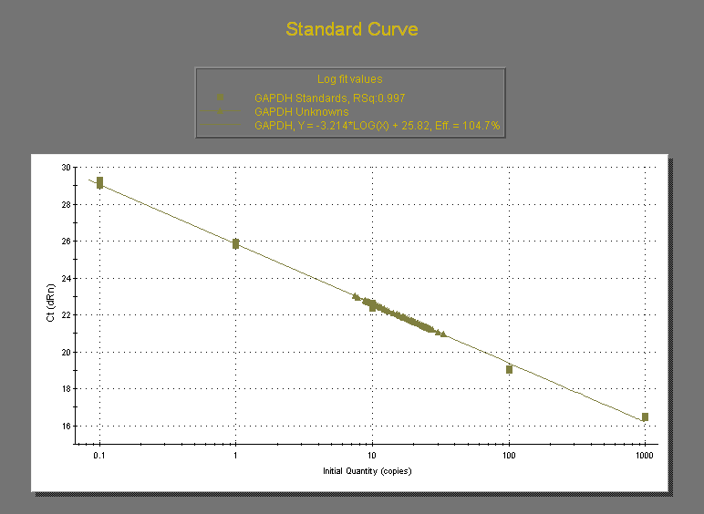

 |  |  | GAPDH |  |  |  | Muc5ac |  |  |  |  |  |  |  |  |  | CAM |  |  | SOLI
 |  |  |  |  | Ave | SD |  |  | MUC5/GAPDH |  | Ave | SD |  |  |  |  | Ave | SD |  | Ave | SD | Conversion
 |  | 1-1 | 24.46 | 24.89 | 24.675 | 0.30405591591 | 5.66 | 7.28 | 0.22938196555 | 0.29503546099 | 0.26220871327 | 0.046424031835 |  | 1 | - | - | 0.33386770907 | 0.06328563083 | - | 0.42484940638 | 0.18784694478 | 0.044355821669
 |  | 1-2 | 25.58 | 26.03 | 25.805 | 0.31819805153 | 8.48 | 9.96 | 0.32861848479 | 0.38597171091 | 0.35729509785 | 0.040554855112 |  | 2 | - | 15ug/ml | 0.19684561139 | 0.057119550774 | 15ug/ml | 0.042965504518 | 0.017465623563 | 0.0044857547822
 |  | 1-3 | 13.19 | 20.44 | 16.815 | 5.1265241636 | 6.35 | 6.5 | 0.37763901279 | 0.38655961939 | 0.38209931609 | 0.00630782142 |  | 3 | + | - | 9.4207287414 | 4.6518792887 | - | 9.5782107147 | 2.1702026941 | 1
 |  | 2-1 | 7.81 | 9.7 | 8.755 | 1.3364318164 | 1.16 | 1.61 | 0.13249571673 | 0.18389491719 | 0.15819531696 | 0.036344723191 |  | 4 | + | 5ug/ml | 12.583883169 | 2.3080242516 | 5ug/ml | 5.4496810423 | 2.4693581464 | 0.56896650163
RTPCR Muc5ac/GAPDH
RTPCR ANO1/GAPDH
 |  | 2-2 | 21.46 | 20.49 | 20.975 | 0.68589357775 | 5.4 | 5.61 | 0.25744934446 | 0.26746126341 | 0.26245530393 | 0.007079495783 |  | 5 | + | 10ug/ml | 8.4651481262 | 1.617040729 | 10ug/ml | 4.1488265389 | 0.17391897544 | 0.43315256497
 |  | 2-3 | 17.4 | 20.39 | 18.895 | 2.1142492757 | 3.54 | 2.88 | 0.1873511511 | 0.15242127547 | 0.16988621328 | 0.024699151923 |  | 6 | + | 15ug/ml | 10.234706981 | 2.1977380821 | 15ug/ml | 2.3820070144 | 0.56648123579 | 0.24869018706
 |  | 3-1 | 19.35 | 24.75 | 22.05 | 3.8183766184 | 343.7 | 308.3 | 15.587301587 | 13.98185941 | 14.784580499 | 1.1352190501
 |  | 3-2 | 26.3 | 26.78 | 26.54 | 0.33941125497 | 175.9 | 168.6 | 6.6277317257 | 6.3526752072 | 6.4902034665 | 0.19449432941
Figure2 Muc5ac mRNA
 |  | 3-3 | 22.78 | 23.26 | 23.02 | 0.33941125497 | 166.5 | 155.2 | 7.2328410078 | 6.74196351 | 6.9874022589 | 0.34710280745
 |  | 4-1 | 15.66 | 15.06 | 15.36 | 0.42426406871 | 146.1 | 159.2 | 9.51171875 | 10.364583333 | 9.9381510417 | 0.60306633031
 |  | 4-2 | 16.71 | 15.84 | 16.275 | 0.61518289963 | 200.6 | 261.1 | 12.325652842 | 16.043010753 | 14.184331797 | 2.6285689869
 |  | 4-3 | 24.82 | 23.18 | 24 | 1.1596551211 | 333.3 | 320.9 | 13.8875 | 13.370833333 | 13.629166667 | 0.36533850361
 |  | 5-1 | 24.52 | 22.19 | 23.355 | 1.6475588002 | 155.2 | 155.6 | 6.6452579747 | 6.6623849283 | 6.6538214515 | 0.012110584991
 |  | 5-2 | 23.73 | 20.23 | 21.98 | 2.4748737342 | 240.7 | 188.5 | 10.950864422 | 8.575978162 | 9.7634212921 | 1.6792981792
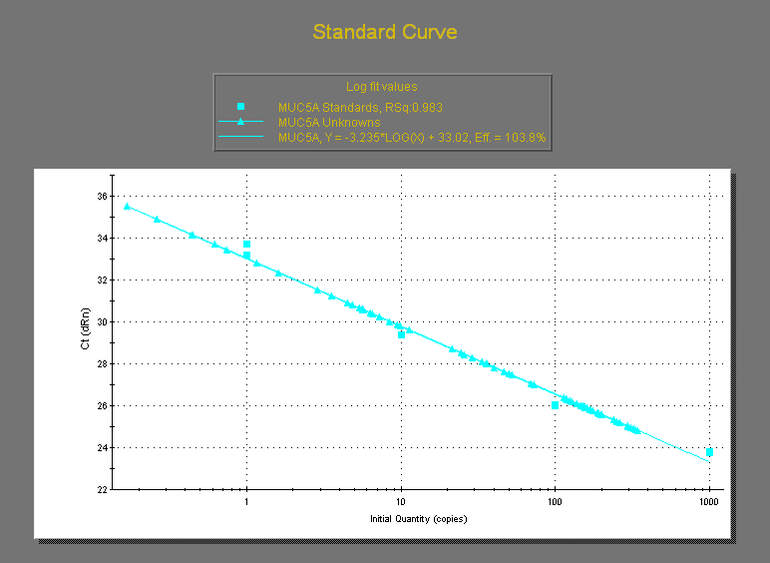
 |  | 5-3 | 19.74 | 16.96 | 18.35 | 1.9657568517 | 170.3 | 159.2 | 9.280653951 | 8.6757493188 | 8.9782016349 | 0.42773216737
 |  | 6-1 | 21.54 | 17.34 | 19.44 | 2.969848481 | 146.8 | 154.2 | 7.5514403292 | 7.9320987654 | 7.7417695473 | 0.26916616156
 |  | 6-2 | 12.24 | 11.59 | 11.915 | 0.45961940777 | 113.8 | 150 | 9.5509861519 | 12.589173311 | 11.070079731 | 2.1483227427
 |  | 6-3 | 11.47 | 9.88 | 10.675 | 1.1242997821 | 129 | 124.9 | 12.084309133 | 11.700234192 | 11.892271663 | 0.27158199558
 |  | 1-1 | 17.06 | 16.56 | 16.81 | 0.35355339059 | 9.45 | 11.27 | 0.56216537775 | 0.67043426532 | 0.61629982153 | 0.07655766459
 |  | 1-2 | 17.84 | 23.31 | 20.575 | 3.8678740931 | 5.38 | 4.53 | 0.26148238153 | 0.22017010936 | 0.24082624544 | 0.029212187801
 |  | 1-3 | 14.13 | 11.24 | 12.685 | 2.0435385976 | 4.85 | 5.74 | 0.38234134805 | 0.45250295625 | 0.41742215215 | 0.049611748936
RTPCR CLCA1/GAPDH
 |  | 2-1 | 9.49 | 11.01 | 10.25 | 1.0748023074 | 0.261 | 0.4462 | 0.025463414634 | 0.043531707317 | 0.034497560976 | 0.012776212281
RTPCR SPDEF/GAPDH
 |  | 2-2 | 8.86 | 10.65 | 9.755 | 1.2657211383 | 0.4437 | 0.1679 | 0.045484366991 | 0.017211686315 | 0.031348026653 | 0.019991804229
 |  | 2-3 | 10.16 | 11.44 | 10.8 | 0.90509667992 | 0.7424 | 0.6195 | 0.068740740741 | 0.057361111111 | 0.063050925926 | 0.0080466132785
 |  | 3-1 | 24.11 | 27.48 | 25.795 | 2.3829498526 | 190.9 | 197.9 | 7.4006590425 | 7.6720294631 | 7.5363442528 | 0.19188786464
 |  | 3-2 | 32.91 | 30.37 | 31.64 | 1.7960512242 | 294.7 | 296.4 | 9.314159292 | 9.3678887484 | 9.3410240202 | 0.037992462959
 |  | 3-3 | 24.48 | 22.74 | 23.61 | 1.2303657993 | 309.7 | 250.2 | 13.117323168 | 10.597204574 | 11.857263871 | 1.7819929471
 |  | 4-1 | 21.2 | 18.93 | 20.065 | 1.6051323933 | 116.4 | 119.7 | 5.8011462746 | 5.9656117618 | 5.8833790182 | 0.11629466125
 |  | 4-2 | 19.87 | 18.9 | 19.385 | 0.68589357775 | 159.7 | 137.8 | 8.2383286046 | 7.1085891153 | 7.6734588599 | 0.79884645386
 |  | 4-3 | 25.88 | 25.18 | 25.53 | 0.49497474683 | 72.95 | 69.62 | 2.85742264 | 2.7269878574 | 2.7922052487 | 0.092231319285
 |  | 5-1 | 9.24 | 10.17 | 9.705 | 0.6576093065 | 49.86 | 33.79 | 5.1375579598 | 3.4817104585 | 4.3096342092 | 1.1708609968
 |  | 5-2 | 12.73 | 12.16 | 12.445 | 0.40305086528 | 46.41 | 52.26 | 3.7292085175 | 4.199276818 | 3.9642426677 | 0.33238848292
 |  | 5-3 | 9.33 | 8.92 | 9.125 | 0.28991378029 | 40.19 | 35.96 | 4.4043835616 | 3.9408219178 | 4.1726027397 | 0.32778758185
 |  | 6-1 | 20.26 | 18.37 | 19.315 | 1.3364318164 | 35.53 | 40.32 | 1.839502977 | 2.0874967642 | 1.9634998706 | 0.17535808863
 |  | 6-2 | 10.61 | 7.42 | 9.015 | 2.255670632 | 28.77 | 25.8 | 3.1913477537 | 2.8618968386 | 3.0266222962 | 0.23295697616
 |  | 6-3 | 12.15 | 9.21 | 10.68 | 2.0788939367 | 24.46 | 21.59 | 2.2902621723 | 2.0215355805 | 2.1558988764 | 0.19001839532

RTPCR FoxA2 5'/GAPDH
RTPCR FoxA2 3'/GAPDH
 |  |  | GAPDH |  |  |  | CLCA1 |  |  |  |  |  |  |  |  |  | CAM |  |  | Solithromycin
 |  |  |  |  | Ave | SD |  |  | CLCA1/GAPDH |  | Ave | SD |  |  | IL13 |  | Ave | SD | IL13 | Ave | SD | Conversion
 |  | 1-1 | 24.46 | 24.89 | 24.675 | 0.30405591591 | 18.74 | 9.65 | 0.75947315096 | 0.39108409321 | 0.57527862209 | 0.26049040085 |  | 1 | - | - | 0.28590830532 | 0.2554208626 | - | 0.29710543179 | 0.27105853227 | 0.019627966531
 |  | 1-2 | 25.58 | 26.03 | 25.805 | 0.31819805153 | 2.75 | 1.99 | 0.10656849448 | 0.077116837822 | 0.09184266615 | 0.020825466138 |  | 2 | - | 15ug/ml | 0.19560878963 | 0.095263844793 | 15ug/ml | 0.16256222421 | 0.10299172126 | 0.010739507106
 |  | 1-3 | 13.19 | 20.44 | 16.815 | 5.1265241636 | 2.45 | 3.96 | 0.14570324115 | 0.23550401427 | 0.19060362771 | 0.063498735628 |  | 3 | + | - | 15.422729212 | 8.6170028654 | - | 15.136842185 | 6.1666371006 | 1
 |  | 2-1 | 7.81 | 9.7 | 8.755 | 1.3364318164 | 0 | 5 | 0 | 0.5711022273 | 0.28555111365 | 0.40383025767 |  | 4 | + | 5ug/ml | 18.943289971 | 9.1885491577 | 5ug/ml | 1.6913763305 | 1.4056427751 | 0.11173904767
 |  | 2-2 | 21.46 | 20.49 | 20.975 | 0.68589357775 | 3.31 | 5.31 | 0.15780691299 | 0.25315852205 | 0.20548271752 | 0.067423769362 |  | 5 | + | 10ug/ml | 12.682066991 | 5.0092828911 | 10ug/ml | 1.0067325682 | 0.32126699235 | 0.066508757633
 |  | 2-3 | 17.4 | 20.39 | 18.895 | 2.1142492757 | 1.66 | 1.96 | 0.087853929611 | 0.10373114581 | 0.095792537708 | 0.011226887238 |  | 6 | + | 15ug/ml | 18.098523483 | 8.5851397414 | 15ug/ml | 1.3935392852 | 0.26255024055 | 0.092062747846
 |  | 3-1 | 19.35 | 24.75 | 22.05 | 3.8183766184 | 558.1 | 557.5 | 25.310657596 | 25.283446712 | 25.297052154 | 0.019241000849
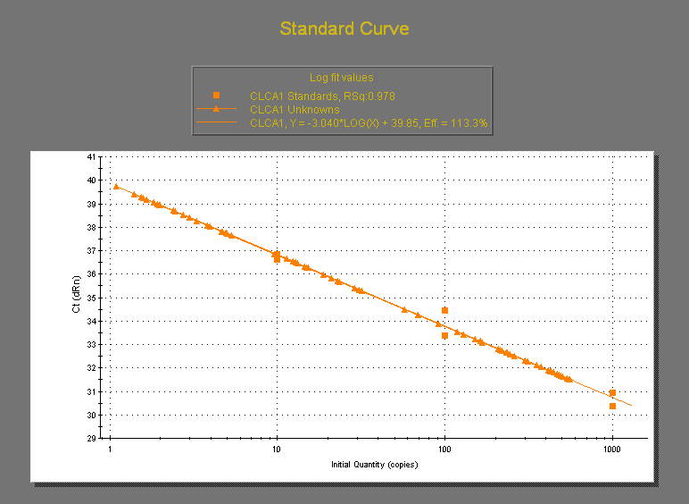
 |  | 3-2 | 26.3 | 26.78 | 26.54 | 0.33941125497 | 259.5 | 353.4 | 9.7776940467 | 13.315749812 | 11.546721929 | 2.5017832236
Figure3B CLCA1 mRNA
 |  | 3-3 | 22.78 | 23.26 | 23.02 | 0.33941125497 | 219.4 | 214.5 | 9.5308427454 | 9.3179843614 | 9.4244135534 | 0.15051360677
 |  | 4-1 | 15.66 | 15.06 | 15.36 | 0.42426406871 | 444.2 | 429.8 | 28.919270833 | 27.981770833 | 28.450520833 | 0.66291260736
 |  | 4-2 | 16.71 | 15.84 | 16.275 | 0.61518289963 | 167.1 | 162 | 10.267281106 | 9.9539170507 | 10.110599078 | 0.22158184848
 |  | 4-3 | 24.82 | 23.18 | 24 | 1.1596551211 | 373 | 503.9 | 15.541666667 | 20.995833333 | 18.26875 | 3.8566782357
 |  | 5-1 | 24.52 | 22.19 | 23.355 | 1.6475588002 | 209 | 119 | 8.9488332263 | 5.0952686791 | 7.0220509527 | 2.7248816231
 |  | 5-2 | 23.73 | 20.23 | 21.98 | 2.4748737342 | 416.2 | 311.1 | 18.935395814 | 14.15377616 | 16.544585987 | 3.3811156826
 |  | 5-3 | 19.74 | 16.96 | 18.35 | 1.9657568517 | 231.3 | 300.1 | 12.604904632 | 16.354223433 | 14.479564033 | 2.6511687491
 |  | 6-1 | 21.54 | 17.34 | 19.44 | 2.969848481 | 536.1 | 490.4 | 27.577160494 | 25.226337449 | 26.401748971 | 1.6622829167
 |  | 6-2 | 12.24 | 11.59 | 11.915 | 0.45961940777 | 129 | 91.59 | 10.826689047 | 7.6869492237 | 9.2568191355 | 2.2201313205
 |  | 6-3 | 11.47 | 9.88 | 10.675 | 1.1242997821 | 152.3 | 245.6 | 14.266978923 | 23.007025761 | 18.637002342 | 6.1801463873
 |  | 1-1 | 17.06 | 16.56 | 16.81 | 0.35355339059 | 15.21 | 4.68 | 0.90481856038 | 0.27840571089 | 0.59161213563 | 0.4429407737
 |  | 1-2 | 17.84 | 23.31 | 20.575 | 3.8678740931 | 0 | 2.39 | 0 | 0.11616038882 | 0.058080194411 | 0.082137798641
 |  | 1-3 | 14.13 | 11.24 | 12.685 | 2.0435385976 | 4.73 | 1.4 | 0.37288135593 | 0.11036657469 | 0.24162396531 | 0.18562598197
 |  | 2-1 | 9.49 | 11.01 | 10.25 | 1.0748023074 | 1.54 | 1.93 | 0.15024390244 | 0.18829268293 | 0.16926829268 | 0.026904550699
 |  | 2-2 | 8.86 | 10.65 | 9.755 | 1.2657211383 | 1.1 | 0 | 0.1127626858 | 0 | 0.056381342901 | 0.079735259796
 |  | 2-3 | 10.16 | 11.44 | 10.8 | 0.90509667992 | 3.83 | 1.83 | 0.35462962963 | 0.16944444444 | 0.26203703704 | 0.13094570022
 |  | 3-1 | 24.11 | 27.48 | 25.795 | 2.3829498526 | 234.5 | 259.1 | 9.0909090909 | 10.044582283 | 9.5677456871 | 0.67434878144
 |  | 3-2 | 32.91 | 30.37 | 31.64 | 1.7960512242 | 465.9 | 425 | 14.725031606 | 13.432364096 | 14.078697851 | 0.91405396177
 |  | 3-3 | 24.48 | 22.74 | 23.61 | 1.2303657993 | 479.2 | 548.5 | 20.29648454 | 23.231681491 | 21.764083016 | 2.0754976678
 |  | 4-1 | 21.2 | 18.93 | 20.065 | 1.6051323933 | 57.5 | 68.97 | 2.8656865188 | 3.4373286818 | 3.1515076003 | 0.40421204985
 |  | 4-2 | 19.87 | 18.9 | 19.385 | 0.68589357775 | 32.11 | 28.96 | 1.6564353882 | 1.4939386123 | 1.5751870003 | 0.11490257213
 |  | 4-3 | 25.88 | 25.18 | 25.53 | 0.49497474683 | 4.94 | 12.8 | 0.19349784567 | 0.50137093615 | 0.34743439091 | 0.21769915002
 |  | 5-1 | 9.24 | 10.17 | 9.705 | 0.6576093065 | 0 | 14.91 | 0 | 1.5363214838 | 0.76816074189 | 1.0863433393
 |  | 5-2 | 12.73 | 12.16 | 12.445 | 0.40305086528 | 13.18 | 20.97 | 1.0590598634 | 1.6850140619 | 1.3720369626 | 0.44261645845
 |  | 5-3 | 9.33 | 8.92 | 9.125 | 0.28991378029 | 1.57 | 14.49 | 0.17205479452 | 1.5879452055 | 0.88 | 1.001185711
 |  | 6-1 | 20.26 | 18.37 | 19.315 | 1.3364318164 | 30.61 | 12.41 | 1.5847786694 | 0.64250582449 | 1.113642247 | 0.66628751838
 |  | 6-2 | 10.61 | 7.42 | 9.015 | 2.255670632 | 3 | 22.83 | 0.33277870216 | 2.5324459235 | 1.4326123128 | 1.5553996085
 |  | 6-3 | 12.15 | 9.21 | 10.68 | 2.0788939367 | 23.51 | 11.4 | 2.2013108614 | 1.0674157303 | 1.6343632959 | 0.80178493635

 |  |  | GAPDH |  |  |  | ANO1 |  |  |  |  |  |  |  |  |  | CAM |  |  | Solithromycin
 |  |  |  |  | Ave | SD |  |  | ANO1/GAPDH |  | Ave | SD |  |  | IL13 |  | Ave | SD | IL13 | Ave | SD | Conversion
 |  | 1-1 | 24.46 | 24.89 | 24.675 | 0.30405591591 | 5.01 | 4.22 | 0.20303951368 | 0.17102330294 | 0.18703140831 | 0.022638879722 |  | 1 | - | - | 0.20133046035 | 0.049991494427 | -/- | 0.27020335451 | 0.08300133088 | 0.02972470051 |  | 0.00913
 |  | 1-2 | 25.58 | 26.03 | 25.805 | 0.31819805153 | 4.12 | 4.14 | 0.15965898082 | 0.16043402441 | 0.16004650262 | 0.00054803858259 |  | 2 | - | 15ug/ml | 0.16866650109 | 0.031804163233 | +/18uM | 0.063042238259 | 0.01977690611 | 0.0069351901834 |  | 0.002173
 |  | 1-3 | 13.19 | 20.44 | 16.815 | 5.1265241636 | 4.26 | 4.38 | 0.25334522748 | 0.26048171276 | 0.25691347012 | 0.005046257136 |  | 3 | + | - | 8.4908470948 | 0.25132599838 | +/- | 9.090196028 | 1.386947961 | 1 |  | 0.152576
 |  | 2-1 | 7.81 | 9.7 | 8.755 | 1.3364318164 | 2.78 | 0.8117 | 0.31753283838 | 0.09271273558 | 0.20512278698 | 0.15897181924 |  | 4 | + | 5ug/ml | 8.3378546227 | 0.18507873868 | +/6uM | 7.0739419433 | 0.28421741638 | 0.77819465296 |  | 0.031269
 |  | 2-2 | 21.46 | 20.49 | 20.975 | 0.68589357775 | 3.05 | 3.1 | 0.14541120381 | 0.14779499404 | 0.14660309893 | 0.0016855942341 |  | 5 | + | 10ug/ml | 9.1140740644 | 0.84524952169 | +/12uM | 6.8016046522 | 1.9269459677 | 0.74823520101 |  | 0.211981
 |  | 2-3 | 17.4 | 20.39 | 18.895 | 2.1142492757 | 2.87 | 2.96 | 0.15189203493 | 0.15665519979 | 0.15427361736 | 0.0033680661713 |  | 6 | + | 15ug/ml | 10.057429546 | 2.0411760528 | +/18uM | 6.337927395 | 0.73895661121 | 0.69722670177 |  | 0.081292
 |  | 3-1 | 19.35 | 24.75 | 22.05 | 3.8183766184 | 193.5 | 193.1 | 8.7755102041 | 8.7573696145 | 8.7664399093 | 0.012827333899
Figure3C ANO1mRNA
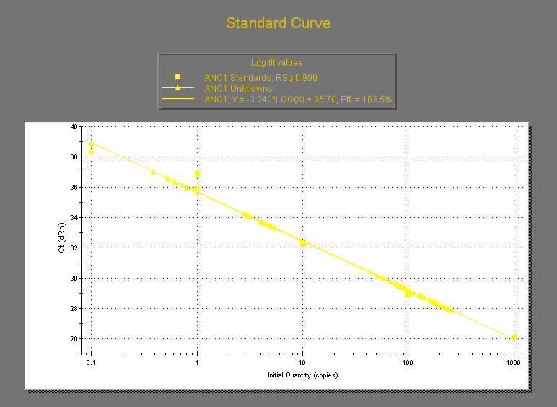
 |  | 3-2 | 26.3 | 26.78 | 26.54 | 0.33941125497 | 210.3 | 228.9 | 7.9238884702 | 8.6247174077 | 8.274302939 | 0.49556089412
 |  | 3-3 | 22.78 | 23.26 | 23.02 | 0.33941125497 | 198 | 190.2 | 8.6012163336 | 8.2623805387 | 8.4317984361 | 0.23959308833
 |  | 4-1 | 15.66 | 15.06 | 15.36 | 0.42426406871 | 127.4 | 131.5 | 8.2942708333 | 8.5611979167 | 8.427734375 | 0.18874595071
 |  | 4-2 | 16.71 | 15.84 | 16.275 | 0.61518289963 | 134.9 | 140.5 | 8.2887864823 | 8.6328725038 | 8.4608294931 | 0.24330555912
 |  | 4-3 | 24.82 | 23.18 | 24 | 1.1596551211 | 190.3 | 199.7 | 7.9291666667 | 8.3208333333 | 8.125 | 0.27695015596
 |  | 5-1 | 24.52 | 22.19 | 23.355 | 1.6475588002 | 218.2 | 210.2 | 9.3427531578 | 9.0002140869 | 9.1714836224 | 0.24221169983
 |  | 5-2 | 23.73 | 20.23 | 21.98 | 2.4748737342 | 185.4 | 176.9 | 8.4349408553 | 8.0482256597 | 8.2415832575 | 0.27344893722
 |  | 5-3 | 19.74 | 16.96 | 18.35 | 1.9657568517 | 184.9 | 179.5 | 10.076294278 | 9.7820163488 | 9.9291553134 | 0.20808591926
 |  | 6-1 | 21.54 | 17.34 | 19.44 | 2.969848481 | 190.2 | 173.3 | 9.7839506173 | 8.9146090535 | 9.3492798354 | 0.61471731492
 |  | 6-2 | 12.24 | 11.59 | 11.915 | 0.45961940777 | 158.2 | 136.3 | 13.277381452 | 11.439362149 | 12.3583718 | 1.2996759134
 |  | 6-3 | 11.47 | 9.88 | 10.675 | 1.1242997821 | 93.43 | 87.29 | 8.7522248244 | 8.1770491803 | 8.4646370023 | 0.40671059827
 |  | 1-1 | 17.06 | 16.56 | 16.81 | 0.35355339059 | 4.92 | 5.39 | 0.29268292683 | 0.32064247472 | 0.30666270077 | 0.019770385911
 |  | 1-2 | 17.84 | 23.31 | 20.575 | 3.8678740931 | 3.18 | 4.03 | 0.15455650061 | 0.19586877278 | 0.1752126367 | 0.029212187801
 |  | 1-3 | 14.13 | 11.24 | 12.685 | 2.0435385976 | 5.07 | 3.27 | 0.39968466693 | 0.25778478518 | 0.32873472605 | 0.10033836864
 |  | 2-1 | 9.49 | 11.01 | 10.25 | 1.0748023074 | 1.01 | 0.7355 | 0.098536585366 | 0.071756097561 | 0.085146341463 | 0.01893666453
 |  | 2-2 | 8.86 | 10.65 | 9.755 | 1.2657211383 | 0.5294 | 0.388 | 0.054269605331 | 0.039774474628 | 0.047022039979 | 0.010249605214
 |  | 2-3 | 10.16 | 11.44 | 10.8 | 0.90509667992 | 0.6212 | 0.6091 | 0.057518518519 | 0.056398148148 | 0.056958333333 | 0.00079222148633
 |  | 3-1 | 24.11 | 27.48 | 25.795 | 2.3829498526 | 249 | 255.5 | 9.6530335336 | 9.9050203528 | 9.7790269432 | 0.17818158859
 |  | 3-2 | 32.91 | 30.37 | 31.64 | 1.7960512242 | 235.1 | 239.1 | 7.4304677623 | 7.5568900126 | 7.4936788875 | 0.089394030491
 |  | 3-3 | 24.48 | 22.74 | 23.61 | 1.2303657993 | 245 | 227.1 | 10.376958916 | 9.6188055909 | 9.9978822533 | 0.53609535719
 |  | 4-1 | 21.2 | 18.93 | 20.065 | 1.6051323933 | 139.5 | 139.8 | 6.9524046848 | 6.9673560927 | 6.9598803887 | 0.010572241932
 |  | 4-2 | 19.87 | 18.9 | 19.385 | 0.68589357775 | 143.6 | 143.2 | 7.407789528 | 7.3871550168 | 7.3974722724 | 0.01459080281
 |  | 4-3 | 25.88 | 25.18 | 25.53 | 0.49497474683 | 179.1 | 171.4 | 7.0152761457 | 6.7136701919 | 6.8644731688 | 0.21326761516
 |  | 5-1 | 9.24 | 10.17 | 9.705 | 0.6576093065 | 51.25 | 42.92 | 5.2807831015 | 4.4224626481 | 4.8516228748 | 0.60692421301
 |  | 5-2 | 12.73 | 12.16 | 12.445 | 0.40305086528 | 83.88 | 86.58 | 6.7400562475 | 6.9570108477 | 6.8485335476 | 0.15341006904
 |  | 5-3 | 9.33 | 8.92 | 9.125 | 0.28991378029 | 76.39 | 82.47 | 8.3715068493 | 9.0378082192 | 8.7046575342 | 0.47114621694
 |  | 6-1 | 20.26 | 18.37 | 19.315 | 1.3364318164 | 102.4 | 111.1 | 5.3015790836 | 5.7520062128 | 5.5267926482 | 0.31850007747
 |  | 6-2 | 10.61 | 7.42 | 9.015 | 2.255670632 | 60.16 | 57.29 | 6.6733222407 | 6.354963949 | 6.5141430948 | 0.22511330693
 |  | 6-3 | 12.15 | 9.21 | 10.68 | 2.0788939367 | 67.85 | 81.09 | 6.3529962547 | 7.5926966292 | 6.9728464419 | 0.87660054147

 |  |  | GAPDH |  |  |  | FoxA2 3' |  |  |  |  |  |  |  |  |  | CAM |  |  | Solithromycin |  |  |  | GAPDH |  |  |  | FoxA2 5' |  |  |  |  |  |  |  |  | CAM |  |  | ソリスロマイシン
 |  |  |  |  | Ave | SD |  |  | FoxA2 3'/GAPDH |  | Ave | SD |  |  | IL13 |  | Ave | SD | IL13 | Ave | SD |  |  |  |  | Ave | SD |  |  | FoxA2 5'/GAPDH |  | Ave | SD |  |  |  | Ave | SD |  | Ave | SD
 |  | 1-1 | 24.46 | 24.89 | 24.675 | 0.30405591591 | 198.7 | 203.4 | 8.0526849037 | 8.2431610942 | 8.147922999 | 0.13468700594 |  | 1 | - | - | 8.0217966915 | 0.8470304038 | - | 5.8568671236 | 1.3553158543 |  | 1-1 | 24.46 | 24.89 | 24.675 | 0.30405591591 | 205.8 | 12.85 | 8.3404255319 | 0.52077001013 | 4.430597771 | 5.529331446 | 1 | - | - | 3.3768011235 | 0.93250283809 | -/- | 4.567033337 | 1.7653163875
 |  | 1-2 | 25.58 | 26.03 | 25.805 | 0.31819805153 | 184.5 | 182.9 | 7.149777175 | 7.0877736873 | 7.1187754311 | 0.043843086607 |  | 2 | - | 15ug/ml | 8.5194218955 | 1.1215473266 | 15ug/ml | 4.9538193402 | 0.42947665415 |  | 1-2 | 25.58 | 26.03 | 25.805 | 0.31819805153 | 1.07 | 155.9 | 0.041464832397 | 6.0414648324 | 3.0414648324 | 4.2426406871 | 2 | - | 15ug/ml | 20.818968038 | 24.504186815 | +/18uM | 2.7964421202 | 2.0741475947
 |  | 1-3 | 13.19 | 20.44 | 16.815 | 5.1265241636 | 156.1 | 139.8 | 9.2833779364 | 8.3140053524 | 8.7986916444 | 0.68544992764 |  | 3 | + | - | 6.2543531431 | 1.1249632942 | - | 5.077350987 | 1.0929117414 |  | 1-3 | 13.19 | 20.44 | 16.815 | 5.1265241636 | 73.63 | 15.77 | 4.378828427 | 0.93785310734 | 2.6583407672 | 2.4331369824 | 3 | + | - | 0.41974329813 | 0.44206680361 | +/- | 0.20303499359 | 0.29864454968
 |  | 2-1 | 7.81 | 9.7 | 8.755 | 1.3364318164 | 67.03 | 87.73 | 7.6561964592 | 10.02055968 | 8.8383780697 | 1.6718572668 |  | 4 | + | 5ug/ml | 6.5572371632 | 0.57325152075 | 5ug/ml | 5.3529316719 | 0.58189723351 |  | 2-1 | 7.81 | 9.7 | 8.755 | 1.3364318164 | 129.6 | 0.6752 | 14.802969732 | 0.077121644774 | 7.4400456882 | 10.412747041 | 4 | + | 5ug/ml | 0.18824033918 | 0.17576733697 | +/6uM | 0.15880350334 | 0.14399716056
 |  | 2-2 | 21.46 | 20.49 | 20.975 | 0.68589357775 | 130.7 | 174.4 | 6.231227652 | 8.3146603099 | 7.2729439809 | 1.4732093606 |  | 5 | + | 10ug/ml | 4.2896525857 | 0.82367682653 | 10ug/ml | 6.9677045601 | 1.3960363199 |  | 2-2 | 21.46 | 20.49 | 20.975 | 0.68589357775 | 5.5 | 242.7 | 0.26221692491 | 11.570917759 | 5.9165673421 | 7.9964590464 | 5 | + | 10ug/ml | 0.27431274676 | 0.19381183213 | +/12uM | 0.16839100272 | 0.21252985726
 |  | 2-3 | 17.4 | 20.39 | 18.895 | 2.1142492757 | 172.6 | 184.4 | 9.1346917174 | 9.7591955544 | 9.4469436359 | 0.44159089802 |  | 6 | + | 15ug/ml | 4.9120153028 | 0.50839825256 | 15ug/ml | 6.7494769877 | 0.83379684014 |  | 2-3 | 17.4 | 20.39 | 18.895 | 2.1142492757 | 1186 | 669.5 | 62.767928023 | 35.432654141 | 49.100291082 | 19.328957528 | 6 | + | 15ug/ml | 0.1240353776 | 0.079823376864 | +/18uM | 0.15533994588 | 0.24350719224
 |  | 3-1 | 19.35 | 24.75 | 22.05 | 3.8183766184 | 162.9 | 165.9 | 7.387755102 | 7.5238095238 | 7.4557823129 | 0.096205004243 |  |  |  |  |  |  |  |  |  |  | 3-1 | 19.35 | 24.75 | 22.05 | 3.8183766184 | 3.41 | 0 | 0.15464852608 | 0 | 0.077324263039 | 0.10935302149
CAM&SOLI① mRNA FoxA2 3'/GAPDH
CAM&SOLI① mRNA FoxA2 5'/GAPDH
 |  | 3-2 | 26.3 | 26.78 | 26.54 | 0.33941125497 | 162.4 | 160.4 | 6.1190655614 | 6.0437076112 | 6.0813865863 | 0.053286117648 |  |  |  |  |  |  |  |  |  |  | 3-2 | 26.3 | 26.78 | 26.54 | 0.33941125497 | 47.07 | 1.7 | 1.7735493595 | 0.064054257724 | 0.91880180859 | 1.2087955788
 |  | 3-3 | 22.78 | 23.26 | 23.02 | 0.33941125497 | 120.3 | 120.3 | 5.22589053 | 5.22589053 | 5.22589053 | 0 |  |  |  |  |  |  |  |  |  |  | 3-3 | 22.78 | 23.26 | 23.02 | 0.33941125497 | 0.7633 | 11.35 | 0.033158123371 | 0.49304952215 | 0.26310382276 | 0.32519232669
 |  | 4-1 | 15.66 | 15.06 | 15.36 | 0.42426406871 | 83.79 | 98.88 | 5.455078125 | 6.4375 | 5.9462890625 | 0.6946771698 |  |  |  |  |  |  |  |  |  |  | 4-1 | 15.66 | 15.06 | 15.36 | 0.42426406871 | 3.33 | 0.9695 | 0.216796875 | 0.063118489583 | 0.13995768229 | 0.10866702845
 |  | 4-2 | 16.71 | 15.84 | 16.275 | 0.61518289963 | 100.8 | 115.4 | 6.1935483871 | 7.0906298003 | 6.6420890937 | 0.63433235056 |  |  |  |  |  |  |  |  |  |  | 4-2 | 16.71 | 15.84 | 16.275 | 0.61518289963 | 9.8 | 2.67 | 0.60215053763 | 0.16405529954 | 0.38310291859 | 0.30978011366
 |  | 4-3 | 24.82 | 23.18 | 24 | 1.1596551211 | 167.9 | 172.1 | 6.9958333333 | 7.1708333333 | 7.0833333333 | 0.12374368671 |  |  |  |  |  |  |  |  |  |  | 4-3 | 24.82 | 23.18 | 24 | 1.1596551211 | 0.5897 | 1.41 | 0.024570833333 | 0.05875 | 0.041660416667 | 0.024168320525
 |  | 5-1 | 24.52 | 22.19 | 23.355 | 1.6475588002 | 122 | 113.4 | 5.2237208307 | 4.8554913295 | 5.0396060801 | 0.26037757732 |  |  |  |  |  |  |  |  |  |  | 5-1 | 24.52 | 22.19 | 23.355 | 1.6475588002 | 12.5 | 0 | 0.53521729822 | 0 | 0.26760864911 | 0.37845578098
 |  | 5-2 | 23.73 | 20.23 | 21.98 | 2.4748737342 | 92.14 | 57.68 | 4.1919927207 | 2.6242038217 | 3.4080982712 | 1.108594162 |  |  |  |  |  |  |  |  |  |  | 5-2 | 23.73 | 20.23 | 21.98 | 2.4748737342 | 3.69 | 0 | 0.16787989081 | 0 | 0.083939945405 | 0.11870900922
 |  | 5-3 | 19.74 | 16.96 | 18.35 | 1.9657568517 | 90.7 | 71.56 | 4.9427792916 | 3.8997275204 | 4.421253406 | 0.73754898049 |  |  |  |  |  |  |  |  |  |  | 5-3 | 19.74 | 16.96 | 18.35 | 1.9657568517 | 14.98 | 2.32 | 0.81634877384 | 0.12643051771 | 0.47138964578 | 0.48784587737
 |  | 6-1 | 21.54 | 17.34 | 19.44 | 2.969848481 | 99.03 | 91.58 | 5.0941358025 | 4.7109053498 | 4.9025205761 | 0.27098485184 |  |  |  |  |  |  |  |  |  |  | 6-1 | 21.54 | 17.34 | 19.44 | 2.969848481 | 0.5751 | 7.14 | 0.029583333333 | 0.36728395062 | 0.19843364198 | 0.23879039649
 |  | 6-2 | 12.24 | 11.59 | 11.915 | 0.45961940777 | 68.12 | 61.16 | 5.7171632396 | 5.133025598 | 5.4250944188 | 0.41304768754 |  |  |  |  |  |  |  |  |  |  | 6-2 | 12.24 | 11.59 | 11.915 | 0.45961940777 | 0.9464 | 0 | 0.07942929081 | 0 | 0.039714645405 | 0.056164990157
 |  | 6-3 | 11.47 | 9.88 | 10.675 | 1.1242997821 | 52.02 | 42.1 | 4.8730679157 | 3.943793911 | 4.4084309133 | 0.65709595029 |  |  |  |  |  |  |  |  |  |  | 6-3 | 11.47 | 9.88 | 10.675 | 1.1242997821 | 0 | 2.86 | 0 | 0.26791569087 | 0.13395784543 | 0.1894450018
 |  | 1-1 | 17.06 | 16.56 | 16.81 | 0.35355339059 | 125.1 | 121.5 | 7.4419988102 | 7.2278405711 | 7.3349196907 | 0.15143274315 |  |  |  |  |  |  |  |  |  |  | 1-1 | 17.06 | 16.56 | 16.81 | 0.35355339059 | 90.24 | 3.37 | 5.3682331945 | 0.2004759072 | 2.7843545509 | 3.6541562214
 |  | 1-2 | 17.84 | 23.31 | 20.575 | 3.8678740931 | 91.17 | 101.1 | 4.4311057108 | 4.9137302552 | 4.672417983 | 0.34126708808 |  |  |  |  |  |  |  |  |  |  | 1-2 | 17.84 | 23.31 | 20.575 | 3.8678740931 | 258 | 1.84 | 12.539489672 | 0.089428918591 | 6.3144592953 | 8.8035223849
 |  | 1-3 | 14.13 | 11.24 | 12.685 | 2.0435385976 | 74.41 | 66.73 | 5.865983445 | 5.2605439495 | 5.5632636973 | 0.42811037284 |  |  |  |  |  |  |  |  |  |  | 1-3 | 14.13 | 11.24 | 12.685 | 2.0435385976 | 30.91 | 85.85 | 2.4367363027 | 6.7678360268 | 4.6022861648 | 3.0625499849
 |  | 2-1 | 9.49 | 11.01 | 10.25 | 1.0748023074 | 60.24 | 44.12 | 5.8770731707 | 4.3043902439 | 5.0907317073 | 1.1120547622 |  |  |  |  |  |  |  |  |  |  | 2-1 | 9.49 | 11.01 | 10.25 | 1.0748023074 | 8.68 | 32.75 | 0.84682926829 | 3.1951219512 | 2.0209756098 | 1.6604936803
 |  | 2-2 | 8.86 | 10.65 | 9.755 | 1.2657211383 | 35.24 | 52.02 | 3.612506407 | 5.3326499231 | 4.472578165 | 1.2163251449 |  |  |  |  |  |  |  |  |  |  | 2-2 | 8.86 | 10.65 | 9.755 | 1.2657211383 | 7.03 | 93.38 | 0.72065607381 | 9.5725269093 | 5.1465914915 | 6.2592178939
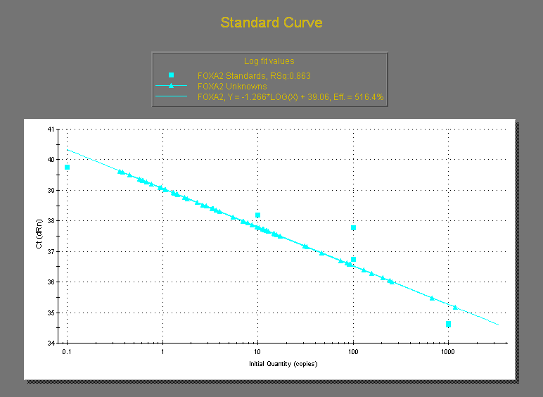
 |  | 2-3 | 10.16 | 11.44 | 10.8 | 0.90509667992 | 46.05 | 68.39 | 4.2638888889 | 6.3324074074 | 5.2981481481 | 1.4626634715 |  |  |  |  |  |  |  |  |  |  | 2-3 | 10.16 | 11.44 | 10.8 | 0.90509667992 | 14.78 | 11.61 | 1.3685185185 | 1.075 | 1.2217592593 | 0.20754893485
 |  | 3-1 | 24.11 | 27.48 | 25.795 | 2.3829498526 | 158.4 | 167.8 | 6.1407249467 | 6.5051366544 | 6.3229308005 | 0.25767798966 |  |  |  |  |  |  |  |  |  |  | 3-1 | 24.11 | 27.48 | 25.795 | 2.3829498526 | 11.15 | 17.07 | 0.43225431285 | 0.66175615429 | 0.54700523357 | 0.16228230838
 |  | 3-2 | 32.91 | 30.37 | 31.64 | 1.7960512242 | 149.8 | 143.2 | 4.7345132743 | 4.5259165613 | 4.6302149178 | 0.14750015031 |  |  |  |  |  |  |  |  |  |  | 3-2 | 32.91 | 30.37 | 31.64 | 1.7960512242 | 0.6196 | 0 | 0.019582806574 | 0 | 0.009791403287 | 0.013847135323
 |  | 3-3 | 24.48 | 22.74 | 23.61 | 1.2303657993 | 116 | 86.05 | 4.9131723846 | 3.6446421008 | 4.2789072427 | 0.8969863658 |  |  |  |  |  |  |  |  |  |  | 3-3 | 24.48 | 22.74 | 23.61 | 1.2303657993 | 1.41 | 1.06 | 0.059720457433 | 0.044896230411 | 0.052308343922 | 0.010482311453
 |  | 4-1 | 21.2 | 18.93 | 20.065 | 1.6051323933 | 105.7 | 91.13 | 5.267879392 | 4.5417393471 | 4.9048093695 | 0.51345854981 |  |  |  |  |  |  |  |  |  |  | 4-1 | 21.2 | 18.93 | 20.065 | 1.6051323933 | 0.6246 | 12.31 | 0.031128831298 | 0.61350610516 | 0.32231746823 | 0.41180291956
 |  | 4-2 | 19.87 | 18.9 | 19.385 | 0.68589357775 | 109.4 | 90.01 | 5.6435388187 | 4.6432808873 | 5.143409853 | 0.70728916622 |  |  |  |  |  |  |  |  |  |  | 4-2 | 19.87 | 18.9 | 19.385 | 0.68589357775 | 4 | 0 | 0.2063451122 | 0 | 0.1031725561 | 0.1459080281
 |  | 4-3 | 25.88 | 25.18 | 25.53 | 0.49497474683 | 171.1 | 135.8 | 6.7019193106 | 5.3192322758 | 6.0105757932 | 0.97770737861 |  |  |  |  |  |  |  |  |  |  | 4-3 | 25.88 | 25.18 | 25.53 | 0.49497474683 | 1.31 | 1.29 | 0.051312181747 | 0.050528789659 | 0.050920485703 | 0.00055394185757
 |  | 5-1 | 9.24 | 10.17 | 9.705 | 0.6576093065 | 64.78 | 39.36 | 6.6749098403 | 4.0556414219 | 5.3652756311 | 1.8521024604 |  |  |  |  |  |  |  |  |  |  | 5-1 | 9.24 | 10.17 | 9.705 | 0.6576093065 | 0 | 1.43 | 0 | 0.14734672849 | 0.073673364245 | 0.1041898709
 |  | 5-2 | 12.73 | 12.16 | 12.445 | 0.40305086528 | 106.6 | 90.55 | 8.5656890317 | 7.2760144636 | 7.9208517477 | 0.91193763263 |  |  |  |  |  |  |  |  |  |  | 5-2 | 12.73 | 12.16 | 12.445 | 0.40305086528 | 10.25 | 0 | 0.82362394536 | 0 | 0.41181197268 | 0.58239007691
 |  | 5-3 | 9.33 | 8.92 | 9.125 | 0.28991378029 | 92.03 | 46.98 | 10.085479452 | 5.1484931507 | 7.6169863014 | 3.4909764923 |  |  |  |  |  |  |  |  |  |  | 5-3 | 9.33 | 8.92 | 9.125 | 0.28991378029 | 0.3593 | 0 | 0.039375342466 | 0 | 0.019687671233 | 0.027842571669
 |  | 6-1 | 20.26 | 18.37 | 19.315 | 1.3364318164 | 88.78 | 155.5 | 4.5964276469 | 8.0507377686 | 6.3235827077 | 2.4425661114 |  |  |  |  |  |  |  |  |  |  | 6-1 | 20.26 | 18.37 | 19.315 | 1.3364318164 | 0 | 0.4497 | 0 | 0.023282422987 | 0.011641211494 | 0.016463159177
 |  | 6-2 | 10.61 | 7.42 | 9.015 | 2.255670632 | 63.73 | 48.32 | 7.0693288963 | 5.3599556295 | 6.2146422629 | 1.2087094285 |  |  |  |  |  |  |  |  |  |  | 6-2 | 10.61 | 7.42 | 9.015 | 2.255670632 | 7.87 | 0 | 0.87298946201 | 0 | 0.436494731 | 0.61729676849
 |  | 6-3 | 12.15 | 9.21 | 10.68 | 2.0788939367 | 76.54 | 88.15 | 7.1666666667 | 8.2537453184 | 7.7102059925 | 0.76868068629 |  |  |  |  |  |  |  |  |  |  | 6-3 | 12.15 | 9.21 | 10.68 | 2.0788939367 | 0.382 | 0 | 0.035767790262 | 0 | 0.017883895131 | 0.025291647042
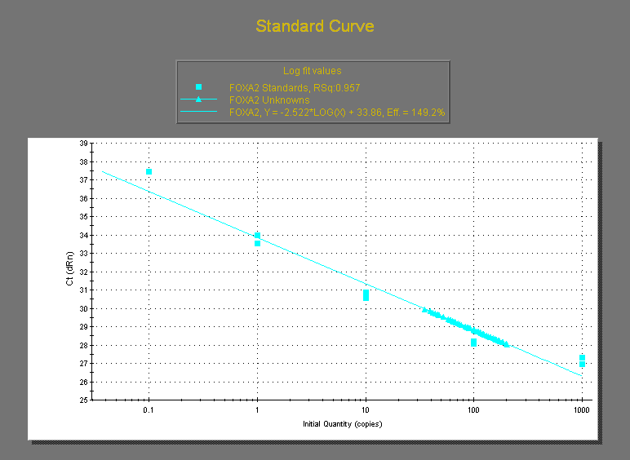
 |  |  | GAPDH |  |  |  | SPDEF |  |  |  |  |  |  |  |  |  | CAM |  |  | Solithromycin
 |  |  |  |  | Ave | SD |  |  | SPDEF/GAPDH |  | Ave | SD |  |  | IL13 |  | Ave | SD | IL13 | Ave | SD | Conversion
 |  | 1-1 | 24.46 | 24.89 | 24.675 | 0.30405591591 | 10.97 | 12.65 | 0.44457953394 | 0.51266464032 | 0.47862208713 | 0.048143440421 |  | 1 | - | - | 0.55856437047 | 0.080803399748 | - | 0.56418564728 | 0.011948513987 | 0.072087985655
 |  | 1-2 | 25.58 | 26.03 | 25.805 | 0.31819805153 | 14.46 | 14.28 | 0.56035652005 | 0.55338112769 | 0.55686882387 | 0.0049323472433 |  | 2 | - | 15ug/ml | 0.45910080878 | 0.093047673587 | 15ug/ml | 0.61944359906 | 0.027602014071 | 0.079148488619
 |  | 1-3 | 13.19 | 20.44 | 16.815 | 5.1265241636 | 10.37 | 11.16 | 0.6167112697 | 0.66369313113 | 0.64020220042 | 0.033221192812 |  | 3 | + | - | 6.6683468019 | 0.73469019268 | - | 7.8263477908 | 1.3631362715 | 1
 |  | 2-1 | 7.81 | 9.7 | 8.755 | 1.3364318164 | 3.37 | 3.28 | 0.3849229012 | 0.37464306111 | 0.37978298115 | 0.0072689446381 |  | 4 | + | 5ug/ml | 7.1333055316 | 0.43522145088 | 5ug/ml | 9.8775013973 | 1.4639861604 | 1.2620831148
 |  | 2-2 | 21.46 | 20.49 | 20.975 | 0.68589357775 | 8.15 | 10.14 | 0.38855780691 | 0.48343265793 | 0.43599523242 | 0.067086650515 |  | 5 | + | 10ug/ml | 6.5515463883 | 0.29005483276 | 10ug/ml | 9.3826765132 | 3.3836711394 | 1.1988575979
 |  | 2-3 | 17.4 | 20.39 | 18.895 | 2.1142492757 | 8.48 | 12.74 | 0.44879597777 | 0.67425244774 | 0.56152421275 | 0.15942179878 |  | 6 | + | 15ug/ml | 8.2618016951 | 0.090075341077 | 15ug/ml | 9.1743262652 | 0.54632733602 | 1.1722359535
 |  | 3-1 | 19.35 | 24.75 | 22.05 | 3.8183766184 | 179.3 | 151.7 | 8.1315192744 | 6.8798185941 | 7.5056689342 | 0.88508603904
Figure3A SPDEF mRNA
 |  | 3-2 | 26.3 | 26.78 | 26.54 | 0.33941125497 | 165.3 | 172.7 | 6.2283345893 | 6.5071590053 | 6.3677467973 | 0.1971586353
 |  | 3-3 | 22.78 | 23.26 | 23.02 | 0.33941125497 | 149.2 | 133.1 | 6.4813205908 | 5.7819287576 | 6.1316246742 | 0.49454470795
 |  | 4-1 | 15.66 | 15.06 | 15.36 | 0.42426406871 | 113.8 | 118.7 | 7.4088541667 | 7.7278645833 | 7.568359375 | 0.22557442889
 |  | 4-2 | 16.71 | 15.84 | 16.275 | 0.61518289963 | 116.9 | 115.3 | 7.1827956989 | 7.0844854071 | 7.133640553 | 0.069515874034
 |  | 4-3 | 24.82 | 23.18 | 24 | 1.1596551211 | 163.2 | 158.3 | 6.8 | 6.5958333333 | 6.6979166667 | 0.14436763449
 |  | 5-1 | 24.52 | 22.19 | 23.355 | 1.6475588002 | 144.9 | 146.2 | 6.204238921 | 6.25990152 | 6.2320702205 | 0.039359401222
 |  | 5-2 | 23.73 | 20.23 | 21.98 | 2.4748737342 | 158.6 | 132.6 | 7.2156505914 | 6.0327570519 | 6.6242038217 | 0.83643204326
 |  | 5-3 | 19.74 | 16.96 | 18.35 | 1.9657568517 | 119.8 | 129.7 | 6.5286103542 | 7.068119891 | 6.7983651226 | 0.38149085198
 |  | 6-1 | 21.54 | 17.34 | 19.44 | 2.969848481 | 162.7 | 154.6 | 8.3693415638 | 7.9526748971 | 8.1610082305 | 0.29462782549
 |  | 6-2 | 12.24 | 11.59 | 11.915 | 0.45961940777 | 103.5 | 94.05 | 8.6865295846 | 7.893411666 | 8.2899706253 | 0.56081905852
 |  | 6-3 | 11.47 | 9.88 | 10.675 | 1.1242997821 | 90.04 | 87.9 | 8.4346604215 | 8.2341920375 | 8.3344262295 | 0.14175255379
ソリは下半分 |  | 1-1 | 17.06 | 16.56 | 16.81 | 0.35355339059 | 10.03 | 9.14 | 0.59666864961 | 0.54372397383 | 0.57019631172 | 0.037437539278
 |  | 1-2 | 17.84 | 23.31 | 20.575 | 3.8678740931 | 11.27 | 11.38 | 0.54775212637 | 0.55309842041 | 0.55042527339 | 0.0037804007743
 |  | 1-3 | 14.13 | 11.24 | 12.685 | 2.0435385976 | 6.93 | 7.58 | 0.54631454474 | 0.5975561687 | 0.57193535672 | 0.036233299785
 |  | 2-1 | 9.49 | 11.01 | 10.25 | 1.0748023074 | 6.2 | 6.09 | 0.60487804878 | 0.59414634146 | 0.59951219512 | 0.0075884630176
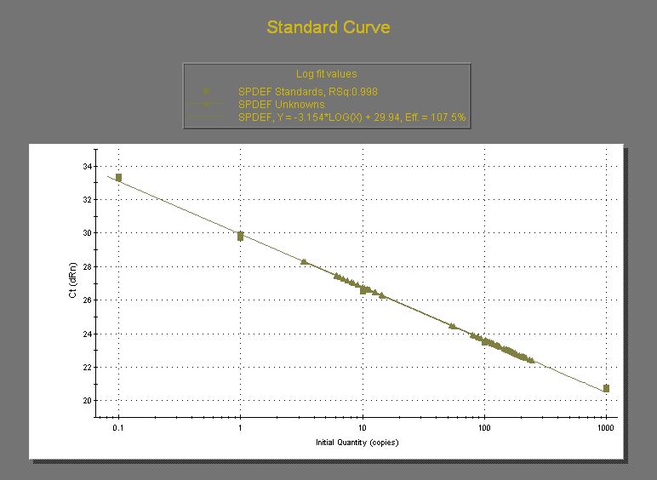
 |  | 2-2 | 8.86 | 10.65 | 9.755 | 1.2657211383 | 6.56 | 6.14 | 0.67247565351 | 0.62942080984 | 0.65094823168 | 0.030444371922
 |  | 2-3 | 10.16 | 11.44 | 10.8 | 0.90509667992 | 6.91 | 6.22 | 0.63981481481 | 0.57592592593 | 0.60787037037 | 0.045176266576
 |  | 3-1 | 24.11 | 27.48 | 25.795 | 2.3829498526 | 186.1 | 212.4 | 7.2145764683 | 8.2341539058 | 7.7243651871 | 0.72095011999
 |  | 3-2 | 32.91 | 30.37 | 31.64 | 1.7960512242 | 217.5 | 194.9 | 6.8742098609 | 6.1599241466 | 6.5170670038 | 0.50507627228
 |  | 3-3 | 24.48 | 22.74 | 23.61 | 1.2303657993 | 235 | 201.2 | 9.9534095722 | 8.5218127912 | 9.2376111817 | 1.0122917918
 |  | 4-1 | 21.2 | 18.93 | 20.065 | 1.6051323933 | 244.9 | 210 | 12.205332669 | 10.465985547 | 11.335659108 | 1.2299041447
 |  | 4-2 | 19.87 | 18.9 | 19.385 | 0.68589357775 | 205.2 | 178.2 | 10.585504256 | 9.1926747485 | 9.8890895022 | 0.98487918968
 |  | 4-3 | 25.88 | 25.18 | 25.53 | 0.49497474683 | 221.5 | 207.8 | 8.6760673717 | 8.1394437916 | 8.4077555817 | 0.37945017243
 |  | 5-1 | 9.24 | 10.17 | 9.705 | 0.6576093065 | 56.6 | 53.58 | 5.8320453375 | 5.5208655332 | 5.6764554353 | 0.22003734974
 |  | 5-2 | 12.73 | 12.16 | 12.445 | 0.40305086528 | 127.7 | 125.3 | 10.261149056 | 10.068300522 | 10.164724789 | 0.13636450581
 |  | 5-3 | 9.33 | 8.92 | 9.125 | 0.28991378029 | 114.9 | 109.7 | 12.591780822 | 12.021917808 | 12.306849315 | 0.40295400133
 |  | 6-1 | 20.26 | 18.37 | 19.315 | 1.3364318164 | 166.7 | 170.1 | 8.6305979808 | 8.8066269739 | 8.7186124773 | 0.12447129464
 |  | 6-2 | 10.61 | 7.42 | 9.015 | 2.255670632 | 82.21 | 80.5 | 9.1192457016 | 8.9295618414 | 9.0244037715 | 0.13412674385
 |  | 6-3 | 12.15 | 9.21 | 10.68 | 2.0788939367 | 101.2 | 107.7 | 9.4756554307 | 10.084269663 | 9.7799625468 | 0.43035525072

