Sheet1
 | L1 | L2 | L3 |  | L1 | L2 | L3
Leaves water potential | -1.6256253347 | -2.3012098893 | -2.7023382187 | POD | 1383.67 | 919.33 | 997.47

 | L1 | L2 | L3 |  | L1 | L2 | L3
Leaves Relative water content | 81.323958247 | 84.21994206 | 89.071989735 | MDA | 9.935 | 15.817 | 17.118

 | L1 | L2 | L3
proline content | 90.562222222 | 118.98343434 | 275.67737374

Sheet2
A
 | Leaves water potential
L1 | -1.6256253347
L2 | -2.3012098893
L3 | -2.7023382187
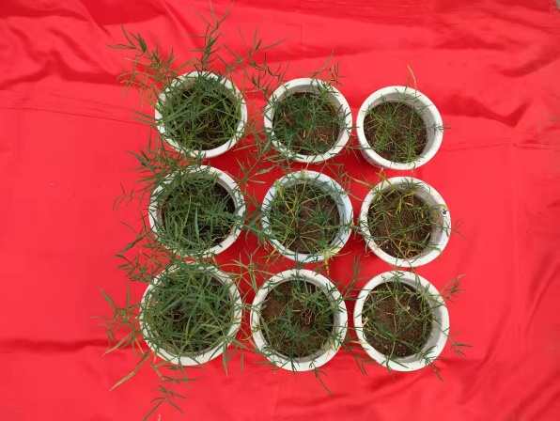

 | Leaves Relative water content
L1 | 81.323958247
L2 | 84.21994206
L3 | 89.071989735
C
 | proline content
L1 | 90.562222222
L2 | 118.98343434
L3 | 275.67737374
D

 | MDA
L1 | 9.935
L2 | 15.817
L3 | 17.118
E
 | POD
L1 | 1383.67
L2 | 919.33
L3 | 997.47
F

