Tab. S1 Solar Radiation
 | Solar radiation (as kJ/m2) was determined by a CMB4 pyranometer from the National Meterological Institute,
 | located at -26.950924 and -48.762031 (Itajaí A868 station), 25 km away from the mussel collection site
 |  |  | see: http://www.inmet.gov.br

Time | day-1 | day-2
05:00** | 0 | 0 | *paired t test = 3.012, d.f. = 12, p<0.0102
6:00:00 | 74 | 63 | *there is difference between days for UVR
7:00:00 | 402 | 425
8:00:00 | 561 | 933 | Day-1 (sunny) was November 01, 2014
9:00:00 | 1373 | 623 | Day-2 (cloudy) was November 02, 2014
10:00:00 | 2762 | 349 | ** Determined as global solar radiation from 4:01 AM to 5:00 AM. The hours were corrected for UTC time.
11:00:00 | 1665 | 559
12:00:00 | 1494 | 952 | See Fig. 1 in main text
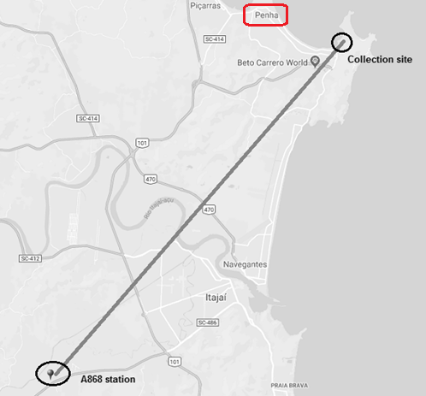
13:00:00 | 2156 | 366
14:00:00 | 2240 | 248
15:00:00 | 1803 | 314
16:00:00 | 572 | 326
17:00:00 | 240 | 237
18:00:00 | 39 | 91
19:00:00 | 0 | 3
20:00:00 | 0 | 0
21:00:00 | 0 | 0

SUM | 15381 | 5489
 | 1183.1538462 | 422

Picture
