Sheet3
metan lnrr lnse, label(namevar=author, yearvar=year) random

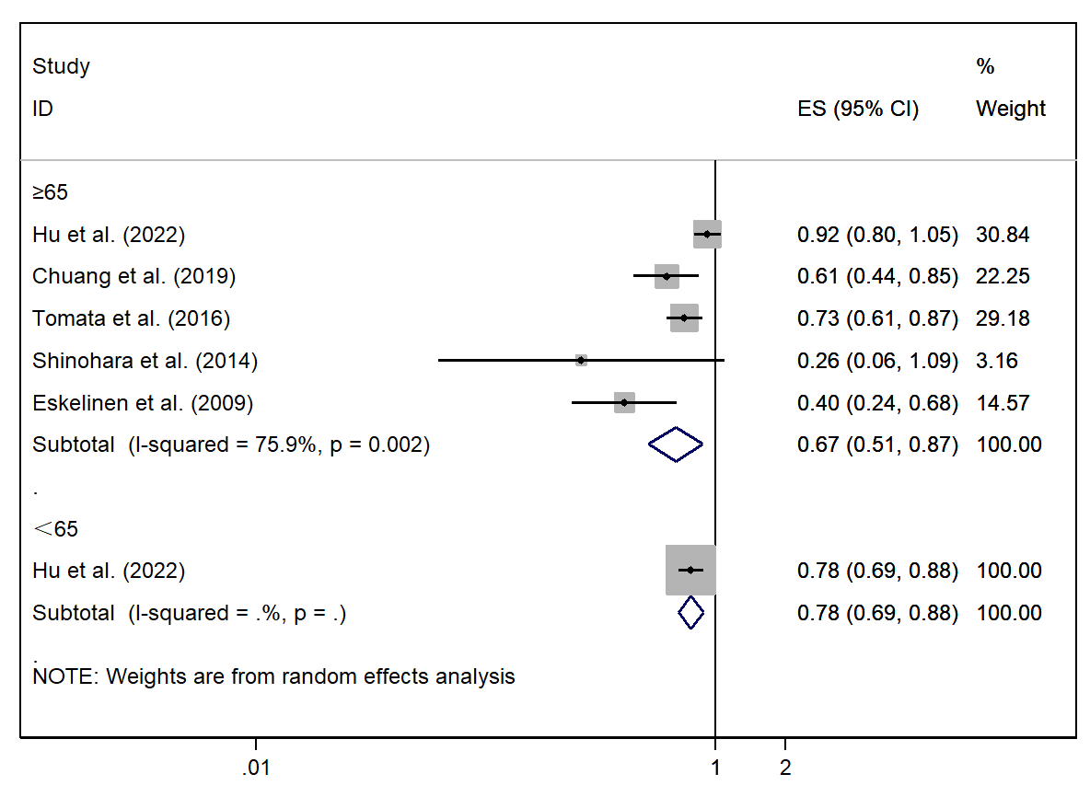

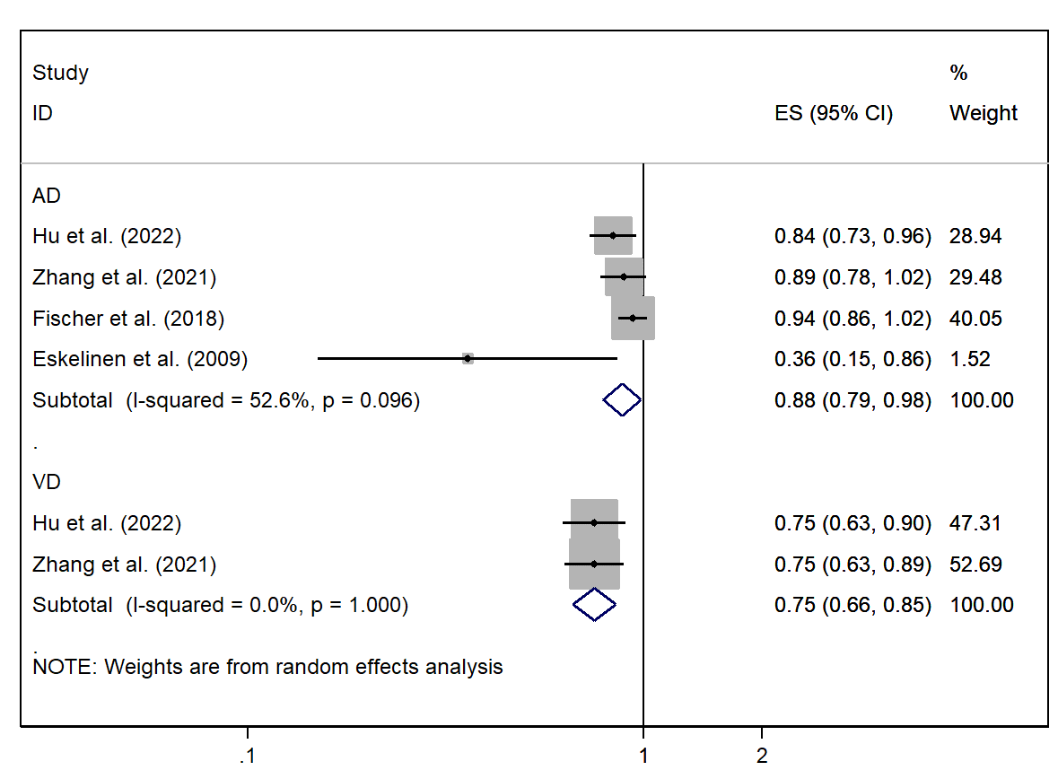

Note: default data input format (theta, se_theta) assumed.

Tests for Publication Bias

Begg's Test

adj. Kendall's Score (P-Q) = 0
Std. Dev. of Score = 8.08
Number of Studies = 8
z = 0.00
Pr > |z| = 1.000
z = -0.12 (continuity corrected)
Pr > |z| = 1.000 (continuity corrected)

Egger's test
------------------------------------------------------------------------------
Std_Eff | Coef. Std. Err. t P>|t| [95% Conf. Interval]
-------------+----------------------------------------------------------------
slope | .1747386 .1059221 1.65 0.150 -.0844434 .4339205
bias | -3.953107 1.656255 -2.39 0.054 -8.005816 .0996025
------------------------------------------------------------------------------

