Figure 1A
Figure 1A
Sema4A mRNA expression was tested by qPCR

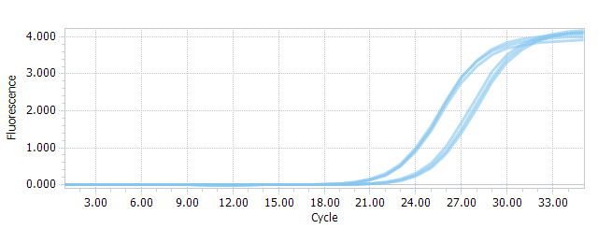
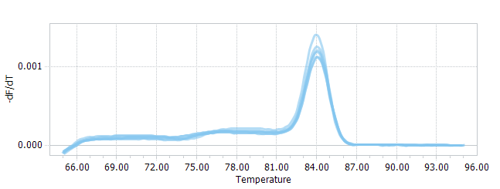
 | HBE | NCI-H460
Sema4A | 24.303625602 | 21.287240701
Sema4A | 24.425948343 | 21.109281329
Sema4A | 24.189772319 | 22.325448729
GAPDH | 19.48165900 | 19.142524665
GAPDH | 19.81140417 | 18.873258989
GAPDH | 19.762027776 | 19.918808458
AV | 19.69 | 19.31
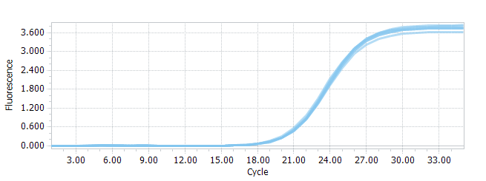
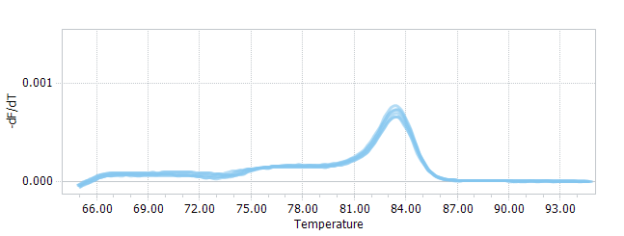
ΔCt | 4.822 | 2.145
 | 4.615 | 2.236
 | 4.428 | 2.407
AV | 4.621 | 2.262
ΔΔCt | 0.20 | -2.48
 | -0.01 | -2.39
 | -0.19 | -2.21
2^(-ΔΔCt) | 0.870 | 5.566
 | 1.005 | 5.225
 | 1.144 | 4.642
AV | 1.006 | 5.144
SD | 0.137 | 0.467

Figure 7
Figure 7
After stimulation with Sema4A-Fc protein, the LC cells were treated with PlexinB1 blocking antibody, 10 uM BAY 11-7082 (a NF-κB pathway inhibitor) or IgG antibody, the content of IL-6 in LC cells was estimated by ELISA

0.0054 | 0
0.1222 | 7.5
0.2511 | 15
0.4441 | 30
0.8748 | 60
1.6969 | 120
Standard curve analysis (concentrations: pg/mL)
T1 | 0.0579 | 0.0054 | 0
T2 | 0.1747 | 0.1222 | 7.5
T3 | 0.3036 | 0.2511 | 15
T4 | 0.4966 | 0.4441 | 30
T5 | 0.9273 | 0.8748 | 60
T6 | 1.7494 | 1.6969 | 120

Y = | -1.5930 | + | 71.3088 | X
r = | 0.9998

 | Control | Sema4A-Fc | Sema4A-Fc+a PlxinB1 | Sema4A-Fc+ BAY 11–7082 | Sema4A-Fc-IgG
IL-6 (pg/mL) | 42.02 | 78.25 | 45.77 | 51.86 | 76.86
 | 43.20 | 77.71 | 43.81 | 46.76 | 74.33
 | 42.27 | 96.86 | 44.05 | 45.84 | 72.83
 | 36.39 | 81.14 | 50.86 | 44.05 | 80.35
 | 48.48 | 83.10 | 51.90 | 52.08 | 79.67
 | 46.09 | 90.19 | 41.74 | 55.54 | 89.80
AV | 43.07 | 84.54 | 46.35 | 49.36 | 78.97
SD | 4.12 | 7.53 | 4.11 | 4.45 | 6.06

