PC1 vs PC4 and PC1 vs PC5
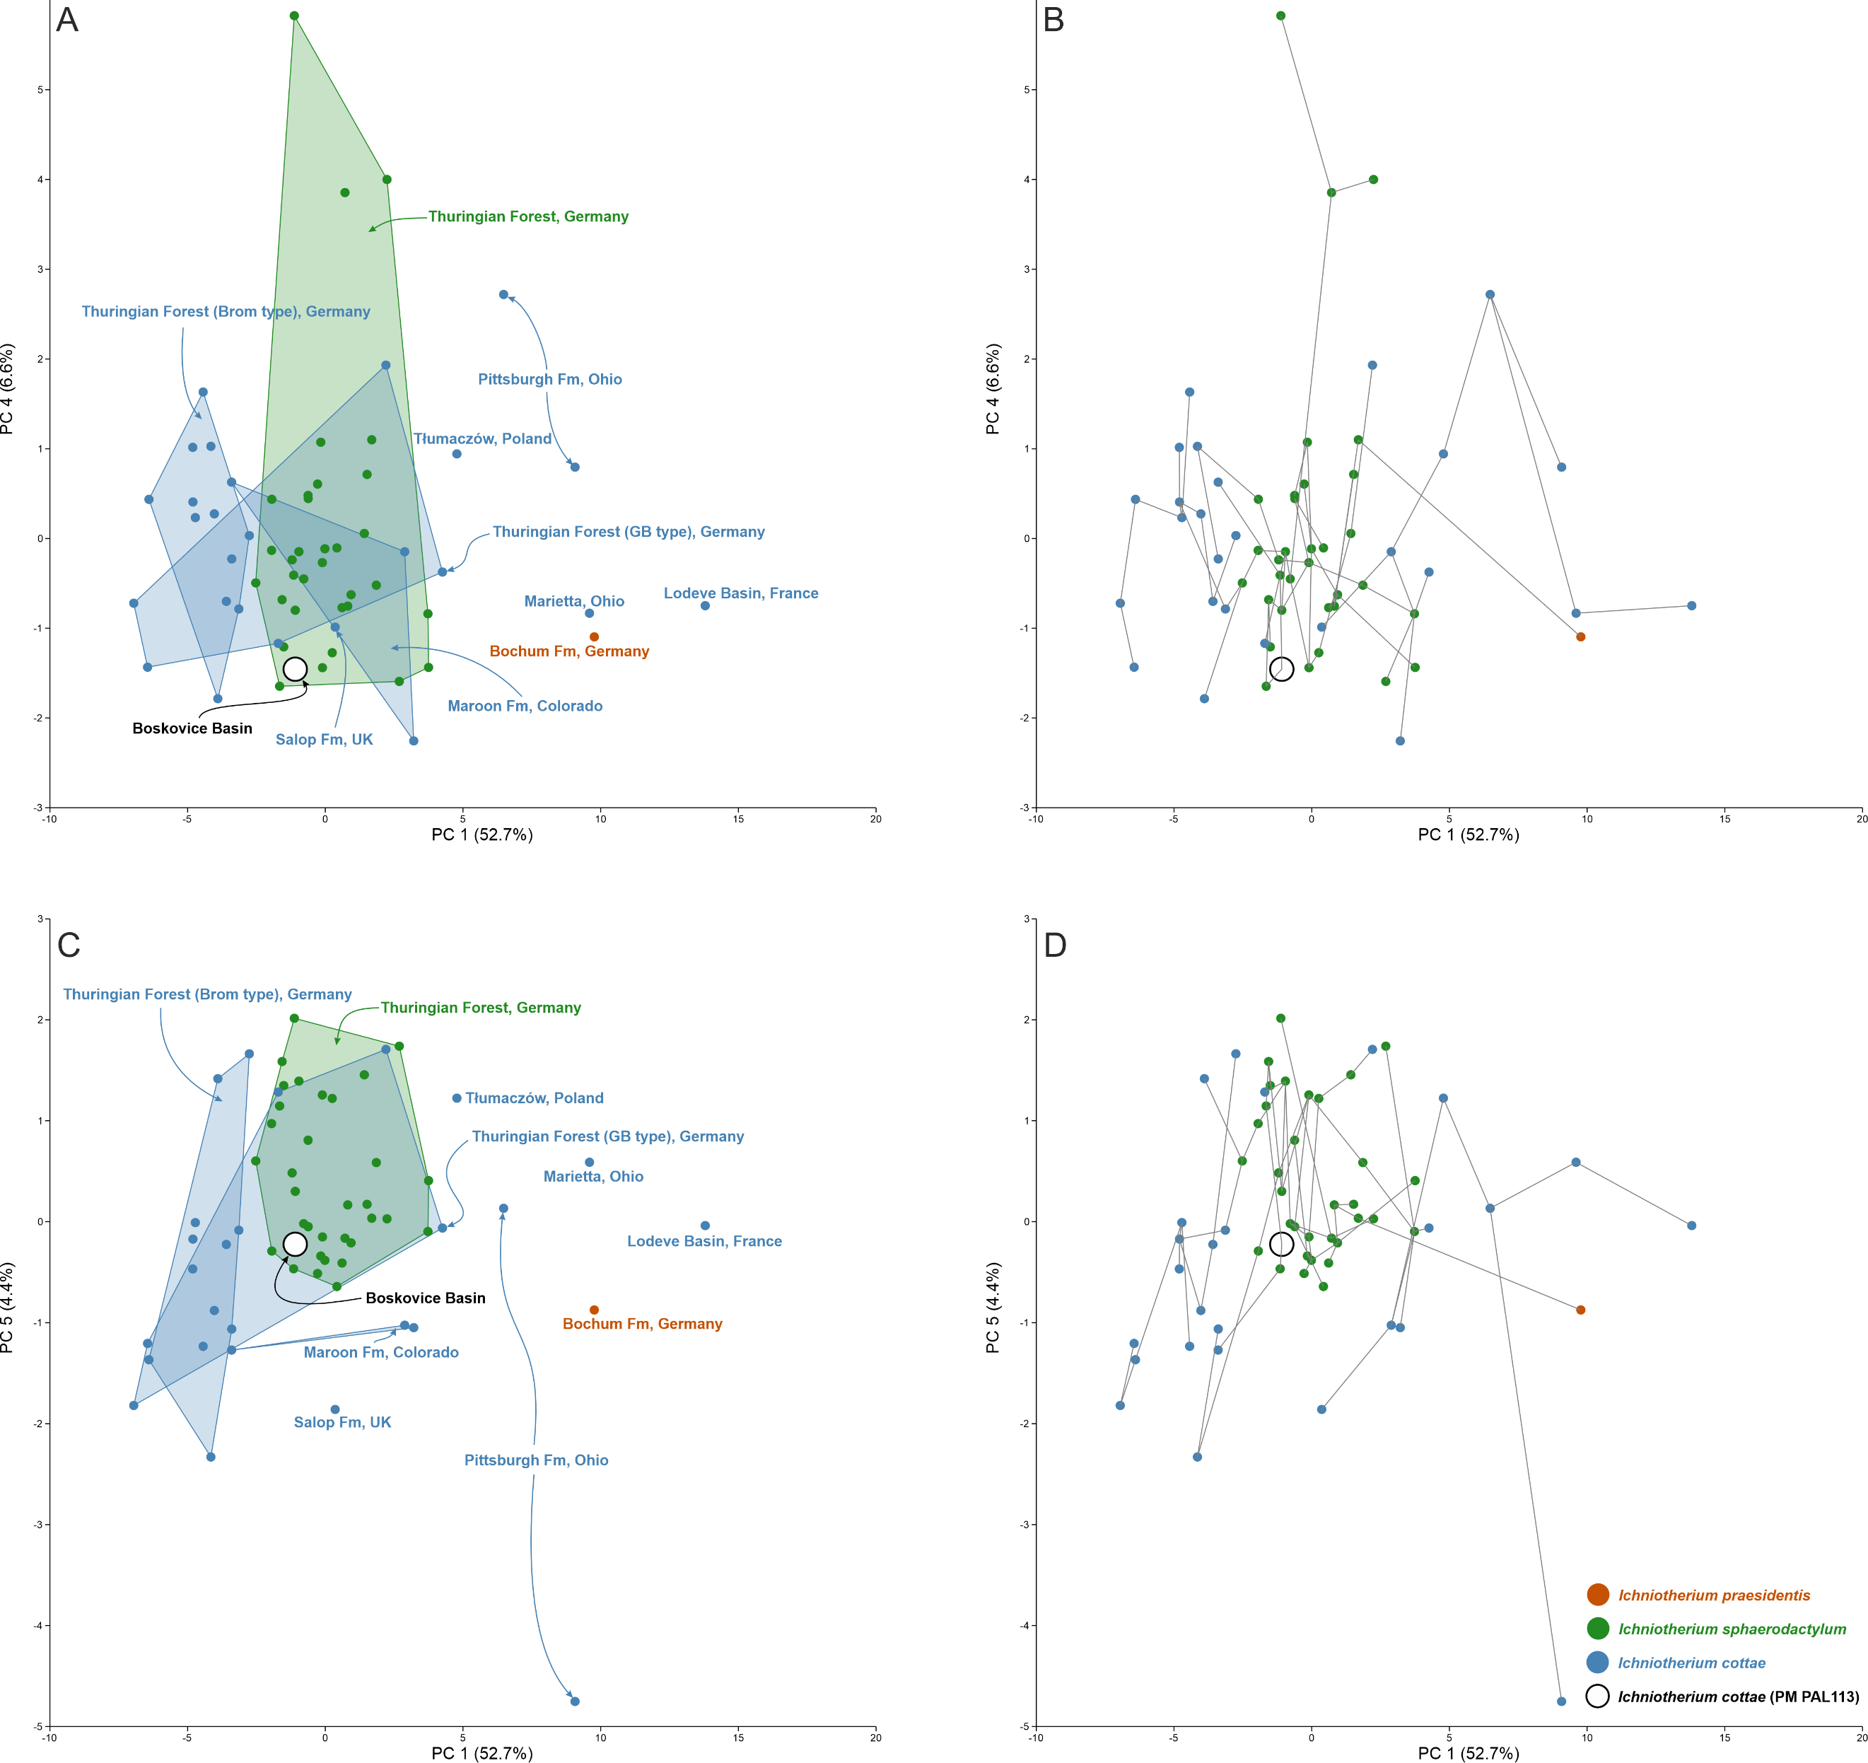

PCA Loading plots (PC1)
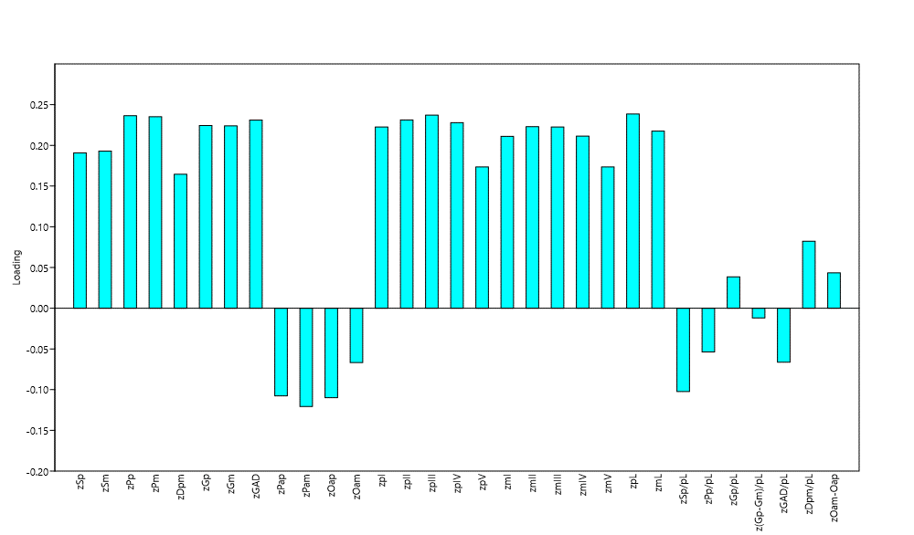

PCA Loading plots (PC2)
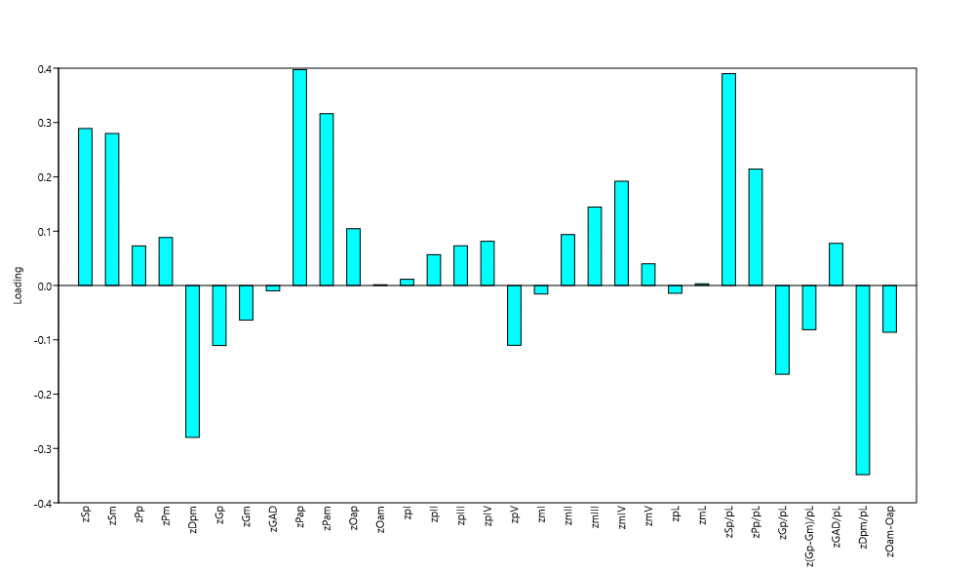

PCA Loading plots (PC3)
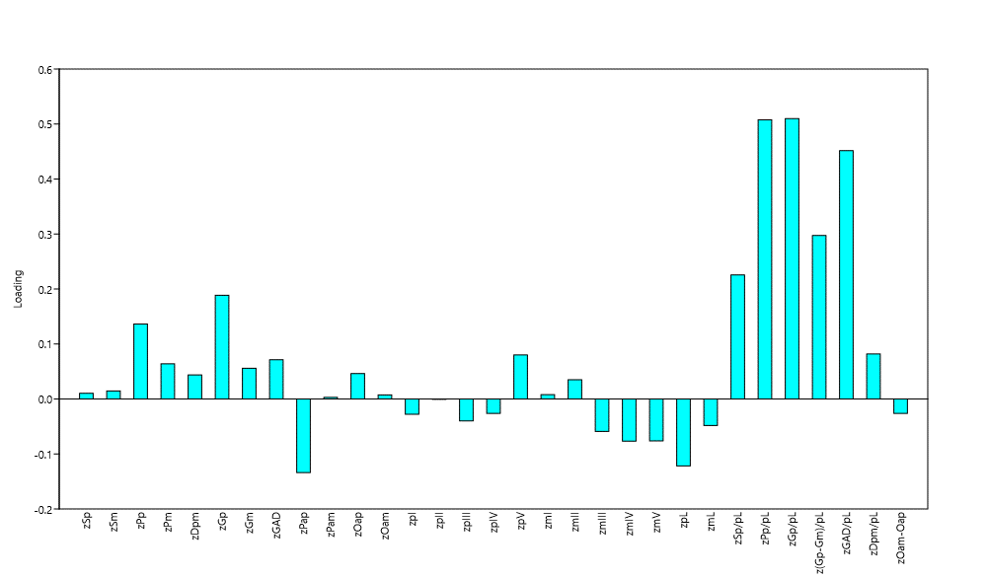

PCA Loading plots (PC4)
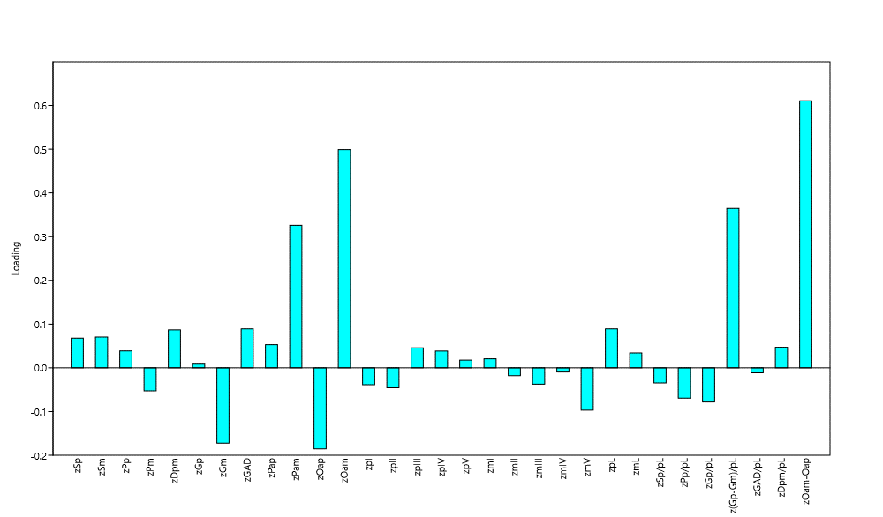

PCA Loading plots (PC5)
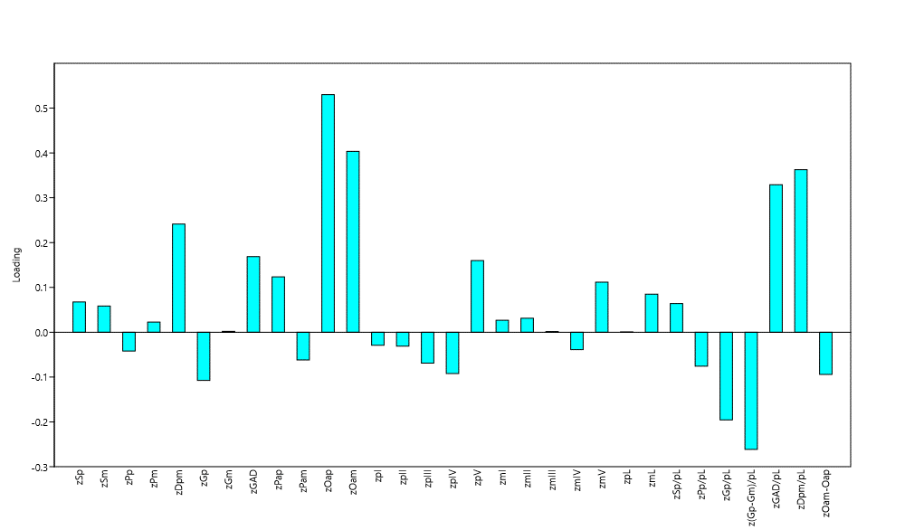

PCA Scree plot
