FOXD2
Details for IHC score of FOXD2

Location | Pathologic classification | Cytoplasm |  |  | Note |  | n | FOXD2 expression |  | p value
 |  | Staining intensity | positive rate score | Score |  |  |  | High | Low
A01 | mucinous adenocarcinoma | 2 | 3 | 6 |  | Cancer | 20 | 15 | 5 | p<0.0001
A02 | normal adjacent tissues | 2 | 2 | 4 |  | Paracancer | 20 | 1 | 19
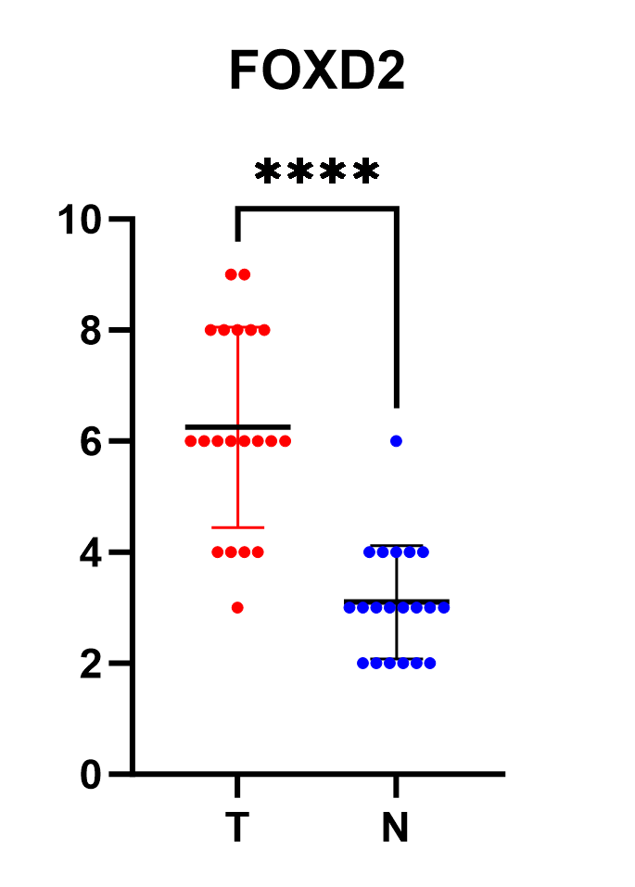
A03 | mucinous adenocarcinoma | 3 | 3 | 9
A04 | normal adjacent tissues | 2 | 3 | 6
A05 | mucinous adenocarcinoma | 2 | 4 | 8 | containing mucinous component
A06 | normal adjacent tissues | 1 | 3 | 3
A07 | mucinous adenocarcinoma | 3 | 3 | 6 | containing mucinous component
A08 | normal adjacent tissues | 1 | 2 | 2
A09 | mucinous adenocarcinoma | 2 | 4 | 8
A10 | normal adjacent tissues | 2 | 2 | 4
B01 | mucinous adenocarcinoma | 3 | 3 | 9
B02 | normal adjacent tissues | 1 | 3 | 3
B03 | mucinous adenocarcinoma | 2 | 4 | 8 | containing mucinous component
B04 | normal adjacent tissues | 1 | 3 | 3
B05 | mucinous adenocarcinoma | 3 | 2 | 6 | containing mucinous component
B06 | normal adjacent tissues | 1 | 4 | 4
B07 | mucinous adenocarcinoma | 3 | 2 | 6 | containing mucinous component
B08 | normal adjacent tissues | 1 | 2 | 2
B09 | mucinous adenocarcinoma | 2 | 2 | 4
B10 | normal adjacent tissues | 1 | 3 | 3
C01 | mucinous adenocarcinoma | 2 | 4 | 8
C02 | normal adjacent tissues | 1 | 3 | 3
C03 | mucinous adenocarcinoma | 3 | 2 | 6
C04 | normal adjacent tissues | 1 | 2 | 2
C05 | mucinous adenocarcinoma | 3 | 2 | 6
C06 | normal adjacent tissues | 1 | 2 | 2
C07 | mucinous adenocarcinoma | 2 | 2 | 4 | containing mucinous component
C08 | normal adjacent tissues | 1 | 3 | 3 |  | #REF! | #REF!
C09 | mucinous adenocarcinoma | 3 | 1 | 3
C10 | normal adjacent tissues | 2 | 2 | 4
D01 | mucinous adenocarcinoma | 3 | 2 | 6
D02 | normal adjacent tissues | 1 | 3 | 3
D03 | mucinous adenocarcinoma | 2 | 2 | 4
D04 | normal adjacent tissues | 1 | 2 | 2
D05 | mucinous adenocarcinoma | 2 | 2 | 4
D06 | normal adjacent tissues | 1 | 2 | 2
D07 | mucinous adenocarcinoma | 2 | 3 | 6
D08 | normal adjacent tissues | 2 | 2 | 4
D09 | mucinous adenocarcinoma | 2 | 4 | 8
D10 | normal adjacent tissues | 1 | 3 | 3

FOXD3
Details for IHC score of FOXD3

Location | Pathologic classification | Cytoplasm |  |  | Note |  | n | FOXD3 expression |  | p value
 |  | Staining intensity | positive rate score | Score |  |  |  | High | Low
A01 | mucinous adenocarcinoma | 3 | 4 | 12 |  | Cancer | 20 | 20 | 0 | p<0.0001
A02 | normal adjacent tissues | 2 | 2 | 4 |  | Paracancer | 20 | 1 | 19
A03 | mucinous adenocarcinoma | 3 | 3 | 9
A04 | normal adjacent tissues | 1 | 1 | 1
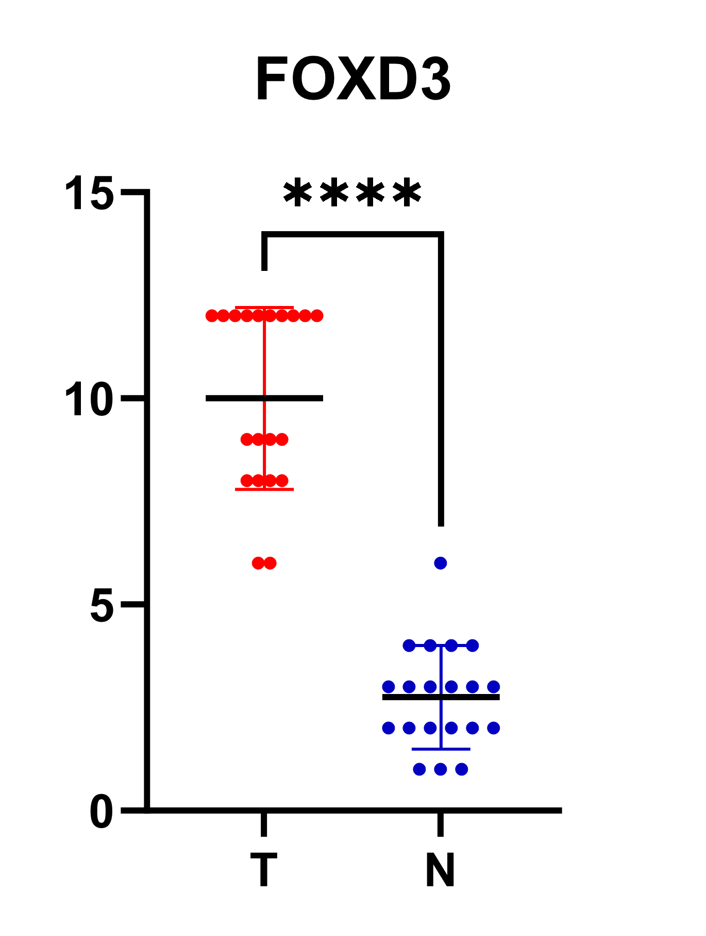
A05 | mucinous adenocarcinoma | 2 | 4 | 8 | containing mucinous component
A06 | normal adjacent tissues | 1 | 3 | 3
A07 | mucinous adenocarcinoma | 3 | 2 | 6 | containing mucinous component
A08 | normal adjacent tissues | 1 | 2 | 2
A09 | mucinous adenocarcinoma | 3 | 4 | 12
A10 | normal adjacent tissues | 1 | 4 | 4
B01 | mucinous adenocarcinoma | 3 | 4 | 12
B02 | normal adjacent tissues | 1 | 3 | 3
B03 | mucinous adenocarcinoma | 2 | 4 | 8 | containing mucinous component
B04 | normal adjacent tissues | 1 | 2 | 2
B05 | mucinous adenocarcinoma | 3 | 4 | 12 | containing mucinous component
B06 | normal adjacent tissues | 2 | 3 | 6
B07 | mucinous adenocarcinoma | 3 | 3 | 9 | containing mucinous component
B08 | normal adjacent tissues | 1 | 3 | 3
B09 | mucinous adenocarcinoma | 3 | 4 | 12
B10 | normal adjacent tissues | 1 | 3 | 3
C01 | mucinous adenocarcinoma | 3 | 4 | 12
C02 | normal adjacent tissues | 2 | 2 | 4
C03 | mucinous adenocarcinoma | 3 | 2 | 6
C04 | normal adjacent tissues | 1 | 2 | 2
C05 | mucinous adenocarcinoma | 3 | 4 | 12
C06 | normal adjacent tissues | 1 | 3 | 3
C07 | mucinous adenocarcinoma | 2 | 4 | 8 | containing mucinous component
C08 | normal adjacent tissues | 1 | 1 | 1
C09 | mucinous adenocarcinoma | 3 | 4 | 12
C10 | normal adjacent tissues | 1 | 2 | 2
D01 | mucinous adenocarcinoma | 3 | 3 | 9
D02 | normal adjacent tissues | 1 | 2 | 2
D03 | mucinous adenocarcinoma | 3 | 4 | 12
D04 | normal adjacent tissues | 1 | 3 | 3
D05 | mucinous adenocarcinoma | 2 | 4 | 8
D06 | normal adjacent tissues | 1 | 2 | 2
D07 | mucinous adenocarcinoma | 3 | 3 | 9
D08 | normal adjacent tissues | 1 | 1 | 1
D09 | mucinous adenocarcinoma | 3 | 4 | 12
D10 | normal adjacent tissues | 2 | 2 | 4

FOXD4
Details for IHC score of FOXD4

Location | Pathologic classification | Cytoplasm |  |  | Note |  | n | FOXD4 expression |  | p value
 |  | Staining intensity | positive rate score | Score |  |  |  | High | Low
A01 | mucinous adenocarcinoma | 2 | 4 | 8 |  | Cancer | 20 | 19 | 1 | p<0.0001
A02 | normal adjacent tissues | 2 | 2 | 4 |  | Paracancer | 20 | 0 | 20
A03 | mucinous adenocarcinoma | 3 | 3 | 9
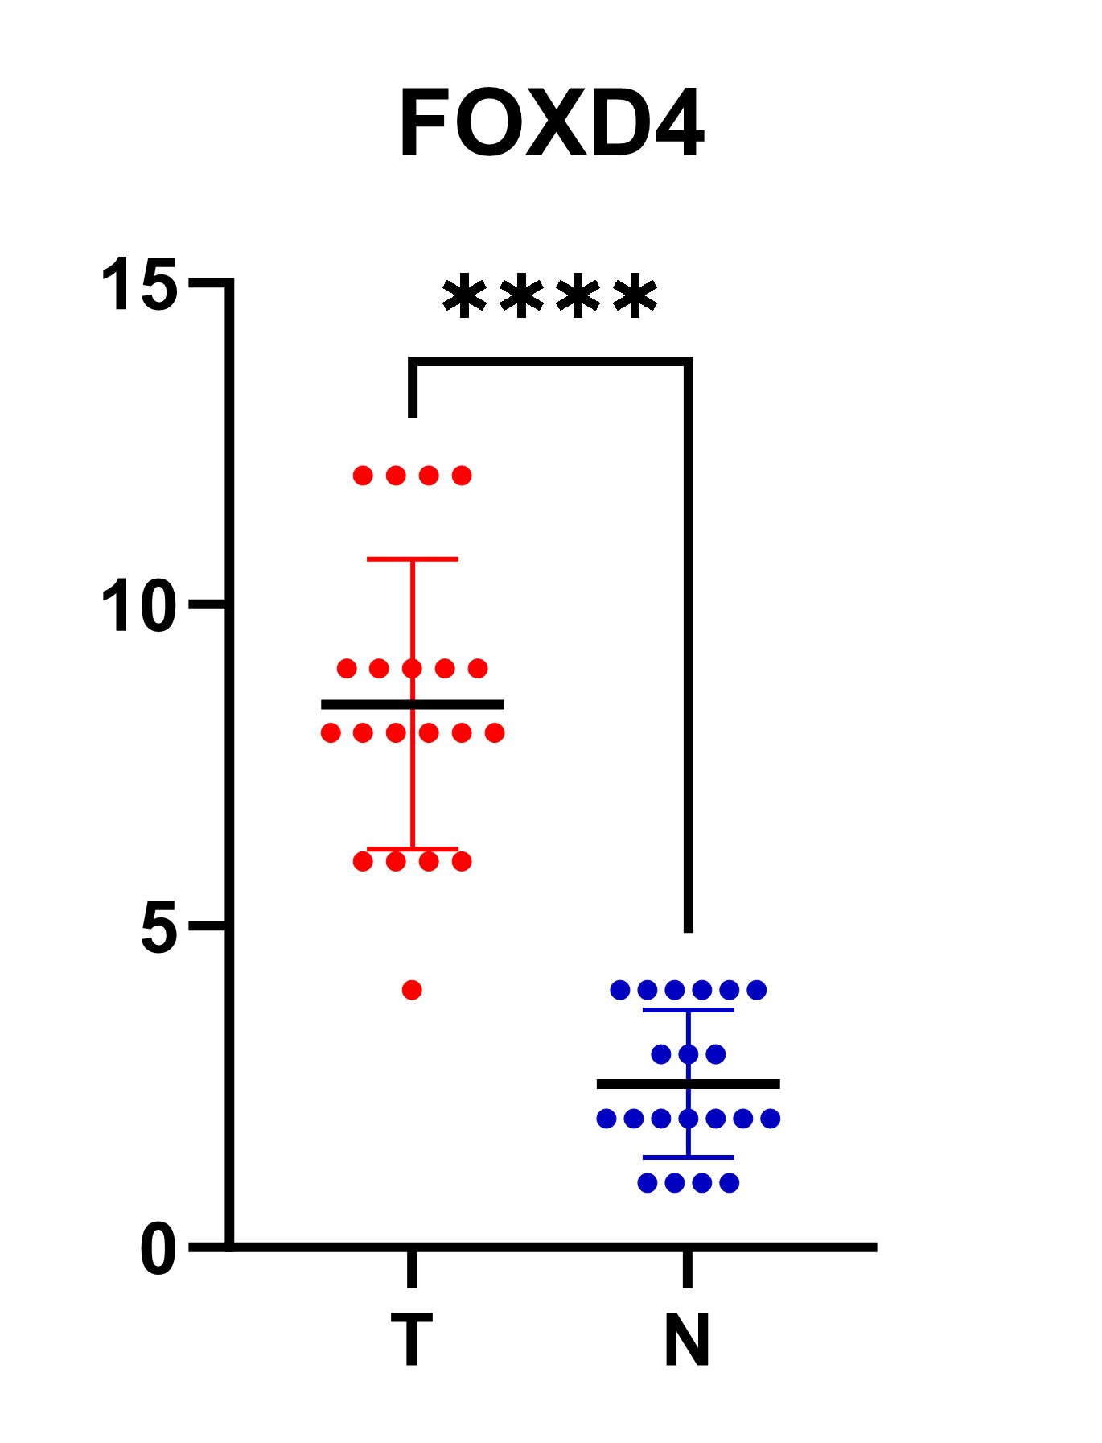
A04 | normal adjacent tissues | 2 | 2 | 4
A05 | mucinous adenocarcinoma | 2 | 4 | 8 | containing mucinous component
A06 | normal adjacent tissues | 2 | 2 | 4
A07 | mucinous adenocarcinoma | 2 | 3 | 6 | containing mucinous component
A08 | normal adjacent tissues | 1 | 3 | 3
A09 | mucinous adenocarcinoma | 3 | 3 | 9
A10 | normal adjacent tissues | 2 | 2 | 4
B01 | mucinous adenocarcinoma | 3 | 3 | 9
B02 | normal adjacent tissues | 1 | 2 | 2
B03 | mucinous adenocarcinoma | 2 | 4 | 8 | containing mucinous component
B04 | normal adjacent tissues | 1 | 3 | 3
B05 | mucinous adenocarcinoma | 3 | 4 | 12 | containing mucinous component
B06 | normal adjacent tissues | 3 | 1 | 3
B07 | mucinous adenocarcinoma | 3 | 2 | 6 | containing mucinous component
B08 | normal adjacent tissues | 1 | 4 | 4
B09 | mucinous adenocarcinoma | 3 | 4 | 12
B10 | normal adjacent tissues | 2 | 2 | 4
C01 | mucinous adenocarcinoma | 2 | 4 | 8
C02 | normal adjacent tissues | 2 | 1 | 2
C03 | mucinous adenocarcinoma | 2 | 3 | 6
C04 | normal adjacent tissues | 1 | 2 | 2
C05 | mucinous adenocarcinoma | 2 | 3 | 6
C06 | normal adjacent tissues | 2 | 1 | 2
C07 | mucinous adenocarcinoma | 2 | 4 | 8 | containing mucinous component
C08 | normal adjacent tissues | 1 | 1 | 1
C09 | mucinous adenocarcinoma | 3 | 4 | 12
C10 | normal adjacent tissues | 1 | 2 | 2
D01 | mucinous adenocarcinoma | 3 | 3 | 9
D02 | normal adjacent tissues | 1 | 2 | 2
D03 | mucinous adenocarcinoma | 2 | 2 | 4
D04 | normal adjacent tissues | 1 | 1 | 1
D05 | mucinous adenocarcinoma | 2 | 4 | 8
D06 | normal adjacent tissues | 1 | 1 | 1
D07 | mucinous adenocarcinoma | 3 | 3 | 9
D08 | normal adjacent tissues | 1 | 2 | 2
D09 | mucinous adenocarcinoma | 3 | 4 | 12
D10 | normal adjacent tissues | 1 | 1 | 1

