Determination of Solids Present
Determination of Solids Present in the Extracts
To quantify the amount of solids present in each of the extracts, a drying procedure was carried out using pre-weighed ceramic capsules. A number of replicates of n = 2 per extract was used to ensure data repeatability.
Each capsule was weighed before and after drying the extract, allowing for the calculation of the total solid content. From the values obtained, the average in mg/mL was calculated, representing the concentration of solids in each extract.
This average value was subsequently used to express the normalized results of antioxidant capacity and other analyzed properties.
 | capsule 1 | 24.8611 | 24.8568 |  | 24.85895
 | capsule 2 | 24.9327 | 24.9324 |  | 24.93255
 | capsule 3 | 23.5195 | 23.5182 |  | 23.51885
 | capsule 4 | 23.586 | 23.585 |  | 23.5855
 | capsule 5 | 27.8037 | 27.8056 |  | 27.80465
 | capsule 6 | 23.0872 | 23.0873 |  | 23.08725
 |  |  |  |  |  | Total solids |  |  | average
1 | capsule 1 | T2R3A1 | 0.9746 | 24.8663 | T2R3A1 | 0.00735 |  | T2R3A1 | 0.0078 | 0.00063639610307
 | capsule 2 | T2R3A1 | 0.9689 | 24.9408 | T2R3A1 | 0.00825 |  | T3R3A3 | 0.009625 | 0.0013081475452
2 | capsule 3 | T3R3A3 | 0.9789 | 23.5294 | T3R3A3 | 0.01055 |  | T2R3A2 | 0.00933 | 2.8284271246E-05
 | capsule 4 | T3R3A3 | 0.9788 | 23.5942 | T3R3A3 | 0.0087
3 | capsule 5 | T2R3A2 | 0.9702 | 27.814 | T2R3A2 | 0.00935
 | capsule 6 | T2R3A2 | 0.9739 | 23.09656 | T2R3A2 | 0.00931

 |  |  |  |  |  |  |  | Total solids |  |  |  | average | standard deviation.
4 | capsule 1 | 24.852 | T2R1A1 | 0.9707 |  | 24.8815 | T2R1A1 | 0.0295 |  |  | T2R1A1 | 0.0356 | 0.0086267027305
 | capsule 2 | 24.93 | T2R1A1 | 0.9783 |  | 24.9717 | T2R1A1 | 0.0417 |  |  | T3R3A2 | 0.00585 | 0.0033234018716
5 | capsule 3 | 23.5156 | T3R3A2 | 0.9642 |  | 23.5238 | T3R3A2 | 0.0082 |  |  | T2R3A3 | 0.0015 | 0.00028284271247
 | capsule 4 | 23.5845 | T3R3A2 | 0.9593 |  | 23.588 | T3R3A2 | 0.0035
6 | capsule 5 | 27.8018 | T2R3A3 | 0.959 |  | 27.8031 | T2R3A3 | 0.0013
 | capsule 6 | 23.0848 | T2R3A3 | 0.9631 |  | 23.0865 | T2R3A3 | 0.0017

 |  |  |  |  |  |  |  | Total solids |  |  |  | average | standard deviation.
7 | capsule 1 | 24.8526 | T3R3A1 | 0.9507 |  | 24.8553 | T3R3A1 | 0.0027 |  |  | T3R3A1 | 0.0026 | 0.00014142135624
 | capsule 2 | 24.9293 | T3R3A1 | 0.9457 |  | 24.9318 | T3R3A1 | 0.0025 |  |  | T3R2A2 | 0.00995 | 0.0051618795027
8 | capsule 3 | 23.5201 | T3R2A2 | 0.9425 |  | 23.5264 | T3R2A2 | 0.0063 |  |  | T3R2A1 | 0.0282 | 0.014142135624
 | capsule 4 | 23.5822 | T3R2A2 | 0.9518 |  | 23.5958 | T3R2A2 | 0.0136
9 | capsule 5 | 27.8012 | T3R2A1 | 0.9274 |  | 27.8194 | T3R2A1 | 0.0182
 | capsule 6 | 23.0849 | T3R2A1 | 0.949 |  | 23.1231 | T3R2A1 | 0.0382

 |  |  |  |  |  |  |  | Total solids |  |  |  | average | standard deviation.
10 | capsule 1 | 24.8524 | T3R1A2 | 0.9818 |  | 24.9024 | T3R1A2 | 0.05 |  |  | T3R1A2 | 0.04645 | 0.0050204581464
 | capsule 2 | 24.931 | T3R1A2 | 0.9913 |  | 24.9739 | T3R1A2 | 0.0429 |  |  | T3R1A3 | 0.0464 | 0.00098994949366
11 | capsule 3 | 23.52 | T3R1A3 | 0.9927 |  | 23.5657 | T3R1A3 | 0.0457 |  |  | T3R2A3 | 0.01825 | 0.0030405591591
 | capsule 4 | 23.5816 | T3R1A3 | 1.0043 |  | 23.6287 | T3R1A3 | 0.0471
12 | capsule 5 | 27.7992 | T3R2A3 | 0.97 |  | 27.8196 | T3R2A3 | 0.0204
 | capsule 6 | 23.0842 | T3R2A3 | 0.9753 |  | 23.1003 | T3R2A3 | 0.0161

 |  |  |  |  |  |  |  | Total solids |  |  |  | average | standard deviation.
13 | capsule 1 | 24.8557 | T1R3A2 | 0.9684 |  | 24.8569 | T1R3A2 | 0.0012 |  |  | T1R3A2 | 0.00285 | 0.0023334523779
 | capsule 2 | 24.9312 | T1R3A2 | 0.9701 |  | 24.9357 | T1R3A2 | 0.0045 |  |  | T2R1A2 | 0.0302 | 0.0031112698372
14 | capsule 3 | 23.5223 | T2R1A2 | 0.991 |  | 23.5503 | T2R1A2 | 0.028 |  |  | T1R2A3 | 0.00705 | 0.0019091883092
 | capsule 4 | 23.5804 | T2R1A2 | 0.9838 |  | 23.6128 | T2R1A2 | 0.0324
15 | capsule 5 | 27.8005 | T1R2A3 | 0.96593 |  | 27.8062 | T1R2A3 | 0.0057
 | capsule 6 | 23.0856 | T1R2A3 | 0.9761 |  | 23.094 | T1R2A3 | 0.0084

 |  |  |  |  |  |  |  |  |  |  |  | average | standard deviation.
16 | capsule 1 | 24.8526 | T3R1A1 | 0.9667 |  | 24.9156 | T3R1A1 | 0.063 |  |  | T3R1A1 | 0.05065 | 0.017465537495
 | capsule 2 | 24.9303 | T3R1A1 | 0.9988 |  | 24.9686 | T3R1A1 | 0.0383 |  |  | T1R1A2 | 0.03035 | 0.004171930009
17 | capsule 3 | 23.5193 | T1R1A2 | 0.9711 |  | 23.5526 | T1R1A2 | 0.0333 |  |  | T1R1A3 | 0.03055 | 0.0050204581464
 | capsule 4 | 23.5826 | T1R1A2 | 0.9942 |  | 23.61 | T1R1A2 | 0.0274
18 | capsule 5 | 27.803 | T1R1A3 | 0.9721 |  | 27.83 | T1R1A3 | 0.027
 | capsule 6 | 23.0858 | T1R1A3 | 0.9928 |  | 23.1199 | T1R1A3 | 0.0341

 |  |  |  |  |  |  |  | Total solids |  |  |  | average | standard deviation.
19 | capsule 1 | 24.8527 | T2R1A3 | 0.9723 |  | 24.886 | T2R1A3 | 0.0333 |  |  | T2R1A3 | 0.0326 | 0.00098994949366
 | capsule 2 | 24.931 | T2R1A3 | 0.9941 |  | 24.9629 | T2R1A3 | 0.0319 |  |  | T1R2A2 | 0.0204 | 0.01202081528
20 | capsule 3 | 23.519 | T1R2A2 | 0.9693 |  | 23.5479 | T1R2A2 | 0.0289 |  |  | T1R3A3 | 0.02245 | 0.019304015126
 | capsule 4 | 23.5831 | T1R2A2 | 0.987 |  | 23.595 | T1R2A2 | 0.0119
21 | capsule 5 | 27.8006 | T1R3A3 | 0.965 |  | 27.8094 | T1R3A3 | 0.0088
 | capsule 6 | 23.056 | T1R3A3 | 0.987 |  | 23.0921 | T1R3A3 | 0.0361

 |  |  |  |  |  |  |  | Total solids |  |  |  | average | standard deviation.
22 | capsule 5 | 27.8072 | T1R1A1 | 1.016 |  | 27.8439 | T1R1A1 | 0.0367 |  |  | T1R1A1 | 0.0405 | 0.005374011537
 | capsule 6 | 23.084 | T1R1A1 | 1.0372 |  | 23.1283 | T1R1A1 | 0.0443

 |  |  |  |  |  |  |  | Total solids |  |  |  | average | standard deviation.
23 | capsule5 | 27.8002 | T1R2A1 | 0.9752 |  | 27.8389 | T1R2A1 | 0.0387 |  |  | T1R2A1 | 0.0365 | 0.0031112698372
 | capsule 6 | 23.0859 | T1R2A1 | 0.9921 |  | 23.1202 | T1R2A1 | 0.0343

 |  |  |  |  |  |  |  | Total solids |  |  |  | average | standard deviation.
24 | capsule 1 | 24.875 | T1R3A1 | 0.9632 |  | 24.8888 | T1R3A1 | 0.0138 |  |  | T1R3A1 | 0.0324 | 0.02630437226
 | capsule 2 | 24.9351 | T1R3A1 | 0.9718 |  | 24.9861 | T1R3A1 | 0.051

 |  |  |  |  |  |  |  | Total solids |  |  |  | average | standard deviation.
25 | capsule 3 | 23.5119 | T2R2A3 | 0.956 |  | 23.5319 | T2R2A3 | 0.02 |  |  | T2R2A3 | 0.01875 | 0.001767766953
 | capsule 4 | 23.5815 | T2R2A3 | 0.9758 |  | 23.599 | T2R2A3 | 0.0175

 |  |  |  |  |  |  |  | Total solids |  |  |  | average | standard deviation.
26 | capsule 1 | 24.8504 | T2R2A2 | 0.9499 |  | 24.8601 | T2R2A2 | 0.0097 |  |  | T2R2A2 | 0.00775 | 0.0027577164466
 | capsule 2 | 24.9294 | T2R2A2 | 0.9648 |  | 24.9352 | T2R2A2 | 0.0058

 |  |  |  |  |  |  |  | Total solids |  |  |  | average | standard deviation.
27 | capsule 3 | 23.5142 | T2R2A1 | 0.9645 |  | 23.5206 | T2R2A1 | 0.0064 |  |  | T2R2A1 | 0.00545 | 0.0013435028843
 | capsule 4 | 23.5828 | T2R2A1 | 0.9675 |  | 23.5873 | T2R2A1 | 0.0045

pt 2 Determination of Solids (m
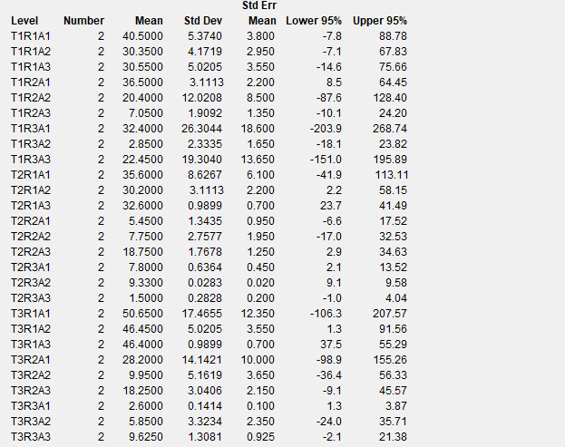
Determination of Solids Present in the Extracts
To quantify the amount of solids present in each of the extracts, a drying procedure was carried out using pre-weighed ceramic capsules. A number of replicates of n = 2 per extract was used to ensure data repeatability.
Each capsule was weighed before and after drying the extract, allowing for the calculation of the total solid content. From the values obtained, the average in mg/mL was calculated, representing the concentration of solids in each extract.
This average value was subsequently used to express the normalized results of antioxidant capacity and other analyzed properties.
Experimental treatment | g/ml | mg/ml | mg/ml
T2R3A1 | 0.00735 | 7.35 | 7.8
T2R3A1 | 0.00825 | 8.25
T3R3A3 | 0.01055 | 10.55 | 9.625
T3R3A3 | 0.0087 | 8.7
T2R3A2 | 0.00935 | 9.35 | 9.33
T2R3A2 | 0.00931 | 9.31
T2R1A1 | 0.0295 | 29.5 | 35.6
T2R1A1 | 0.0417 | 41.7
T3R3A2 | 0.0082 | 8.2 | 5.85
T3R3A2 | 0.0035 | 3.5
T2R3A3 | 0.0013 | 1.3 | 1.5
T2R3A3 | 0.0017 | 1.7
T3R3A1 | 0.0027 | 2.7 | 2.6
T3R3A1 | 0.0025 | 2.5
T3R2A2 | 0.0063 | 6.3 | 9.95
T3R2A2 | 0.0136 | 13.6
T3R2A1 | 0.0182 | 18.2 | 28.2
T3R2A1 | 0.0382 | 38.2
T3R1A2 | 0.05 | 50 | 46.45
T3R1A2 | 0.0429 | 42.9
T3R1A3 | 0.0457 | 45.7 | 46.4
T3R1A3 | 0.0471 | 47.1
T3R2A3 | 0.0204 | 20.4 | 18.25
T3R2A3 | 0.0161 | 16.1
T1R3A2 | 0.0012 | 1.2 | 2.85
T1R3A2 | 0.0045 | 4.5
T2R1A2 | 0.028 | 28 | 30.2
T2R1A2 | 0.0324 | 32.4
T1R2A3 | 0.0057 | 5.7 | 7.05
T1R2A3 | 0.0084 | 8.4
T3R1A1 | 0.063 | 63 | 50.65
T3R1A1 | 0.0383 | 38.3
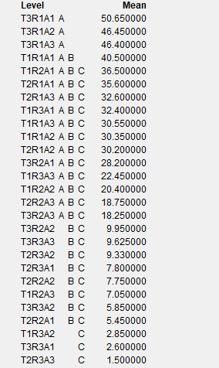
T1R1A2 | 0.0333 | 33.3 | 30.35
T1R1A2 | 0.0274 | 27.4
T1R1A3 | 0.027 | 27 | 30.55
T1R1A3 | 0.0341 | 34.1
T2R1A3 | 0.0333 | 33.3 | 32.6
T2R1A3 | 0.0319 | 31.9
T1R2A2 | 0.0289 | 28.9 | 20.4
T1R2A2 | 0.0119 | 11.9
T1R3A3 | 0.0088 | 8.8 | 22.45
T1R3A3 | 0.0361 | 36.1
T1R1A1 | 0.0367 | 36.7 | 40.5
T1R1A1 | 0.0443 | 44.3
T1R2A1 | 0.0387 | 38.7 | 36.5
T1R2A1 | 0.0343 | 34.3
T1R3A1 | 0.0138 | 13.8 | 32.4
T1R3A1 | 0.051 | 51
T2R2A3 | 0.02 | 20 | 18.75
T2R2A3 | 0.0175 | 17.5
T2R2A2 | 0.0097 | 9.7 | 7.75
T2R2A2 | 0.0058 | 5.8
T2R2A1 | 0.0064 | 6.4 | 5.45
T2R2A1 | 0.0045 | 4.5

Hydroxyl Radical IC50
Hydroxyl Radical |  |  | mg (milligrams) | IC50 (microliters) | IC50 (mL) | IC50 (mg/mL)
 | T2R3A3 | Extracto solido totales (mg/ml) | 8.5 | 144.00128123 | 0.14400128123 | 1.2240108905
 | T2R3A3 | Extracto solido totales (mg/ml) | 8.5 | 144.18277449 | 0.14418277449 | 1.2255535832
 | T2R3A3 | Extracto solido totales (mg/ml) | 8.5 | 141.87402089 | 0.14187402089 | 1.2059291775
 | T2R3A1 | Extracto solido totales (mg/ml) | 7.8 | 124.3411271 | 0.1243411271 | 0.96986079137
 | T2R3A1 | Extracto solido totales (mg/ml) | 7.8 | 122.96544534 | 0.12296544534 | 0.95913047364
 | T2R3A1 | Extracto solido totales (mg/ml) | 7.8 | 122.26642772 | 0.12226642772 | 0.9536781362
 | T2R3A2 | Extracto solido totales (mg/ml) | 9.33 | 133.05803571 | 0.13305803571 | 1.2414314732
 | T2R3A2 | Extracto solido totales (mg/ml) | 9.33 | 132.67013064 | 0.13267013064 | 1.2378123189
 | T2R3A2 | Extracto solido totales (mg/ml) | 9.33 | 132.46107963 | 0.13246107963 | 1.2358618729
 | T3R3A3 | Extracto solido totales (mg/ml) | 9.625 | 134.82055215 | 0.13482055215 | 1.2976478144
 | T3R3A3 | Extracto solido totales (mg/ml) | 9.625 | 133.71204517 | 0.13371204517 | 1.2869784348
 | T3R3A3 | Extracto solido totales (mg/ml) | 9.625 | 133.98070444 | 0.13398070444 | 1.2895642802
 | T2R1A1 | Extracto solido totales (mg/ml) | 35.6 | 64.946887313 | 0.064946887313 | 2.3121091883
 | T2R1A1 | Extracto solido totales (mg/ml) | 35.6 | 67.92583281 | 0.06792583281 | 2.418159648
 | T2R1A1 | Extracto solido totales (mg/ml) | 35.6 | 68.272627623 | 0.068272627623 | 2.4305055434
 | T3R3A1 | Extracto solido totales (mg/ml) | 6.6 | 129.18471978 | 0.12918471978 | 0.85261915054
 | T3R3A1 | Extracto solido totales (mg/ml) | 6.6 | 130.93000543 | 0.13093000543 | 0.86413803581
 | T3R3A1 | Extracto solido totales (mg/ml) | 6.6 | 132.15487465 | 0.13215487465 | 0.8722221727
 | T3R3A2 | Extracto solido totales (mg/ml) | 5.58 | 129.49047619 | 0.12949047619 | 0.72255685714
...
 |  |  |  | IC50 (microliters) | IC50 (mL) | IC50 (mg/mL)
 |  |  |  | 384.32321807 | 0.38432321807 | 12.452072265
 |  |  |  | 380.88243938 | 0.38088243938 | 12.340591036
 |  |  |  | 367.3455425 | 0.3673455425 | 11.901995577
 |  |  |  | 124.69514959 | 0.12469514959 | 2.3380340549
 |  |  |  | 123.18784029 | 0.12318784029 | 2.3097720054
 |  |  |  | 122.60374802 | 0.12260374802 | 2.2988202755
 |  |  |  | 114.70058836 | 0.11470058836 | 0.88892955982
 |  |  |  | 116.68187553 | 0.11668187553 | 0.90428453532
 |  |  |  | 112.27144895 | 0.11227144895 | 0.87010372937
 |  |  |  | 376.35877318 | 0.37635877318 | 2.0511553138
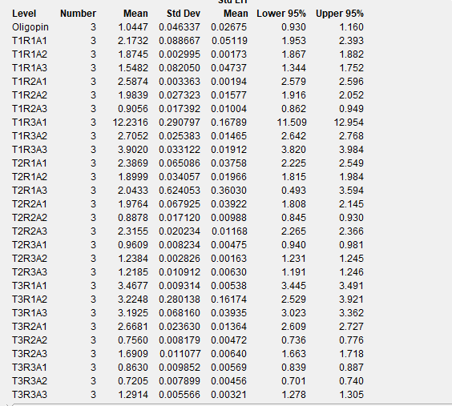
 |  |  |  | 352.0151715 | 0.3520151715 | 1.9184826847
 |  |  |  | 359.54618474 | 0.35954618474 | 1.9595267068
 |  |  |  |  |  | 1.0179280453
 |  |  |  |  |  | 1.0981861182
 |  |  |  |  |  | 1.0179280453

