Inhibitors presence test
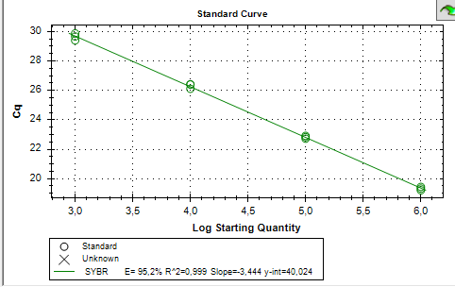
Sample | Target | Dilution | Cq
Lc+Gv+Gl | Ec | 1* | 19.21
Lc+Gv+Gl | Ec | 1* | 19.33
Lc+Gv+Gl | Ec | 1* | 19.45
Lc+Gv+Gl | Ec | 0.10 | 22.83
Lc+Gv+Gl | Ec | 0.10 | 22.91
Lc+Gv+Gl | Ec | 0.10 | 22.72
Lc+Gv+Gl | Ec | 0.01 | 26.11
Lc+Gv+Gl | Ec | 0.01 | 26.4
Lc+Gv+Gl | Ec | 0.01 | 26.42
Lc+Gv+Gl | Ec | 0.001 | 29.87
Lc+Gv+Gl | Ec | 0.001 | 29.4
Lc+Gv+Gl | Ec | 0.001 | 29.67

* the sample was already diluted 1:40.

 |  |  |  | Eficiency of the reaction.

