Samples from Dr. Shamugar
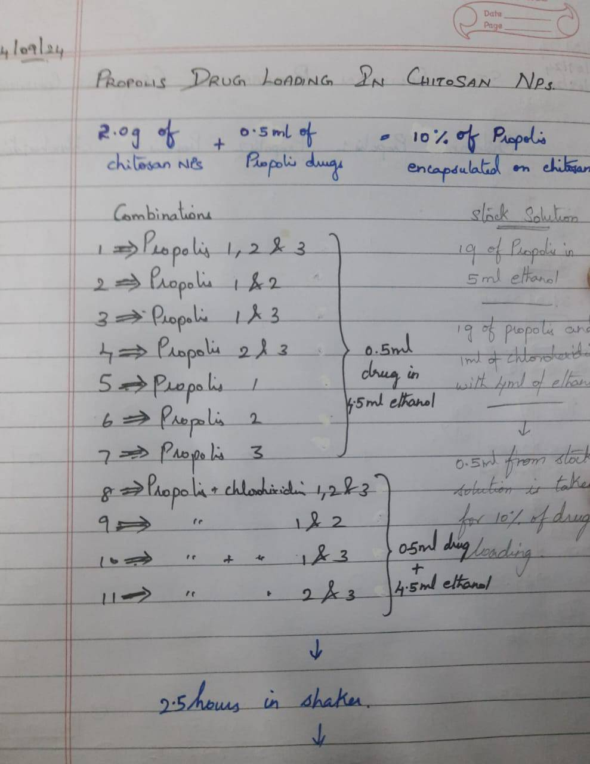

CS-NPs | Combination
C1 | Propolis 1 +2 + 3
C2 | Propolis 1 + 2
C3 | Propolis 1 + 3
C4 | Propolis 2 + 3
C5 | Propolis 1
C6 | Propolis 2
C7 | Propolis 3
C8 | Propolis 1 +2 + 3 + Chlorhexidine
C9 | Propolis 1 +2 + Chlorhexidine
C10 | Propolis 1 +3 + Chlorhexidine
C11 | Propolis 2 +3 + Chlorhexidine

